Tabelle1
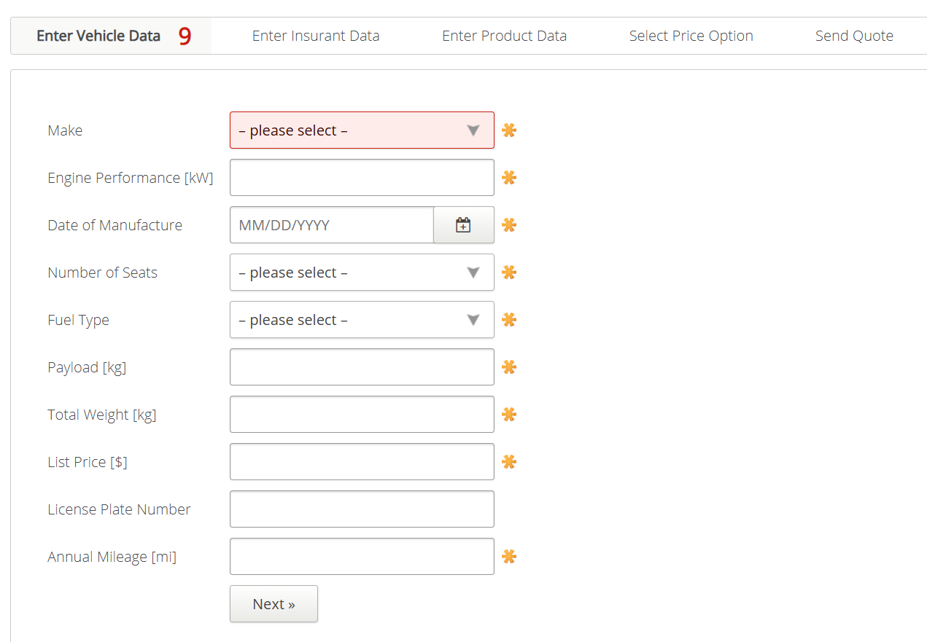
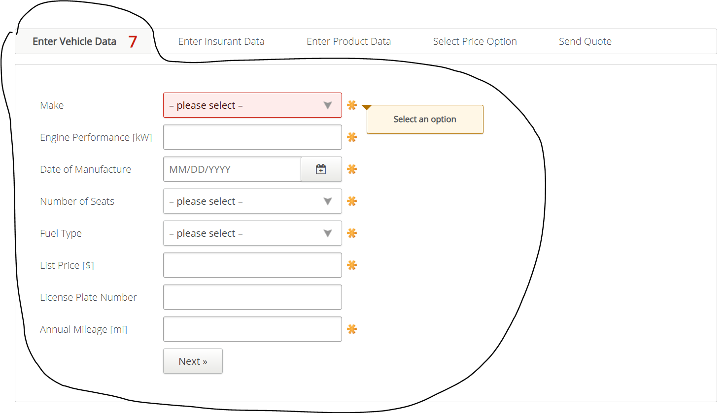
VIA_Chromium | xpath=//*[@id="entervehicledata"]/span[@class="counter"] | //*[@id='make'] | //*[@id='engineperformance'] | //*[@id='dateofmanufacture'] | //*[@id='numberofseats'] | //*[@id='fuel'] | //*[@id='payload'] | //*[@id='totalweight'] | //*[@id='listprice'] | //*[@id='licenseplatenumber'] | //*[@id='annualmileage'] | //*[@id='nextenterinsurantdata']
VIA_Pixel9Pro_API35
Record / Control | labMissingMandatoryCounter | selMake | txtEnginePerformance | calDateOfManufactoring | selNumberOfSeats | selFuelType | txtPayload | txtTotalWeight | txtListPrice | txtLicensePlateNumber | txtAnnualMileage | butNext
Button Next |  |  |  |  |  |  |  |  |  |  | X
Check defaults
103_TruckInsurance_001_SmokeTest_FillPage |  | Audi | 100 | 11/29/2011 | 5 | Petrol | 1000 | 1000 | 25000 | 12345ABCDE | 12500 | X
Vehicle Page check for open mandatory fields | 9 | <MissingMandatoryField> | <MissingMandatoryField> | <MissingMandatoryField> | <MissingMandatoryField> | <MissingMandatoryField> | <MissingMandatoryField> | <MissingMandatoryField> | <MissingMandatoryField> | <NoMandatoryField> | <MissingMandatoryField>
103_TruckInsurance_002_VehicleData_001_MandatoryFields_FillMake |  | Audi
103_TruckInsurance_002_VehicleData_001_MandatoryFields_CheckFilledMake | 8 | <FilledMandatoryField> | <MissingMandatoryField> | <MissingMandatoryField> | <MissingMandatoryField> | <MissingMandatoryField> | <MissingMandatoryField> | <MissingMandatoryField> | <MissingMandatoryField> | <NoMandatoryField> | <MissingMandatoryField>
Vehicle Page check for hints regarding mandatory fields |  | <HINT Select an option> | <HINT This field is mandatory> | <HINT This field is mandatory> | <HINT Select an option> | <HINT Select an option> | <HINT This field is mandatory> | <HINT This field is mandatory> | <HINT This field is mandatory> | <NOHINT> | <HINT This field is mandatory>
Vehicle Page check error hint list value ranges |  |  | <HINT Must be a number between 1 and 2000> |  |  |  | <HINT Must be a number between 1 and 1000> | <HINT Must be a number between 100 and 50000> | <HINT Must be a number between 500 and 100000> |  | <HINT Must be a number between 100 and 100000>
103_TruckInsurance_002_VehicleData_002_EnterNumericValuesBelowRange |  |  | 0 |  |  |  | 0 | 99 | 499.9999 |  | -8888
103_TruckInsurance_002_VehicleData_002_EnterNumericValuesAboveRange |  |  | 2001 |  |  |  | 1001 | 50001 | 999999999999999 |  | 100000.0001
103_TruckInsurance_002_VehicleData_002_ManufacturingDateInTheFuture |  |  |  | 12/31/2099
Vehicle Page check error hint manufacturing date in the future |  |  |  | <HINT Must be today or somewhere in the past>

