Sheet1
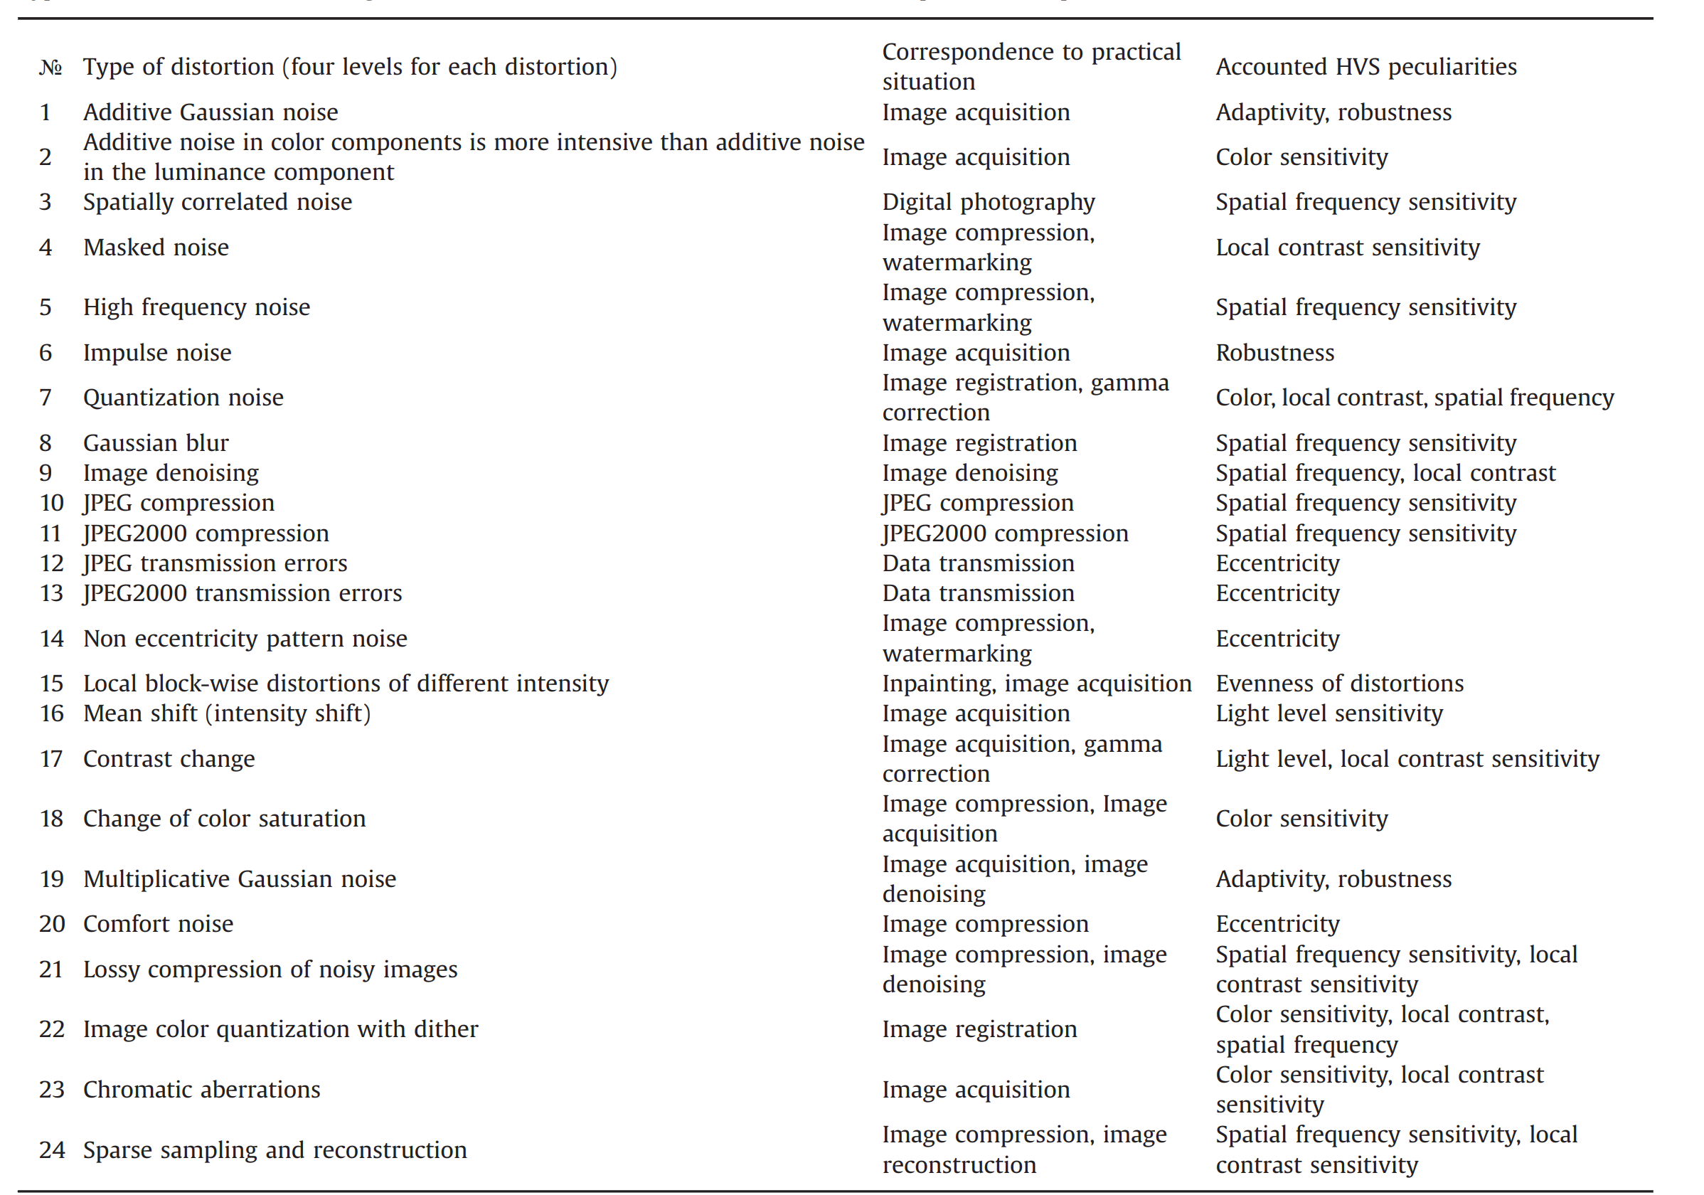
normal mode: |  | stacking mode:

distortions | SROCC | distortions | SROCC
01 | 0.81364497987 | 01 | 0.69559473669 | 0
02 | 0.72741433034 | 02 | 0.6864734835
03 | 0.86456843627 | 03 | 0.85066966931
04 | 0.36430303955 | 04 | 0.093282395618 | 0
05 | 0.83458221611 | 05 | 0.76420546219
06 | 0.76510564069 | 06 | 0.77834717426
07 | 0.79678888104 | 07 | 0.80810398977
08 | 0.81130087224 | 08 | 0.81480628089
09 | 0.75448778024 | 09 | 0.77548349446
10 | 0.85431464602 | 10 | 0.80475336109
11 | 0.90434459362 | 11 | 0.87029200012
12 | 0.42193630051 | 12 | 0.30063257113 | 0
13 | 0.49321423361 | 13 | 0.35238980331 | 0
14 | 0.28414823801 | 14 | 0.18240557007 | 0
15 | 0.15395250245 | 15 | 0.23404712905 | 1
16 | 0.15271863693 | 16 | 0.21641566361 | 1
17 | 0.47320251802 | 17 | 0.32944082435 | 1
18 | 0.52215227792 | 18 | 0.41542318364
19 | 0.77724576845 | 19 | 0.71898689851
20 | 0.46996872454 | 20 | 0.47227598673
21 | 0.78518805275 | 21 | 0.68032897699 | 0
22 | 0.79409090073 | 22 | 0.67125143627 | 0
23 | 0.72692360874 | 23 | 0.7454953226
24 | 0.82028587012 | 24 | 0.79594466934

all: | 0.6919 |  | 0.65967377059

