Sheet1
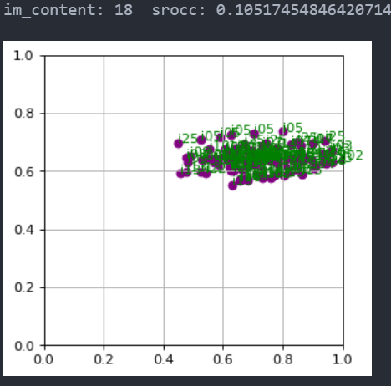
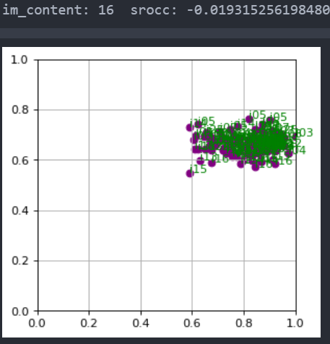

01 | 0.5841129104356578
02 | 0.4754680578637198
03 | 0.4824506561793398
04 | 0.42726857979078287
05 | 0.7466289393344242
06 | 0.6159770933040988
07 | 0.34412001455950036
08 | 0.811055094244226
09 | 0.7856096100713367
10 | 0.515828151536971
11 | 0.8398462042320078
12 | 0.6293145559212535
13 | 0.5211253542807647
14 | 0.31050946678691205
15 | 0.15090171748189096
16 | -0.01931525619848029
17 | 0.7067684187865666
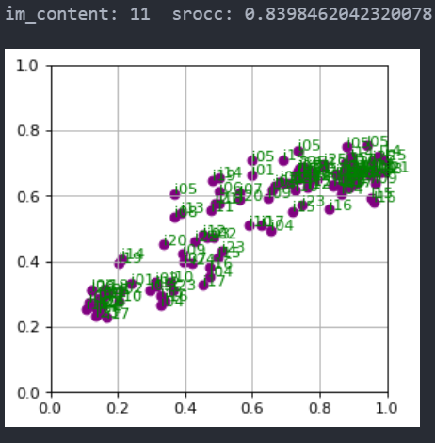
18 | 0.10517454846420714
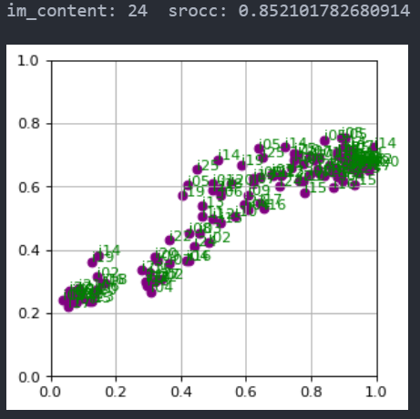
19 | 0.48757970544958945
20 | 0.6326291729954614
21 | 0.7703828643311477
22 | 0.567026525519309
23 | 0.7593019862952103
24 | 0.852101782680914

01 | 0.5712497280950755
02 | 0.4598318378796493
03 | 0.4595634861735199
04 | 0.3869537135050308
05 | 0.7868756400464284
06 | 0.5704544648073624
07 | 0.29084850139141327
08 | 0.8429938680809677
09 | 0.8613895817382112
10 | 0.5866003663912727
11 | 0.9010252011136877
12 | 0.6852922310170114
13 | 0.5066436735264719
14 | 0.2994793007692491
15 | 0.02510799985915621
16 | -0.003491117905876716
17 | 0.7774975747236536
18 | 0.09983086280434228
19 | 0.4549691602548026
20 | 0.7367652775529923
21 | 0.8214198767130727
22 | 0.5768885627980971
23 | 0.9339420464455773
24 | 0.9230688279274756

