Sheet1
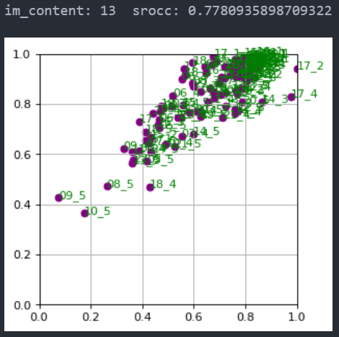
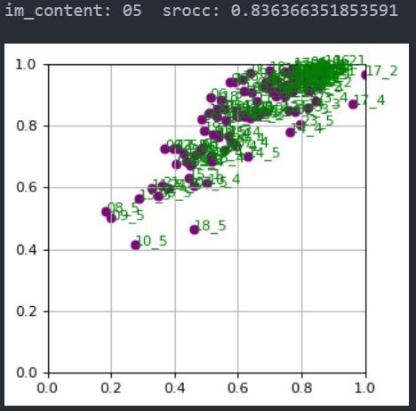

01 | 0.8501237976030942
02 | 0.9130288336307729
03 | 0.9452536433711484
04 | 0.9355656992796046
05 | 0.836366351853591
06 | 0.8782191084411431
07 | 0.9131194227125886
08 | 0.8416708202736807
09 | 0.8673765803879884
10 | 0.883131404941208
11 | 0.8846890427935157
12 | 0.9060242812622625
13 | 0.7780935898709322
14 | 0.8844782157563007
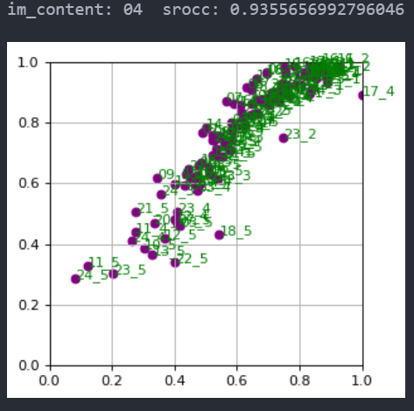
15 | 0.8496082905476499
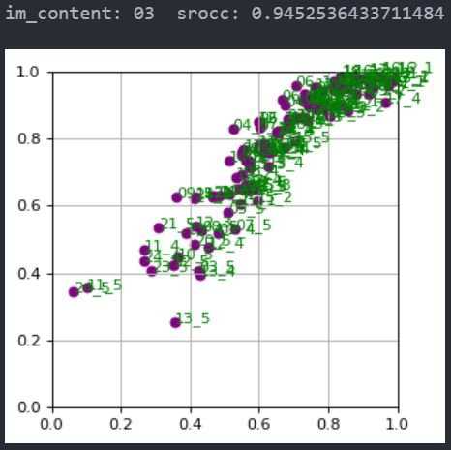
16 | 0.9141923501631749
17 | 0.8622996538351007
18 | 0.884634217071907
19 | 0.8765118714150796
20 | 0.8997633465093293
21 | 0.8669532668025219
22 | 0.8749348895784778
23 | 0.9068369140442548
24 | 0.8901239717836978
25 | 0.8333932346224109

01 | 0.879100598650342
02 | 0.9285338588147689
03 | 0.9225244319211903
04 | 0.9225516609809772
05 | 0.8668908802471462
06 | 0.9062058726695285
07 | 0.9102530008936425
08 | 0.8728757051229682
09 | 0.9001532862581005
10 | 0.9089457694268347
11 | 0.9049786764477172
12 | 0.8976070157868015
13 | 0.8506397329708318
14 | 0.9232889561398882
15 | 0.8676376269121755
16 | 0.92989665457825
17 | 0.9058106500701928
18 | 0.8887324781873753
19 | 0.905504111520711
20 | 0.9011651873677518
21 | 0.9001059255297446
22 | 0.9150073808781612
23 | 0.9213114658210353
24 | 0.9122319274886428
25 | 0.8265140066556536

