Sheet1
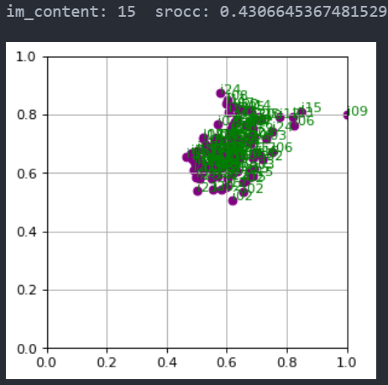
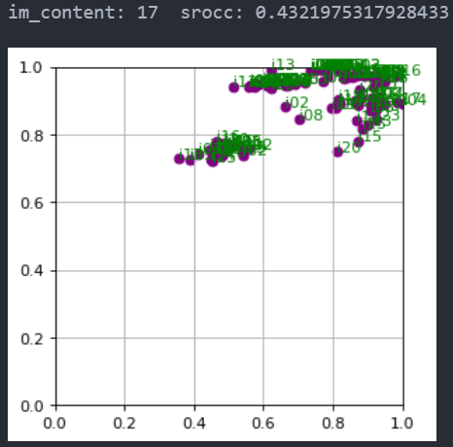
01 | 0.937919550757662
02 | 0.8570603453439875
03 | 0.9347627394383343
04 | 0.7761182567013745
05 | 0.9072785426106722
06 | 0.8643802750538496
07 | 0.8873865571994352
08 | 0.9176828051032327
09 | 0.9451235811188976
10 | 0.9503588370467156
11 | 0.9705818649916783
12 | 0.8923215882553029
13 | 0.9169440625774493
14 | 0.8139106194740054
15 | 0.43066453674815297
16 | 0.7321732506297798
17 | 0.4321975317928433
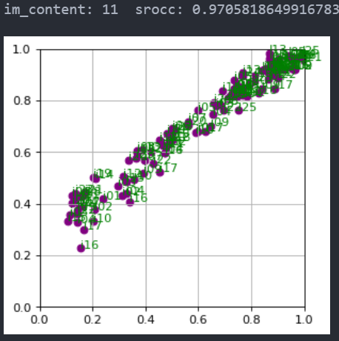
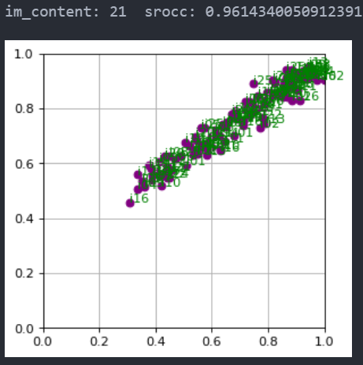
18 | 0.7475460603641041
19 | 0.8911981886929987
20 | 0.9260938759277082
21 | 0.9614340050912391
22 | 0.895652200644868
23 | 0.8489101216074001
24 | 0.9650273811911457

01 | 0.926264487599698
02 | 0.9009805032168623
03 | 0.9286104279324169
04 | 0.7549262458105059
05 | 0.9418441832302547
06 | 0.8348131887913868
07 | 0.855518482599043
08 | 0.9043575733707727
09 | 0.9685433499049491
10 | 0.9743629131430871
11 | 0.9785470269714495
12 | 0.9135205879862613
13 | 0.890066894488323
14 | 0.8362302899800037
15 | 0.4290827008927534
16 | 0.6568695289209272
17 | 0.5933757636102875
18 | 0.617400352345026
19 | 0.876262635024431
20 | 0.9568743277378268
21 | 0.9677601726485945
22 | 0.8856430921524601
23 | 0.9455817924841465
24 | 0.9792146351750621

