Sheet1
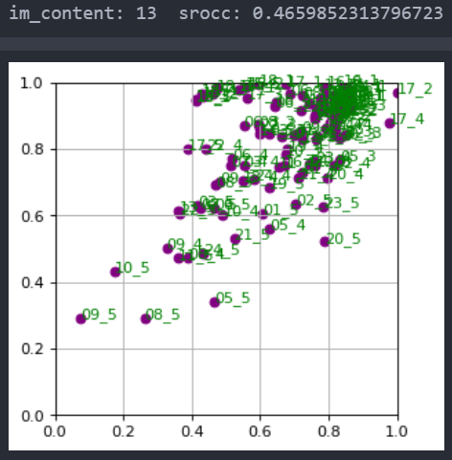
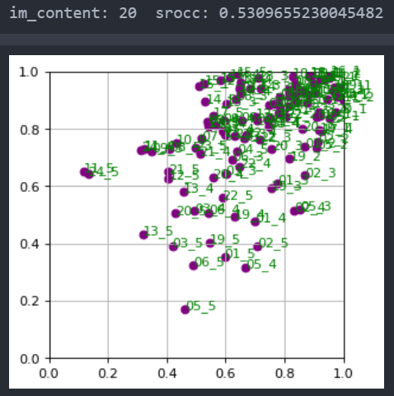

01 | 0.5480829669552905
02 | 0.6112359320913563
03 | 0.583196023393756
04 | 0.5367887199392762
05 | 0.6393663222056213
06 | 0.640230859540211
07 | 0.609507935221823
08 | 0.5728930281171177
09 | 0.5653689022907863
10 | 0.5423008408640309
11 | 0.5645658369308811
12 | 0.6382827264126166
13 | 0.4659852313796723
14 | 0.6490139369491065
15 | 0.5955522841041525
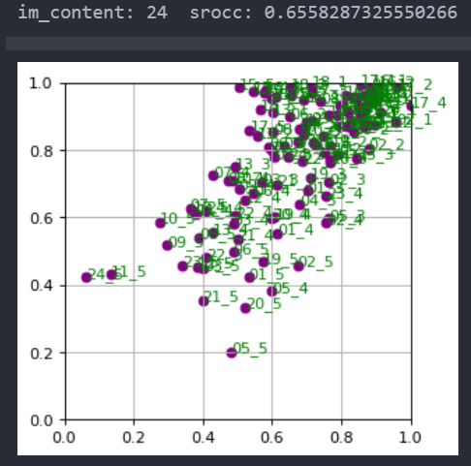
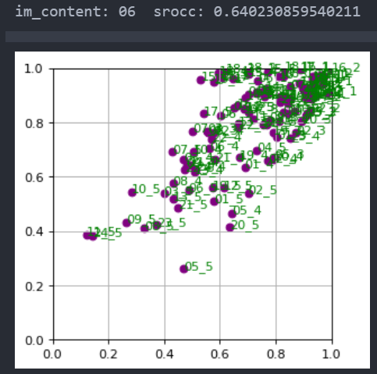
16 | 0.5613770080073531
17 | 0.5540586767211858
18 | 0.621458411046256
19 | 0.6076688280606798
20 | 0.5309655230045482
21 | 0.596380228900099
22 | 0.5752821477927763
23 | 0.5448556899852564
24 | 0.6558287325550266
25 | 0.6397094188325662

01 | 0.6624955940119529
02 | 0.6029033829636996
03 | 0.511466520086817
04 | 0.5151801601149011
05 | 0.7343283650695338
06 | 0.7308318826783362
07 | 0.6212214543443533
08 | 0.6450075507561625
09 | 0.5501899972039062
10 | 0.5532292589767029
11 | 0.6440095830253492
12 | 0.6028422697273641
13 | 0.6187288315372904
14 | 0.7242221503521615
15 | 0.571041809807458
16 | 0.5398086726143694
17 | 0.5881692981054838
18 | 0.6948761799611878
19 | 0.6556298037493785
20 | 0.49558369063479674
21 | 0.6250118758998575
22 | 0.617241704665917
23 | 0.4933437520339219
24 | 0.6934077779988843
25 | 0.6235277943642845

