Sheet1
 |  |  | deg = ref
 |  |  |  |  |  |  |  |  |  |  |  |  |  |  |  | deg = ref
 | CKDN | MOS |  |  | CKDN | MOS
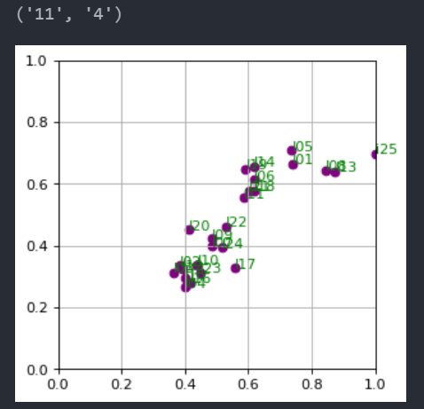
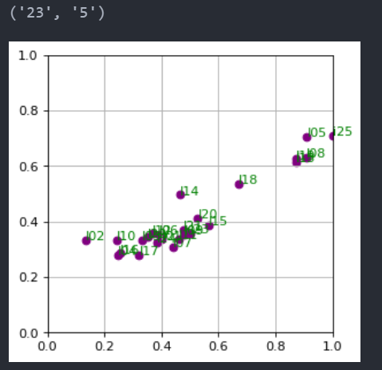
I03_01_1 | 0.66 | 5.76 |  | I05_01_1 | 0.74 | 5.52 |  |  |  |  |  | type , level
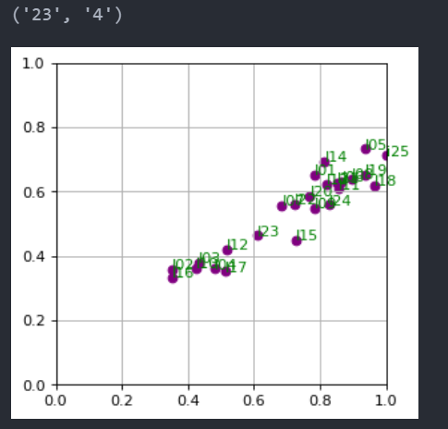
I03_01_2 | 0.63 | 5.1 |  | I05_01_2 | 0.73 | 5.5
I03_01_3 | 0.6 | 4.68 |  | I05_01_3 | 0.72 | 4.84
I03_01_4 | 0.58 | 4.25 |  | I05_01_4 | 0.7 | 4.05
I03_01_5 | 0.59 | 3.92 |  | I05_01_5 | 0.66 | 3.56

 |  |  |  |  |  |  |  |  |  | pred

I03_06_1 | 0.68 | 4.81 |  | I05_06_1 | 0.74 | 4.37
I03_06_2 | 0.67 | 4.53 |  | I05_06_2 | 0.73 | 3.92
I03_06_3 | 0.65 | 4.1 |  | I05_06_3 | 0.71 | 3.5
I03_06_4 | 0.61 | 3.75 |  | I05_06_4 | 0.68 | 3.31
I03_06_5 | 0.57 | 3.5 |  | I05_06_5 | 0.63 | 2.51

I20_01_1 | 0.64 | 5.76 |  | I14_01_1 | 0.7 | 5.89 |  |  |  |  |  |  |  | mos
I20_01_2 | 0.63 | 5.51 |  | I14_01_2 | 0.7 | 5.69
I20_01_3 | 0.62 | 4.92 |  | I14_01_3 | 0.68 | 4.77
I20_01_4 | 0.59 | 4.43 |  | I14_01_4 | 0.66 | 4.31
I20_01_5 | 0.55 | 3.78 |  | I14_01_5 | 0.63 | 3.75
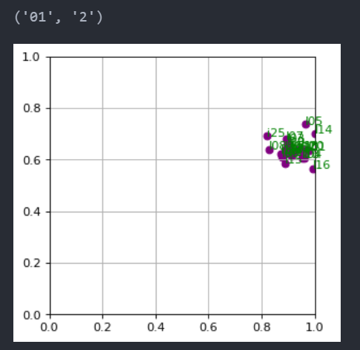
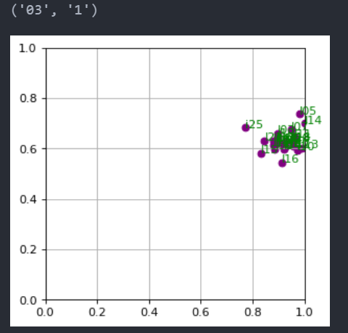
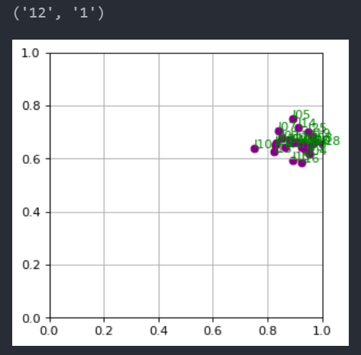

I20_06_1 | 0.63 | 4.97 |  | I14_06_1 | 0.71 | 5.08
I20_06_2 | 0.61 | 4.13 |  | I14_06_2 | 0.69 | 4.33
I20_06_3 | 0.59 | 3.94 |  | I14_06_3 | 0.68 | 4.02
I20_06_4 | 0.57 | 3.43 |  | I14_06_4 | 0.65 | 3.77
I20_06_5 | 0.54 | 3.1 |  | I14_06_5 | 0.59 | 3.16 |  |  |  | pred

 |  |  |  |  |  |  |  |  |  |  |  |  |  | mos

 |  |  |  |  |  |  |  |  |  |  | content_similar

 |  |  |  |  |  |  |  | i03_01_1 | i03_01_5 | i03_11_1 | i03_11_5 | ref03 | ref05 | ref20 | ref23
 |  |  |  |  |  | kolah | i03 | 0.821 | 0.812 | 0.82 | 0.578 | 0.824 | 0.627 | 0.632 | 0.59
 |  |  |  |  |  | havapeim | i20 | 0.831 | 0.811 | 0.83 | 0.59 | 0.834 | 0.395 | 0.409 | 0.4
 |  |  |  |  |  |  |  | i20_01_1 | i20_01_5 | i20_11_1 | i20_11_5 | ref20 | ref05 | ref03 | ref23

 |  |  |  |  |  |  |  |  |  |  |  |  |  | SHOLOQ
 |  |  |  |  |  |  |  | i05_01_1 | i05_01_5 | i05_11_1 | i05_11_5 | ref05 | ref03 | ref13 | ref14
 |  |  |  |  |  | motor | i05 | 0.839 | 0.828 | 0.841 | 0.813 | 0.841 | 0.71 | 0.67 | 0.664
 |  |  |  |  |  | QAYEQ | i14 | 0.827 | 0.805 | 0.826 | 0.768 | 0.83 | 0.65 | 0.595 | 0.56
 |  |  |  |  |  |  |  | i14_01_1 | i14_01_5 | i14_11_1 | i14_11_5 | ref14 | ref03 | ref13 | ref05

