Sheet1
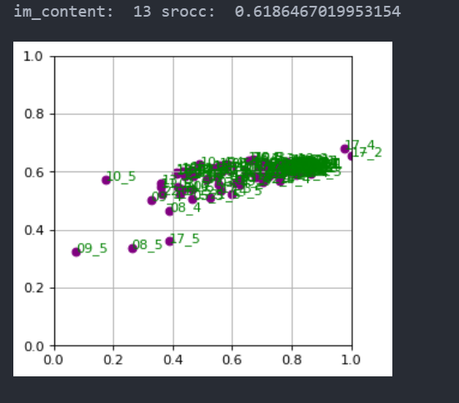
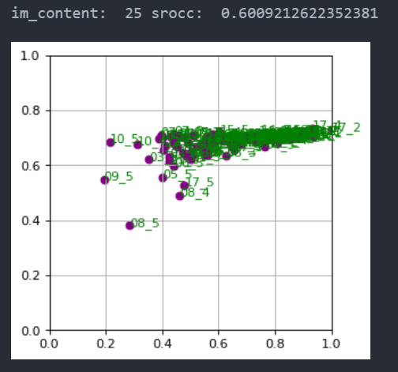
01 | 0.7053279673967057
02 | 0.6888866514962707
03 | 0.8242008381342771
04 | 0.753543270266026
05 | 0.8413043748072208
06 | 0.7761209585580752
07 | 0.818616523048011
08 | 0.7261296026787097
09 | 0.7479715738756416
10 | 0.6994301551169926
11 | 0.8148180303388088
12 | 0.8484137133713711
13 | 0.6186467019953154
14 | 0.8300024670408895
15 | 0.7503576792824558
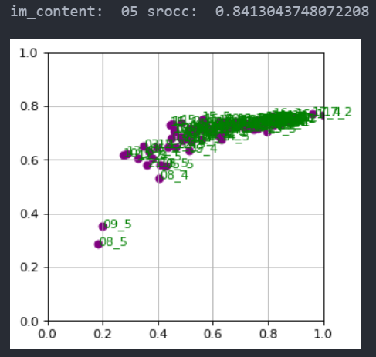
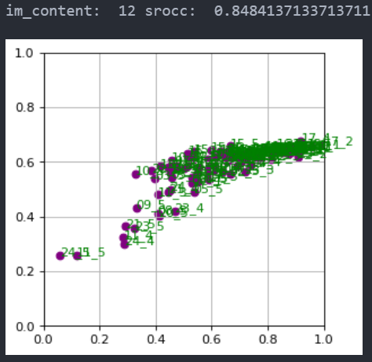
16 | 0.7952375022340683
17 | 0.7724984769146617
18 | 0.8115365787323507
19 | 0.7128877564069296
20 | 0.8341010546497769
21 | 0.821532499640073
22 | 0.8336701744791105
23 | 0.7520171128772822
24 | 0.8079973613233737 | pred
25 | 0.6009212622352381

 |  |  | mos

01 | 0.7181598655547005
02 | 0.7407872952287575
03 | 0.7795002413257839
04 | 0.746588372054015
05 | 0.7542927781264852
06 | 0.7823100366959296
07 | 0.7866769158077023
08 | 0.6608351169217592
09 | 0.754507415661138
10 | 0.7741176519398797
11 | 0.7865856633970227
12 | 0.8128086091288163
13 | 0.6857808476391678
14 | 0.7597447928231635
15 | 0.7176546424281722
16 | 0.8194138642793982
17 | 0.7670450415681176
18 | 0.7632965675024563
19 | 0.7334770570347726
20 | 0.7995324125471687
21 | 0.7579481171176534
22 | 0.8036950107991311
23 | 0.7221084654454256
24 | 0.8195806585146246
25 | 0.5598342781228962

