Sheet1
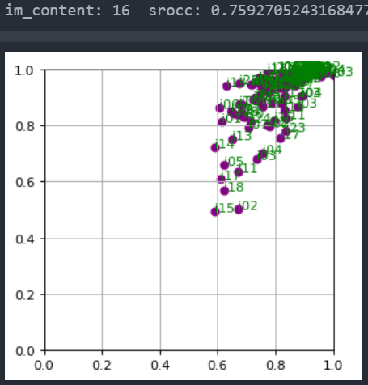
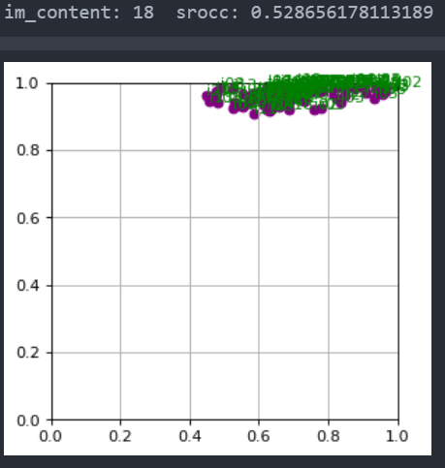

01 | 0.8250091399042255
02 | 0.7149962826950409
03 | 0.8318276848311819
04 | 0.8062784278894191
05 | 0.8316666209003692
06 | 0.8174757523302222
07 | 0.7639403492606508
08 | 0.9639320792920558
09 | 0.917716094057491
10 | 0.9137685256422765
11 | 0.9245905870490109
12 | 0.8494855559705438
13 | 0.8637393528622876
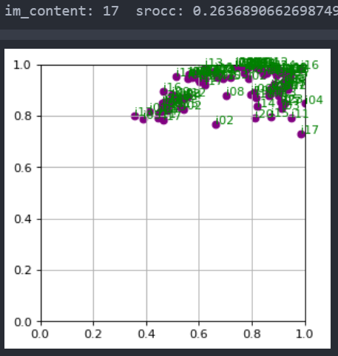
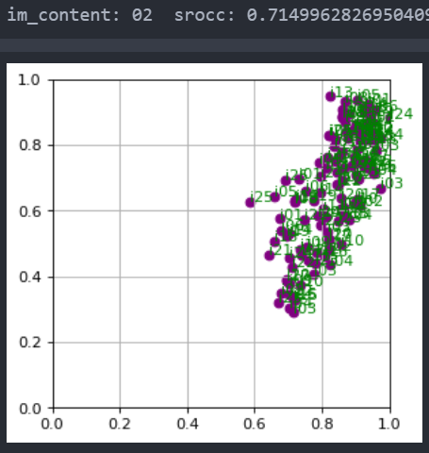
14 | 0.7609239351531089
15 | 0.6382469510523948
16 | 0.7592705243168477
17 | 0.2636890662698749
18 | 0.528656178113189
19 | 0.7509658352369228
20 | 0.8232194757676776
21 | 0.8990549750524377
22 | 0.7502196634222319
23 | 0.8732760872933114
24 | 0.9212113764586342

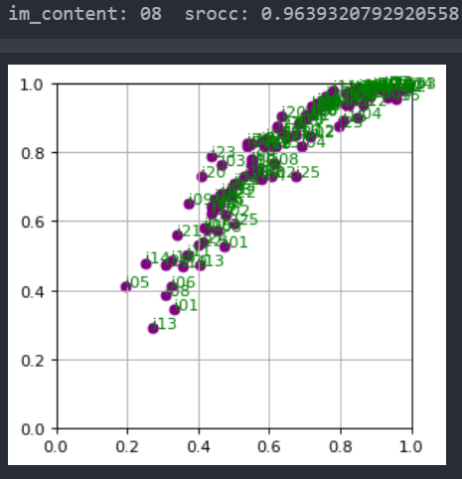
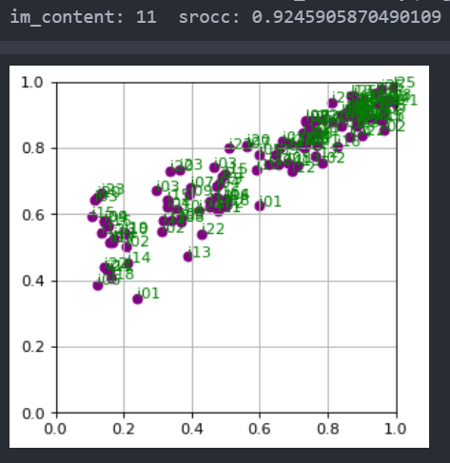

 |  | pred

 |  |  | mos

01 | 0.8132140596458535
02 | 0.7230973616793042
03 | 0.8100749297384174
04 | 0.8182246665248583
05 | 0.8547312685054103
06 | 0.7753167714970581
07 | 0.751704363048948
08 | 0.9276030730828596
09 | 0.9311411937262499
10 | 0.9317239765272076
11 | 0.9243907124914492
12 | 0.8740372633145501
13 | 0.8221850890115555
14 | 0.7460307992299108
15 | 0.6105468712007531
16 | 0.7149762481078852
17 | 0.33229205048474
18 | 0.4680329215763981
19 | 0.736324102476445
20 | 0.8498209270276876
21 | 0.8982524209363891
22 | 0.7345654767907168
23 | 0.881394572963722
24 | 0.9227374055356148

