City Overview Dasboard
S
EV Adoption VS AQI by state - is it Working ?
Annual AQI Category Breakdown
Average AQI
Max AQI
Min AQI
 | Total
Total | 136
 | Total
January | 12
February | 11
March | 10
April | 14
May | 5
June | 3
July | 7
August | 7
September | 8
October | 8
November | 10
December | 8
(blank) | 6
 | Total
Total | 335
 | Total
Total | 20
 | Average of aqi_value | EV %
Assam | 115 | 4.2952%
Chandigarh | 123 | 3.5119%
Delhi | 216 | 4.9873%
Tripura | 127 | 5.2512%
Uttar Pradesh | 160 | 3.1888%
Sikkim | 53 | 0.0281%
Nagaland | 79 | 0.0388%
Arunachal Pradesh | 60 | 0.0585%
Andaman and Nicobar Islands | 61 | 0.2866%
Meghalaya | 53 | 0.3291%
 | Total
January | 155
February | 131
March | 119
April | 116
May | 101
June | 90
July | 64
August | 66
September | 66
October | 108
November | 165
December | 156
(blank) | 134
 | Total
2015 | 32
2016 | 18
2017 | 22
2018 | 26
2019 | 17
2020 | 14
2021 | 11
2022 | 20
2023 | 17
2024 | 10
2025 | 20
 | Total
Good | 1
Moderate | 145
Poor | 77
Satisfactory | 60
Severe | 16
Very Poor | 66

Top 5 Highest AQI Cities
 | Total
Byrnihat | 246.00
Delhi | 216.96
Hajipur | 203.01
Rohtak | 200.58
Gurugram | 194.82

High EV Adoption
Low EV Adoption
EV %
Year-Round AQI Trajectory
 | Total
January | 189
February | 160
March | 173
April | 100
May | 77
June | 64
July | 49
August | 58
September | 65
October | 81
November | 167
December | 221
Pollutant Compostion Breakdown
 | Total
PM10 | 2861
PM2.5 | 2617
CO | 593
O3 | 357
PM2.5,PM10 | 327
NO2 | 122
PM2.5,O3 | 54

Top 5 Lowest AQI Cities
 | Total
perundurai | 32.14
Tirunelveli | 33.12
Madikeri | 39.35
Palkalaiperur | 39.62
Ramanathapuram | 43.83
Row Labels | Avg AQI (Last 6 months)
Madikeri | 39.35
Palkalaiperur | 39.62
Perundurai | 32.14
Ramanathapuram | 43.83
Tirunelveli | 33.12
Grand Total | 38.87

Health Impact Dasboard
Fleet Composition & Fuel Distribution
Regional Air Quality & Pollution Risk Index
Average AQI
Total Cases
Min AQI
Total Deaths
 | Total
MOTOR CAR | 39.25%
GOODS CARRIER | 21.67%
M-CYCLE/SCOOTER | 20.81%
MOPED | 9.67%
AGRICULTURAL TRACTOR | 8.61%
 | Total
January | 155
February | 131
March | 119
April | 116
May | 101
June | 90
July | 64
August | 66
September | 66
October | 108
November | 165
December | 156
(blank) | 134
 | Total
Total | 110274
 | Total
Total | 748
 | Total
Total | 1.68%
Fatality Rate
 | Total
1 | 14064
2 | 11271
3 | 16596
4 | 15593
5 | 19735
6 | 22127
7 | 17957
8 | 17583
9 | 23043
10 | 23651
11 | 19895
12 | 18117
13 | 18303
14 | 22449
15 | 12729
16 | 20778
17 | 20204
18 | 17748
19 | 21931
20 | 23172
21 | 24924
22 | 26902
23 | 28597
24 | 26155
25 | 36008
26 | 31547
27 | 97888
28 | 36267
29 | 37965
30 | 36128
31 | 30318
32 | 34166
33 | 43594
34 | 39390
35 | 52100
36 | 52451
37 | 56565
38 | 46566
39 | 51182
40 | 47632
41 | 57488
42 | 51522
43 | 54765
44 | 26088
45 | 50331
46 | 38193
47 | 23808
48 | 29271
49 | 51373
50 | 33438
...
 | Total
January | 12
February | 11
March | 10
April | 14
May | 5
June | 3
July | 7
August | 7
September | 8
October | 8
November | 10
December | 8
(blank) | 6
 | Total
1 | 62
2 | 57
3 | 76
4 | 56
5 | 71
6 | 58
7 | 62
8 | 466
9 | 71
10 | 84
11 | 200
12 | 98
13 | 217
14 | 70
15 | 94
16 | 92
17 | 99
18 | 89
19 | 100
20 | 148
21 | 118
22 | 143
23 | 368
24 | 544
25 | 693
26 | 375
27 | 618
28 | 378
29 | 1208
30 | 404
31 | 394
32 | 986
33 | 292
34 | 938
35 | 1027
36 | 1522
37 | 2005
38 | 1551
39 | 1487
40 | 1487
41 | 1427
42 | 1630
43 | 1156
44 | 274
45 | 1603
46 | 1544
47 | 153
48 | 57
49 | 104
50 | 1129
...
 | Total
1 | 0.44%
2 | 0.51%
3 | 0.46%
4 | 0.36%
5 | 0.36%
6 | 0.26%
7 | 0.35%
8 | 2.65%
9 | 0.31%
10 | 0.36%
11 | 1.01%
12 | 0.54%
13 | 1.19%
14 | 0.31%
15 | 0.74%
16 | 0.44%
17 | 0.49%
18 | 0.50%
19 | 0.46%
20 | 0.64%
21 | 0.47%
22 | 0.53%
23 | 1.29%
24 | 2.08%
25 | 1.92%
26 | 1.19%
27 | 0.63%
28 | 1.04%
29 | 3.18%
30 | 1.12%
31 | 1.30%
32 | 2.89%
33 | 0.67%
34 | 2.38%
35 | 1.97%
36 | 2.90%
37 | 3.54%
38 | 3.33%
39 | 2.91%
40 | 3.12%
41 | 2.48%
42 | 3.16%
43 | 2.11%
44 | 1.05%
45 | 3.18%
46 | 4.04%
47 | 0.64%
48 | 0.19%
49 | 0.20%
50 | 3.38%
...
116
 | Total
DIESEL | 12.31%
ELECTRIC(BOV) | 2.15%
PETROL | 85.54%
LY: 114 ▲
22

Leading Health Concerns by Selected state
Top 5 Health Concern Nationwide

 | Total
Acute Diarrheal Disease | 88
Food Poisoning | 37
 | Total
Hepatitis A | 6334
Dengue | 7947
Cholera | 10707
Food Poisoning | 18737
Acute Diarrheal Disease | 42816

State High Concern Low Concern AQI
Andhra Pradesh
Karnataka
Keralam
Tamil Nadu
Telegana
PM 10, S02
N02,S02
78

PM 10,PM 2.5
C0,S02
63
PM 10,PM 2.5
SO2,NO2
68
N02,PM 2.5
PB,NH3
66
Row Labels | Avg AQI (Last 6 months)
Madikeri | 39.35
Palkalaiperur | 39.62
Perundurai | 32.14
PM 10,PM 2.5
PB,S02
83
Ramanathapuram | 43.83
Tirunelveli | 33.12
Air Pollution causes approximately 2.18 Million deaths every Year in India but we dont have enough data points to visualise it here
🔗
Grand Total | 38.87

Market Research Dashboard
S
Product Breakdown : Filter Technology
Source : Industry Market Research & Sector Analysis
Market Priortization & Tier Mapping
Market Size projections (IMARC Analysis)
HEPA Filters | 45%
Activated Carbon Filters | 20%
Hybrid/Multi-stage Systems | 17%
UV-C Light Systems | 10%
Ioziners & others | 8%
Average AQI
Min AQI
 | Total
January | 155
February | 131
March | 119
April | 116
May | 101
June | 90
July | 64
August | 66
September | 66
October | 108
November | 165
December | 156
(blank) | 134
Premium/Flagship
Mid-range
Budget/Entry level
 | Market Size (USD Million)
2025 | $579.06
2026 | $657.40
2027 | $746.39
2028 | $847.36
2029 | $962.00
2030 | $1,092.26
2031 | $1,240.08
2032 | $1,407.82
2033 | $1,598.43
2034 | $1,815.20
 | Total
January | 12
February | 11
March | 10
April | 14
May | 5
June | 3
July | 7
August | 7
September | 8
October | 8
November | 10
December | 8
(blank) | 6
116
 | AQI Score
0.16 | 1.00
0.51 | 0.11
0.89 | 0.16
0.00 | 0.05
1.00 | 0.04
0.24 | 0.60
0.18 | 0.09
0.10 | 0.26
0.15 | 0.04
0.02 | 0.00
LY: 114 ▲
22

Top 10 cities by Market potential (AQI x Income x Population)
 | Ranking score
Loni Ghaziabad | 2.13
Delhi | 1.35
Gurgaon | 1.28
Darbhanga | 1.05
Greater Noida | 1.04
Jharsuguda | 0.96
Ghaziabad | 0.78
Byrnihat | 0.43
Bhiwadi | 0.39
Begusarai | 0.10
Source : Industry Market Research & Sector Analysis
Google trends : Annual Demand Seasonality
Sales Channel Preference
 | air purifier
8/3/2025 | 5
8/10/2025 | 6
8/17/2025 | 5
8/24/2025 | 5
8/31/2025 | 5
9/7/2025 | 5
9/14/2025 | 5
9/21/2025 | 7
9/28/2025 | 7
10/5/2025 | 8
10/12/2025 | 12
10/19/2025 | 28
10/26/2025 | 24
11/2/2025 | 65
11/9/2025 | 100
11/16/2025 | 75
11/23/2025 | 79
11/30/2025 | 48
12/7/2025 | 31
12/14/2025 | 62
12/21/2025 | 33
12/28/2025 | 26
1/4/2026 | 21
1/11/2026 | 16
1/18/2026 | 16
1/25/2026 | 12
2/1/2026 | 12
2/8/2026 | 13
2/15/2026 | 13
2/22/2026 | 13
3/1/2026 | 11
3/8/2026 | 12
3/15/2026 | 9
3/22/2026 | 10
3/29/2026 | 9
4/5/2026 | 8
4/12/2026 | 9
4/19/2026 | 8
4/26/2026 | 9
5/3/2026 | 9
5/10/2026 | 9
5/17/2026 | 7
5/24/2026 | 8
5/31/2026 | 8
6/7/2026 | 7
6/14/2026 | 6
6/21/2026 | 6
6/28/2026 | 8
7/5/2026 | 7
7/12/2026 | 6
...
 | Distribution
Online E-commerce | 52%
Offline Retail | 38%
Insitutional B2B | 7%
Direct to consumer | 3%

Row Labels | Avg AQI (Last 6 months)
Madikeri | 39.35
Palkalaiperur | 39.62
Perundurai | 32.14
Ramanathapuram | 43.83
Source : Industry Market Research & Sector Analysis
Tirunelveli | 33.12
Grand Total | 38.87

Competitor Feature Gap Matrix
S

Average AQI
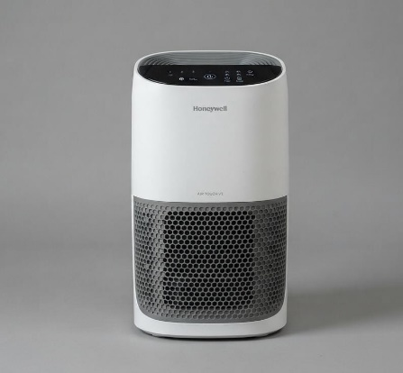
Min AQI
 | Total
January | 155
February | 131
March | 119
April | 116
May | 101
June | 90
July | 64
August | 66
September | 66
October | 108
November | 165
December | 156
(blank) | 134
Basic Info
Price - 5000
3-Layer pre-filter,True HEPA,Activated carbon
Coverage - 235 sqft
Features
CADR 152 m3/hr
3 Air-purifying speed
Filter Change indicator
Features Gap
PM 2.5 Sensor, AQI display ❌
Auto-mode (Sensor controlled) ❌
UV-C Light ❌

 | Total
January | 12
February | 11
March | 10
April | 14
May | 5
June | 3
July | 7
August | 7
September | 8
October | 8
November | 10
December | 8
(blank) | 6
116
LY: 114 ▲
22

Honeywell Air touch V1

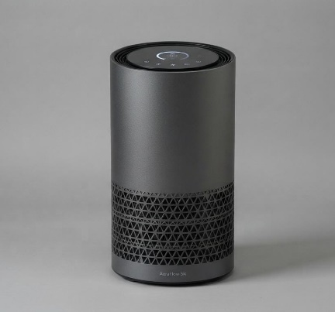
Basic Info
Price - 5000
3-Layer pre-filter,True HEPA,Activated carbon
Coverage - 240 sqft
Features
CADR 152 m3/hr
3 Air-purifying speed, Night mode
Filter Change indicator
Features Gap
PM 2.5 Sensor, AQI display ✔️
Auto-mode (Sensor controlled) ✔️
UV-C Light ✔️

Row Labels | Avg AQI (Last 6 months)
Madikeri | 39.35
Palkalaiperur | 39.62
Air pure 1
Perundurai | 32.14
View BOM
Ramanathapuram | 43.83
Tirunelveli | 33.12
Grand Total | 38.87

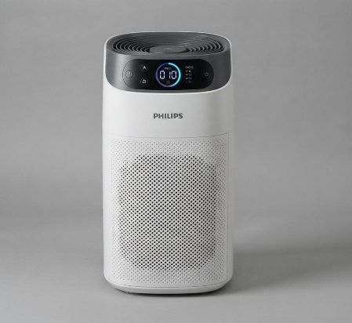
Basic Info
Price - 10,000
pre-filter, True HEPA,Carbon
Coverage - 345 sqft
Features
CADR 270 m3/hr
5 Air-purifying speed
Air-Quality display with normal sensor
Smart Sensor
Features Gap
Formaldehyde sensor ❌
Aroma scent diffuse❌
Remote controlled❌

Philips AC1215|20

Features Gap
Formaldehyde sensor ✔️
Aroma scent diffuse ✔️
Remote controlled ✔️
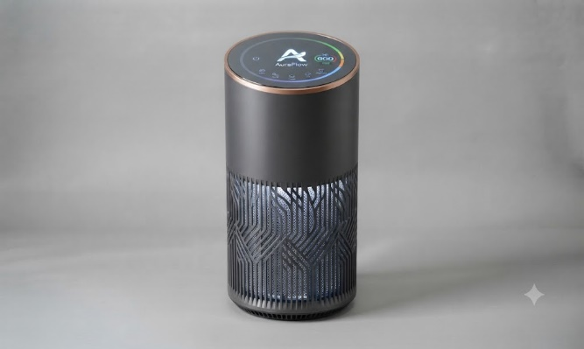
Basic Info
Price - 9,999
3-Layer pre-filter,True HEPA, UV-C,Carbon
Coverage - 350 sqft
Features
CADR 330 m3/hr
5 Air-purifying speed, Sleep mode,Auto mode
Filter Change indicator
AQI Display
Light Sensor (Auto brightness)

Air pure 2

View BOM

Features
CADR 400 m3/hr
AQI Sensor displayed by four LED Lamp
Smart Auto Speed
Filter Life Alert
Features Gap
Formaldehyde sensor ❌
Aroma scent diffuse❌
Ambient Light Sensor ❌
Smart Filter % Tracking ❌
Noise Control ❌
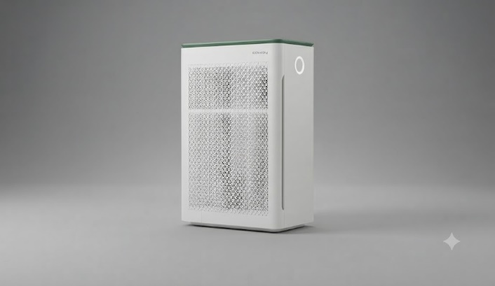
Basic Info
Price - 20,000
pre-filter, True HEPA,Carbon
Coverage - 355 sqft

Coway Air Mega 150

Features
CADR 500 m3/hr
6 Air-purifying speed,Sleep Mode,Auto Mode
Touch screen AQI Display
App control and Voice Control
Features Gap
Formaldehyde sensor ✔️
Aroma scent diffuse ✔️
Ambient Light Sensor ✔️
Smart Filter % Tracking ✔️
Noise Control ✔️
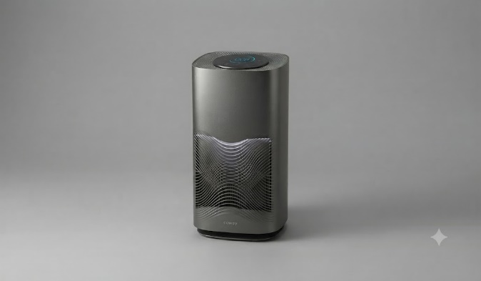
Basic Info
Price - 18,999
3-Layer pre-filter,True HEPA, UV-C,Carbon
Coverage - 550 sqft

Air pure 3

View BOM

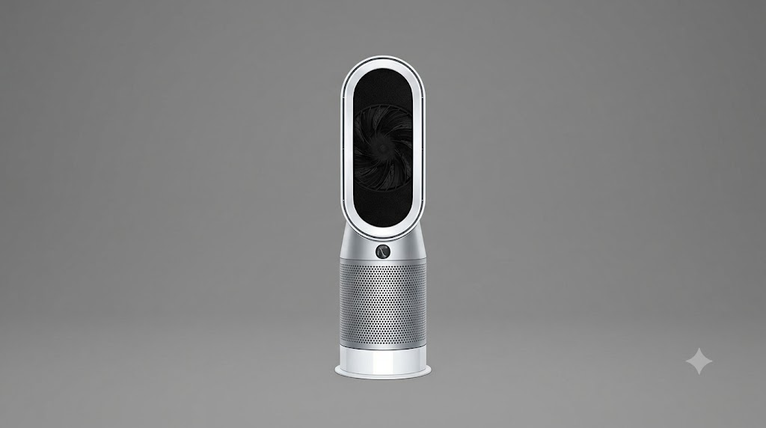
Features
CADR 470 m3/hr
LCD Display
Fully Automated
Air Multiplier Technology
Hot or Cool Air
Remote Control
Features Gap
Optimised Air Circulation
(dual vent) ❌
Push Notification Via App❌
Switches to High Sensitivity during Pollen Spikes ❌

Basic Info
Price - 45,000
pre-filter, 360° Glass HEPA,Carbon
Coverage - 872 sqft

Dyson GEN1 HP10

Features
CADR 550 m3/hr
OLED Touch screen,AQI Trends
Smart Modes,AI Pattern Learning
Remote,App,Voice
Historical AQI Graph
Features Gap
Optimised Air Circulation
(dual vent) ✔️
Push Notification Via App✔️
Switches to High Sensitivity during Pollen Spikes ✔️
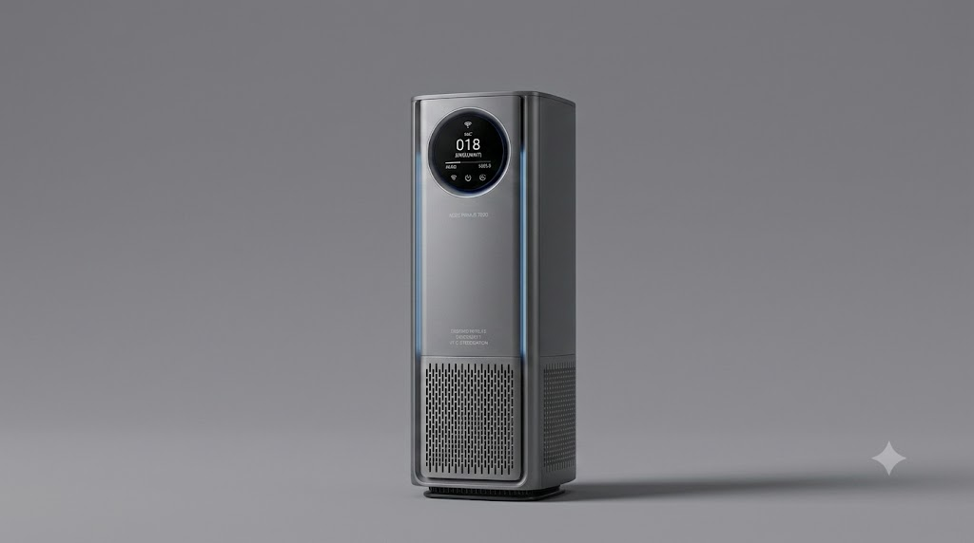
Basic Info
Price - 43,999
pre-filter, 360° Glass HEPA,Carbon
Coverage - 890 sqft

Air Pure 6 Ultra

View BOM

Sheet1
 | Row Labels | Avg AQI (Last 6 months)
 | Byrnihat | 246.00
 | Delhi | 216.96
 | Hajipur | 203.01
 | Rohtak | 200.58 |  |  |  |  | year | 2025
 | Gurugram | 194.82
 |  |  |  |  |  |  | Row Labels | Avg AQI (Last 6 months)
 |  |  |  |  |  |  | Ramanathapuram | 43.52
 |  |  |  |  |  |  | Madikeri | 40.22
 |  |  |  |  |  |  | Palkalaiperur | 39.76
 |  |  |  |  |  |  | Tirunelveli | 33.31
 | Row Labels | Avg AQI (Last 6 months) |  |  |  |  | Perundurai | 32.14
 | perundurai | 32.14
 | Tirunelveli | 33.12
 | Madikeri | 39.35
 | Palkalaiperur | 39.62
 | Ramanathapuram | 43.83
 | Grand Total | 38.87

 |  |  |  |  |  |  | year | 2025
 | Current_AQI_Value | LY_Comparion |  |  |  |  | state | Maharashtra
 | 119 | LY: 114 ▲
 |  |  |  |  |  |  | MAX_Air_quality
 | Row Labels | Current_AQI_Value |  |  |  |  | 335
 | January | 155
 | February | 131
 | March | 119
 | April | 116
 | May | 101
 | June | 90
 | July | 64
 | August | 66
 | September | 66
 | October | 108
 | November | 165 |  |  |  |  | Row Labels | MAX_Air_quality
 | December | 156 |  |  |  |  | 2021 | 500
 | (blank) | 134 |  |  |  |  | 2022 | 500
 | Grand Total | 119 |  |  |  |  | 2023 | 500
 |  |  |  |  |  |  | 2024 | 500
 |  |  |  |  |  |  | 2025 | 422
 |  |  |  |  |  |  | (blank) | 500
 |  |  |  |  |  |  | Grand Total | 500
 | Row Labels | MIn_AQI
 | January | 12
 | February | 11
 | March | 10
 | April | 14
 | May | 5
 | June | 3
 | July | 7
 | August | 7
 | September | 8
 | October | 8
 | November | 10
 | December | 8
 | (blank) | 6
 | Grand Total | 3

 | Row Labels | Average of aqi_value
 | 2015 | 157
 | 2016 | 157
 | 2017 | 152
 | 2018 | 147
 | 2019 | 136
 | 2020 | 114
 | 2021 | 121
 | 2022 | 122
 | 2023 | 115
 | 2024 | 106
 | 2025 | 103
 | Grand Total | 119

 | Row Labels | Sum of Is EV ? | Sum of value | EV %
 | Bihar | 319603 | 11922814 | 2.68%
 | Delhi | 350339 | 7024635 | 4.99% |  |  | year | 2025
 | Gujarat | 230101 | 17849027 | 1.29% |  |  | state | Maharashtra
 | Maharashtra | 561986 | 26821985 | 2.10%
 | Uttar Pradesh | 1079972 | 33867384 | 3.19% |  |  | Min_Air_quality
 | West Bengal | 119213 | 11336343 | 1.05% |  |  | 20
 | Grand Total | 2661214 | 108822188 | 2.45%

 |  |  |  |  |  |  | state | Maharashtra

 |  |  |  |  |  |  | Row Labels | Min_Air_quality
 |  |  |  |  |  |  | 2015 | 32
 |  |  |  |  |  |  | 2016 | 18
 |  |  |  |  |  |  | 2017 | 22
 |  |  |  |  |  |  | 2018 | 26
 |  |  |  |  |  |  | 2019 | 17
 |  |  |  |  |  |  | 2020 | 14
 |  |  |  |  |  |  | 2021 | 11
 |  |  |  |  |  |  | 2022 | 20
 |  |  |  |  |  |  | 2023 | 17
 |  |  |  |  |  |  | 2024 | 10
 |  |  |  |  |  |  | 2025 | 20
 |  |  |  |  |  |  | Grand Total | 10

 | state | Bihar
 | year | 2023

 | Row Labels | Count of date
 | PM10 | 2861
 | PM2.5 | 2617
 | CO | 593
 | O3 | 357
 | PM2.5,PM10 | 327
 | NO2 | 122
 | PM2.5,O3 | 54
 | Grand Total | 6931

 | year | 2024

 | Total cases
 | 110274

 | Row Labels | Total cases
 | 1 | 14064
 | 2 | 11271
 | 3 | 16596
 | 4 | 15593
 | 5 | 19735
 | 6 | 22127
 | 7 | 17957
 | 8 | 17583
 | 9 | 23043
 | 10 | 23651
 | 11 | 19895
 | 12 | 18117
 | 13 | 18303
 | 14 | 22449
 | 15 | 12729
 | 16 | 20778
 | 17 | 20204
 | 18 | 17748
 | 19 | 21931
 | 20 | 23172
 | 21 | 24924
 | 22 | 26902
 | 23 | 28597
 | 24 | 26155
 | 25 | 36008
 | 26 | 31547
 | 27 | 97888
 | 28 | 36267
 | 29 | 37965
 | 30 | 36128
 | 31 | 30318
 | 32 | 34166
 | 33 | 43594
 | 34 | 39390
 | 35 | 52100
 | 36 | 52451
 | 37 | 56565
 | 38 | 46566
 | 39 | 51182
 | 40 | 47632
 | 41 | 57488
 | 42 | 51522
 | 43 | 54765
 | 44 | 26088
 | 45 | 50331
 | 46 | 38193
 | 47 | 23808
 | 48 | 29271
 | 49 | 51373
 | 50 | 33438
 | 51 | 23239
 | 52 | 9739
 | 53 | 1572
 | Grand Total | 1664118

 | year | 2024

 | Sum of deaths
 | 748

 | Row Labels | Sum of deaths
 | 1 | 62
 | 2 | 57
 | 3 | 76
 | 4 | 56
 | 5 | 71
 | 6 | 58
 | 7 | 62
 | 8 | 466
 | 9 | 71
 | 10 | 84
 | 11 | 200
 | 12 | 98
 | 13 | 217
 | 14 | 70
 | 15 | 94
 | 16 | 92
 | 17 | 99
 | 18 | 89
 | 19 | 100
 | 20 | 148
 | 21 | 118
 | 22 | 143
 | 23 | 368
 | 24 | 544
 | 25 | 693
 | 26 | 375
 | 27 | 618
 | 28 | 378
 | 29 | 1208
 | 30 | 404
 | 31 | 394
 | 32 | 986
 | 33 | 292
 | 34 | 938
 | 35 | 1027
 | 36 | 1522
 | 37 | 2005
 | 38 | 1551
 | 39 | 1487
 | 40 | 1487
 | 41 | 1427
 | 42 | 1630
 | 43 | 1156
 | 44 | 274
 | 45 | 1603
 | 46 | 1544
 | 47 | 153
 | 48 | 57
 | 49 | 104
 | 50 | 1129
 | 51 | 73
 | 52 | 37
 | 53 | 8
 | Grand Total | 28003

 | year | All

 | Fatality Rate %
 | 1.68%

 | Row Labels | Fatality Rate %
 | 1 | 0.44%
 | 2 | 0.51%
 | 3 | 0.46%
 | 4 | 0.36%
 | 5 | 0.36%
 | 6 | 0.26%
 | 7 | 0.35%
 | 8 | 2.65%
 | 9 | 0.31%
 | 10 | 0.36%
 | 11 | 1.01%
 | 12 | 0.54%
 | 13 | 1.19%
 | 14 | 0.31%
 | 15 | 0.74%
 | 16 | 0.44%
 | 17 | 0.49%
 | 18 | 0.50%
 | 19 | 0.46%
 | 20 | 0.64%
 | 21 | 0.47%
 | 22 | 0.53%
 | 23 | 1.29%
 | 24 | 2.08%
 | 25 | 1.92%
 | 26 | 1.19%
 | 27 | 0.63%
 | 28 | 1.04%
 | 29 | 3.18%
 | 30 | 1.12%
 | 31 | 1.30%
 | 32 | 2.89%
 | 33 | 0.67%
 | 34 | 2.38%
 | 35 | 1.97%
 | 36 | 2.90%
 | 37 | 3.54%
 | 38 | 3.33%
 | 39 | 2.91%
 | 40 | 3.12%
 | 41 | 2.48%
 | 42 | 3.16%
 | 43 | 2.11%
 | 44 | 1.05%
 | 45 | 3.18%
 | 46 | 4.04%
 | 47 | 0.64%
 | 48 | 0.19%
 | 49 | 0.20%
 | 50 | 3.38%
 | 51 | 0.31%
 | 52 | 0.38%
 | 53 | 0.51%
 | Grand Total | 1.68%

 | state | Uttar Pradesh

 | Row Labels | Cases_reported
 | Acute Diarrheal Disease | 88
 | Food Poisoning | 37

 | Row Labels | Sum of cases
 | 2021 | 33754
 | 2022 | 33826
 | 2024 | 110274
 | Grand Total | 177854

 | year | All

 | Risk_Area
 | 116

Row Labels | AQI | Cases | Deaths | Fatality % | Risk Zones
Andaman and Nicobar Islands | 61 | 281 | 0 | 0.00% | 0
Andhra Pradesh | 81 | 36283 | 193 | 0.53% | 2
Arunachal Pradesh | 60 | 26161 | 86 | 0.33% | 0
Assam | 115 | 62678 | 2440 | 3.89% | 2
Bihar | 166 | 58058 | 1718 | 2.96% | 23
Chandigarh | 123 | 5896 | 0 | 0.00% | 1
Chhattisgarh | 78 | 40351 | 410 | 1.02% | 0
Dadra and Nagar haveli |  | 1476 | 1 | 0.07% | 0
Delhi | 216 | 83370 | 215 | 0.26% | 1
Gujarat | 118 | 77566 | 1634 | 2.11% | 1
Haryana | 152 | 21363 | 156 | 0.73% | 24
Himachal Pradesh | 160 | 17883 | 23 | 0.13% | 1
Jammu and Kashmir | 81 | 36642 | 491 | 1.34% | 0
Jharkhand | 147 | 50174 | 138 | 0.28% | 2
Karnataka | 64 | 129723 | 1386 | 1.07% | 4
Kerala | 68 | 82814 | 1107 | 1.34% | 1
Lakshadweep |  | 216 | 0 | 0.00% | 0
Madhya Pradesh | 113 | 84248 | 2825 | 3.35% | 4
Maharashtra | 104 | 226312 | 11634 | 5.14% | 6
Manipur | 101 | 6977 | 173 | 2.48% | 1
Meghalaya | 53 | 6284 | 119 | 1.89% | 1
Mizoram | 45 | 3749 | 13 | 0.35% | 0
Nagaland | 79 | 3370 | 39 | 1.16% | 0
Odisha | 124 | 55409 | 1057 | 1.91% | 2
Puducherry | 56 | 17580 | 11 | 0.06% | 0
Punjab | 115 | 24648 | 133 | 0.54% | 7
Rajasthan | 131 | 49981 | 312 | 0.62% | 11
Sikkim | 53 | 1331 | 4 | 0.30% | 0
Tamil Nadu | 70 | 50370 | 187 | 0.37% | 0
Tripura | 127 | 26863 | 253 | 0.94% | 0
Uttar Pradesh | 160 | 89703 | 583 | 0.65% | 16
Uttarakhand | 87 | 13386 | 99 | 0.74% | 0
West Bengal | 118 | 243847 | 436 | 0.18% | 5
(blank) | 90 | 29125 | 127 | 0.44% | 1
Grand Total | 119 | 1664118 | 28003 | 1.68% | 116

year | 2024

Row Labels | Sum of cases
Hepatitis A | 6334
Dengue | 7947
Cholera | 10707
Food Poisoning | 18737
Acute Diarrheal Disease | 42816

 | Row Labels | Value
 | DIESEL | 12.31%
 | ELECTRIC(BOV) | 2.15%
 | PETROL | 85.54%

 |  | Row Labels | Count of value
 |  | MOTOR CAR | 39.25%
 |  | GOODS CARRIER | 21.67%
 |  | M-CYCLE/SCOOTER | 20.81%
 |  | MOPED | 9.67%
 |  | AGRICULTURAL TRACTOR | 8.61%
 |  | Grand Total | 100.00%

 | Year | 2024
 | state | Bihar

 | Average of aqi_value
 | 136

 | state | Bihar
 | Year | 2025

 | Min_AQI
 | 22

 |  |  | City | Ranking score
 |  |  | Loni Ghaziabad | 2.13
 |  |  | Delhi | 1.35
 |  |  | Gurgaon | 1.28
 |  |  | Darbhanga | 1.05
 |  |  | Greater Noida | 1.04
 |  |  | Jharsuguda | 0.96
 |  |  | Ghaziabad | 0.78
 |  |  | Byrnihat | 0.43
 |  |  | Bhiwadi | 0.39
 |  |  | Begusarai | 0.10

 |  |  |  | City | Population score | Income score | AQI Score
 |  |  |  | Loni Ghaziabad | 0.98 | 0.16 | 1
 |  |  |  | Delhi | 0.73 | 0.51 | 0.11
 |  |  |  | Gurgaon | 0.23 | 0.89 | 0.16
 |  |  |  | Darbhanga | 1 | 0 | 0.05
 |  |  |  | Greater Noida | 0 | 1 | 0.04
 |  |  |  | Jharsuguda | 0.13 | 0.24 | 0.60
 |  |  |  | Ghaziabad | 0.50 | 0.18 | 0.09
 |  |  |  | Byrnihat | 0.08 | 0.10 | 0.26
 |  |  |  | Bhiwadi | 0.21 | 0.15 | 0.04
 |  |  |  | Begusarai | 0.08 | 0.02 | 0

 | Channel | Distribution
 | Online E-commerce | 52%
 | Offline Retail | 38%
 | Insitutional B2B | 7%
 | Direct to consumer | 3%

 | Features | Popularity
 | HEPA Filters | 45%
 | Activated Carbon Filters | 20%
 | Hybrid/Multi-stage Systems | 17%
 | UV-C Light Systems | 10%
 | Ioziners & others | 8%

 | Year | Market Size (USD Million)
 | 2025 | $579.06
 | 2026 | $657.40
 | 2027 | $746.39
 | 2028 | $847.36
 | 2029 | $962.00
 | 2030 | $1,092.26
 | 2031 | $1,240.08
 | 2032 | $1,407.82
 | 2033 | $1,598.43
 | 2034 | $1,815.20

 |  | state | Karnataka
 |  | Year | All

 |  | Risk_Area
 |  | 4

 | state | All

 | Row Labels | Risk_Area
 | 2021 | 46
 | 2022 | 53
 | 2023 | 46
 | 2024 | 25
 | 2025 | 1
 | Grand Total | 86

 | Row Labels | Count of aqi_value
 | Good | 2
 | Moderate | 393
 | Poor | 115
 | Satisfactory | 45
 | Severe | 1
 | Very Poor | 22
 | Grand Total | 578

 | area | Delhi
 | Year | 2023

 | Row Labels | Distinct Count of date
 | Good | 1
 | Moderate | 145
 | Poor | 77
 | Satisfactory | 60
 | Severe | 16
 | Very Poor | 66
 | Grand Total | 365

Sheet3
year | 2022
state | West Bengal

Row Labels | Average of aqi_value
January | 189
February | 160
March | 173
April | 100
May | 77
June | 64
July | 49
August | 58
September | 65
October | 81
November | 167
December | 221

 | State Name | Jan | Feb | Mar | Apr | May | Jun | Jul | Aug | Sep | Oct | Nov | Dec
 | Andhra Pradesh | 123.79 | 98.84 | 80.59 | 69.88 | 70.40 | 66.09 | 53.42 | 56.61 | 56.70 | 80.45 | 95.63 | 116.14
 | Bihar | 259.21 | 204.08 | 170.23 | 160.34 | 121.33 | 115.07 | 76.58 | 77.64 | 80.04 | 129.37 | 241.93 | 267.78
 | Haryana | 191.77 | 159.29 | 130.03 | 146.46 | 154.49 | 135.87 | 86.82 | 76.41 | 86.37 | 174.90 | 252.64 | 215.40
 | Karnataka | 78.42 | 80.18 | 79.04 | 70.03 | 58.39 | 49.44 | 44.18 | 46.59 | 44.85 | 62.40 | 72.94 | 75.33
 | Madhya Pradesh | 150.35 | 127.38 | 118.06 | 123.88 | 110.24 | 85.15 | 58.43 | 57.43 | 63.50 | 117.97 | 169.15 | 158.53
 | Maharashtra | 145.19 | 133.08 | 126.74 | 104.25 | 90.18 | 69.31 | 54.22 | 55.77 | 61.74 | 104.46 | 148.52 | 143.33
 | Odisha | 192.23 | 148.82 | 141.50 | 129.29 | 93.86 | 90.63 | 63.56 | 68.11 | 63.05 | 91.32 | 154.54 | 167.96
 | Rajasthan | 165.39 | 137.54 | 125.92 | 135.38 | 133.26 | 114.48 | 86.31 | 81.24 | 81.64 | 128.81 | 192.37 | 173.00
 | Tamil Nadu | 89.29 | 82.72 | 72.08 | 64.79 | 62.68 | 60.09 | 62.07 | 59.44 | 54.98 | 63.81 | 75.45 | 80.74
 | Uttar Pradesh | 223.33 | 174.90 | 147.20 | 157.24 | 145.62 | 128.58 | 76.71 | 75.61 | 87.66 | 185.97 | 262.96 | 241.97

 | State Name | Jan | Feb | Mar | Apr | May | Jun | Jul | Aug | Sep | Oct |  | Dec
 | Andhra Pradesh | 123.79 | 98.84 | 80.59 | 69.88 | 70.40 | 66.09 | 53.42 | 56.61 | 56.70 | 80.45 | 95.63 | 116.14
 | Bihar | 259.21 | 204.08 | 170.23 | 160.34 | 121.33 | 115.07 | 76.58 | 77.64 | 80.04 | 129.37 | 241.93 | 267.78
 | Haryana | 191.77 | 159.29 | 130.03 | 146.46 | 154.49 | 135.87 | 86.82 | 76.41 | 86.37 | 174.90 | 252.64 | 215.40
 | Karnataka | 78.42 | 80.18 | 79.04 | 70.03 | 58.39 | 49.44 | 44.18 | 46.59 | 44.85 | 62.40 | 72.94 | 75.33
 | Madhya Pradesh | 150.35 | 127.38 | 118.06 | 123.88 | 110.24 | 85.15 | 58.43 | 57.43 | 63.50 | 117.97 | 169.15 | 158.53
 | Maharashtra | 145.19 | 133.08 | 126.74 | 104.25 | 90.18 | 69.31 | 54.22 | 55.77 | 61.74 | 104.46 | 148.52 | 143.33
 | Odisha | 192.23 | 148.82 | 141.50 | 129.29 | 93.86 | 90.63 | 63.56 | 68.11 | 63.05 | 91.32 | 154.54 | 167.96
 | Rajasthan | 165.39 | 137.54 | 125.92 | 135.38 | 133.26 | 114.48 | 86.31 | 81.24 | 81.64 | 128.81 | 192.37 | 173.00
 | Tamil Nadu | 89.29 | 82.72 | 72.08 | 64.79 | 62.68 | 60.09 | 62.07 | 59.44 | 54.98 | 63.81 | 75.45 | 80.74
 | Uttar Pradesh | 223.33 | 174.90 | 147.20 | 157.24 | 145.62 | 128.58 | 76.71 | 75.61 | 87.66 | 185.97 | 262.96 | 241.97

Sheet8
state | All

Row Labels | Cases_reported
Acute Diarrheal Disease | 1752
Food Poisoning | 733

Sheet9 (3)
Q1) Which age is most affected by air pollution-related health outcomes - and how does this vary by city ?

Research shows that children under 5 and adults over 50 are the age groups most affected by air pollution in India. A nationwide study of 224,000 children under 5, combining India's National Family Health Survey with NASA PM2.5 data, found a clear rising link between PM2.5 exposure and respiratory illness, even below India's official safety standard. Separately, a 2019 Lancet-based estimate linked 1.7 million premature deaths in India to air pollution, largely among adults over 50. This impact varies by city, and not always as expected: Delhi has both the highest pollution and highest death toll (~10,200 deaths/year, 11.5% of all deaths linked to PM2.5), but Mumbai and Kolkata, despite far lower pollution, still see 5,000–9,500 deaths yearly — and a 10-city study found health risk per unit of PM2.5 was actually higher in cleaner cities like Bangalore and Chennai, suggesting local populations there may be more sensitive to exposure.
Source: The Lancet Regional Health (2023); World Economic Forum (2025); Health Policy Watch (2024); The Lancet Planetary Health (2024)

 |  | Relative Exposure Weight
 | Children (0-5 Years) | 35%
 | Elderly (60+ years) | 30%
 | Outdoor/Manual Workers | 20%
 | Adult (18-59 Years) | 15%

 | City Tier/Region | Health Burden Index (Out of 10) | Dominant Pollutant | Peak Impact Season
 | Tier-1 Metros (Delhi/NCR) | 9.5 | PM 2.5/PM10 | Winter (Oct-Jan)
 | Industrial Hubs (Kanpur/Patna) | 8.9 | PM 10/Industrial Effluents | Post Monsoon/Winter
 | Coastal Metros (Mumbai/Chennai) | 6.5 | PM2.5/N02 | Year-round Moderate

Sheet9 (5)
Q1) How do AQI spikes corelate pediatric asthma admissions ?

A five-year time-series study of children's hospital admissions in Mysore, India, found a clear, statistically significant link between air pollutants and pediatric respiratory admissions: a 10 µg/m³ rise in NO2 was associated with a 2.42-fold increase in admissions, while PM10 showed a linear relative risk of about 1.03 per unit increase. Of the 362 children admitted for asthma and related wheeze conditions over the study period, effects were more pronounced in boys, and admissions peaked notably during monsoon season (44%) and winter (21%) — periods when pollutant concentration and humidity interact most severely. A related Mumbai hospital study similarly found that poor AQI days significantly increased emergency visits for acute respiratory illness, along with higher rates of nebulization and hospital admission compared to good-AQI days. Together, these findings confirm that AQI spikes don't just correlate loosely with pediatric asthma burden — they measurably drive short-term surges in hospital admissions, particularly during high-pollution seasonal windows.
Source: Mysore Time-Series Study, MDPI Children Journal (2023); Mumbai ED Study (2023)

 | Pollutant | Risk Mutiplier
 | N02 | 2.42
 | PM10 | 1.03

 |  | Note: N02 shows over 2x the admission risk of PM10 per unit increase -
 |  | nitrogen dioxide is the sharper driver of pediatric hospitailizations

Q2) Do pollution emergencies increases purifier searches/purchases ?

Google Trends data confirms pollution emergencies directly drive purifier-related search behavior in India. Search interest for "air purifier" surged from a near-flat baseline (around 5–10) through August–October 2025 to a sharp peak of 100 in mid-November, coinciding with Delhi-NCR's post-Diwali smog crisis, followed by a smaller secondary peak in December before returning to baseline by January 2026. This tight clustering of search demand around a 2-3 month pollution window, rather than steady year-round interest, confirms purifiers remain a reactive, event-driven purchase category.
Source: Google Trends, India, "air purifier" search term (Aug 2025–Jul 2026)
 | air purifier
8/3/2025 | 5
8/10/2025 | 6
8/17/2025 | 5
8/24/2025 | 5
8/31/2025 | 5
9/7/2025 | 5
9/14/2025 | 5
9/21/2025 | 7
9/28/2025 | 7
10/5/2025 | 8
10/12/2025 | 12
10/19/2025 | 28
10/26/2025 | 24
11/2/2025 | 65
11/9/2025 | 100
11/16/2025 | 75
11/23/2025 | 79
11/30/2025 | 48
12/7/2025 | 31
12/14/2025 | 62
12/21/2025 | 33
12/28/2025 | 26
1/4/2026 | 21
1/11/2026 | 16
1/18/2026 | 16
1/25/2026 | 12
2/1/2026 | 12
2/8/2026 | 13
2/15/2026 | 13
2/22/2026 | 13
3/1/2026 | 11
3/8/2026 | 12
3/15/2026 | 9
3/22/2026 | 10
3/29/2026 | 9
4/5/2026 | 8
4/12/2026 | 9
4/19/2026 | 8
4/26/2026 | 9
5/3/2026 | 9
5/10/2026 | 9
5/17/2026 | 7
5/24/2026 | 8
5/31/2026 | 8
6/7/2026 | 7
6/14/2026 | 6
6/21/2026 | 6
6/28/2026 | 8
7/5/2026 | 7
7/12/2026 | 6
...

Q3) What do existing products lack (e.g, smart AQI syncing,compact designs) ?

Real-world testing and reviews of 2026 air purifiers reveal three consistent gaps. First, real-time AQI/PM2.5 display isn't universal even at mid-range prices — one lab test found a purifier with strong three-stage filtration still lacked any AQI display, calling it "a missed opportunity" for that price category. Second, sensor accuracy varies widely between brands even when a display exists, meaning many "smart" purifiers show numbers users can't fully trust. Third, filter lifespan remains a hidden cost gap: budget purifiers typically need filter replacement every 6-8 months, while only premium models (like Coway, at 8,500 hours/~18-24 months) solve this — leaving most Indian buyers facing recurring costs that aren't clearly communicated upfront. Compact, ceiling-mounted designs are an emerging response to space constraints in Indian homes, but remain a small, premium-priced category rather than a mainstream option. Overall, the market has converged on offering some smart features almost everywhere, but genuine accuracy, transparent long-term cost, and space-efficient design remain unevenly solved — the real gap isn't feature presence, it's feature reliability and affordability at scale.
Source: SmartHouseGears (2026); PureLivingGear (2026); The Wire (2026)

raw data
Time | air purifier
2025-08-03 | 5
2025-08-10 | 6
2025-08-17 | 5
2025-08-24 | 5
2025-08-31 | 5
2025-09-07 | 5
2025-09-14 | 5
2025-09-21 | 7
2025-09-28 | 7
2025-10-05 | 8
2025-10-12 | 12
2025-10-19 | 28
2025-10-26 | 24
2025-11-02 | 65
2025-11-09 | 100
2025-11-16 | 75
2025-11-23 | 79
2025-11-30 | 48
2025-12-07 | 31
2025-12-14 | 62
2025-12-21 | 33
2025-12-28 | 26
2026-01-04 | 21
2026-01-11 | 16
2026-01-18 | 16
2026-01-25 | 12
2026-02-01 | 12
2026-02-08 | 13
2026-02-15 | 13
2026-02-22 | 13
2026-03-01 | 11
2026-03-08 | 12
2026-03-15 | 9
2026-03-22 | 10
2026-03-29 | 9
2026-04-05 | 8
2026-04-12 | 9
2026-04-19 | 8
2026-04-26 | 9
2026-05-03 | 9
2026-05-10 | 9
2026-05-17 | 7
2026-05-24 | 8
2026-05-31 | 8
2026-06-07 | 7
2026-06-14 | 6
2026-06-21 | 6
2026-06-28 | 8
2026-07-05 | 7
2026-07-12 | 6
2026-07-19 | 6
2026-07-26 | 6
2026-08-02 | 6

Sheet5
 |  |  | State | Sum of Is EV ?
 |  |  | Uttar Pradesh | 1079972
 |  |  | Maharashtra | 561986
State | Average of aqi_value | EV % | Karnataka | 452182
Assam | 115 | 4.2952% | Delhi | 350339
Chandigarh | 123 | 3.5119% | Bihar | 319603
Delhi | 216 | 4.9873%
Tripura | 127 | 5.2512%
Uttar Pradesh | 160 | 3.1888%
Grand Total | 156 | 3.6060% |  | State | Average of aqi_value | EV %
 |  |  |  | Assam | 115 | 4.2952%
 |  |  |  | Chandigarh | 123 | 3.5119%
 |  |  |  | Delhi | 216 | 4.9873%
 |  |  |  | Tripura | 127 | 5.2512%
 |  |  |  | Uttar Pradesh | 160 | 3.1888%
 |  |  |  | Sikkim | 53 | 0.0281%
 |  |  |  | Nagaland | 79 | 0.0388%
 |  |  |  | Arunachal Pradesh | 60 | 0.0585%
 |  |  |  | Andaman and Nicobar Islands | 61 | 0.2866%
State | Average of aqi_value | EV % |  | Meghalaya | 53 | 0.3291%
Sikkim | 53 | 0.0281%
Nagaland | 79 | 0.0388%
Arunachal Pradesh | 60 | 0.0585%
Andaman and Nicobar Islands | 61 | 0.2866%
Meghalaya | 53 | 0.3291%
Grand Total | 63 | 0.1549%

