Sheet1
Q) Use K-means Clustering Algorithm to divide the following data into two clusters
 | X1 | 1 | 2 | 2 | 3 | 4 | 5
 | X2 | 1 | 1 | 3 | 2 | 3 | 5
SOLUTION:
Step-1) we consider first two data points of our data and assign them as a centroid for each cluster as shown below.Choose randomnly two cluster centers.

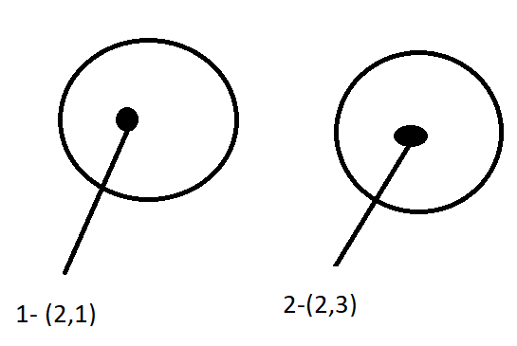

Step-2) Now we need to assign each and every data point of our data to one of these clusters based on Euclidean distance calculation.

Point | Distance from Centroid 1 (2,1) | Distance from Centroid 2 (2,3) | Assigned Cluster
a1 (1,1) | 1

a2 (2,1) | 0

a3 (2,3) | 2

a4 (3,2) | 1.4

a5(4,3)

a6(5,5)

Find distance from point a1(1,1) and the first centroid (2,1)
 |  | 1

Find distance from point a1(2,3) and the first centroid (2,1)
 |  | 2

Find distance from point a1(3,2) and the first centroid (2,1)
 |  | 1.414213562

