Dashboard
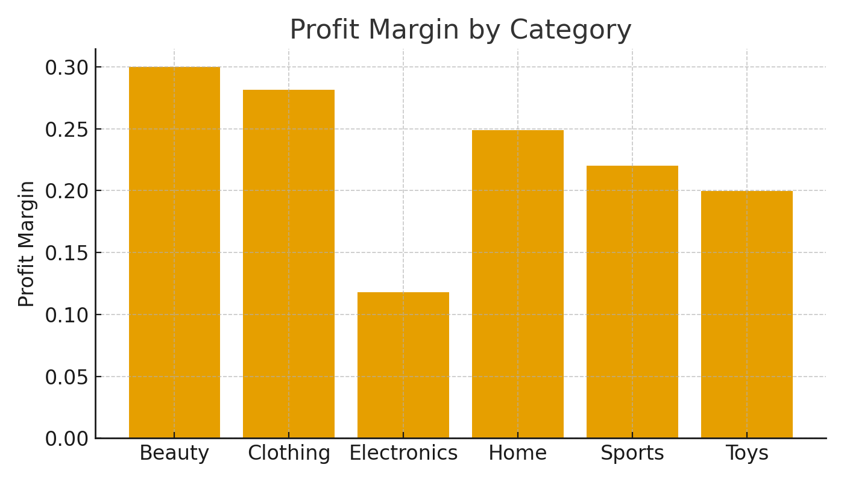
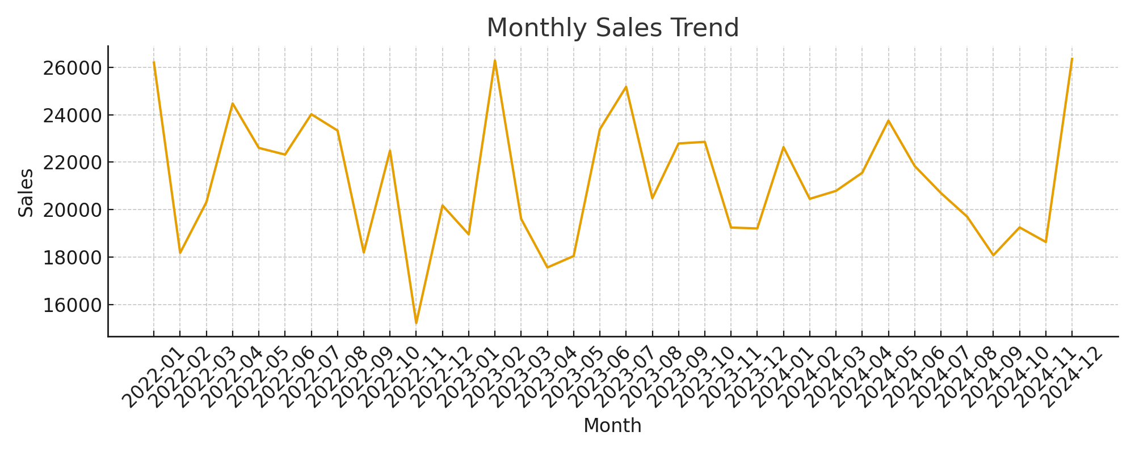
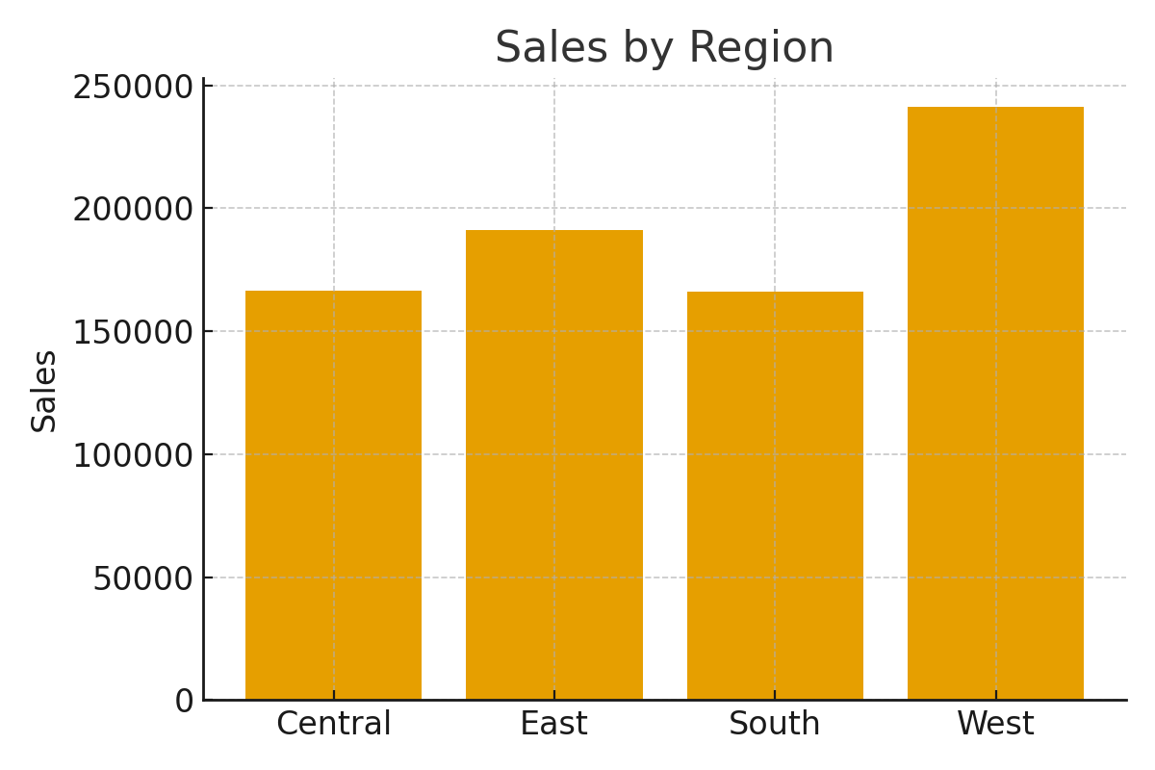
E-Commerce Sales Dashboard
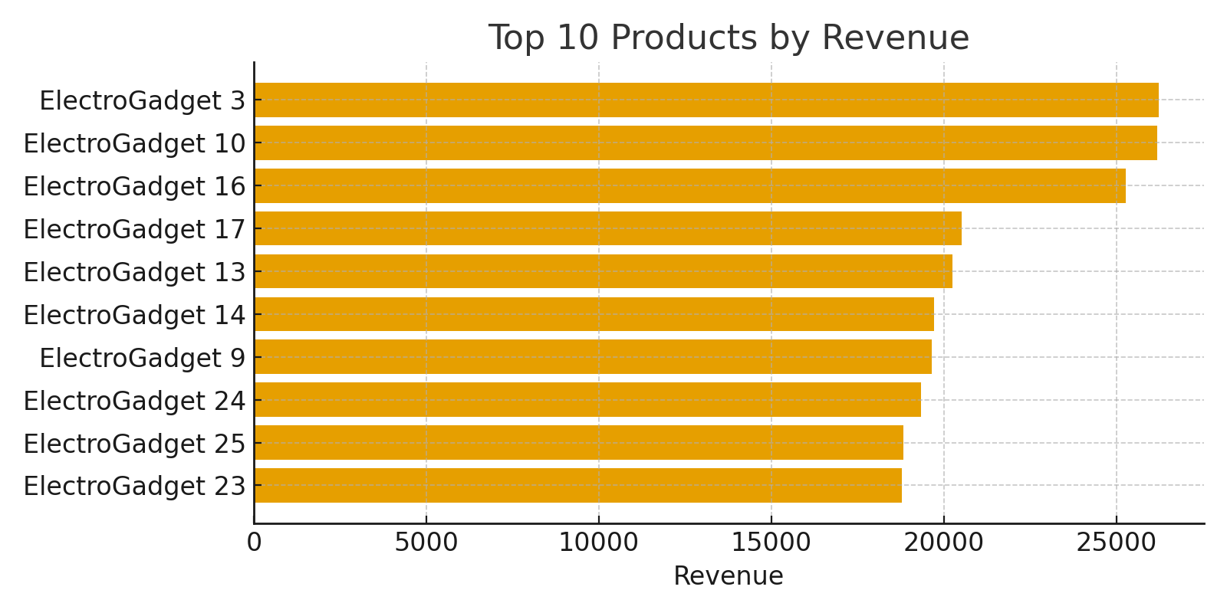
Top Products (Rank) | Product | Revenue | Quantity
1 | ElectroGadget 3 | 26232.77 | 93
2 | ElectroGadget 10 | 26182.4 | 92
3 | ElectroGadget 16 | 25284.52 | 93
4 | ElectroGadget 17 | 20511.94 | 80
5 | ElectroGadget 13 | 20258.73 | 89
6 | ElectroGadget 14 | 19723.43 | 64 | KPIs | Column1
7 | ElectroGadget 9 | 19653.94 | 68 | Total Revenue | 764962.29
8 | ElectroGadget 24 | 19349.73 | 75 | Total Orders | 4998
9 | ElectroGadget 25 | 18822.43 | 70 | Avg Profit Margin | 0.1585
10 | ElectroGadget 23 | 18794.41 | 67 | Electronics Revenue % | 0.6883

