1. Title Page
Marketing Data Analysis

Project Name: Marketing Data Analysis
Date: 6/24/2020
Analyst Name: Farhod Furkatov

Contents:
Population Flow
Consistency checks
Wrangling steps
Column derivations
Visualizations
Recommendations

2. Population Flow
Title page

Population flow

Exclusion flag
Condition: Price < $100
Obervations to be removed: 5127
Final total count of order_products_all: 32427903N

Orders_products_combined
Orders_products_merged
Orders_products_all

Total: 32433030
Total: 32434489
Total: 32433030

1.) The grey boxes in the first row of the population flow represent the original data sets as they were when you downloaded them. In the Total fields you need to add the count of the rows when you imported the data set into Jupyter.
2.) The second row of boxes (coloured) represents the data sets after you manipulated them, e.g., removed missing values and duplicates. In the Total fields you need to add the count of the rows after conducting these operations. This offers a visual oveview of how the data flows throughout the data consistency checks.
3.) The third row, where also the arrows are coloured, represents the merges you performed between the datasets. In the Total fields you need to add the count of the rows in the merged datasets, so that you end up with the final dataset (in the red box). Keep in mind the final dataset should be without exclusions (based on the exclusion flag).

3. Consistency checks
 |  |  |  |  | Title page
Consistency checks

 |  |  |  | days_since_prior_order | 1 | 2 | 3 | 4 | 5 | 6 | 7 | 8 | 9 | 10 | 11 | 12 | 13 | 14 | 15 | 16 | 17 | 18 | 19 | 20 | 21 | 22 | 23 | 24 | 25 | 26 | 27 | 28 | 29 | 30 | 31 | 32 | 33 | 34 | 35 | 36 | 37 | 38 | 39 | 40 | 41 | 42 | 43 | 44 | 45 | 46 | 47 | 48 | 49 | 50 | 51 | 52 | 53 | 54 | 55 | 56 | 57 | 58 | 59 | 60 | 61 | 62 | 63 | 64 | 65 | 66 | 67 | 68 | 69 | 70 | 71 | 72 | 73 | 74 | 75 | 76 | 77 | 78 | 79 | 80 | 81 | 82 | 83 | 84 | 85 | 86 | 87 | 88 | 89 | 90 | 91 | 92 | 93 | 94 | 95 | 96 | 97 | 98 | 99
Dataset | Missing values | Missing values treatment | Duplicates | 0 | 0 | 20560 | 20448 | 17995 | 16448 | 16059 | 14396 | 13895 | 12780 | 11469 | 11794 | 9836 | 9441 | 8968 | 8439 | 8140 | 7854 | 7749 | 7043 | 6906 | 7089 | 6430 | 6171 | 6110 | 6036 | 5545 | 6051 | 5572 | 5208 | 5685 | 4816 | 5135 | 4630 | 4537 | 4558 | 4392 | 4315 | 4093 | 3865 | 4030 | 4059 | 3827 | 3679 | 3669 | 3227 | 3526 | 3328 | 2720 | 3164 | 2635 | 2483 | 2929 | 2626 | 2523 | 2378 | 2484 | 2374 | 2222 | 2356 | 2195 | 2073 | 2249 | 1856 | 2032 | 1586 | 2128 | 1941 | 1870 | 1561 | 1674 | 1705 | 1575 | 1732 | 1557 | 1340 | 1538 | 1526 | 1422 | 1370 | 1185 | 1306 | 1196 | 1150 | 1493 | 1344 | 1360 | 1138 | 1179 | 1178 | 1195 | 1150 | 1039 | 937 | 1136 | 1099 | 1041 | 883 | 1038 | 936
orders | Days_since_prior_order | Assigned 0, and kept in our Dataframe as this indicates customers first purchase | No duplicated rows | 1 | 0 | 31686 | 29967 | 28017 | 27102 | 25541 | 25010 | 22930 | 21792 | 21074 | 21275 | 19532 | 19116 | 18296 | 18552 | 18135 | 16776 | 15980 | 15523 | 15131 | 15190 | 13859 | 13622 | 13239 | 12866 | 13014 | 12943 | 11973 | 12533 | 12088 | 11753 | 11585 | 10873 | 10399 | 9698 | 9697 | 9765 | 9510 | 9569 | 9457 | 8649 | 8875 | 8715 | 8579 | 8448 | 8328 | 8489 | 8205 | 7712 | 7151 | 7717 | 6981 | 6530 | 7036 | 7119 | 6252 | 6443 | 6268 | 5899 | 5851 | 5605 | 5950 | 4934 | 5728 | 4856 | 4948 | 5266 | 4676 | 4572 | 4698 | 4127 | 4403 | 4223 | 4232 | 4014 | 3923 | 4108 | 3998 | 3597 | 4134 | 3518 | 3150 | 3457 | 3288 | 3246 | 3108 | 2972 | 2694 | 3028 | 2790 | 2803 | 2729 | 2606 | 2606 | 2641 | 2437 | 2540 | 2635 | 2365
products | Product_names | Deleted empty rows | 5 rows | 2 | 0 | 46479 | 46293 | 43923 | 40749 | 40933 | 38130 | 37554 | 35774 | 33856 | 33387 | 31494 | 30632 | 30267 | 28643 | 27593 | 26703 | 26248 | 25625 | 23738 | 23537 | 23992 | 23065 | 22354 | 21844 | 21614 | 20661 | 19789 | 18962 | 19247 | 18745 | 18339 | 17117 | 17539 | 16398 | 16031 | 16452 | 16112 | 15574 | 14674 | 14455 | 14354 | 13404 | 12931 | 12951 | 12903 | 12070 | 13447 | 12355 | 11735 | 11723 | 10610 | 10579 | 10818 | 10220 | 9499 | 9713 | 9352 | 8830 | 8735 | 8966 | 8185 | 8193 | 7717 | 7419 | 7766 | 7344 | 7039 | 7152 | 6628 | 6736 | 6395 | 6294 | 5956 | 5713 | 5634 | 5223 | 5058 | 5072 | 4705 | 4927 | 4394 | 4803 | 4662 | 3947 | 3939 | 4074 | 4206 | 3477 | 3623 | 3558 | 3314 | 3591 | 3323 | 3072 | 2985 | 3058 | 3091 | 2611
orders_products_prior | N/A | N/A | No duplicated rows | 3 | 0 | 61685 | 63438 | 60032 | 57918 | 56208 | 52901 | 49325 | 48316 | 47847 | 45067 | 43020 | 42150 | 40730 | 38461 | 37966 | 35959 | 34693 | 34414 | 32671 | 32416 | 31497 | 30697 | 29450 | 29028 | 28273 | 26483 | 27106 | 25768 | 23441 | 23616 | 24494 | 23838 | 22239 | 21880 | 21340 | 20635 | 20813 | 19519 | 20923 | 18554 | 17969 | 17442 | 16918 | 16383 | 16434 | 15522 | 15549 | 14247 | 14996 | 13651 | 13565 | 12930 | 12225 | 11592 | 11846 | 11211 | 10579 | 10606 | 9903 | 10062 | 9845 | 9027 | 9239 | 8350 | 7932 | 7899 | 7431 | 7956 | 7226 | 6664 | 6839 | 6270 | 6279 | 6439 | 6072 | 5437 | 5174 | 5430 | 4887 | 5013 | 4559 | 4443 | 3802 | 4246 | 4007 | 3919 | 3361 | 3577 | 3321 | 3239 | 2799 | 3077 | 2904 | 2638 | 2659 | 2462 | 2170 | 2468
customers | Missing First names | We have removed all Firdt and last names from our dataset | No duplicated rows | 4 | 0 | 76774 | 78904 | 73589 | 70577 | 66612 | 62442 | 61181 | 59551 | 57728 | 54754 | 51987 | 48818 | 46945 | 45873 | 44280 | 42154 | 41302 | 39436 | 37344 | 36546 | 36508 | 35932 | 33152 | 34173 | 31364 | 31068 | 30127 | 28553 | 27037 | 26972 | 26025 | 24461 | 24672 | 23990 | 23058 | 22956 | 21601 | 20807 | 19030 | 19402 | 19348 | 18784 | 18734 | 18097 | 16600 | 16203 | 15577 | 15010 | 14210 | 13809 | 13039 | 12917 | 12024 | 11657 | 11935 | 11602 | 10300 | 9873 | 9649 | 9033 | 8721 | 8578 | 7762 | 8198 | 7329 | 6613 | 6336 | 6119 | 6472 | 6387 | 5590 | 5328 | 4988 | 5213 | 4347 | 4795 | 4442 | 4187 | 4232 | 3870 | 3988 | 3445 | 3225 | 2845 | 2862 | 2586 | 2717 | 2636 | 2342 | 2260 | 2492 | 2032 | 1800 | 2083 | 1917 | 1795 | 1695 | 1812
 |  |  |  | 5 | 0 | 89089 | 91806 | 86554 | 81918 | 77631 | 73624 | 70056 | 64504 | 63185 | 59493 | 55583 | 53564 | 53003 | 49312 | 47004 | 47055 | 44914 | 42103 | 40806 | 40219 | 37739 | 35519 | 36173 | 34816 | 32298 | 31882 | 29670 | 29434 | 29399 | 27846 | 26101 | 25973 | 24213 | 23089 | 22137 | 21238 | 20035 | 19614 | 20537 | 18749 | 17608 | 16961 | 15612 | 15497 | 14358 | 14097 | 13330 | 13494 | 11468 | 12052 | 11750 | 10819 | 10357 | 10193 | 9084 | 8725 | 8588 | 7684 | 7890 | 6739 | 6401 | 6570 | 5761 | 5386 | 5301 | 4614 | 5511 | 5067 | 4400 | 4120 | 4278 | 3549 | 3444 | 3249 | 3199 | 2488 | 2731 | 2751 | 2819 | 2291 | 2303 | 2139 | 2099 | 2371 | 2003 | 1945 | 1567 | 1462 | 1630 | 1633 | 1368 | 984 | 1216 | 1222 | 1168 | 964 | 912 | 936
 |  |  |  | 6 | 0 | 120768 | 122984 | 114744 | 106844 | 100828 | 96020 | 89819 | 87275 | 78691 | 78955 | 74773 | 68703 | 65178 | 62425 | 58826 | 56526 | 54829 | 53299 | 51331 | 49441 | 46253 | 44197 | 41040 | 38614 | 38749 | 36455 | 35109 | 33699 | 32662 | 30874 | 29991 | 28502 | 28320 | 26621 | 26538 | 24113 | 22774 | 22752 | 20883 | 19374 | 18804 | 17775 | 17409 | 16759 | 15149 | 14001 | 12429 | 12943 | 11614 | 11089 | 9644 | 9282 | 8377 | 8694 | 7306 | 7086 | 6709 | 6151 | 6118 | 5516 | 4917 | 5019 | 4556 | 4647 | 3851 | 3979 | 3538 | 3445 | 2904 | 2887 | 2253 | 2780 | 2593 | 2229 | 1951 | 1932 | 1893 | 1740 | 1536 | 1696 | 1448 | 1391 | 1341 | 1216 | 994 | 962 | 1064 | 990 | 754 | 841 | 942 | 1014 | 837 | 571 | 490 | 602 | 484 | 544
 |  |  |  | 7 | 0 | 184933 | 181793 | 167717 | 157561 | 143737 | 137769 | 128543 | 120822 | 114864 | 106464 | 103177 | 100608 | 93799 | 89516 | 86253 | 81321 | 78113 | 73173 | 71097 | 68603 | 64189 | 62560 | 58615 | 56742 | 53914 | 50949 | 48740 | 47670 | 44858 | 42491 | 41650 | 38291 | 35823 | 34227 | 33259 | 32317 | 30447 | 28179 | 27692 | 27231 | 26016 | 23814 | 21951 | 20528 | 19888 | 17789 | 17188 | 15147 | 14721 | 12840 | 12961 | 10368 | 9604 | 8584 | 7319 | 7028 | 6392 | 6253 | 5740 | 5193 | 4905 | 3876 | 3575 | 3466 | 3590 | 3412 | 2567 | 2249 | 2473 | 2109 | 2395 | 2047 | 1909 | 1679 | 1631 | 1786 | 1442 | 1324 | 1086 | 957 | 969 | 921 | 858 | 957 | 711 | 763 | 714 | 695 | 636 | 575 | 521 | 440 | 601 | 422 | 421 | 378 | 419 | 323
 |  |  |  | 8 | 0 | 112418 | 110828 | 102293 | 95018 | 87692 | 81702 | 78804 | 71118 | 67627 | 64941 | 60123 | 57416 | 53602 | 50940 | 47474 | 44224 | 43313 | 40847 | 38687 | 35924 | 35127 | 32014 | 31003 | 30075 | 27690 | 26015 | 26326 | 23947 | 22237 | 21995 | 19766 | 19307 | 17569 | 17550 | 16130 | 16140 | 14643 | 14598 | 13291 | 11934 | 11629 | 11101 | 10415 | 9426 | 8522 | 7977 | 7466 | 7223 | 6494 | 5562 | 5043 | 5054 | 4441 | 3770 | 3761 | 3046 | 2929 | 2891 | 2584 | 2524 | 2246 | 1974 | 1855 | 1714 | 1352 | 1339 | 1509 | 1323 | 1427 | 1085 | 1137 | 1166 | 937 | 959 | 760 | 762 | 762 | 731 | 477 | 474 | 322 | 550 | 656 | 263 | 342 | 277 | 416 | 340 | 239 | 262 | 228 | 244 | 275 | 231 | 235 | 143 | 137 | 84
 |  |  |  | 9 | 0 | 73725 | 75414 | 68579 | 65098 | 58972 | 54840 | 50616 | 47791 | 43507 | 42227 | 38087 | 36802 | 34995 | 31613 | 30775 | 28894 | 26668 | 25623 | 23330 | 22209 | 20480 | 20572 | 18880 | 17925 | 16500 | 16830 | 15397 | 14572 | 13544 | 12999 | 12427 | 11519 | 10791 | 10646 | 9214 | 8490 | 8098 | 7266 | 7049 | 6459 | 5870 | 5853 | 5456 | 4912 | 4506 | 3904 | 3489 | 3558 | 3276 | 3189 | 2815 | 2292 | 2178 | 2298 | 1978 | 1791 | 1631 | 1638 | 1683 | 1281 | 1045 | 1074 | 1005 | 1005 | 705 | 925 | 933 | 716 | 628 | 454 | 551 | 482 | 613 | 417 | 398 | 317 | 483 | 374 | 242 | 272 | 334 | 347 | 348 | 116 | 209 | 201 | 229 | 266 | 190 | 90 | 98 | 101 | 146 | 91 | 67 | 102 | 66 | 65
 |  |  |  | 10 | 0 | 62073 | 62491 | 57722 | 51951 | 49500 | 43756 | 41147 | 38470 | 34943 | 33925 | 32740 | 29781 | 28730 | 25336 | 23615 | 22607 | 20549 | 19383 | 18426 | 17567 | 15881 | 15653 | 14720 | 14102 | 13655 | 12163 | 10832 | 10542 | 10560 | 10017 | 8539 | 8496 | 7976 | 7633 | 6649 | 6164 | 5942 | 5617 | 4604 | 4858 | 4726 | 3770 | 3752 | 3639 | 3395 | 3035 | 2869 | 2348 | 2579 | 2105 | 2128 | 2038 | 1703 | 1580 | 1306 | 1393 | 1226 | 1147 | 901 | 917 | 721 | 894 | 742 | 821 | 571 | 540 | 599 | 432 | 493 | 370 | 444 | 626 | 389 | 581 | 389 | 339 | 239 | 191 | 216 | 142 | 111 | 289 | 203 | 278 | 136 | 223 | 114 | 138 | 60 | 103 | 222 | 78 | 45 | 116 | 4 | 101 | 42 | 59
 |  |  |  | 11 | 0 | 55604 | 55954 | 52014 | 45538 | 42570 | 40201 | 36902 | 33423 | 30856 | 29438 | 27441 | 26277 | 23932 | 21655 | 20272 | 20339 | 17873 | 17080 | 15920 | 13590 | 13926 | 12098 | 11988 | 10714 | 11296 | 9869 | 8617 | 7935 | 7044 | 8077 | 6166 | 6566 | 5939 | 5583 | 5382 | 4939 | 4202 | 4052 | 3723 | 3394 | 2984 | 3202 | 2922 | 2712 | 2194 | 2273 | 2045 | 1782 | 1717 | 1639 | 1342 | 1556 | 1354 | 1226 | 1124 | 1022 | 999 | 819 | 735 | 758 | 653 | 688 | 452 | 523 | 383 | 391 | 349 | 273 | 438 | 417 | 344 | 350 | 286 | 257 | 226 | 233 | 139 | 155 | 213 | 139 | 347 | 102 | 97 | 102 | 111 | 68 | 46 | 61 | 57 | 82 | 175 | 55 | 68 | 126 | 63 | 64 | 1 | 19
 |  |  |  | 12 | 0 | 54633 | 56682 | 51076 | 44648 | 42625 | 38701 | 35358 | 33495 | 29873 | 26704 | 26540 | 24362 | 21437 | 21449 | 20411 | 18280 | 16066 | 15727 | 14422 | 12993 | 12236 | 11017 | 10957 | 9553 | 8712 | 8615 | 7959 | 7453 | 7143 | 6365 | 5966 | 5374 | 4698 | 5385 | 4629 | 3961 | 4092 | 3544 | 3289 | 3192 | 2809 | 2474 | 1953 | 1860 | 2152 | 1983 | 1567 | 1424 | 1749 | 1210 | 1400 | 1138 | 861 | 670 | 797 | 735 | 703 | 979 | 749 | 394 | 538 | 577 | 460 | 537 | 434 | 284 | 386 | 408 | 264 | 319 | 275 | 342 | 197 | 225 | 190 | 137 | 183 | 170 | 126 | 202 | 63 | 65 | 101 | 187 | 55 | 101 | 53 | 55 | 58 | 54 | 70 | 32 | 50 | 75 | 55 | 52 | 5 | 66
 |  |  |  | 13 | 0 | 64001 | 66398 | 58513 | 54383 | 47757 | 44906 | 41308 | 38355 | 34304 | 32552 | 28206 | 26827 | 23681 | 23236 | 20636 | 20577 | 18345 | 16452 | 14430 | 15017 | 12037 | 11760 | 10655 | 10070 | 9575 | 8847 | 7694 | 7749 | 6748 | 5846 | 5661 | 5379 | 5559 | 4728 | 4422 | 3590 | 3603 | 3116 | 2979 | 2923 | 2296 | 2422 | 2244 | 1730 | 1877 | 1677 | 1210 | 1200 | 1108 | 1131 | 847 | 989 | 740 | 684 | 800 | 417 | 481 | 399 | 307 | 557 | 347 | 399 | 390 | 252 | 299 | 355 | 456 | 319 | 228 | 174 | 154 | 116 | 73 | 71 | 231 | 56 | 202 | 214 | 65 | 80 | 123 | 59 | 75 | 53 | 94 | 63 | 56 | 82 | 69 | 93 | 93 | 80 | 85 | 24 | 27 | 61 | 83 | 68
 |  |  |  | 14 | 0 | 82165 | 79817 | 74770 | 67526 | 60523 | 54899 | 49266 | 46298 | 42407 | 38440 | 34355 | 32094 | 30185 | 26911 | 25938 | 24386 | 22027 | 19812 | 18091 | 15066 | 15297 | 14655 | 13311 | 11508 | 10725 | 10473 | 9485 | 8004 | 8331 | 7981 | 6656 | 6236 | 5305 | 4441 | 4870 | 4255 | 3627 | 3928 | 2820 | 2849 | 2260 | 2713 | 2695 | 1952 | 2076 | 1835 | 1642 | 1390 | 1242 | 966 | 633 | 1052 | 627 | 669 | 907 | 583 | 809 | 646 | 455 | 476 | 275 | 438 | 423 | 213 | 168 | 393 | 340 | 257 | 243 | 205 | 277 | 160 | 150 | 103 | 84 | 110 | 125 | 94 | 32 | 91 | 29 | 137 | 45 | 77 | 46 | 41 | 40 | 57 | 38 | 8 | 13 | 96 | 55 | 41 | 32 | 54 | 33 | 5
 |  |  |  | 15 | 0 | 54530 | 53628 | 50268 | 44060 | 39535 | 35573 | 33892 | 29640 | 27780 | 25077 | 24451 | 20676 | 19282 | 17679 | 16218 | 15620 | 13392 | 12544 | 11848 | 10064 | 10415 | 8344 | 7650 | 8096 | 6472 | 6333 | 6092 | 5438 | 5214 | 4250 | 4196 | 3809 | 3394 | 2954 | 2871 | 2710 | 2831 | 2266 | 2341 | 1637 | 1834 | 1693 | 1611 | 1141 | 990 | 937 | 1056 | 654 | 994 | 541 | 558 | 448 | 724 | 661 | 478 | 296 | 341 | 357 | 243 | 155 | 230 | 273 | 175 | 121 | 263 | 158 | 164 | 102 | 129 | 160 | 71 | 137 | 55 | 107 | 106 | 24 | 100 | 78 | 35 | 22 | 66 | 113 | 91 | 56 | 34 | 66 | 9 | 16 | 44 | 14 | 31 | 25 | 6 | 23 | 20 | 17 | 7 | 17
 |  |  |  | 16 | 0 | 38927 | 39546 | 34514 | 30603 | 28310 | 25440 | 22424 | 22377 | 20597 | 17437 | 15622 | 14363 | 13303 | 11948 | 10839 | 9599 | 9672 | 8465 | 7676 | 6725 | 6480 | 5718 | 5714 | 4968 | 4081 | 3812 | 3765 | 3309 | 2614 | 2532 | 3005 | 2341 | 2283 | 2000 | 2040 | 1612 | 1452 | 1403 | 1332 | 975 | 955 | 827 | 717 | 844 | 615 | 746 | 868 | 498 | 574 | 497 | 367 | 390 | 299 | 526 | 260 | 220 | 251 | 184 | 153 | 70 | 74 | 119 | 112 | 190 | 85 | 100 | 85 | 71 | 75 | 115 | 104 | 76 | 64 | 49 | 30 | 48 | 27 | 54 | 19 | 51 | 41 | 51 | 10 | 29 | 31 | 41 | 7 | 8 | 65 | 20 | 7 | 0 | 12 | 0 | 38 | 50 | 17 | 10
 |  |  |  | 17 | 0 | 31983 | 32876 | 29842 | 26288 | 23871 | 20654 | 18609 | 17581 | 16026 | 14283 | 12808 | 12066 | 11609 | 10138 | 9151 | 7990 | 7798 | 7892 | 6218 | 5691 | 5407 | 5220 | 4852 | 3600 | 3636 | 3200 | 2933 | 2769 | 2165 | 2059 | 1918 | 2010 | 1736 | 1714 | 1406 | 1251 | 860 | 1034 | 865 | 971 | 895 | 710 | 674 | 536 | 637 | 540 | 399 | 463 | 314 | 360 | 401 | 353 | 127 | 388 | 236 | 206 | 284 | 135 | 86 | 132 | 118 | 155 | 186 | 91 | 56 | 37 | 76 | 49 | 23 | 44 | 65 | 44 | 35 | 73 | 18 | 21 | 45 | 27 | 16 | 28 | 91 | 10 | 8 | 46 | 15 | 37 | 16 | 1 | 14 | 0 | 32 | 0 | 16 | 7 | 4 | 23 | 0 | 5
 |  |  |  | 18 | 0 | 31635 | 30503 | 27330 | 24868 | 22013 | 19184 | 17609 | 16770 | 15073 | 13325 | 12356 | 11353 | 9959 | 9049 | 8157 | 7179 | 6819 | 6676 | 5864 | 5104 | 4489 | 3585 | 3467 | 3467 | 3372 | 2782 | 2749 | 2183 | 2169 | 1806 | 1962 | 1530 | 1182 | 1516 | 1329 | 1045 | 956 | 1008 | 738 | 848 | 709 | 648 | 680 | 377 | 512 | 448 | 347 | 479 | 277 | 285 | 316 | 170 | 219 | 229 | 123 | 75 | 102 | 170 | 247 | 134 | 140 | 82 | 123 | 43 | 116 | 33 | 182 | 41 | 70 | 44 | 5 | 39 | 0 | 17 | 9 | 31 | 4 | 75 | 3 | 30 | 7 | 4 | 5 | 32 | 0 | 19 | 0 | 16 | 0 | 1 | 13 | 0 | 20 | 0 | 51 | 0 | 0 | 26
 |  |  |  | 19 | 0 | 29899 | 31384 | 26512 | 23870 | 21460 | 19919 | 17877 | 15713 | 14316 | 12676 | 11415 | 10594 | 9084 | 8342 | 7754 | 6942 | 6295 | 6172 | 4888 | 4702 | 4675 | 4091 | 3239 | 3200 | 2650 | 2031 | 2670 | 2483 | 1535 | 1866 | 1578 | 1337 | 1550 | 1103 | 1090 | 829 | 821 | 630 | 574 | 561 | 692 | 718 | 496 | 372 | 211 | 434 | 385 | 288 | 328 | 447 | 269 | 147 | 163 | 106 | 170 | 72 | 120 | 144 | 117 | 128 | 15 | 56 | 70 | 37 | 79 | 15 | 87 | 30 | 28 | 37 | 57 | 26 | 38 | 17 | 41 | 29 | 62 | 26 | 31 | 16 | 0 | 29 | 0 | 60 | 4 | 12 | 1 | 0 | 0 | 6 | 0 | 0 | 0 | 0 | 21 | 14 | 0 | 0
 |  |  |  | 20 | 0 | 35518 | 35241 | 31785 | 28768 | 25543 | 23137 | 19796 | 17138 | 16046 | 13604 | 13398 | 11960 | 10526 | 9642 | 8236 | 7697 | 6713 | 6538 | 5796 | 5529 | 4691 | 4175 | 3584 | 3292 | 3021 | 2898 | 2191 | 1954 | 2258 | 1670 | 1593 | 1358 | 1677 | 1257 | 1170 | 970 | 702 | 1009 | 672 | 640 | 520 | 509 | 423 | 497 | 340 | 480 | 370 | 220 | 399 | 192 | 243 | 149 | 128 | 171 | 146 | 110 | 137 | 95 | 138 | 58 | 100 | 34 | 87 | 84 | 123 | 62 | 51 | 35 | 24 | 0 | 75 | 26 | 19 | 60 | 52 | 47 | 15 | 29 | 40 | 35 | 36 | 81 | 8 | 19 | 24 | 2 | 30 | 2 | 31 | 41 | 7 | 0 | 9 | 0 | 0 | 0 | 0 | 0
 |  |  |  | 21 | 0 | 43980 | 44634 | 37672 | 32204 | 31456 | 26023 | 23521 | 20611 | 19562 | 16195 | 15153 | 13359 | 12171 | 10992 | 9808 | 8606 | 8152 | 6921 | 6133 | 5930 | 4792 | 4273 | 4145 | 3870 | 3532 | 3102 | 2424 | 2536 | 2547 | 2042 | 1605 | 1716 | 1658 | 1332 | 1150 | 1107 | 929 | 890 | 761 | 704 | 583 | 433 | 411 | 486 | 393 | 390 | 300 | 402 | 321 | 218 | 102 | 238 | 154 | 172 | 189 | 122 | 150 | 56 | 80 | 90 | 96 | 51 | 76 | 42 | 97 | 27 | 69 | 27 | 41 | 13 | 43 | 57 | 24 | 59 | 30 | 6 | 16 | 1 | 22 | 11 | 0 | 10 | 2 | 0 | 29 | 0 | 30 | 8 | 19 | 0 | 32 | 12 | 0 | 19 | 0 | 0 | 12 | 0
 |  |  |  | 22 | 0 | 30057 | 29505 | 26605 | 23410 | 20497 | 18506 | 16957 | 15416 | 13875 | 11559 | 10681 | 9311 | 8223 | 8129 | 6584 | 6238 | 5187 | 4552 | 4683 | 3839 | 3148 | 3238 | 3001 | 2498 | 2453 | 1873 | 1825 | 1379 | 1434 | 1566 | 1477 | 981 | 951 | 987 | 804 | 785 | 701 | 489 | 424 | 543 | 396 | 346 | 422 | 413 | 276 | 374 | 348 | 198 | 137 | 196 | 280 | 130 | 119 | 141 | 128 | 33 | 96 | 62 | 70 | 34 | 2 | 75 | 7 | 26 | 28 | 34 | 0 | 56 | 41 | 12 | 22 | 26 | 10 | 12 | 57 | 0 | 16 | 19 | 2 | 0 | 0 | 0 | 14 | 0 | 0 | 0 | 17 | 0 | 0 | 9 | 0 | 0 | 0 | 0 | 0 | 0 | 0 | 0
 |  |  |  | 23 | 0 | 22970 | 24130 | 19806 | 17084 | 15581 | 13902 | 11565 | 11149 | 8690 | 8565 | 7652 | 7303 | 6123 | 5461 | 4293 | 4273 | 3886 | 3138 | 3083 | 2837 | 2678 | 2028 | 2083 | 1653 | 1637 | 1296 | 1261 | 1038 | 1104 | 1084 | 986 | 960 | 468 | 520 | 654 | 449 | 461 | 407 | 426 | 256 | 302 | 265 | 157 | 285 | 177 | 169 | 149 | 105 | 159 | 118 | 178 | 56 | 77 | 92 | 118 | 35 | 82 | 29 | 7 | 53 | 63 | 22 | 16 | 19 | 0 | 21 | 6 | 52 | 18 | 9 | 0 | 10 | 52 | 30 | 40 | 0 | 10 | 3 | 10 | 0 | 0 | 8 | 18 | 0 | 0 | 0 | 0 | 0 | 13 | 0 | 0 | 0 | 0 | 9 | 0 | 0 | 0 | 0
 |  |  |  | 24 | 0 | 19302 | 19449 | 16914 | 15726 | 13542 | 12408 | 10808 | 9514 | 8258 | 7628 | 6323 | 5893 | 5429 | 4422 | 3774 | 3492 | 3508 | 2735 | 2298 | 2408 | 1921 | 1854 | 1960 | 1176 | 1363 | 1502 | 681 | 1008 | 666 | 646 | 641 | 547 | 507 | 611 | 571 | 457 | 478 | 250 | 282 | 321 | 214 | 119 | 195 | 187 | 156 | 170 | 136 | 79 | 59 | 88 | 36 | 94 | 72 | 27 | 96 | 18 | 108 | 12 | 51 | 34 | 12 | 24 | 29 | 66 | 23 | 0 | 4 | 18 | 22 | 12 | 0 | 16 | 13 | 13 | 0 | 17 | 9 | 19 | 0 | 0 | 2 | 0 | 0 | 0 | 17 | 9 | 0 | 0 | 0 | 0 | 0 | 0 | 0 | 0 | 0 | 0 | 0 | 0
 |  |  |  | 25 | 0 | 18772 | 19388 | 16275 | 14237 | 12623 | 10717 | 9219 | 8539 | 7799 | 6479 | 6113 | 5835 | 4806 | 4519 | 4012 | 3359 | 2923 | 2751 | 2284 | 2091 | 2073 | 1555 | 1300 | 1409 | 1084 | 1116 | 1260 | 749 | 951 | 710 | 557 | 544 | 487 | 381 | 294 | 259 | 227 | 388 | 169 | 182 | 111 | 218 | 216 | 179 | 78 | 26 | 88 | 77 | 153 | 100 | 27 | 186 | 4 | 73 | 62 | 17 | 39 | 51 | 5 | 6 | 46 | 49 | 39 | 44 | 5 | 26 | 26 | 0 | 10 | 43 | 0 | 0 | 0 | 13 | 0 | 3 | 15 | 0 | 0 | 30 | 0 | 32 | 16 | 0 | 0 | 0 | 0 | 0 | 0 | 0 | 0 | 0 | 0 | 0 | 0 | 0 | 0 | 0
 |  |  |  | 26 | 0 | 18463 | 19479 | 16080 | 14935 | 13002 | 11808 | 9909 | 8723 | 7918 | 6922 | 5881 | 4832 | 4677 | 3844 | 4181 | 3179 | 2907 | 2620 | 2181 | 1970 | 1605 | 1668 | 1057 | 997 | 1082 | 884 | 715 | 757 | 553 | 668 | 414 | 399 | 357 | 230 | 339 | 279 | 175 | 252 | 296 | 146 | 117 | 219 | 87 | 93 | 53 | 130 | 43 | 91 | 24 | 37 | 81 | 13 | 78 | 9 | 35 | 5 | 48 | 19 | 85 | 29 | 0 | 28 | 2 | 0 | 42 | 9 | 2 | 0 | 0 | 6 | 7 | 16 | 13 | 0 | 36 | 0 | 0 | 0 | 0 | 4 | 4 | 0 | 0 | 16 | 8 | 0 | 37 | 0 | 0 | 0 | 0 | 0 | 0 | 9 | 0 | 0 | 0 | 0
 |  |  |  | 27 | 0 | 21355 | 22624 | 20220 | 18342 | 14459 | 12492 | 11806 | 10218 | 8603 | 7350 | 6187 | 6246 | 5274 | 4704 | 4020 | 3452 | 3109 | 2756 | 2399 | 1971 | 1734 | 1728 | 1733 | 1064 | 1132 | 1081 | 937 | 624 | 668 | 596 | 406 | 479 | 456 | 461 | 286 | 338 | 411 | 273 | 243 | 170 | 177 | 227 | 89 | 114 | 92 | 165 | 85 | 68 | 19 | 72 | 55 | 90 | 85 | 10 | 21 | 42 | 55 | 12 | 32 | 7 | 39 | 19 | 2 | 7 | 5 | 68 | 22 | 0 | 5 | 0 | 4 | 0 | 9 | 0 | 9 | 15 | 0 | 19 | 0 | 4 | 2 | 0 | 14 | 0 | 10 | 7 | 13 | 0 | 12 | 0 | 0 | 0 | 0 | 0 | 0 | 0 | 0 | 0
 |  |  |  | 28 | 0 | 27982 | 28796 | 25279 | 20879 | 18130 | 16547 | 14241 | 12711 | 10901 | 8782 | 8507 | 7209 | 6833 | 4942 | 4819 | 4374 | 3695 | 3130 | 3328 | 2695 | 1683 | 1955 | 1793 | 1207 | 1377 | 1354 | 937 | 953 | 858 | 974 | 645 | 625 | 519 | 281 | 490 | 517 | 413 | 345 | 209 | 117 | 249 | 146 | 180 | 158 | 213 | 108 | 110 | 102 | 50 | 86 | 104 | 58 | 97 | 91 | 67 | 66 | 35 | 57 | 14 | 28 | 21 | 23 | 2 | 56 | 32 | 8 | 0 | 27 | 0 | 0 | 23 | 1 | 0 | 0 | 9 | 16 | 0 | 0 | 3 | 0 | 0 | 3 | 0 | 0 | 11 | 12 | 0 | 0 | 0 | 0 | 0 | 0 | 0 | 0 | 6 | 0 | 0 | 0
 |  |  |  | 29 | 0 | 19959 | 19860 | 17018 | 14776 | 13292 | 11268 | 10096 | 8860 | 7660 | 6356 | 5120 | 5283 | 4946 | 3949 | 3558 | 2780 | 2686 | 2160 | 1862 | 1461 | 1740 | 1178 | 1266 | 1005 | 906 | 800 | 716 | 439 | 484 | 539 | 392 | 270 | 466 | 268 | 219 | 189 | 164 | 168 | 220 | 114 | 196 | 155 | 46 | 74 | 49 | 71 | 51 | 53 | 32 | 31 | 39 | 68 | 49 | 14 | 6 | 1 | 7 | 21 | 5 | 0 | 17 | 0 | 0 | 0 | 0 | 10 | 9 | 10 | 48 | 0 | 0 | 7 | 0 | 6 | 0 | 13 | 0 | 0 | 0 | 0 | 0 | 0 | 13 | 5 | 0 | 0 | 0 | 0 | 0 | 4 | 0 | 0 | 0 | 0 | 0 | 0 | 0 | 0
 |  |  |  | 30 | 0 | 465971 | 455993 | 366232 | 294710 | 241422 | 196685 | 163843 | 135516 | 113133 | 94803 | 78872 | 66680 | 55752 | 46962 | 39695 | 33586 | 28836 | 25023 | 22030 | 18245 | 16103 | 14074 | 11282 | 10300 | 9027 | 7400 | 7265 | 6006 | 5179 | 4452 | 3797 | 3651 | 3220 | 2627 | 2217 | 1985 | 1843 | 1681 | 1170 | 1071 | 961 | 1098 | 830 | 999 | 1026 | 672 | 588 | 455 | 377 | 348 | 438 | 309 | 215 | 221 | 177 | 141 | 211 | 102 | 174 | 117 | 147 | 108 | 199 | 58 | 100 | 79 | 87 | 77 | 37 | 76 | 83 | 51 | 45 | 2 | 70 | 55 | 56 | 19 | 49 | 44 | 37 | 35 | 0 | 0 | 4 | 12 | 15 | 0 | 6 | 11 | 3 | 0 | 0 | 5 | 0 | 0 | 8 | 13

4. Wrangling steps
 |  |  |  | Title page
Wrangling steps

Columns dropped | Columns renamed | Columns' type changed | Comment/Reason
ords['eval_set'] |  |  | it did not add any info for our dataset
 | orders['order_dow'] |  | Changed to order_day_of_week for better description
 |  | orders['user_id'] | Changed to string, 1. We do not need to perform descriptive analysis for this column. 2. When we merge 2 datasets, merging data types should match
customers['first_name'] |  |  | PII type of data, to avoid data privacy issue
customers['last_name'] |  |  | PII type of data, to avoid data privacy issue
all ['_merge'] |  |  | This is just merge flag and we do not require them in our data frame

5. Column derivations
 |  |  |  | Title page

Column derivations and aggregations

In this tab you should add tables below that the frequencies of flags/label variables that you produced after deriving them. NB: don't do this for continuous variables, only for flags.
Dataset | New column | Column/s it was derived from | Conditions
Orders | price_range_loc | price | Breakdown products into different price range groups
Orders | busiest_days | order_day_of_week | Assigning busiest days to week days, based on placed orders
Orders | Busiest_period_of_day | order_hour_of_day | Separating day into different periods by number of orders
Orders_products | loyalty_flag | max_orders | To break down customers loyalty by how many orders they have placed
Orders_products | spender_flag | spend_average | To create customer spending segments
Orders_products | frequency_flag | days_since_prior_order | To break down customer order patterns
Customer | Region | STATE | Separating customers to Regions
orders_prods_all | cust_profile | age, fam_status, n_dependants | Create customer profiles, to explore different spending habits

6. Visualizations
 |  | Title page

Visualizations

In this tab you should include all the visualtions from Exercises 4.9 and 4.10, alongside the questions from the project brief that they answer. Include any commentary on the relationship between different variables.

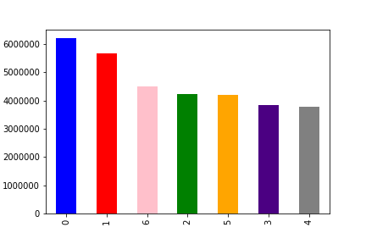

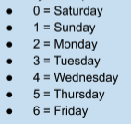

Number of orders placed daily, we can see busiest days for Instacart is Saturday and Sunday

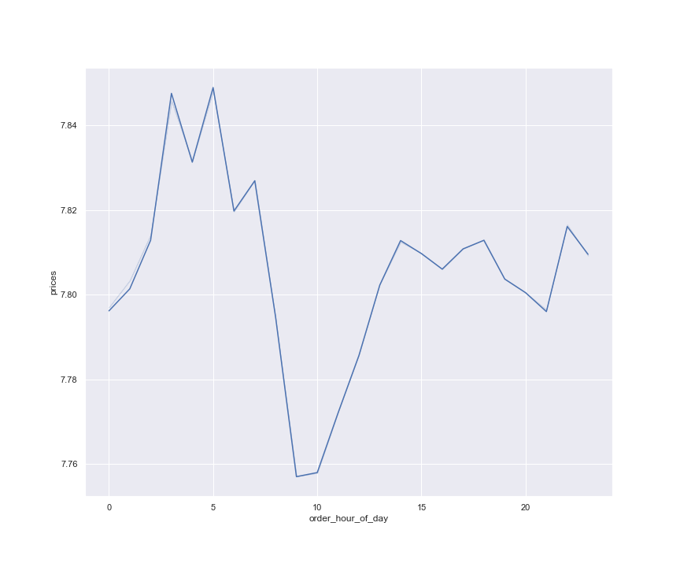
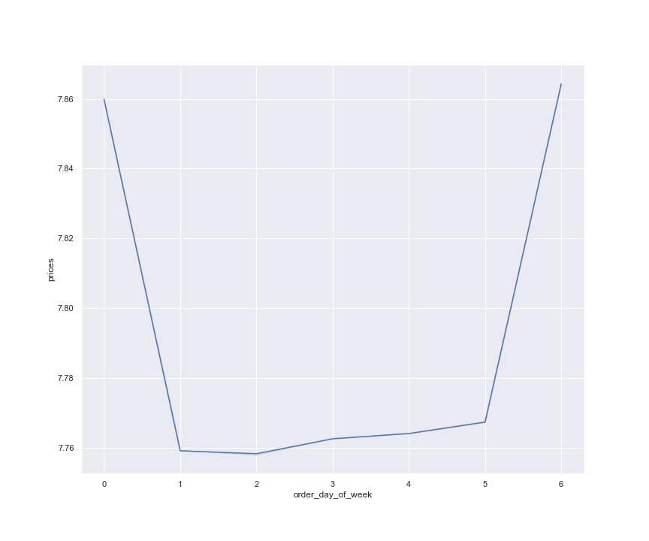

 |  |  |  | We can also see that customers bus slightly more expensive products Friday and Saturday, This indicates that costumers might like buying more luxurious products for their weekend

Average Product Prices purchased throughout the day, generally when you look at it there is not big difference on spenditure throughout the day

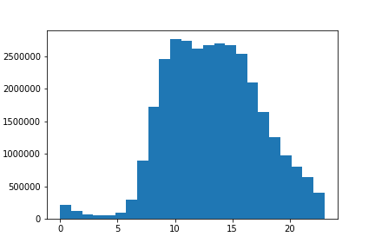
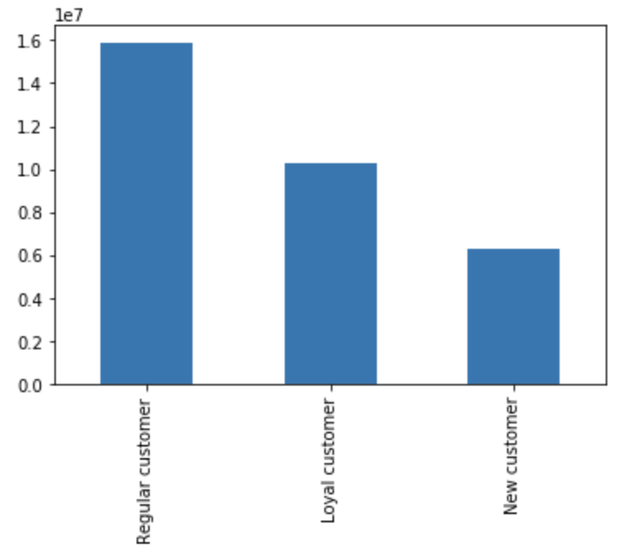

 |  |  | Breakdown of the customers with their loyalty level. It is great to see that 1/3 of the customers Loyal to Instacart

Aggregated number of orders placed throughout the day, most orders placed between 9:00am to 5pm


In This histogram we can see how many products have been ordered for certain price, we can clearly see that there were not many products over $15 have been ordered

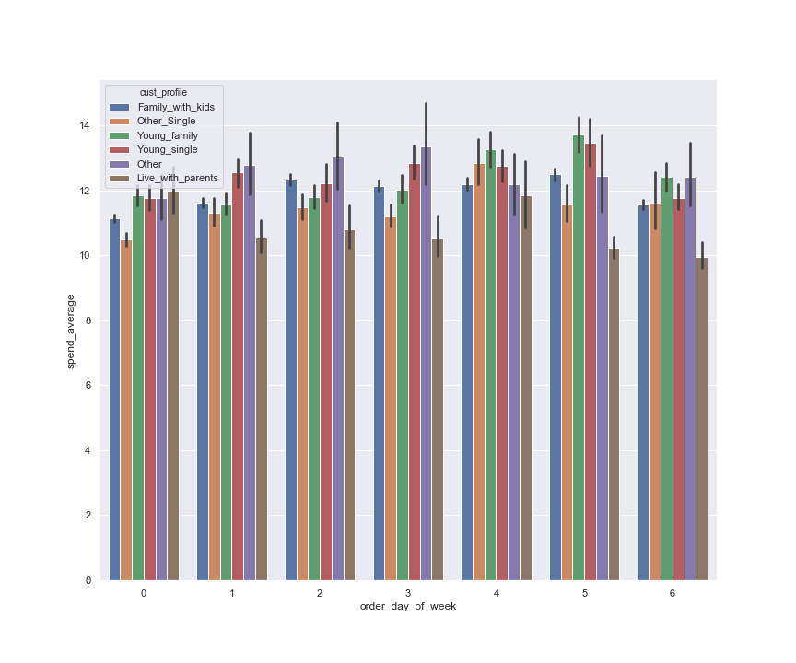
 | - Young Singles and Young Families (parents under 30year) on average spend more on Thursdays Families with kids where parents over 30 on average spend more on weekdays than weekends.

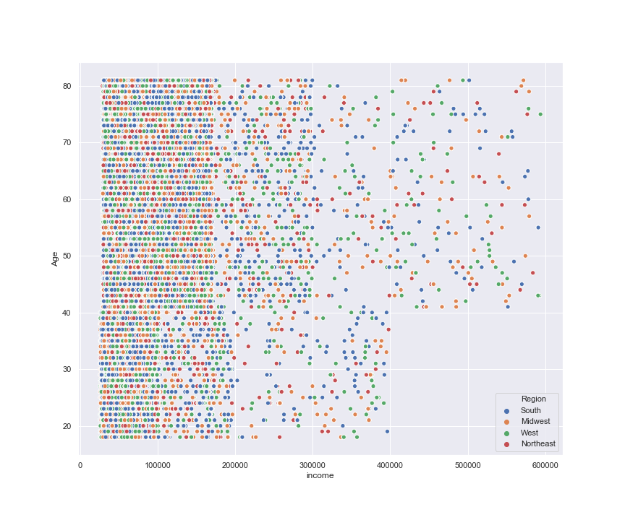

 | From this scatterplot we can see older age group of customers make more money. Additionally we can see that after age of 40 we have much more users who is income from 100 k to 180k. .

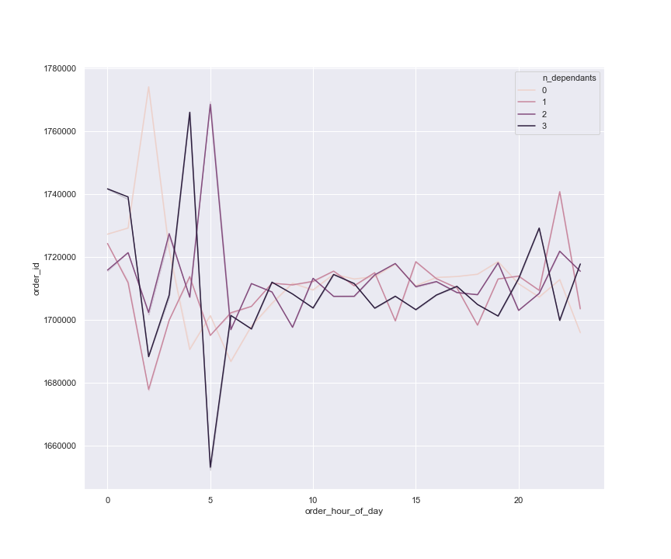

 | looking at customers order pattern throughout the day and breaking down how many dependents they have

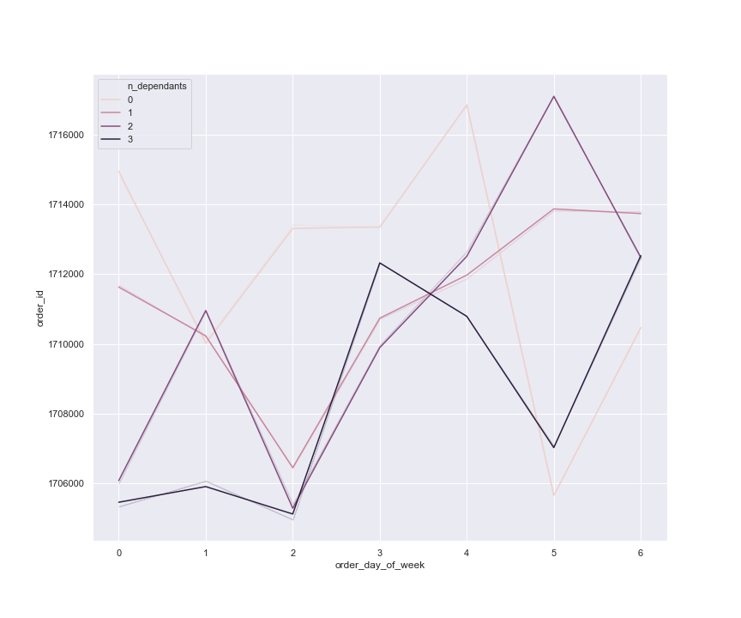

 | looking at customers order pattern throughout the Week and breaking down how many dependents they have

 | Busiest day to order for customers with 3 kids Wednesday and Friday, Customers with 2 kids Thursday. Customers with 1 kid, Thursdays and Fridays and customers with no Saturday and Wednesday

7. Recommendations
 |  |  |  |  | Title page

Recommendations

In this tab you should include any recommendations you would made to Instacart in terms of their marketing strategy based on the questions posed in the brief. Every key question has been covered in the Tasks of the Exercises - here you need to add an item - a visualization or table/crossable that is showing the answer in the data, accompanied by a comment from you. Please, list the questions below and add the answer underneath.

Question 1
The sales team needs to know what the busiest days of the week and hours of the day are (i.e., the days and times with the most orders) in order to schedule ads at times when there are fewer orders.
Answer
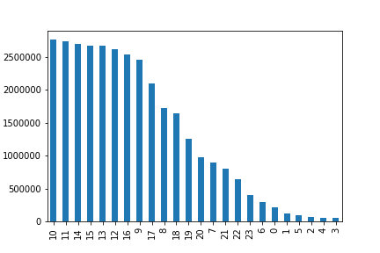

Number of orders placed daily, we can see busiest days for Instacart is Saturday and Sunday |  |  |  |  |  | Most orders ordered 9:00am and 5pm

Recommendation
For weekdays I would recommend running the adds Middle of the week, to encourage more orders to be placed. Maybe run adds for quick meal prep items, it will customers plan the quick dinner after a workday
It is not surprising to see Order numbers drop down after 5pm as many people might be travelling back home from work, I would advice to run more adds after 7 to 10pm to increase orders for that period of time

Question 2
They also want to know whether there are particular times of the day when people spend the most money, as this might inform the type of products they advertise at these times.
Answer

 |  |  |  | Average Product Prices purchased throughout the day, generally when you look at it there is not big difference on spenditure throughout the day

Recommendation
From the previous charts we know most customers place their orders between 9 and 11 am, but average spend per product lower then throughout of the day. Therefore I would recommend advertising higher cost items in these blocks.

Question 3
Instacart has a lot of products with different price tags. Marketing and sales want to use simpler price range groupings to help direct their efforts
Answer

Recommendation
We can see majority products Instacart sells Mid-range paced items. They will need to market High priced items and promote add on low priced items as add owns to their shopping cart.

Question 4
Are there certain types of products that are more popular than others? The marketing and sales teams want to know which departments have the highest frequency of product orders.
Answer

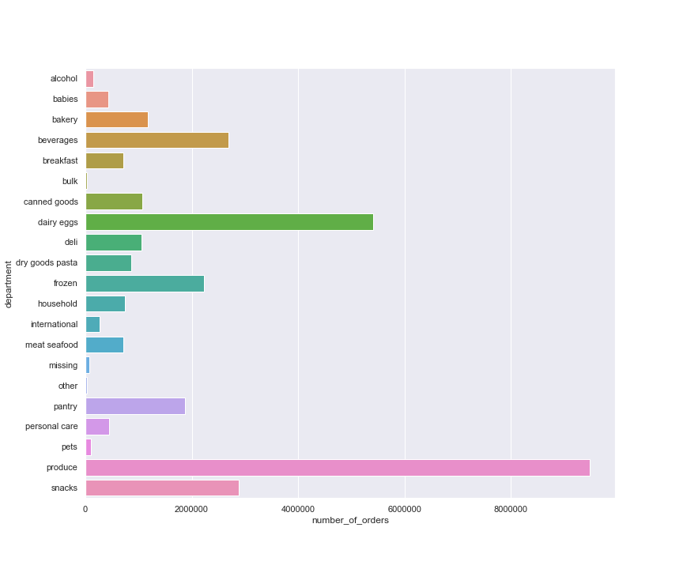

Recommendation
Items from produce department gets ordered most. I am surprised to see love number of products ordered from babies department as majority of Instacart customers have kids. Marketing for that department can deliver better results

Question 5
The marketing and sales teams are particularly interested in the different types of customers in their system and how their ordering behaviors differ. For example:

A)
What’s the distribution among users in regards to their brand loyalty (i.e., how often do they return to Instacart)?

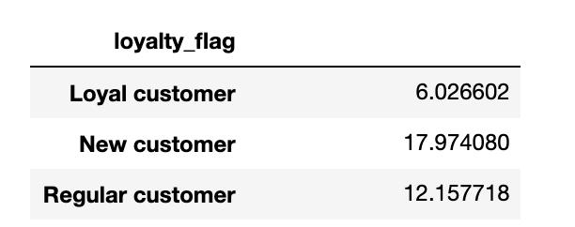
 |  | Breakdown of the customers with their loyalty level. It is great to see that 1/3 of the customers Loyal to Instacart

 |  |  |  | Loyal Customers on average order every 6 days, where regular customers order every 12 days and new customer every 18 days

 |  |  |  | Recommendation
 |  |  |  | Giving promotional coupons for new customers which expire in one week can encourage them to order more often

B)
Are there differences in ordering habits based on a customer’s loyalty status?
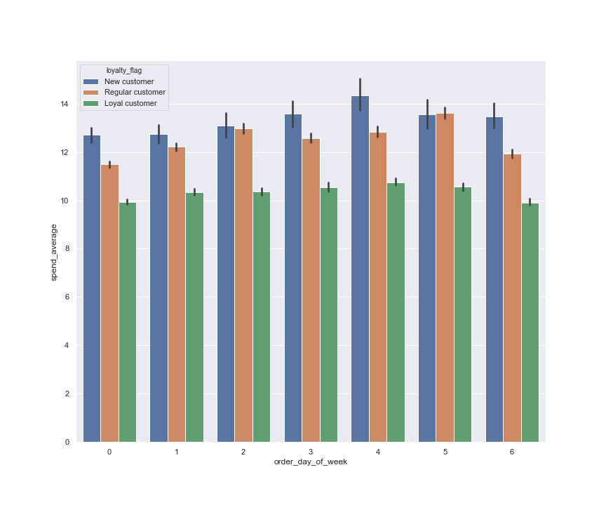

 |  |  |  |  |  | We can see on average customers spend more on Wednesdays, and new customers spend more than regular and royal customers. Instacart marketing team should focus on retaking those customers.

C)
Are there differences in ordering habits based on a customer’s region?

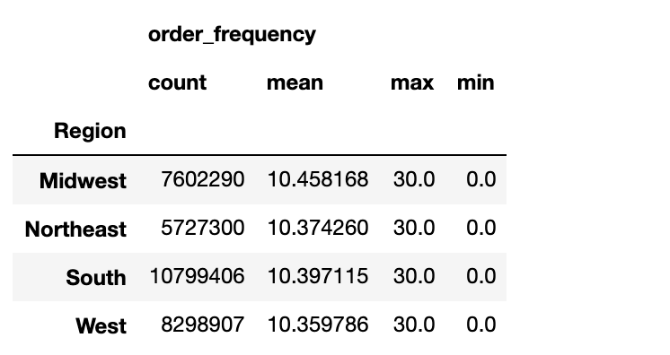
 | South Region orders more than other regions, however we can see on average customers from every region orders every 10 days

D)
Is there a connection between age and family status in terms of ordering habits?

 |  |  |  |  |  | - Young Singles and Young Families (parents under 30year) on average spend more on Thursdays Families with kids where parents over 30 on average spend more on weekdays than weekends.

E)
What different classifications does the demographic information suggest? Age? Income? Certain types of goods? Family status?

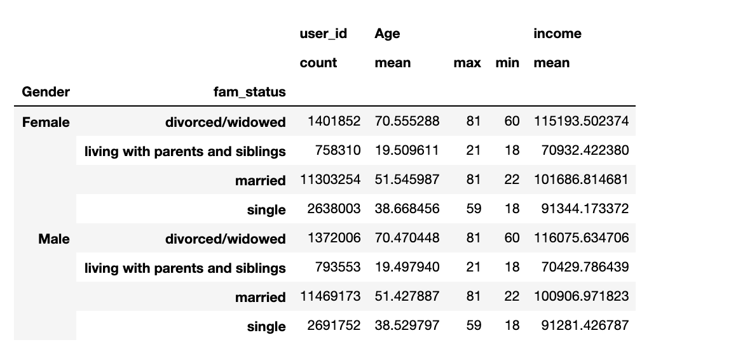

 |  |  | We can see produce department is most popular among different family statuses



 |  |  | Banana is most ordered product

D)
What differences can you find in ordering habits of different customer profiles? Consider the price of orders, the frequency of orders, the products customers are ordering, and anything else you can think of.

 |  |  |  |  | From this scatterplot we can see older age group of customers make more money. Additionally we can see that after age of 40 we have much more users who is income from 100 k to 180k. .

 |  |  |  |  | Promoting luxury grocery items to customers over 40 years old can drive the sales up on more expensive products.

