640
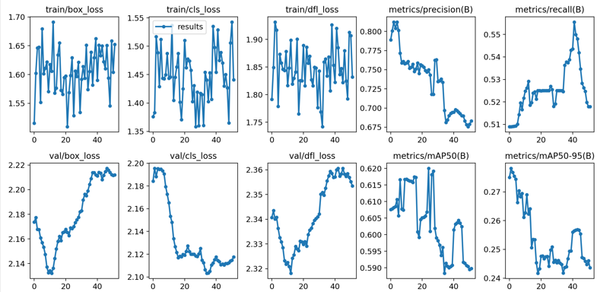
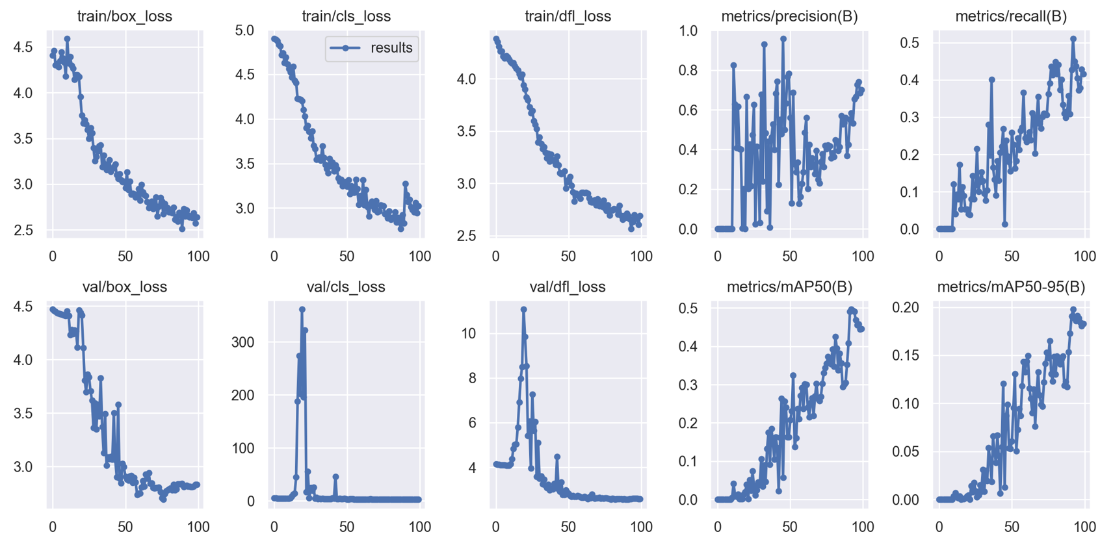
 | epochs | batch | imgsz | optimizer | lr0 | momentum | weight_decay
1 | 100 | 8 | 640 | SGD | 0.01 | 0.937 | 0.0005

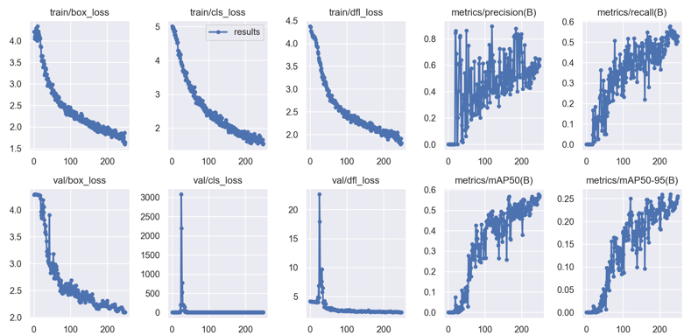
2 | 250 | 16 | 768 | SGD | 0.01 | 0.937 | 0.0005

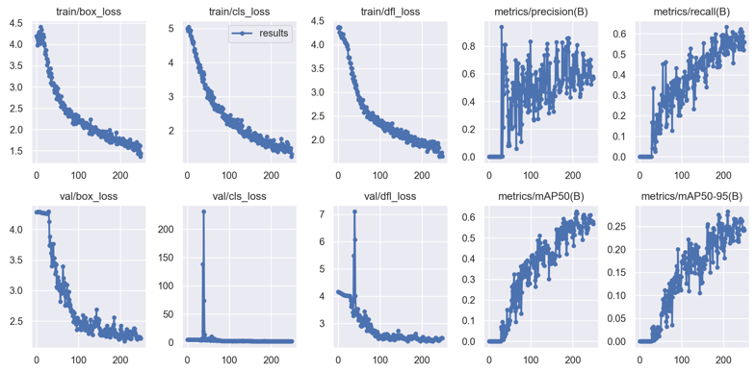
3 | 250 | 32 | 768 | SGD | 0.01 | 0.937 | 0.0005

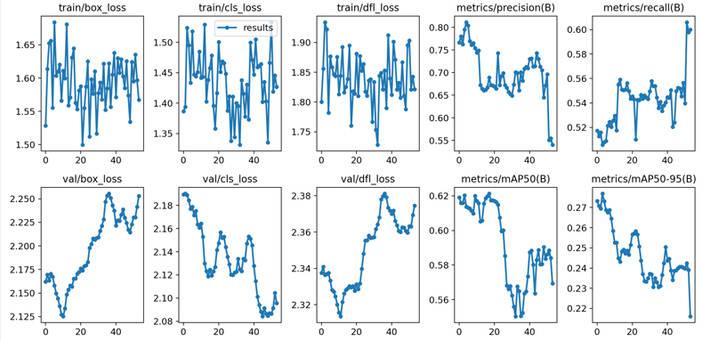
4 | 300 | 128 | 768 | SGD | 0.001 | 0.937 | 0.0005

5 | 500 | 128 | 768 | GSD | 0.001 | 0.937 | 0.0005

