QR Master
JGC Equipment QR Code Master Register
Source | Codes.docx | Created On | 2026-05-11

S.No | Equipment Serial / Plate No. | QR Data | QR Code Image | QR Image File Name | Duplicate Check | Status | Remarks
1 | 7670-SAA | 7670-SAA |  | QR_7670_SAA.png | Unique | Active
2 | 2916-RAA | 2916-RAA |  | QR_2916_RAA.png | Unique | Active
3 | 4543-ZAA | 4543-ZAA |  | QR_4543_ZAA.png | Unique | Active
4 | 8890-NAA | 8890-NAA |  | QR_8890_NAA.png | Unique | Active
5 | TL-18202279 | TL-18202279 |  | QR_TL_18202279.png | Unique | Active
6 | TL-18202298 | TL-18202298 |  | QR_TL_18202298.png | Unique | Active
7 | 3915-VAA | 3915-VAA | 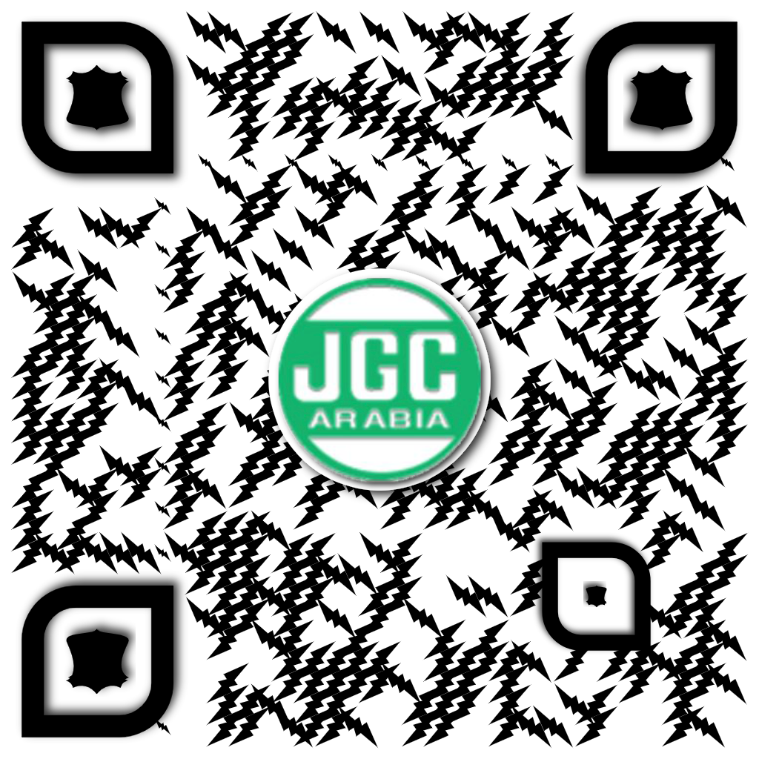 | QR_3915_VAA.png | Unique | Active
8 | 1153-NAA | 1153-NAA |  | QR_1153_NAA.png | Unique | Active
9 | 1773-ESA | 1773-ESA |  | QR_1773_ESA.png | Unique | Active
10 | 5828-ZAA | 5828-ZAA |  | QR_5828_ZAA.png |  | Active
12 | 7917-SAA | 7917-SAA |  | QR_7917_SAA.png | Unique | Active
13 | 1993-TAA | 1993-TAA |  | QR_1993_TAA.png | Unique | Active
14 | 2881-TAA | 2881-TAA |  | QR_2881_TAA.png | Unique | Active
15 | 1727-RAA | 1727-RAA |  | QR_1727_RAA.png | Unique | Active

Print Labels
Equipment QR Code Print Labels

7670-SAA | 2916-RAA

 | 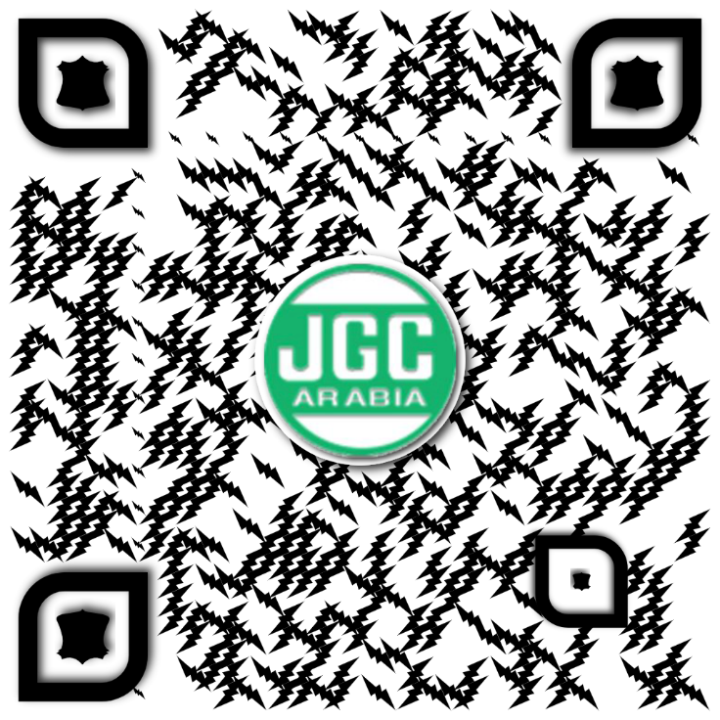

4543-ZAA | 8890-NAA
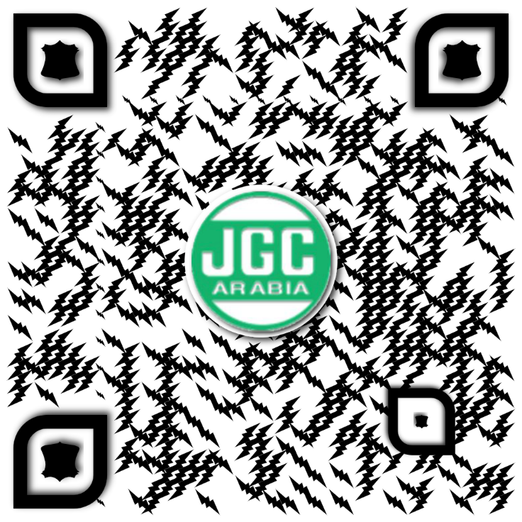 | 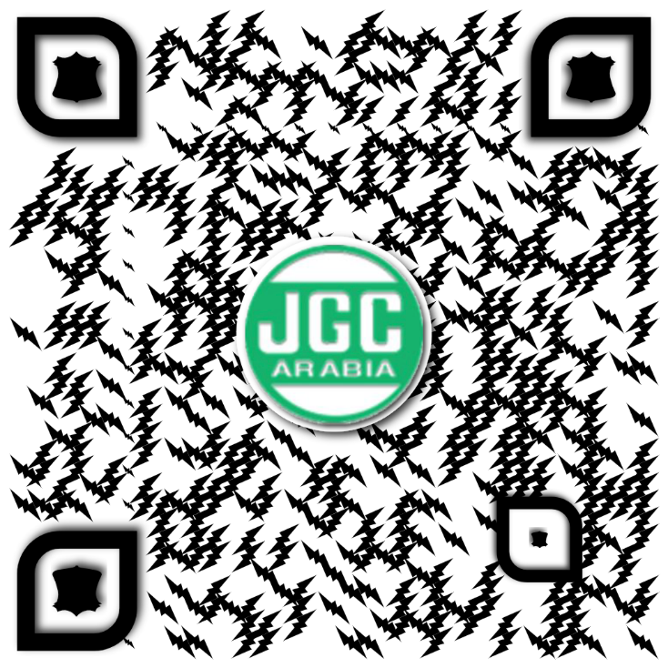

TL-18202279 | TL-18202298

 Scan for equipment inspection record | 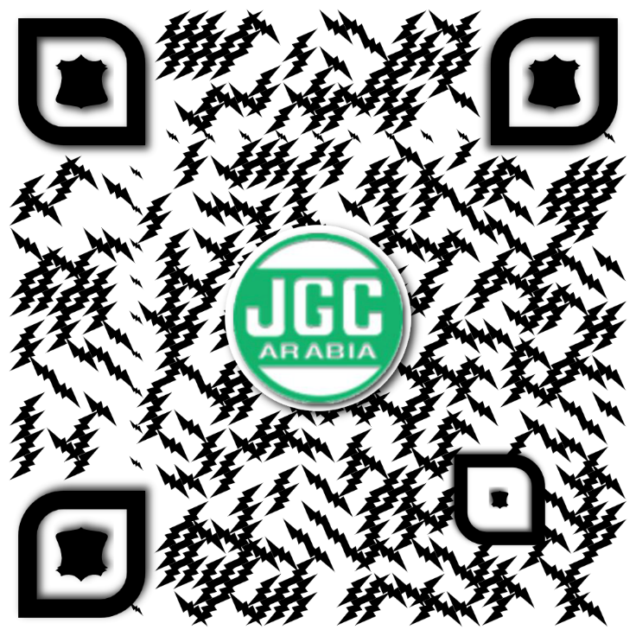 Scan for equipment inspection record

3915-VAA | 1153-NAA

Scan for equipment inspection record | Scan for equipment inspection record
 | 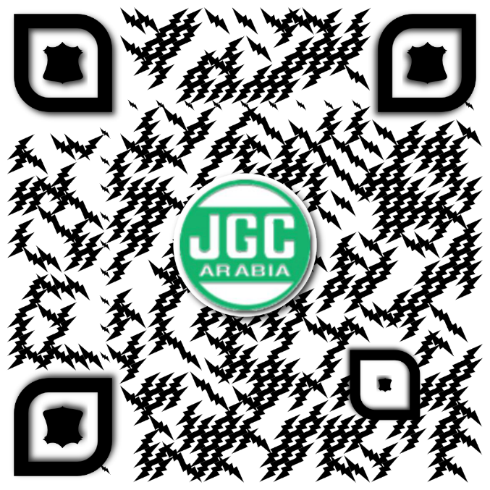
1773-ESA | 5828-ZAA

Scan for equipment inspection record | Scan for equipment inspection record

7917-SAA | 1993-TAA

Scan for equipment inspection record | Scan for equipment inspection record

2881-TAA | 1727-RAA

Scan for equipment inspection record | Scan for equipment inspection record
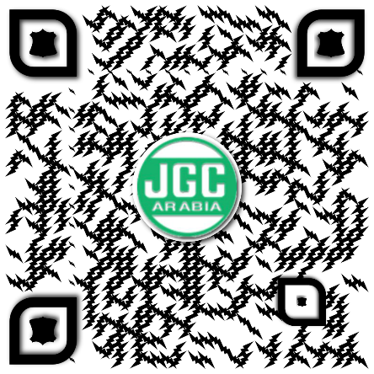 | 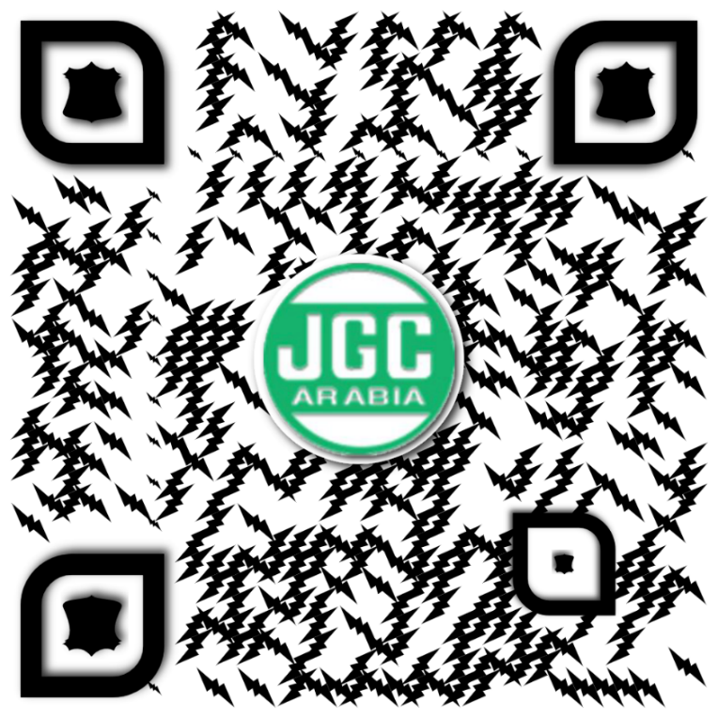

EXECUTIVE DASHBOARD
DASHBOARD

TOTAL EQUIPMENT |  |  | EXPIRED |  |  | URGENT ≤ 7 DAYS |  | WATCH ≤ 30 DAYS |  | VALID
39 |  |  | 2 |  |  | 1 |  | 2 |  | 20

STATUS SUMMARY |  |  |  | COMPANY SUMMARY |  |  |  | TOP EQUIPMENT TYPES
EXPIRED | 2 | 8.0% |  | Company | Total | Expired | Urgent | Type | Total
URGENT | 1 | 4.0% |  | TCC(WIP) | 26 | 0 | 1 | DUMP TRUCK | 8
WATCH | 2 | 8.0% |  | AURCO(WIP) | 9 | 1 | 0 | CONCRETE VIBRATOR | 5
VALID | 20 | 80.0% |  | AURCO (WIP) | 2 | 1 | 0 | BAR CUTTER | 3
TOTAL | 25 | 100% |  | TCC | 2 | 0 | 0 | BACKHOE LOADER | 2
 |  |  |  |  |  |  |  | ROLLER COMPACTOR | 2
 |  |  |  |  |  |  |  | WHEEL LOADER | 2
Compliance Status
Company Risk Summary
Top Equipment Types
 |  |  |  |  |  |  |  | PLATE COMPACTOR | 2
 |  |  |  |  |  |  |  | BAR FORMING | 2

QUICK LINKS
MASTER REGISTER
EXPIRY WATCHLIST
ACTION TRACKER
PREVENTIVE MAINTENANCE
DOCUMENT COMPLIANCE

SUMMARY
Crane Operator Certification |  |  |  |  | Rigger Certification |  |  |  |  | Heavy Equipment Operator Certification
Division | SA Certified | Non-SA Certified | 3rd Party Cert. | NO 3rd Party Cert. | Division | SA Certified | Non-SA Certified | 3rd part Cert. | NO 3rd Parfty Cert. | Division | SA Certified | Non-SA Certified | 3rd Party Cert. | NO 3rd Party Cert. | Others- NO Heavy SAG License
ISF | 0 | 5 | 5 | 0 | ISF | 0 | 7 | 7 | 0 | ISF | 7 | 40 | 33 | 0 | 9
MARINE | 2 | 1 | 1 | 0 | MARINE | 4 | 10 | 10 | 0 | MARINE | 6 | 9 | 9 | 0 | 0
CPD | 2 | 21 | 21 | 0 | CPD | 2 | 19 | 19 | 0 | CPD | 5 | 70 | 70 | 0 | 17
CIPD | 0 | 28 | 28 | 0 | CIPD | 6 | 24 | 24 | 0 | CIPD | 0 | 91 | 67 | 25 | 56
LOG | 0 | 0 | 0 | 0 | LOG | 0 | 0 | 0 | 0 | LOG | 0 | 5 | 5 | 0 | 0
TOTAL | 4 | 55 | 55 | 0 | TOTAL | 12 | 60 | 60 | 0 | TOTAL | 18 | 215 | 184 | 25 | 82

Crane Operator Certification
Rigger Certification
HE Operator Certification

