InputFormat
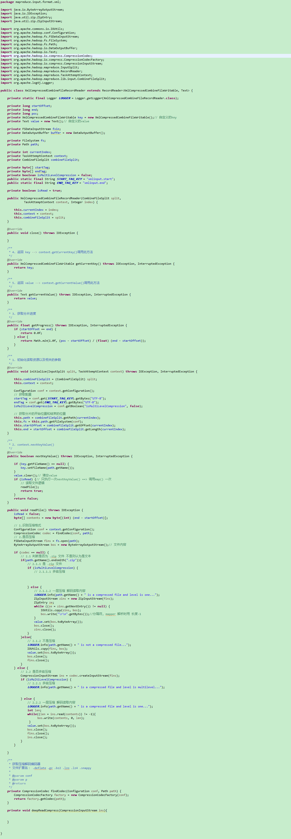
1.文本
CombineFileInputFormat.class
设置最小splitsize
2.压缩
hadoop本地库内置压缩库，只要支持该压缩格式，mapreduce会自动解压缩读取
压缩文件不可切片

3.小文件分片
CombineTextInputFormat
CombineTextInputFormat.setMaxInputSplitSize

4.xml压缩（需自定义）
XmlCompressedFileInputFormat

需自定义XmlRecordReader、mapper key-value

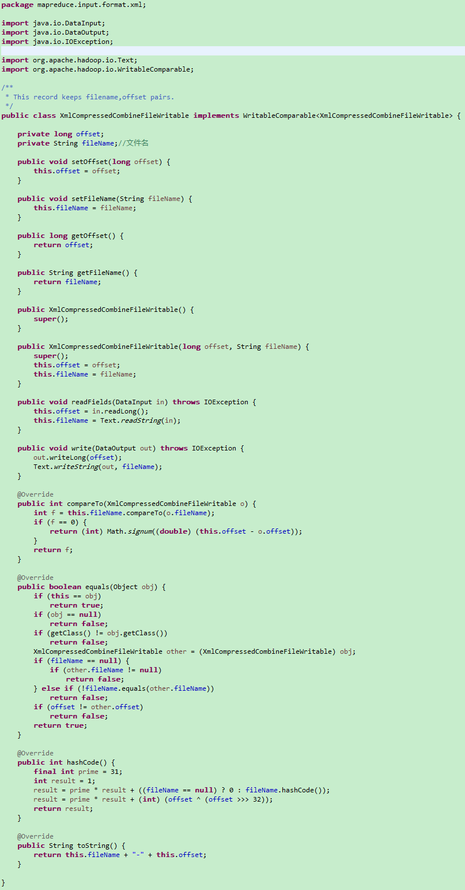
自定义Mapper输入key为 文件名
XmlCompressedCombineFileWritable.class
package mapreduce.input.format.xml;

import java.io.DataInput;
import java.io.DataOutput;
import java.io.IOException;

import org.apache.hadoop.io.Text;
import org.apache.hadoop.io.WritableComparable;

/**
* This record keeps filename,offset pairs.
*/
public class XmlCompressedCombineFileWritable implements WritableComparable<XmlCompressedCombineFileWritable> {

 | private long offset;
 | private String fileName;//文件名

 | public void setOffset(long offset) {
 |  | this.offset = offset;
 | }

 | public void setFileName(String fileName) {
 |  | this.fileName = fileName;
 | }

 | public long getOffset() {
 |  | return offset;
 | }

 | public String getFileName() {
 |  | return fileName;
 | }

 | public XmlCompressedCombineFileWritable() {
 |  | super();
 | }

 | public XmlCompressedCombineFileWritable(long offset, String fileName) {
 |  | super();
 |  | this.offset = offset;
 |  | this.fileName = fileName;
 | }

 | public void readFields(DataInput in) throws IOException {
 |  | this.offset = in.readLong();
 |  | this.fileName = Text.readString(in);
 | }

 | public void write(DataOutput out) throws IOException {
 |  | out.writeLong(offset);
 |  | Text.writeString(out, fileName);
 | }

 | @Override
 | public int compareTo(XmlCompressedCombineFileWritable o) {
 |  | int f = this.fileName.compareTo(o.fileName);
 |  | if (f == 0) {
 |  |  | return (int) Math.signum((double) (this.offset - o.offset));
 |  | }
 |  | return f;
 | }

 | @Override
 | public boolean equals(Object obj) {
 |  | if (this == obj)
 |  |  | return true;
 |  | if (obj == null)
 |  |  | return false;
 |  | if (getClass() != obj.getClass())
 |  |  | return false;
 |  | XmlCompressedCombineFileWritable other = (XmlCompressedCombineFileWritable) obj;
 |  | if (fileName == null) {
 |  |  | if (other.fileName != null)
 |  |  |  | return false;
 |  | } else if (!fileName.equals(other.fileName))
 |  |  | return false;
 |  | if (offset != other.offset)
 |  |  | return false;
 |  | return true;
 | }

 | @Override
 | public int hashCode() {
 |  | final int prime = 31;
 |  | int result = 1;
 |  | result = prime * result + ((fileName == null) ? 0 : fileName.hashCode());
 |  | result = prime * result + (int) (offset ^ (offset >>> 32));
 |  | return result;
 | }

 | @Override
 | public String toString() {
 |  | return this.fileName + "-" + this.offset;
 | }

}

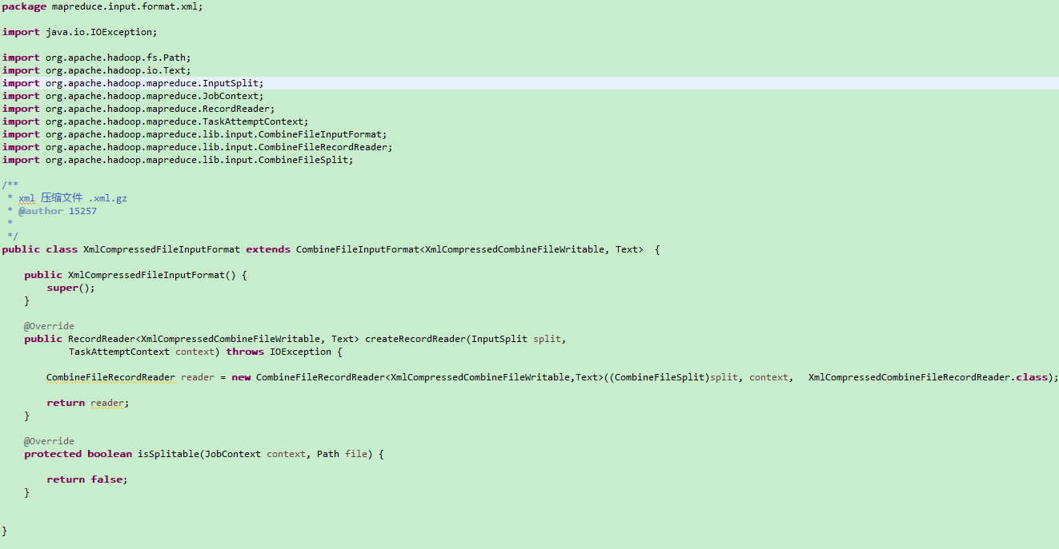
XmlCompressedFileInputFormat.class

package mapreduce.input.format.xml;

import java.io.IOException;

import org.apache.hadoop.fs.Path;
import org.apache.hadoop.io.Text;
import org.apache.hadoop.mapreduce.InputSplit;
import org.apache.hadoop.mapreduce.JobContext;
import org.apache.hadoop.mapreduce.RecordReader;
import org.apache.hadoop.mapreduce.TaskAttemptContext;
import org.apache.hadoop.mapreduce.lib.input.CombineFileInputFormat;
import org.apache.hadoop.mapreduce.lib.input.CombineFileRecordReader;
import org.apache.hadoop.mapreduce.lib.input.CombineFileSplit;

/**
* xml 压缩文件 .xml.gz
* @author 15257
*
*/
public class XmlCompressedFileInputFormat extends CombineFileInputFormat<XmlCompressedCombineFileWritable, Text> {

 | public XmlCompressedFileInputFormat() {
 |  | super();
 | }

 | @Override
 | public RecordReader<XmlCompressedCombineFileWritable, Text> createRecordReader(InputSplit split,
 |  |  | TaskAttemptContext context) throws IOException {

 |  | CombineFileRecordReader reader = new CombineFileRecordReader<XmlCompressedCombineFileWritable,Text>((CombineFileSplit)split, context, | XmlCompressedCombineFileRecordReader.class);

 |  | return reader;
 | }

 | @Override
 | protected boolean isSplitable(JobContext context, Path file) {

 |  | return false;
 | }

}

XmlCompressedCombineFileRecordReader

输入文件路径Filter
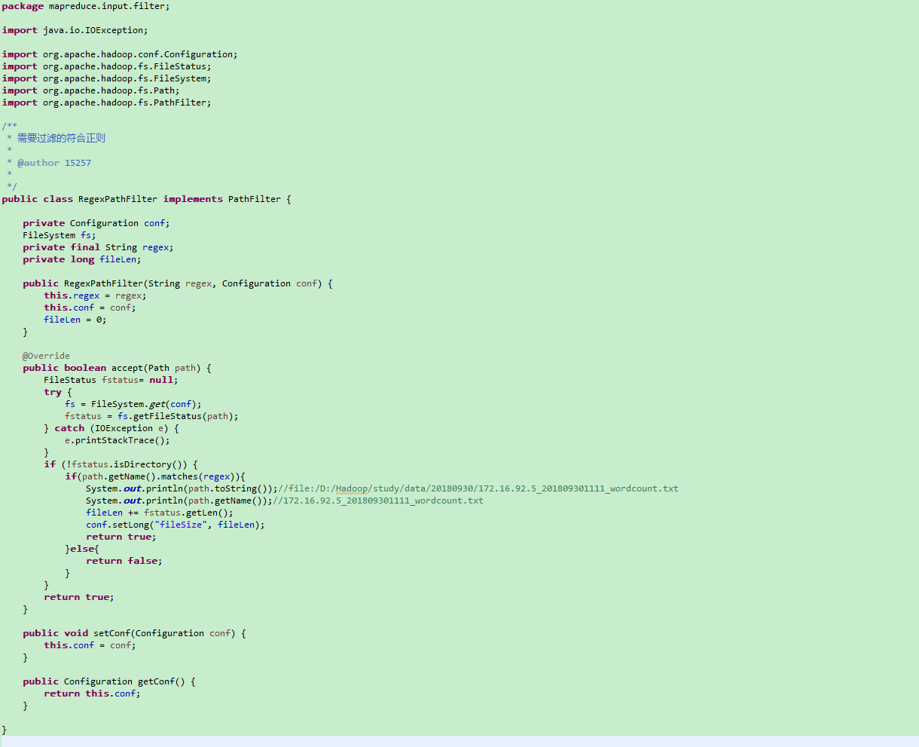
1.自定义RegexPathFilter implements PathFilter |  |  |  | FileSystem fileSystem = FileSystem.get(conf);

package mapreduce.input.filter; |  |  |  | //TODO 文件名过滤 - 通配符过滤 pathPattern
 |  |  |  | Path pathPattern = new Path(args[0] + File.separator + args[1] + File.separator +"*");
import java.io.IOException; |  |  |  | FileStatus[] fileStatus = fileSystem.globStatus(pathPattern, new RegexPathFilter("^.*[_]" + args[1] + args[2] + "\\d+[_].*$", conf));

import org.apache.hadoop.conf.Configuration; |  |  |  | if(fileStatus.length == 0){
import org.apache.hadoop.fs.FileStatus; |  |  |  |  | System.out.println("没有符合的文件,退出程序...");
import org.apache.hadoop.fs.FileSystem; |  |  |  |  | System.exit(-1);
import org.apache.hadoop.fs.Path; |  |  |  | }
import org.apache.hadoop.fs.PathFilter;
 |  |  |  | System.out.println(conf.getLong("fileSize", 0));
/** |  |  |  | Path[] inputPaths = FileUtil.stat2Paths(fileStatus);
* 需要过滤的符合正则 |  |  |  |  | FileInputFormat.setInputPaths(job, inputPaths);
*
* @author 15257
*
*/
public class RegexPathFilter implements PathFilter {

 | private Configuration conf;
 | FileSystem fs;
 | private final String regex;
 | private long fileLen;

 | public RegexPathFilter(String regex, Configuration conf) {
 |  | this.regex = regex;
 |  | this.conf = conf;
 |  | fileLen = 0;
 | }

 | @Override
 | public boolean accept(Path path) {
FileStatus fstatus= null;
try {
fs = FileSystem.get(conf);
fstatus = fs.getFileStatus(path);
} catch (IOException e) {
e.printStackTrace();
}
if (!fstatus.isDirectory()) {
 | if(path.getName().matches(regex)){
 |  | System.out.println(path.toString());//file:/D:/Hadoop/study/data/20180930/172.16.92.5_201809301111_wordcount.txt
 |  |  | System.out.println(path.getName());//172.16.92.5_201809301111_wordcount.txt
 |  |  | fileLen += fstatus.getLen();
 |  |  | conf.setLong("fileSize", fileLen);
 |  |  | return true;
 |  | }else{
 |  |  | return false;
 |  | }
}
 |  | return true;
 | }

 | public void setConf(Configuration conf) {
 |  | this.conf = conf;
 | }

 | public Configuration getConf() {
 |  | return this.conf;
 | }

}

quickSort的调用方法
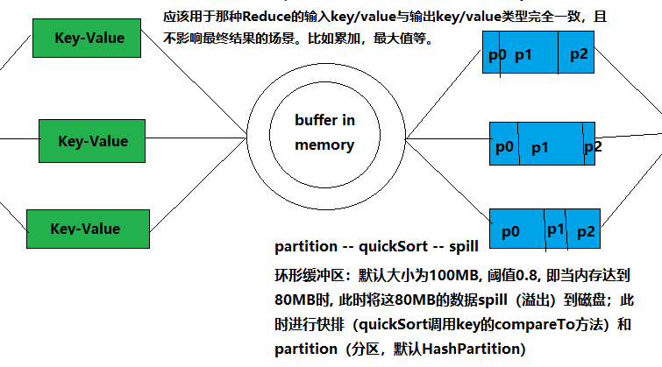
shuffle阶段

meger - 归并排序
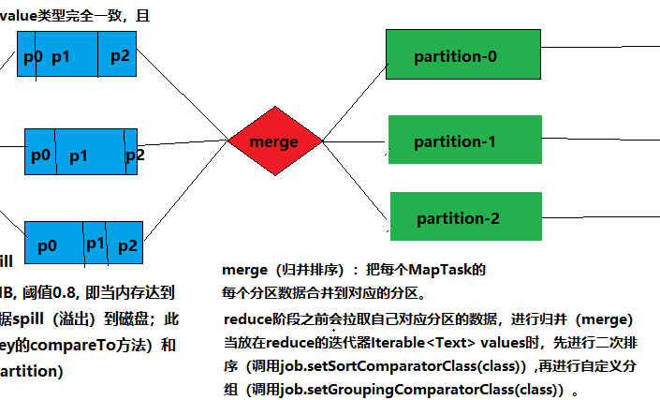
merge：
先会在当前节点merge一次，然后shuffle后把所以节点的属于同一分区的再进行一次merge

