Sheet1
VARIABLES
Variables | Defination | Examples
Continuous | Numeric variables that can take any value within a range. They have an infinite number of possible values and can be measured with great precision. | Height, weight, temperature, age, and income.
Discrete | Countable and distinct values with clear separations between them. These variables can only take on specific, separate values, usually integers. | Number of children in a family, number of cars in a parking lot, or the count of defects in a product.
Categorical | Represent categories or labels, and each observation falls into one of these categories. These categories may or may not have a specific order. | Gender (male, female), colors (red, blue, green), or types of fruits (apple, banana, orange).
Binary | Specific type of categorical variable with only two possible outcomes or categories. | Yes/No, True/False, 0/1, presence/absence, success/failure.
Ordinal | Represent categories with a clear order or ranking. While the distances between categories may not be uniform or meaningful, there is a meaningful order. | Educational levels (elementary, high school, college), customer satisfaction ratings (poor, satisfactory, excellent), or socio-economic classes (lower class, middle class, upper class).

CHARTS
Charts | Purpose | Examples
Scatterplots | Visualize the relationship between two continuous variables. Each point on the plot represents a unique combination of values for the two variables. | 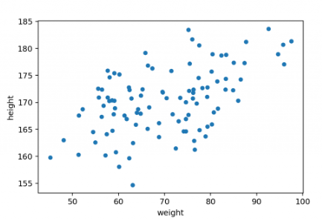
Time Series | Visualize the variation in a variable over time. The variable of interest is usually measured at different points in time, and the time series plot shows how it changes over the specified time period. | 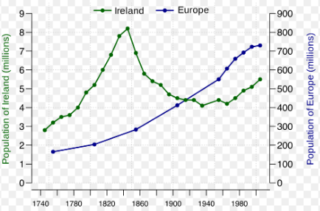
Histogram | Visualize the distribution of a single continuous variable. The variable is divided into intervals or bins, and the height of each bar represents the frequency or count of observations falling into that interval. | 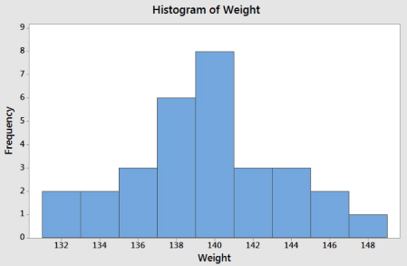
Boxplots | Visualize the distribution and summary statistics (median, quartiles, outliers) of a continuous variable or for comparing the distributions of different variables. They are particularly helpful for identifying central tendency and spread. | 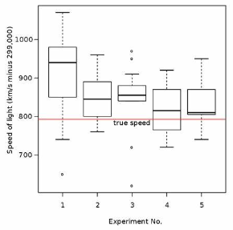
Individual Value Plots | Display the individual data points for one or more variables. They are particularly useful when the number of observations is relatively small, and you want to see the distribution of values. | 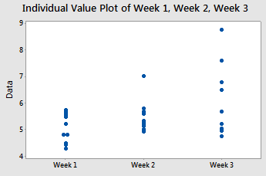
Bar Charts | Visualize the distribution of a categorical variable. The height of each bar represents the frequency or count of observations in each category. | 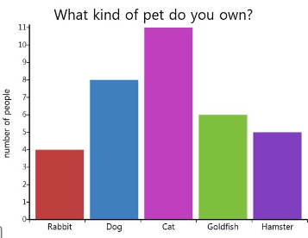
Pie Charts | Visualize the distribution of a categorical variable. Each "slice" of the pie corresponds to a category, and the size of each slice represents the proportion or percentage of observations in that category. | 