DENSITY
 | Density Report |  |  |  |  | Garment Dimensions
 | BRAND | Select Brand |  |  |  | REQUIRED FOR ALL STYLES |  |  | ATTACH A PICTURE * ONLY FOR DEAD BODY GARMENT PLACEMENT
 | Style/Article | Select style | Select Article |  |  | Garment thickness cm |  |  | Length cm |  |  | Width cm
 | Purchase Order |  | select PO Type | Select Delivery # |  |  |  |  | 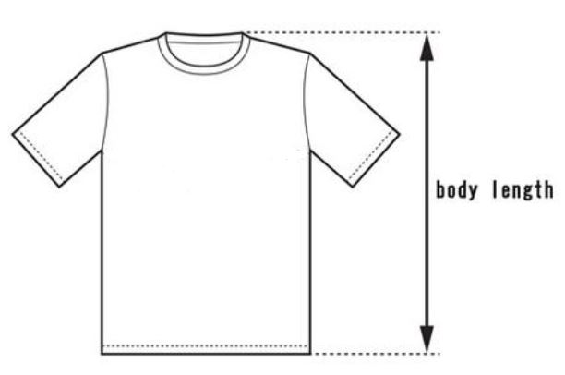 |  |  | 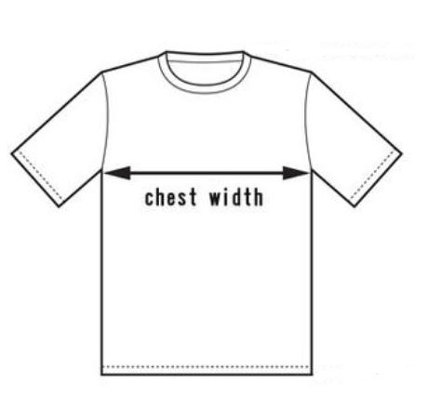
 | Type of Box | Select Box Type
 | Carton Dimension | LENGTH | WIDTH | HEIGHT
 | Special BOX Dimension | Special | Special | Special
 | Plancha Label | Select Plancha Label
 | Shipment Mode | Select Shipment Mode
 | GtoP Certified Cardboard | Select GtoP Certified

 | FOLLOW BELOW PERSPECTIVE FOR EACH SIZE |  | Select Size |  | Select Size |  | Select Size |  | Select Size |  | Select Size |  | Select Size |  | Select Size |  | Select Size
 |  | Pieces per carton | Select PpC | Pieces per carton | Select PpC | Pieces per carton | Select PpC | Pieces per carton | Select PpC | Pieces per carton | Select PpC | Pieces per carton | Select PpC | Pieces per carton | Select PpC | Pieces per carton | Select PpC
 |  | Gross Weight (kgs) | Select GW | Gross Weight (kgs) | Select GW | Gross Weight (kgs) | Select GW | Gross Weight (kgs) | Select GW | Gross Weight (kgs) | Select GW | Gross Weight (kgs) | Select GW | Gross Weight (kgs) | Select GW | Gross Weight (kgs) | Select GW
 | PICTURE 1
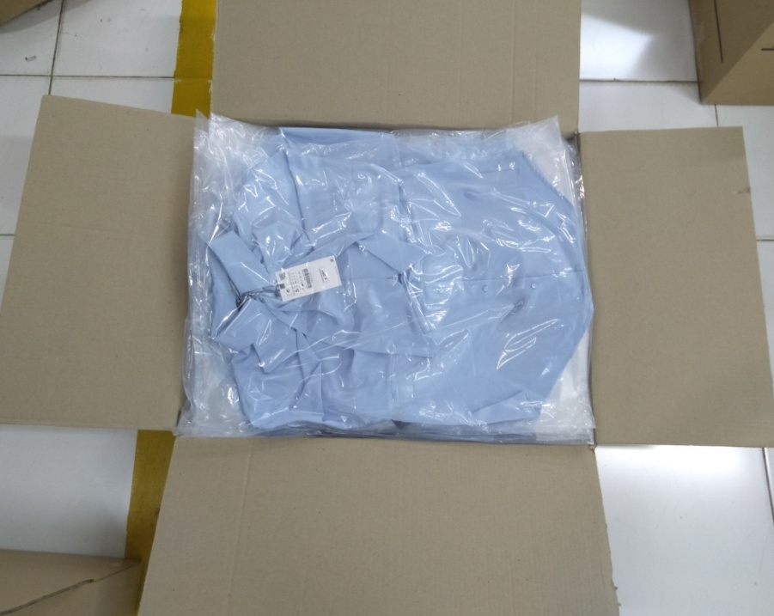

 | PICTURE 2
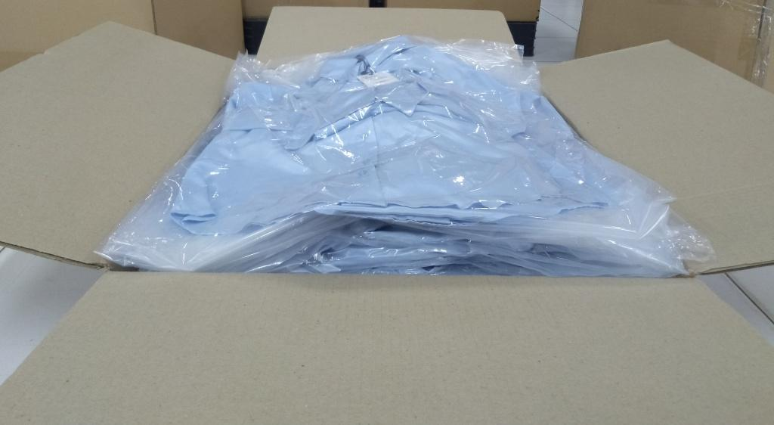

 | PICTURE 3
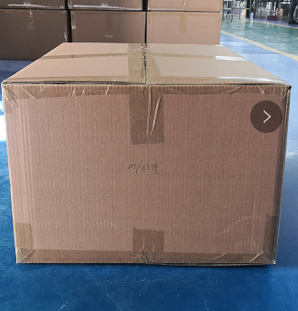

DR_V14

