Summary
Cluster | Label | Outlet Count | % of Total | Avg Monthly Rev (VPO) | Avg Total Revenue | Avg SKU Count | Avg Active Months | Recommended Action
0 | Urban High-Footfall Daily Refreshment GT | 775 | 15.5 | 7896.1 | 87342.7 | 18.8 | 10.8 | Optimize chiller planogram for premium and impulse SKUs, ensuring prominent placement and full range availability of high-margin beverage and snack items. Drive secondary display compliance for key brands.
1 | Deep Rural Affordability GT | 1531 | 30.6 | 2696 | 12694.5 | 9.3 | 4 | Focus on ensuring 100% numeric distribution of core hero SKUs and entry-level Rs. 5/10 price-pack formats. Implement simple, high-visibility POSM for affordability messaging.
2 | Urban Premium Modern Trade | 144 | 2.9 | 5968.1 | 67065.2 | 17.1 | 10.3 | Ensure planogram compliance for premium SKUs, focusing on full range availability and secondary displays for new product launches. Implement targeted promotions for multi-pack and larger formats.
3 | Urban Kirana Everyday Essentials | 1918 | 38.4 | 2543.1 | 26337.1 | 12.3 | 10 | Improve cooler penetration from 52% to 70% in high-potential outlets to drive chilled beverage sales. Implement a 'Must-Stock List' for core, high-turnover SKUs to maximize availability.
4 | Urban Transit Impulse GT | 621 | 12.4 | 3206 | 33580.6 | 12.1 | 9.9 | Prioritize counter-top displays and visible merchandising for single-serve, grab-and-go beverage and snack SKUs. Introduce combo offers (e.g., beverage + snack) at Rs. 20-30 price points.
5 | Metro High-Income Periphery GT | 11 | 0.2 | 3001.6 | 33668.9 | 12.8 | 10.9 | Conduct a deep dive into premium category sales potential, given the high-income demographic. Introduce aspirational SKUs and larger pack sizes suitable for household stock-up, leveraging the high footfall.

Avg Monthly Revenue (VPO) per Segment

Outlet Count by Segment

Cluster Overview
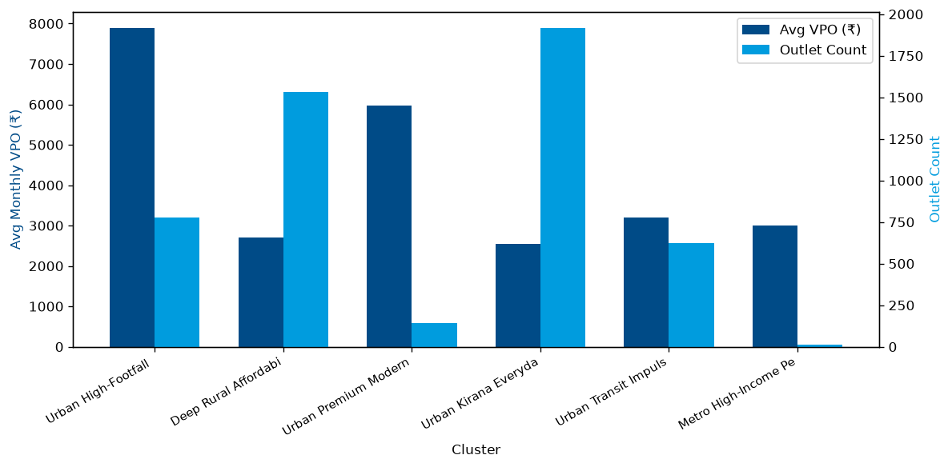

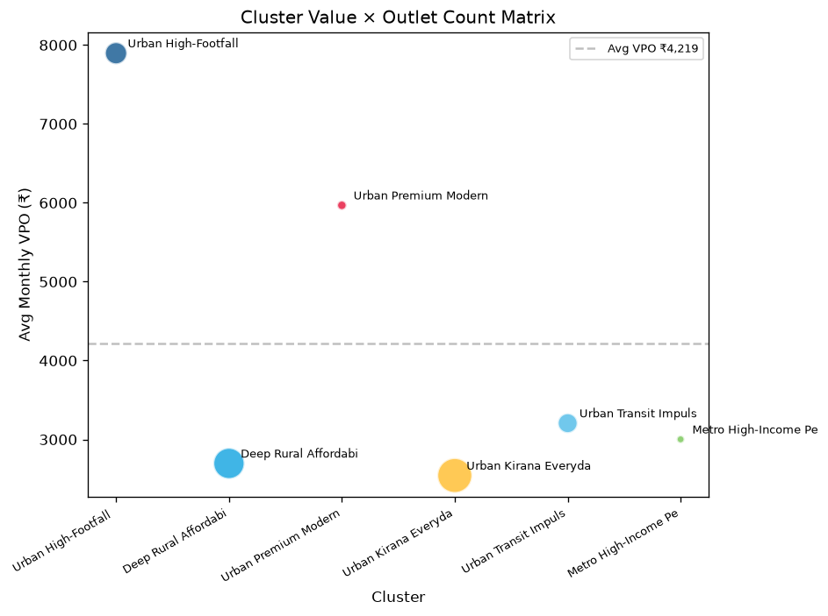

Radar Charts
