Bug 1
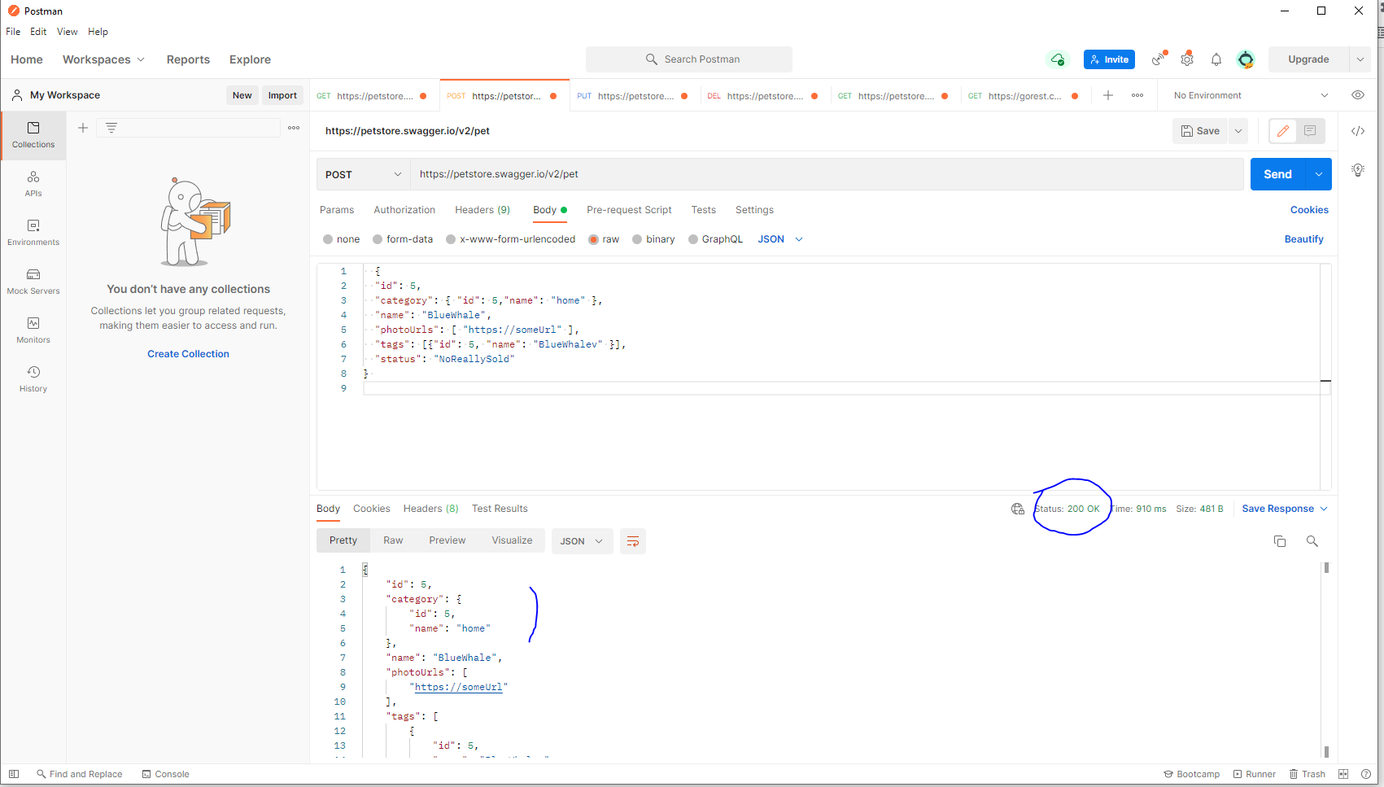
Category | Label | Value
Bug ID | ID number | #1
 | Name | Invalid parameter type in Body is not validated while creating a new resource (POST /pet)
 | Reporter | Fabio Santoro
 | Submit Date | 2021-09-15
Bug overview | Summary | Negative scenarios aimed at ensuring that, as per swagger, validation was conducted at the backend for the following invalid scenarios did not accur : 1) status(not in the enum range) 2) Invalid name (a digit/number)
 | URL | https://petstore.swagger.io/v2/pet
 | Screenshot | attached beside
Environment | Platform | Windows
 | Operating System | Win 10
 | Browser | PostMan
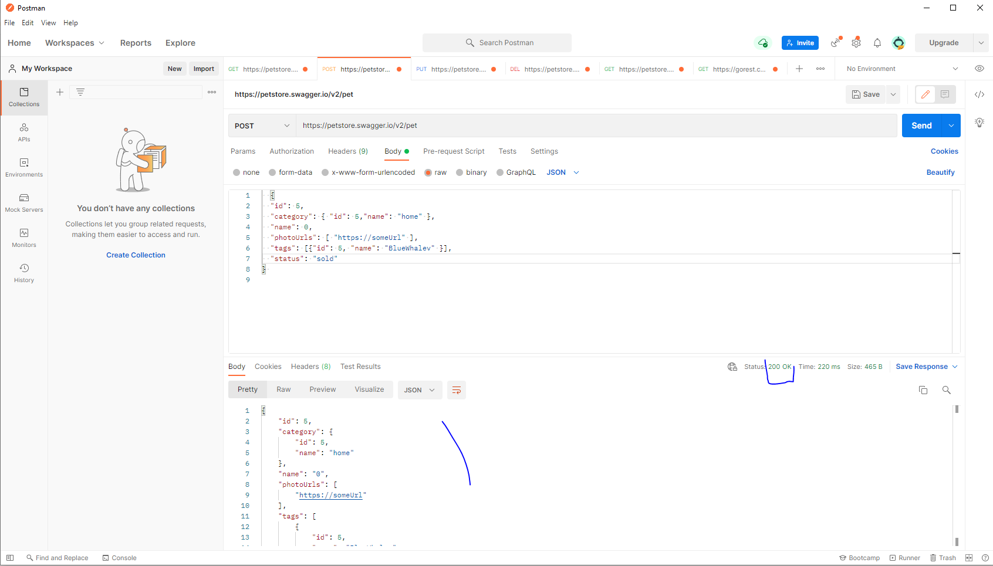
Bug details | Steps to reproduce | Create a POST request with post man using the following body Scenario 1 (invalid Enum): { "id": 5, "category": { "id": 5,"name": "home" }, "name": "BlueWhale", "photoUrls": [ "https://someUrl" ], "tags": [{"id": 5, "name": "BlueWhalev" }], "status": "NoReallySold" } Scenario 2 (name as a number): { "id": 5, "category": { "id": 5,"name": "home" }, "name": 0, "photoUrls": [ "https://someUrl" ], "tags": [{"id": 5, "name": "BlueWhalev" }], "status": "sold" }
 | Expected result | The JSON should be rejected as not valid and the server should return a 400 Bad Request with an appropriate reponse message
 | Actual result | The service returned a 200 Ok
 | Data
Bug tracking | Severity | Major
 | Assigned to | /
 | Priority | Major
Notes | Notes | /

Bug 2
Category | Label | Value
Bug ID | ID number | #2
 | Name | Missing required property in the Body is not validated while creating a new resource (POST /pet)

 | Reporter | Fabio Santoro
 | Submit Date | 2021-09-15
Bug overview | Summary | Negative scenarios aimed at ensuring that, as per swagger, validation was conducted at the backend for the following invalid scenarios did not accur : 1) Missing required property "name" 2) Missing required property "photoUrls"
 | URL | https://petstore.swagger.io/v2/pet
 | Screenshot | attached beside
Environment | Platform | Windows
 | Operating System | Win 10
 | Browser | PostMan
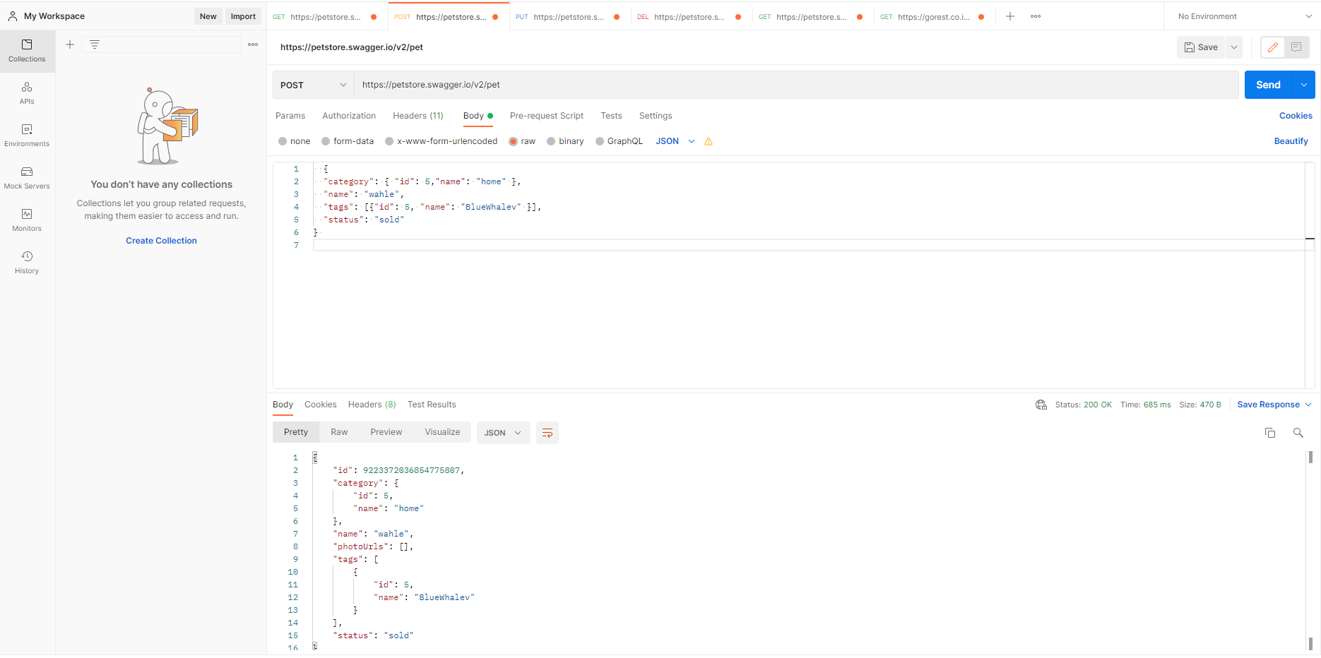
Bug details | Steps to reproduce | Create a POST request with post man using the following body Scenario 1 (missing required "name"): { "id": 5, "category": { "id": 5,"name": "home" }, "photoUrls": [ "https://someUrl" ], "tags": [{"id": 5, "name": "BlueWhalev" }], "status": "NoReallySold" } Scenario 2 (missing required "photoUrls*"):: { "category": { "id": 5,"name": "home" }, "name": "wahle", "tags": [{"id": 5, "name": "BlueWhalev" }], "status": "sold" }
 | Expected result | The JSON should be rejected as not valid and the server should return a 400 Bad Request with an appropriate reponse message
 | Actual result | The service returned a 200 Ok
 | Data
Bug tracking | Severity | Major
 | Assigned to | /
 | Priority | Major
Notes | Notes | /

Bug 3
Category | Label | Value
Bug ID | ID number | #3
 | Name | Missing required property in the Body is not validated while updating a new resource (PUT /pet)
 | Reporter | Fabio Santoro
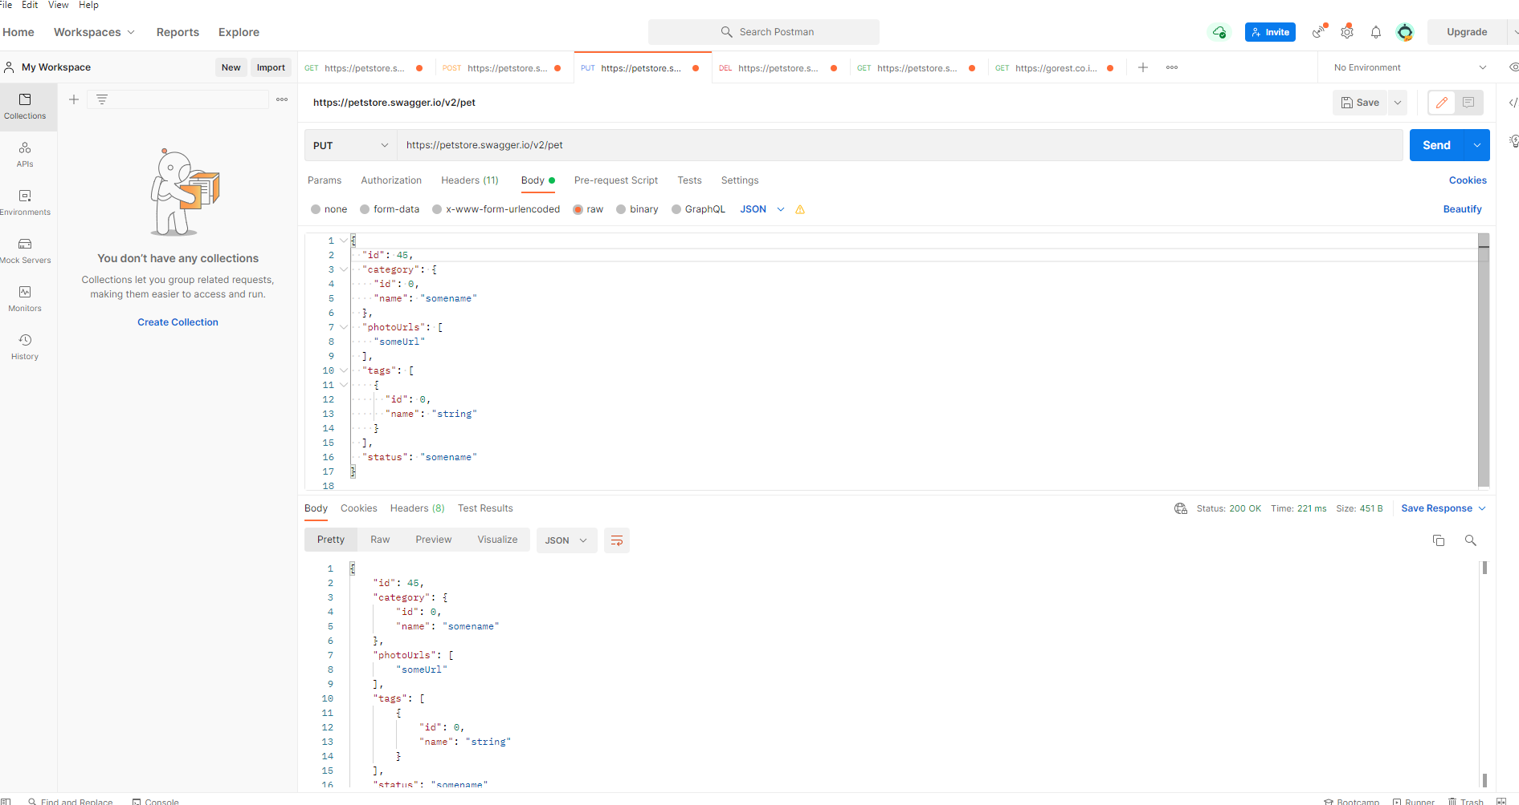
 | Submit Date | 2021-09-15
Bug overview | Summary | Negative scenarios aimed at ensuring that, as per swagger, validation was conducted at the backend for the following invalid scenarios did not accur : 1) Missing required property "name" 2) Missing required property "PhotoUrls"
 | URL | https://petstore.swagger.io/v2/pet
 | Screenshot | attached beside
Environment | Platform | Windows
 | Operating System | Win 10
 | Browser | PostMan
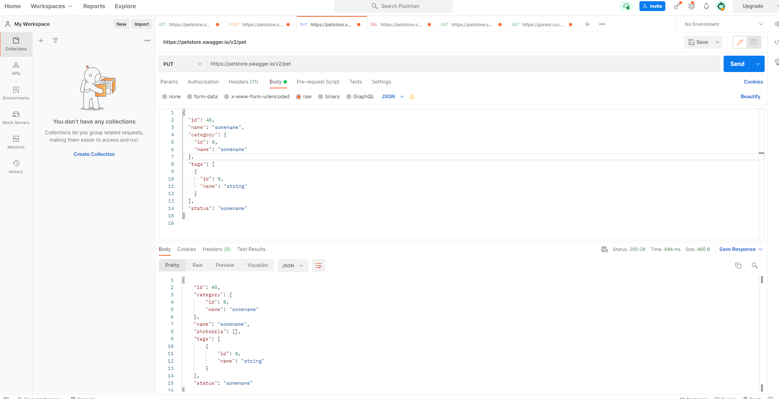
Bug details | Steps to reproduce | Create a POST request with post man using the following body Scenario 1 (missing required "name"): { "id": 5, "category": { "id": 5,"name": "home" }, "photoUrls": [ "https://someUrl" ], "tags": [{"id": 5, "name": "BlueWhalev" }], "status": "NoReallySold" } Scenario 2 (missing required "photoUrls*"):: { "category": { "id": 5,"name": "home" }, "name": "wahle", "tags": [{"id": 5, "name": "BlueWhalev" }], "status": "sold" }
 | Expected result | The JSON should be rejected as not valid and the server should return a 400 Bad Request with an appropriate reponse message
 | Actual result | The service returned a 200 Ok
 | Data
Bug tracking | Severity | Major
 | Assigned to | /
 | Priority | Major
Notes | Notes | /

Bug 4
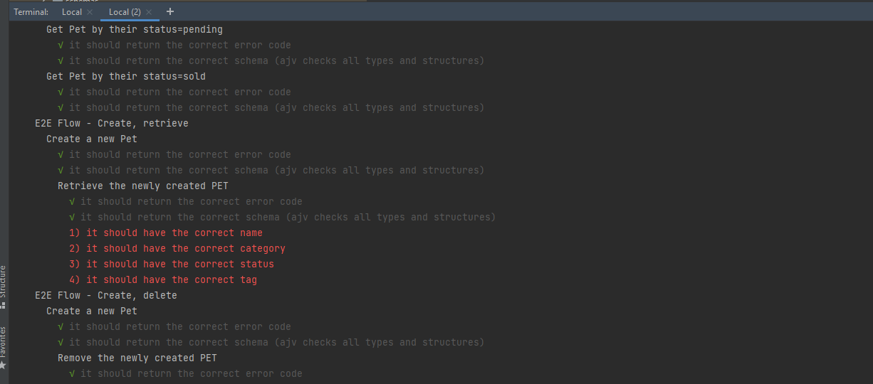
Category | Label | Value
Bug ID | ID number | #4
 | Name | Delay while creating a new Pet (POST /pet) could result resource not found (404) to sesequent GET or DELETE requests
 | Reporter | Fabio Santoro
 | Submit Date | 2021-09-15
Bug overview | Summary | While creating a new pet I have noticed that intermittently there could be some delay between the returned response and the actual resource being created in the backend. This will result a failure of a subsequent calls to that resurce: either a GET /pet/{id} or DELETE /pet/{id} action in fact return a 404 with an empty body
 | URL | https://petstore.swagger.io/v2/pet
 | Screenshot | Not easy to reproduce only happens for very fast chaned request
Environment | Platform | Windows
 | Operating System | Win 10
 | Browser | MochaJs
Bug details | Steps to reproduce | Run the API automation suite multiple times. Eventually the problem will present
 |  | The actual resource creation should be in synch with the response returned to the client (e.g. Postman or MochaJS etc.). For instance the response to the client should only be returned after checking that the resource is available from the source of information (e.g. DB etc)
 | Actual result | A 404 with an empty body is returned
 | Data
Bug tracking | Severity | Major
 | Assigned to | /
 | Priority | Minor
Notes | Notes | /

Bug 5
Category | Label | Value
Bug ID | ID number | #4
 | Name | Delay while creating a new Store order (POST/store/order) could result resource not found (404) to sesequent GET or DELETE requests
 | Reporter | Fabio Santoro
 | Submit Date | 2021-09-15
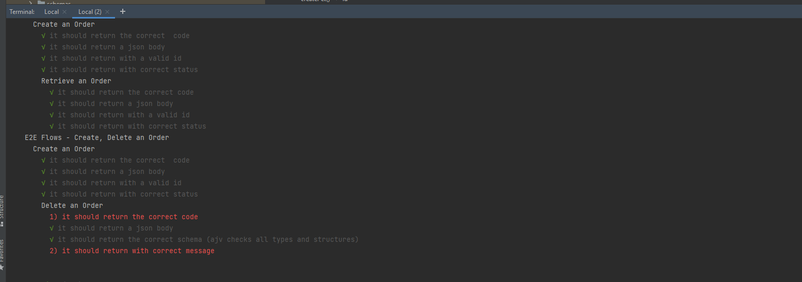
Bug overview | Summary | While creating a new store order I have noticed that intermittently there could be some delay between the returned response and the actual resource being created in the backend. This will result a failure of a subsequent calls to that resurce: either a GET /store/order/{id} or DELETE /store/order/{id} action in fact return a 404 with an empty body
 | URL | https://petstore.swagger.io/v2/pet
 | Screenshot | Not easy to reproduce only happens for very fast chaned request
Environment | Platform | Windows
 | Operating System | Win 10
 | Browser | MochaJs
Bug details | Steps to reproduce | Run the API automation suite multiple times. Eventually the problem will present
 |  | The actual resource creation should be in synch with the response returned to the client (e.g. Postman or MochaJS etc.), for instance the response to the client should only be returned after checking that the resource is available from the source of information (e.g. DB etc)
 | Actual result | A 404 with an empty body is returned
 | Data
Bug tracking | Severity | Major
 | Assigned to | /
 | Priority | Minor
Notes | Notes | /

