Bug 1
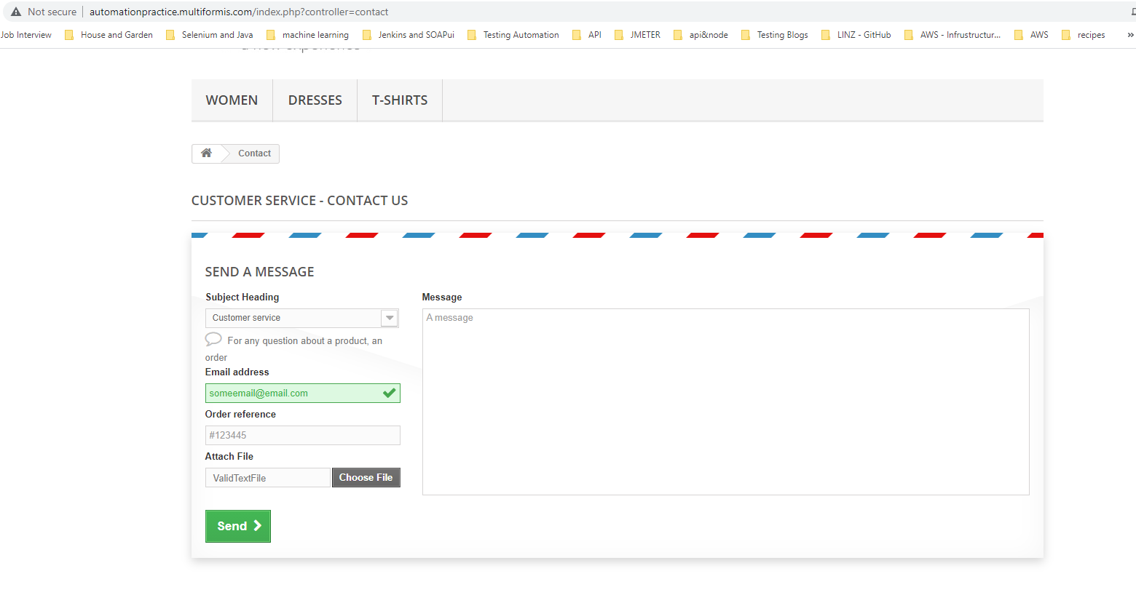
Category | Label | Value
Bug ID | ID number | #1
 | Name | FILE UPLOAD - Unable to submit a form with valid text file (MIME Type: text/plain) attached
 | Reporter | Fabio Santoro
 | Submit Date | 2021-09-15
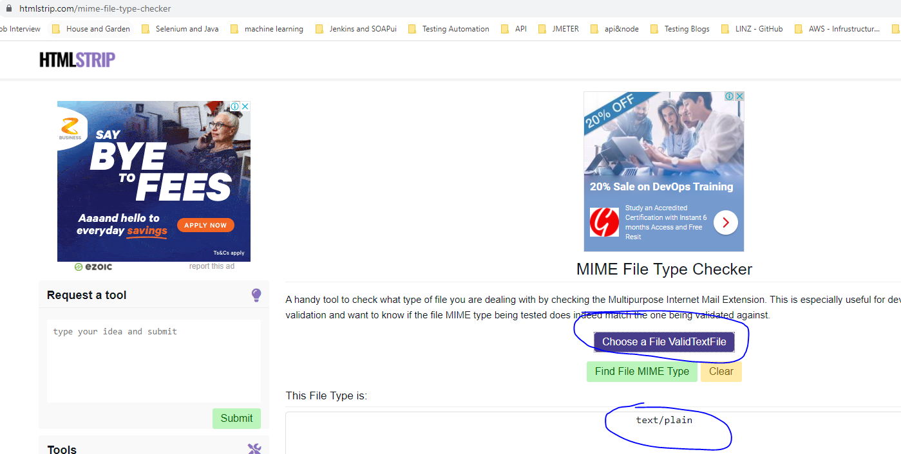
Bug overview | Summary | After filling all mandatory fields on the "Contact us" page form, I was not able to sumit the form by attaching a valid text file without an extension ( (MIME Type: text/plain))
 | URL | http://automationpractice.multiformis.com/index.php?controller=contact
 | Screenshot | attached beside
Environment | Platform | Windows
 | Operating System | Win 10
 | Browser | Version 93.0.4577.63
Bug details | Steps to reproduce | From the main contact form page: 1) Chose "Customer service" from the Subject Heading dropdown 2) Enter a valid email (e.g. someemail@email.com) 3) Enter a valid Order Reference (e.g. #123445) 4) Click on "Choos File" > Browse your local filesystem and attach a Valid text file with no extension (e.g. rename a text file by removing the extension or use the one from ./data/ValidTestFile)
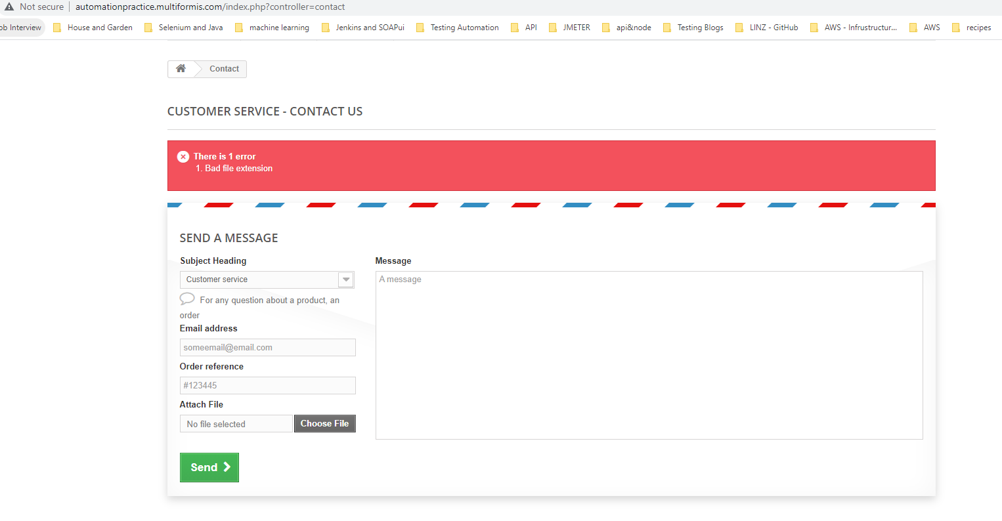
 | Expected result | I should be able to submit the form
 | Actual result | Unable to submit the form and "Bad file extension" is returned
 | Data | The have been attached in the project repo
Bug tracking | Severity | Minor
 | Assigned to | /
 | Priority | Minor
Notes | Notes | /

Bug 2
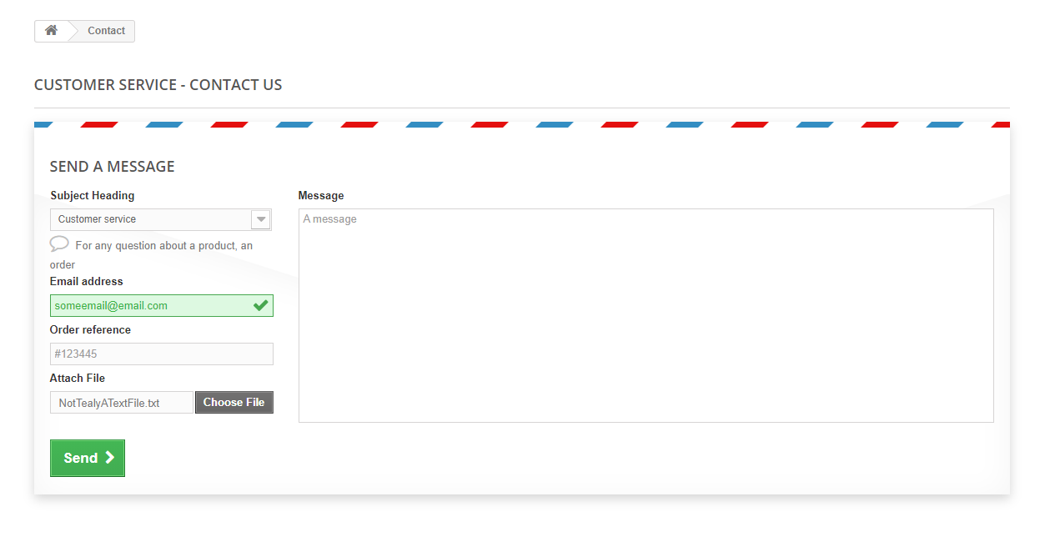
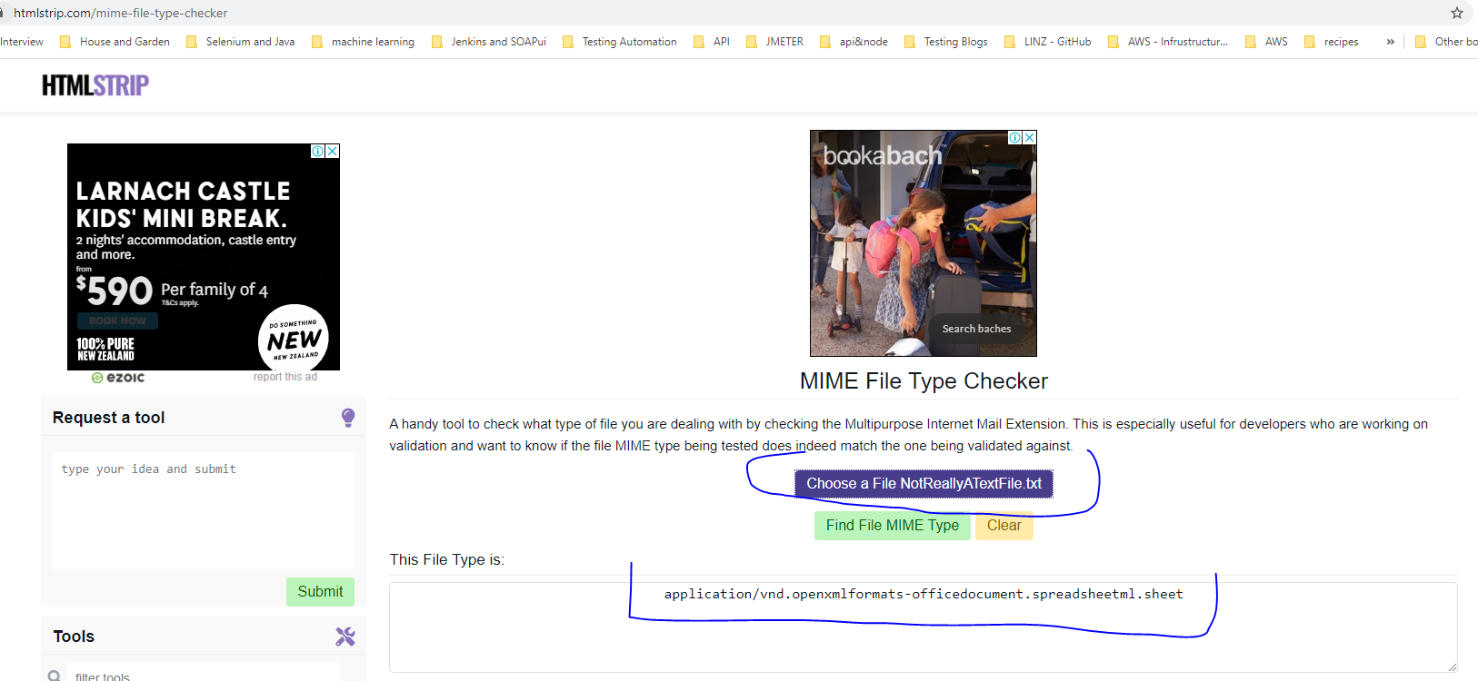
Category | Label | Value
Bug ID | ID number | #2
 | Name | FILE UPLOAD - Successfully able to submit a form with an invalid file attached (MIME Type: application/vnd.openxmlformats-officedocument.spreadsheetml.sheet)
 | Reporter | Fabio Santoro
 | Submit Date | 2021-09-15
Bug overview | Summary | After filling all mandatory fields on the "Contact us" page form, I was able to sumit the form by attaching an invalid excel file renamed with a .txt extention (MIME Type: application/vnd.openxmlformats-officedocument.spreadsheetml.sheet)
 | URL | http://automationpractice.multiformis.com/index.php?controller=contact
 | Screenshot | attached beside
Environment | Platform | Windows
 | Operating System | Win 10
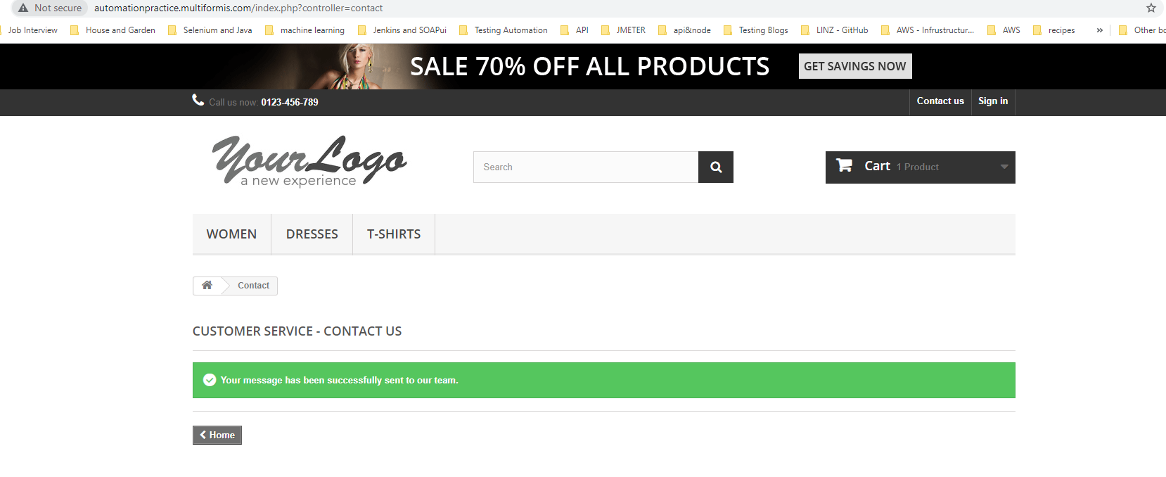
 | Browser | Version 93.0.4577.63
Bug details | Steps to reproduce | From the main contact form page: 1) Chose "Customer service" from the Subject Heading dropdown 2) Enter a valid email (e.g. someemail@email.com) 3) Enter a valid Order Reference (e.g. #123445) 4) Click on "Choos File" > Browse your local filesystem and attach a an invalid file with a txt extension (e.g. rename an exel file to a txt one or use the one from ./data/NotReallyATextFile.txt)
 | Expected result | I should be prevented to submit the form
 | Actual result | I was able to successfully submit the form
 | Data | The have been attached in the project repo
Bug tracking | Severity | Minor
 | Assigned to | /
 | Priority | Minor
Notes | Notes | /

Bug 3
Category | Label | Value
Bug ID | ID number | #3
 | Name | SEARCH - No Validation on the fronend side for any combination of invalid or odd sequence od characters
 | Reporter | Fabio Santoro

 | Submit Date | 2021-09-15
Bug overview | Summary | SEARCH - No Validation on the frontend side is performed for any combination of invalid or odd sequences of characters
 | URL | http://automationpractice.multiformis.com
 | Screenshot | attached beside
Environment | Platform | Windows
 | Operating System | Win 10
 | Browser | Version 93.0.4577.63
Bug details | Steps to reproduce | From the main page: 1) Click on the search box and type any of the following or a combination of: a) Numbers (e.g. 12545234 b) Special characters (e.g. $%@*())#":|}) 3) Empty string (e.g. click on th box then press the space bar) 2) Click on the magnifier icon (search Icon)
 | Expected result | The form should perform upfront validation and preventing the backend service to be hit by "unusual" sequences of characters (validation should be performed close to the client/user)
 | Actual result | I was able to perform searches whith aforementioned sequences. Although a meaningful message was displayed (No results were found for your search), the unusual sequence was presented as result on the screen as well (unpleasant to see).
 | Data
Bug tracking | Severity | Minor
 | Assigned to | /
 | Priority | Minor
Notes | Notes | /

Bug 4
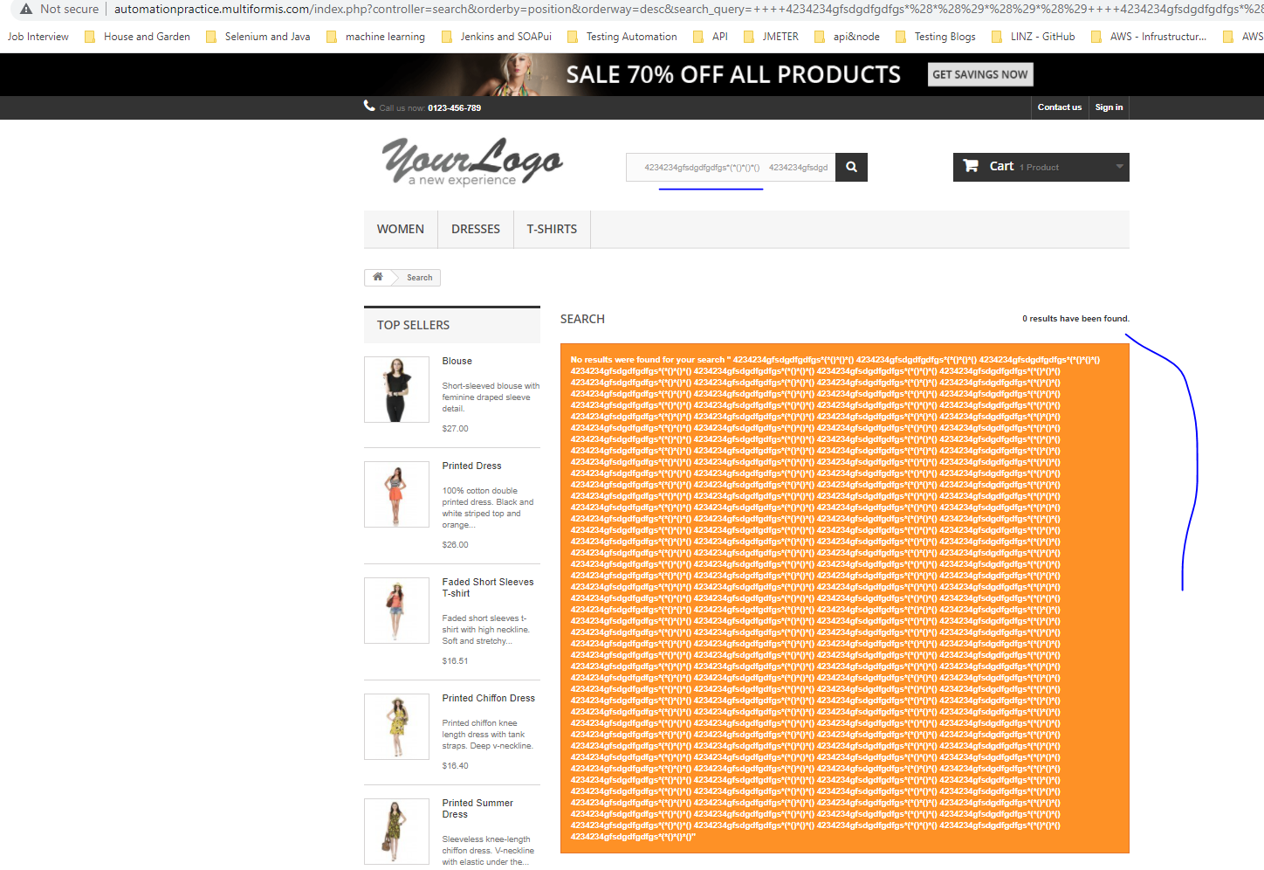
Category | Label | Value
Bug ID | ID number | #4
 | Name | SEARCH - No Validation on the frontend side is performed for any combination long combination of characters
 | Reporter | Fabio Santoro
 | Submit Date | 2021-09-15
Bug overview | Summary | SEARCH - The search box accepts long sequence of characters without performing any upfront validation
 | URL | http://automationpractice.multiformis.com
 | Screenshot | attached beside
Environment | Platform | Windows
 | Operating System | Win 10
 | Browser | Version 93.0.4577.63
Bug details | Steps to reproduce | From the main page: 1) Click on the search box and type any of the following a very long combination of characters 2) Click on the magnifier icon (search Icon)
 | Expected result | The form should perform upfront validation a long sequence to be accepted
 | Actual result | I was able perform searches whith aforementioned long sequences. Although a meaningful message was displayed (No results were found for your search), the long sequence w sequence was presented as result on the screen and potentially it could lead some browser to crash or run out of memory as well as being unpleasent to see.
 | Data
Bug tracking | Severity | Minor
 | Assigned to | /
 | Priority | Minor
Notes | Notes | /

