Bug 1
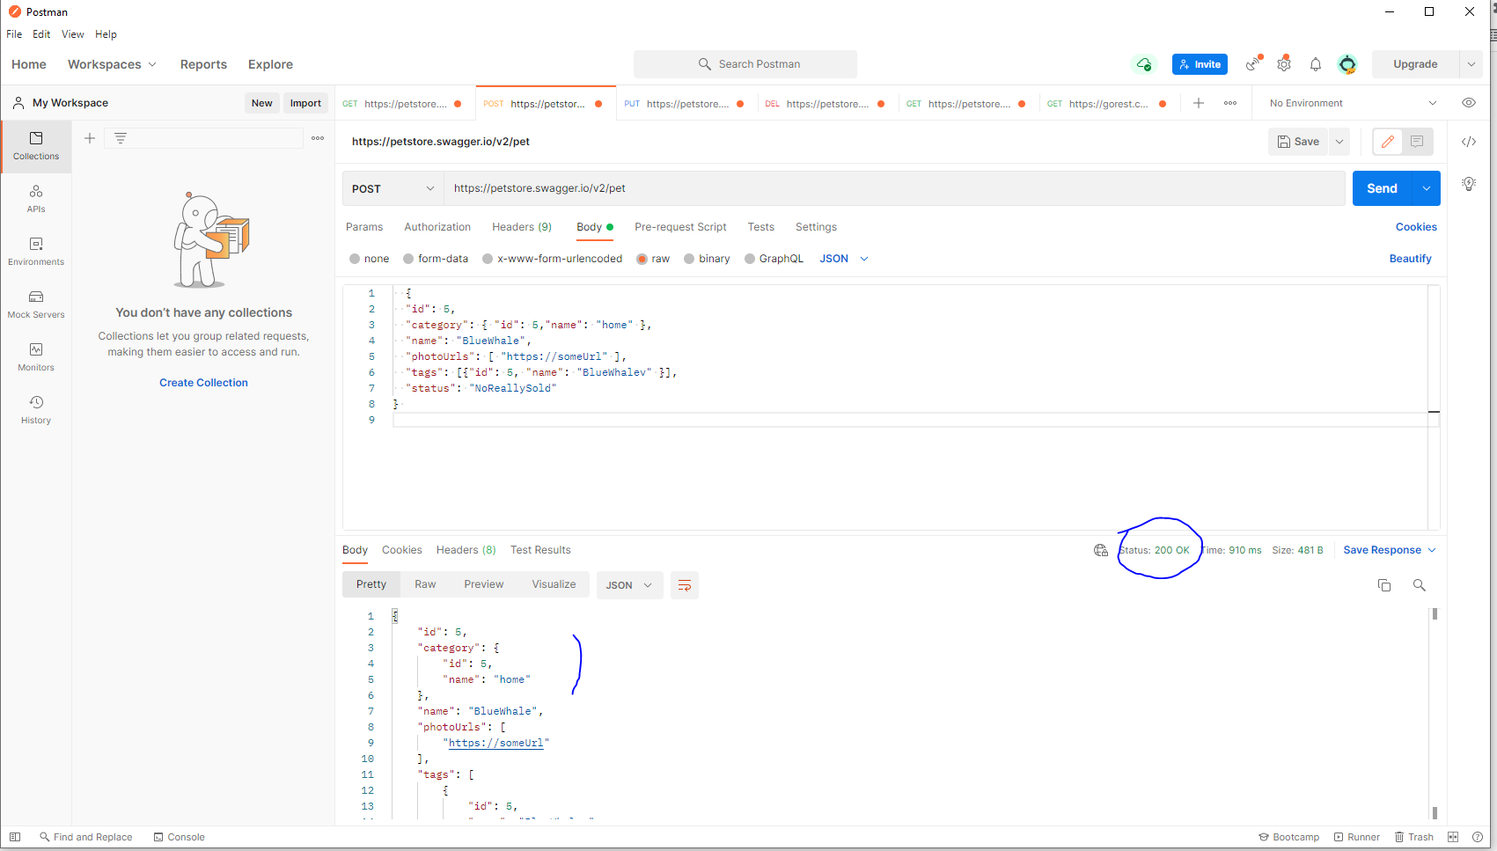
Category | Label | Value
Bug ID | ID number | #1
 | Name | Invalid parameter type in Body is not validated while creating a new resource (POST /pet)
 | Reporter | Fabio Santoro
 | Submit Date | 2021-09-15
Bug overview | Summary | Negative scenarios aimed at ensuring that validation was conducted at the backend for the following invalid scanrios did not accur : 1) status(not in the enum range) 2) Invalid name (a digit/number)
 | URL | https://petstore.swagger.io/v2/pet
 | Screenshot | attached beside
Environment | Platform | Windows
 | Operating System | Win 10
 | Browser | PostMan
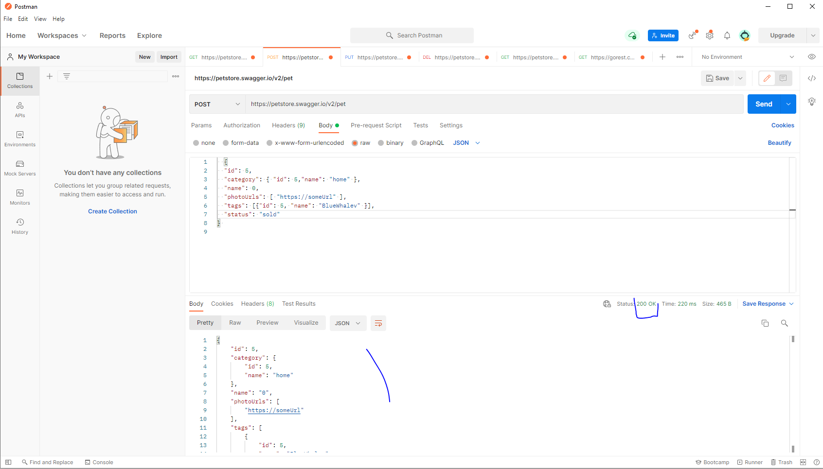
Bug details | Steps to reproduce | Create a POST request with post man using the following body Scenario 1 (invalid Enum): { "id": 5, "category": { "id": 5,"name": "home" }, "name": "BlueWhale", "photoUrls": [ "https://someUrl" ], "tags": [{"id": 5, "name": "BlueWhalev" }], "status": "NoReallySold" } Scenario 2 (name as a number): { "id": 5, "category": { "id": 5,"name": "home" }, "name": 0, "photoUrls": [ "https://someUrl" ], "tags": [{"id": 5, "name": "BlueWhalev" }], "status": "sold" }
 | Expected result | The JSON should be rejected as not valid and the server should return a 400 Bad Request with an appropriate reponse message
 | Actual result | The service returned a 200 Ok
 | Data
Bug tracking | Severity | Major
 | Assigned to | /
 | Priority | Major
Notes | Notes | /

Bug 2
Category | Label | Value
Bug ID | ID number | #2
 | Name | Missing required property in the Body is not validated while creating a new resource (POST /pet)

 | Reporter | Fabio Santoro
 | Submit Date | 2021-09-15
Bug overview | Summary | Negative scenarios aimed at ensuring that validation was conducted at the backend for the following invalid scanrios did not accur : 1) Missing required property "name" 2) Missing required property "photoUrls"
 | URL | https://petstore.swagger.io/v2/pet
 | Screenshot | attached beside
Environment | Platform | Windows
 | Operating System | Win 10
 | Browser | PostMan
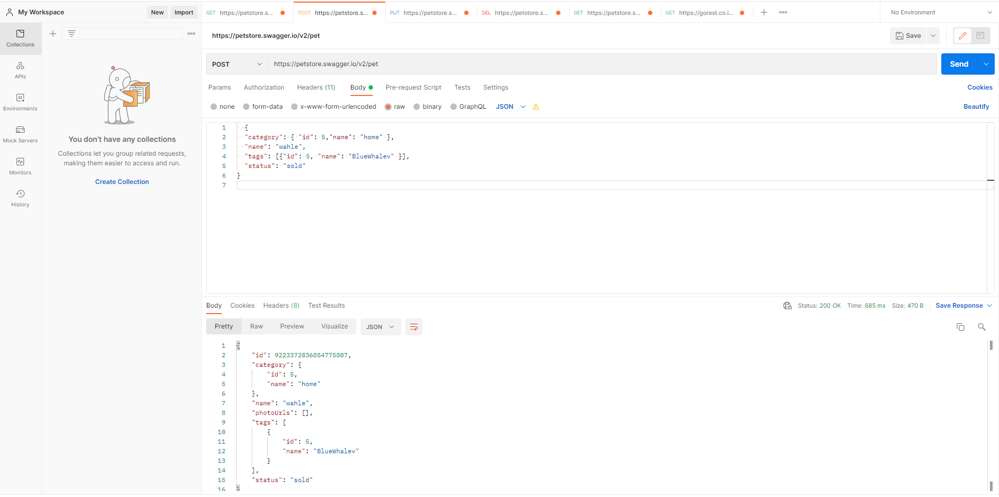
Bug details | Steps to reproduce | Create a POST request with post man using the following body Scenario 1 (missing required "name"): { "id": 5, "category": { "id": 5,"name": "home" }, "photoUrls": [ "https://someUrl" ], "tags": [{"id": 5, "name": "BlueWhalev" }], "status": "NoReallySold" } Scenario 2 (missing required "photoUrls*"):: { "category": { "id": 5,"name": "home" }, "name": "wahle", "tags": [{"id": 5, "name": "BlueWhalev" }], "status": "sold" }
 | Expected result | The JSON should be rejected as not valid and the server should return a 400 Bad Request with an appropriate reponse message
 | Actual result | The service returned a 200 Ok
 | Data
Bug tracking | Severity | Major
 | Assigned to | /
 | Priority | Major
Notes | Notes | /

Bug 3
Category | Label | Value
Bug ID | ID number | #3
 | Name | Missing required property in the Body is not validated while updating a new resource (PUT /pet)
 | Reporter | Fabio Santoro
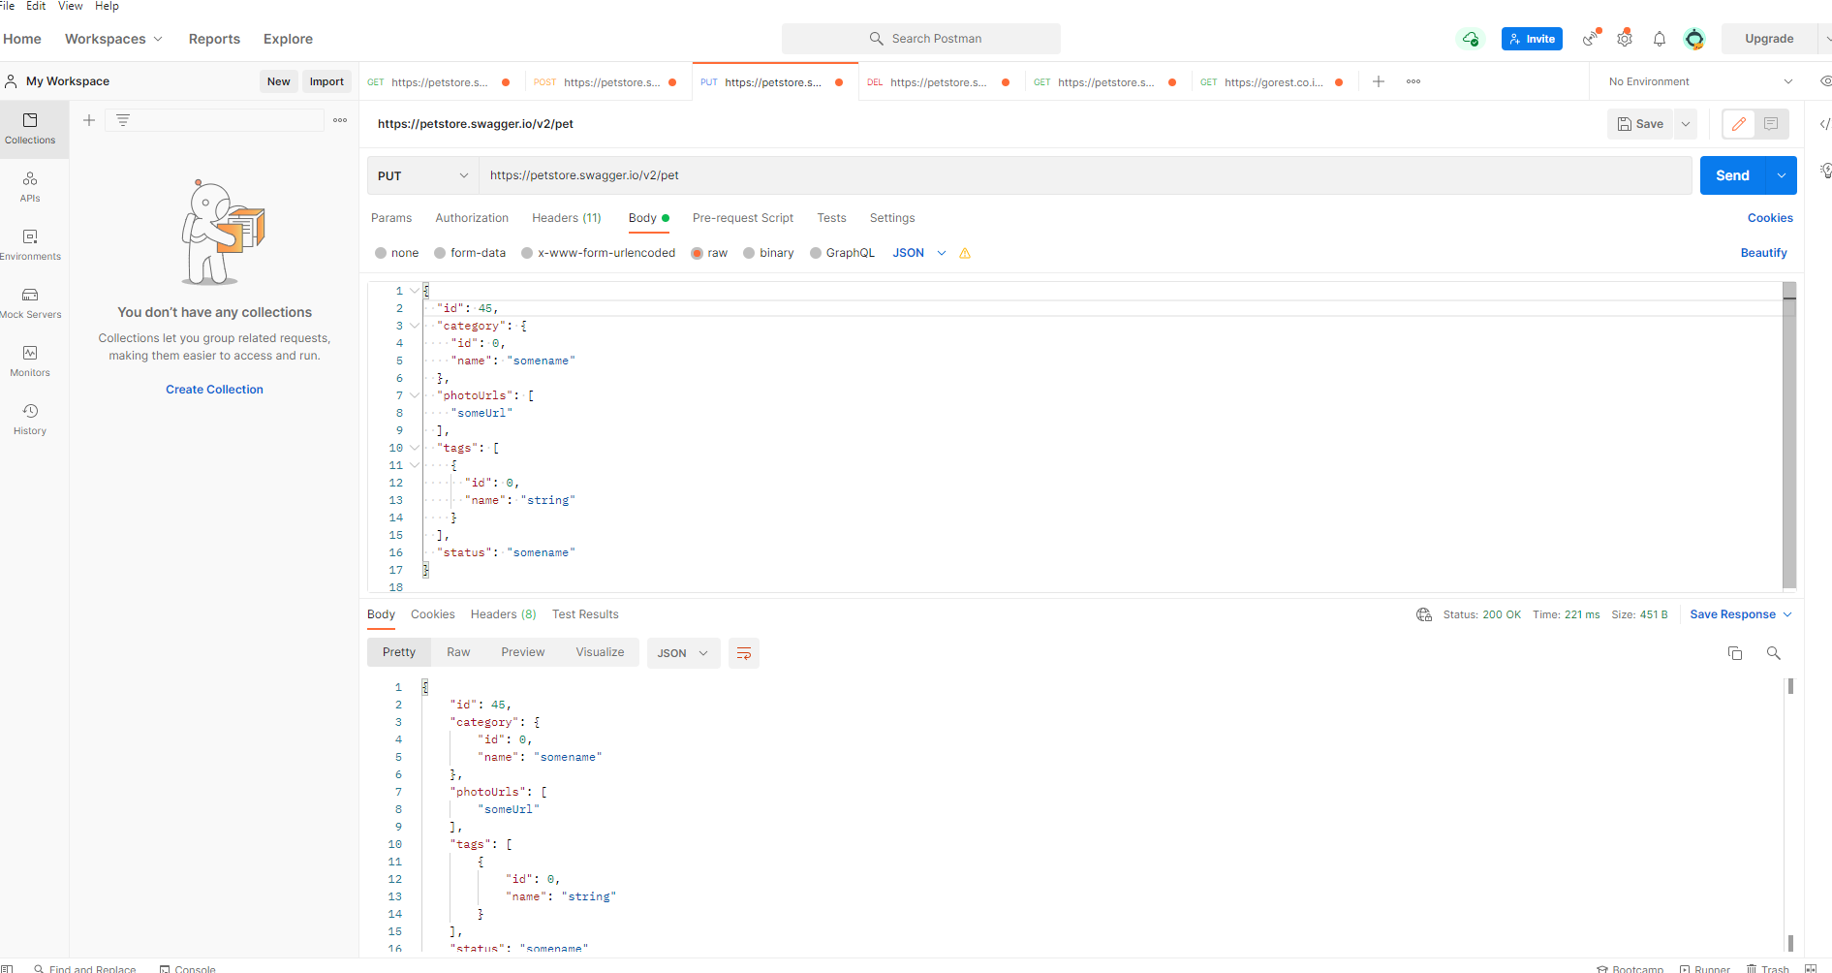
 | Submit Date | 2021-09-15
Bug overview | Summary | Negative scenarios aimed at ensuring that validation was conducted at the backend for the following invalid scanrios did not accur : 1) Missing required property "name" 2) Missing required property "PhotoUrls"
 | URL | https://petstore.swagger.io/v2/pet
 | Screenshot | attached beside
Environment | Platform | Windows
 | Operating System | Win 10
 | Browser | PostMan
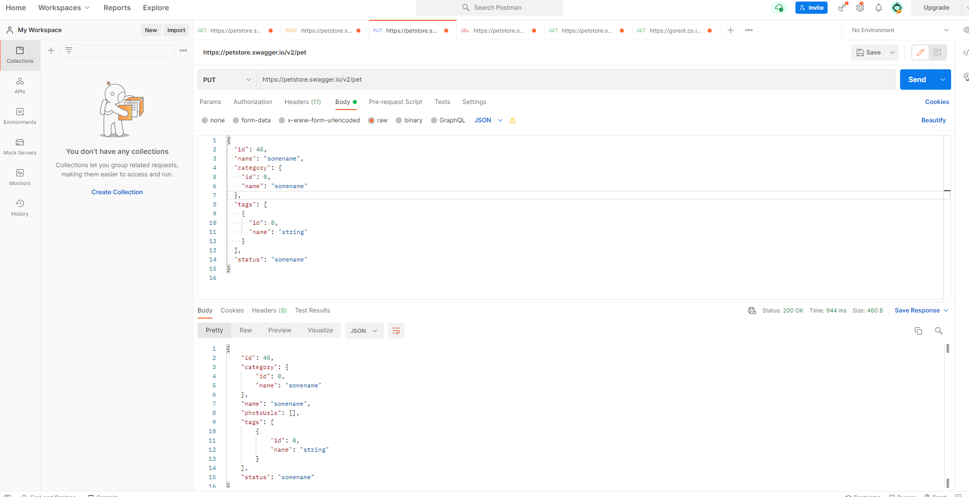
Bug details | Steps to reproduce | Create a POST request with post man using the following body Scenario 1 (missing required "name"): { "id": 5, "category": { "id": 5,"name": "home" }, "photoUrls": [ "https://someUrl" ], "tags": [{"id": 5, "name": "BlueWhalev" }], "status": "NoReallySold" } Scenario 2 (missing required "photoUrls*"):: { "category": { "id": 5,"name": "home" }, "name": "wahle", "tags": [{"id": 5, "name": "BlueWhalev" }], "status": "sold" }
 | Expected result | The JSON should be rejected as not valid and the server should return a 400 Bad Request with an appropriate reponse message
 | Actual result | The service returned a 200 Ok
 | Data
Bug tracking | Severity | Major
 | Assigned to | /
 | Priority | Major
Notes | Notes | /

Bug 4
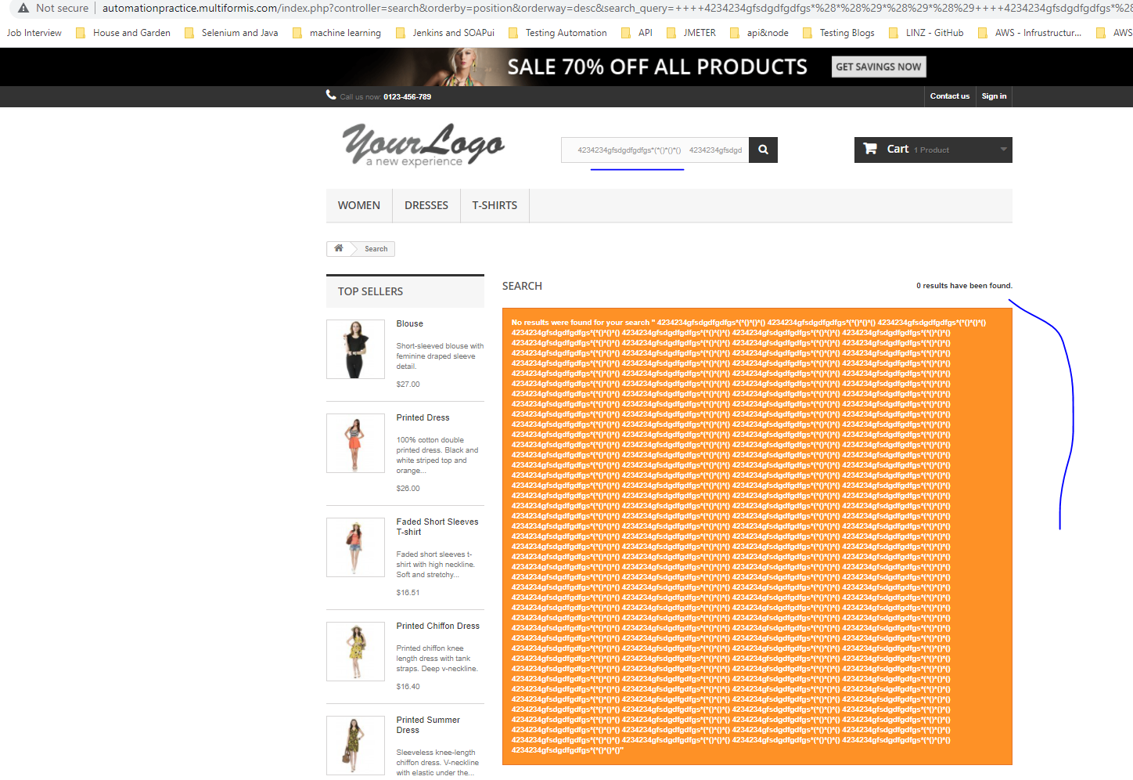
Category | Label | Value
Bug ID | ID number | #4
 | Name | Search - No Validation on the frontend side is performed for any combination long combination of characters
 | Reporter | Fabio Santoro
 | Submit Date | 2021-09-15
Bug overview | Summary | The search box accepts long sequence of characters without performing any upfront validation
 | URL | http://automationpractice.multiformis.com
 | Screenshot | attached beside
Environment | Platform | Windows
 | Operating System | Win 10
 | Browser | Version 93.0.4577.63
Bug details | Steps to reproduce | From the main page: 1) Click on the search box and type any of the following a very long combination of characters 2) Click on the magnifier icon (search Icon)
 | Expected result | The form should perform upfront validation a long sequence to be accepted
 | Actual result | I was able perform searches whith aforementioned long sequences. Although a meaningful message was displayed (No results were found for your search), the unusual sequence was printed out on the screen whioch could lead the browser to crash or run out of memory
 | Data
Bug tracking | Severity | Minor
 | Assigned to | /
 | Priority | Minor
Notes | Notes | /

