Bug 1
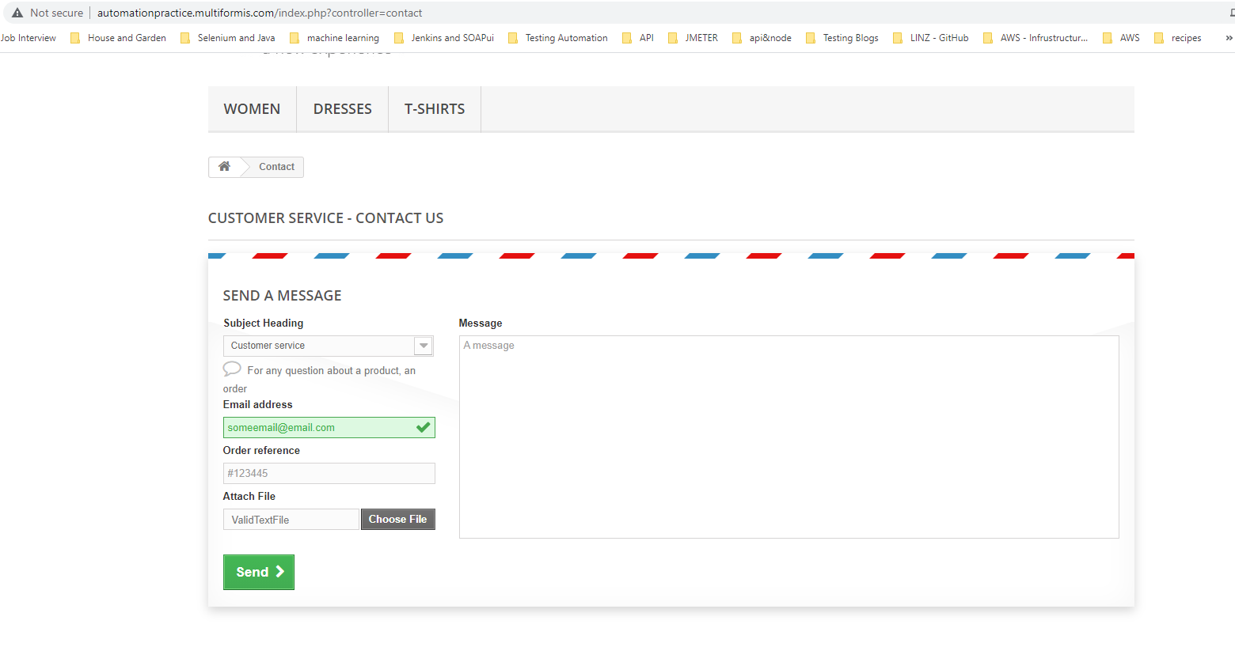
Category | Label | Value
Bug ID | ID number | #1
 | Name | FILE UPLOAD - Unable to submit a form with valid text file (MIME Type: text/plain) attached
 | Reporter | Fabio Santoro
 | Submit Date | 2021-09-15
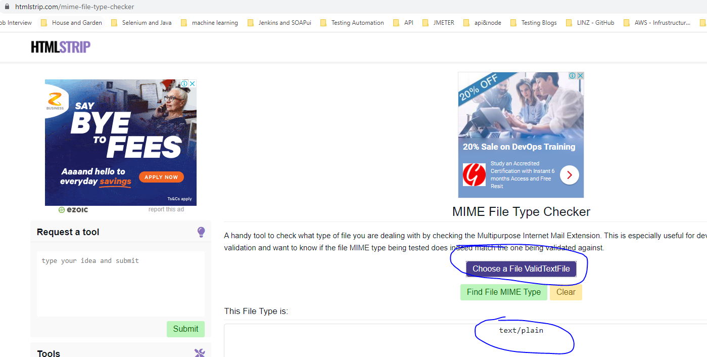
Bug overview | Summary | After filling all mandatory fields on the "Contact us" page form, I was not able to sumit the form by attaching a valid text file without an extension ( (MIME Type: text/plain))
 | URL | http://automationpractice.multiformis.com/index.php?controller=contact
 | Screenshot | attached beside
Environment | Platform | Windows
 | Operating System | Win 10
 | Browser | Version 93.0.4577.63
Bug details | Steps to reproduce | From the main contact form page: 1) Chose "Customer service" from the Subject Heading dropdown 2) Enter a valid email (e.g. someemail@email.com) 3) Enter a valid Order Reference (e.g. #123445) 4) Click on "Choos File" > Browse your local filesystem and attach a Valid text file with no extension (e.g. rename a text file by removing the extension)
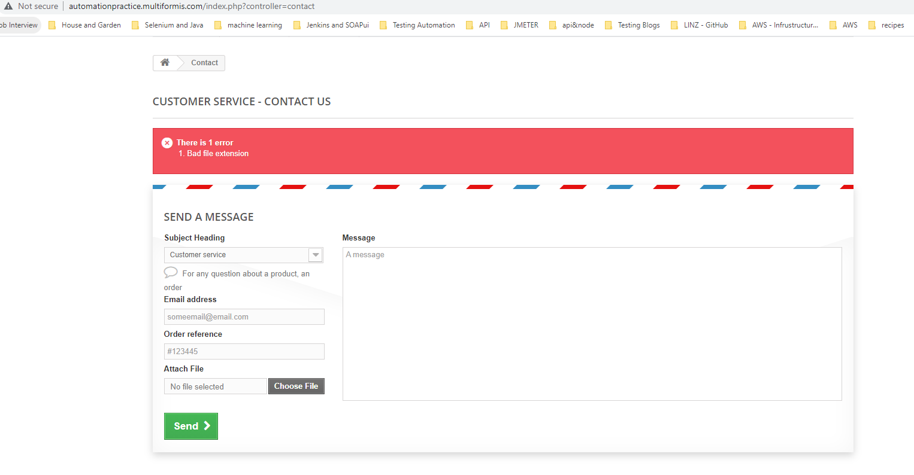
 | Expected result | I should be able to submit the form
 | Actual result | Unable to submit the form and "Bad file extension" is returned
 | Data | The have been attached in the project repo
Bug tracking | Severity | Minor
 | Assigned to | /
 | Priority | Minor
Notes | Notes | /

Bug 2
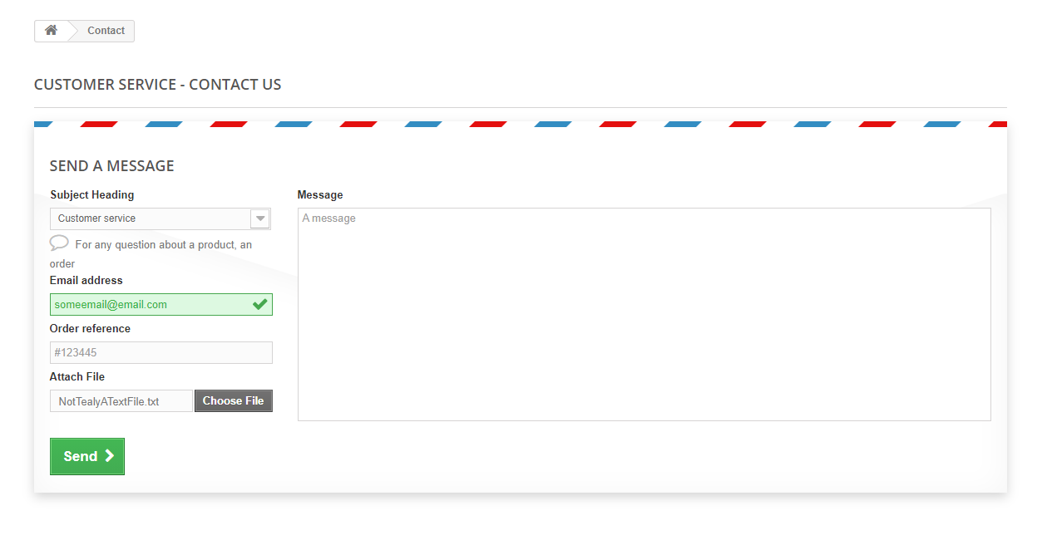
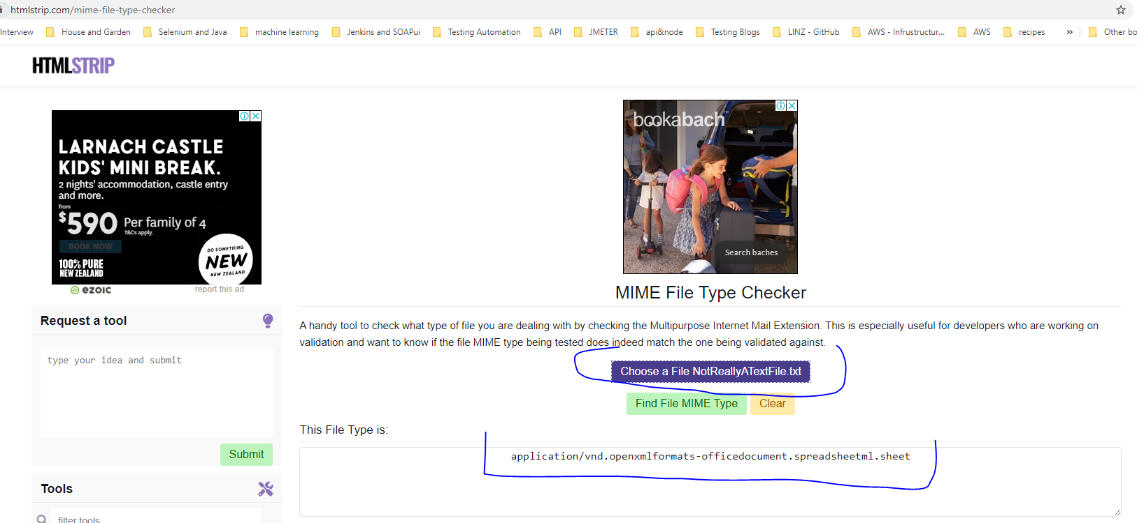
Category | Label | Value
Bug ID | ID number | #2
 | Name | FILE UPLOAD - Able to submit a form with an invalid file attached (MIME Type: application/vnd.openxmlformats-officedocument.spreadsheetml.sheet)
 | Reporter | Fabio Santoro
 | Submit Date | 2021-09-15
Bug overview | Summary | After filling all mandatory fields on the "Contact us" page form, I was able to sumit the form by attaching an invalid excel file renamed with a .txt extention (MIME Type: application/vnd.openxmlformats-officedocument.spreadsheetml.sheet)
 | URL | http://automationpractice.multiformis.com/index.php?controller=contact
 | Screenshot | attached beside
Environment | Platform | Windows
 | Operating System | Win 10
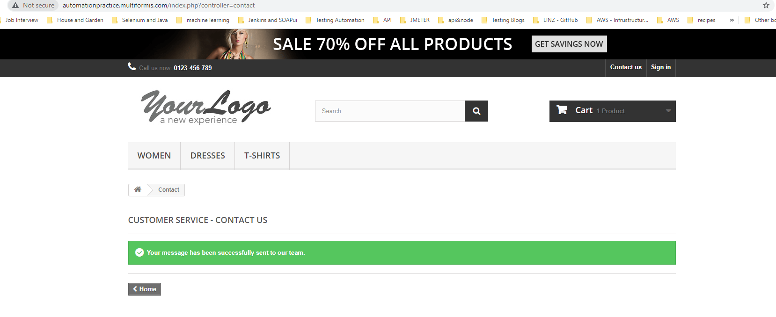
 | Browser | Version 93.0.4577.63
Bug details | Steps to reproduce | From the main contact form page: 1) Chose "Customer service" from the Subject Heading dropdown 2) Enter a valid email (e.g. someemail@email.com) 3) Enter a valid Order Reference (e.g. #123445) 4) Click on "Choos File" > Browse your local filesystem and attach a an invalid file with a txt extension (e.g. rename an exel file to a txt one)
 | Expected result | I should be prevented to submit the form
 | Actual result | I was able to submit the form
 | Data | The have been attached in the project repo
Bug tracking | Severity | Minor
 | Assigned to | /
 | Priority | Minor
Notes | Notes | /

Bug 3
Category | Label | Value
Bug ID | ID number | #3
 | Name | Search - No Validation on the fronend side for any combination of invalid or odd sequence od characters
 | Reporter | Fabio Santoro

 | Submit Date | 2021-09-15
Bug overview | Summary | Search - No Validation on the frontend side is performed for any combination of invalid or odd sequences of characters
 | URL | http://automationpractice.multiformis.com
 | Screenshot | attached beside
Environment | Platform | Windows
 | Operating System | Win 10
 | Browser | Version 93.0.4577.63
Bug details | Steps to reproduce | From the main page: 1) Click on the search box and type any of the following or a combination of: a) Numbers (e.g. 12545234 b) Special characters (e.g. $%@*())#":|}) 3) Empty string (e.g. click on th box then press the space bar) 2) Click on the magnifier icon (search Icon)
 | Expected result | The form should perform upfront validation and preventing the backend service to be hit by "unusual" sequences of characters (validation should be performed close to the client/user)
 | Actual result | I was able perform searches whith aforementioned sequences. Although a meaningful message was displayed (No results were found for your search), the unusual sequence was printed out on the screen as well (unpleasant to see).
 | Data
Bug tracking | Severity | Minor
 | Assigned to | /
 | Priority | Minor
Notes | Notes | /

Bug 4
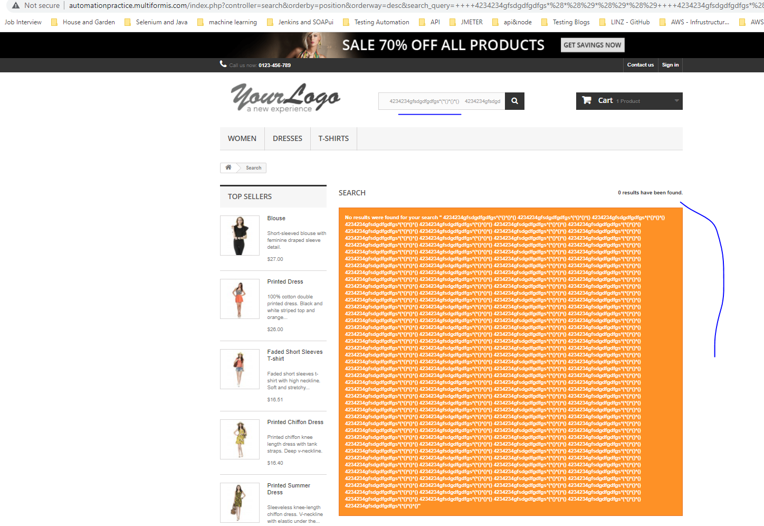
Category | Label | Value
Bug ID | ID number | #4
 | Name | Search - No Validation on the frontend side is performed for any combination long combination of characters
 | Reporter | Fabio Santoro
 | Submit Date | 2021-09-15
Bug overview | Summary | The search box accepts long sequence of characters without performing any upfront validation
 | URL | http://automationpractice.multiformis.com
 | Screenshot | attached beside
Environment | Platform | Windows
 | Operating System | Win 10
 | Browser | Version 93.0.4577.63
Bug details | Steps to reproduce | From the main page: 1) Click on the search box and type any of the following a very long combination of characters 2) Click on the magnifier icon (search Icon)
 | Expected result | The form should perform upfront validation a long sequence to be accepted
 | Actual result | I was able perform searches whith aforementioned long sequences. Although a meaningful message was displayed (No results were found for your search), the unusual sequence was printed out on the screen whioch could lead the browser to crash or run out of memory
 | Data
Bug tracking | Severity | Minor
 | Assigned to | /
 | Priority | Minor
Notes | Notes | /

