Sheet1
ID | Issue Summary | Error Displayed | Remedy | Comment
1 | Wrong versions of modules in the requirements.txt and requirements_dev.txt files. | Basic conflicting dependencis error messages | Basically just removed version limitations so pip could resolve dependencies on its own. Kept failing when attempting to install CDK Toolkit, because the stack was not cleaning up a role. | Decided to create a Python Virtual Environment rather than installing globally on osx. Once I did this the only coflict is described in #2.
2 | Confllicting depencencies involving urlib and botocore. | pip install -r requirements.txt ERROR: ERROR: Cannot install -r requirements.txt (line 12) and urllib3==2.2.1 because these package versions have conflicting dependencies. The conflict is caused by: The user requested urllib3==2.2.1 botocore 1.30.0 depends on urllib3<1.27 and >=1.25.4 ERROR: Cannot install -r requirements.txt (line 12) and urllib3==2.2.1 because these package versions have conflicting dependencies. So I loosened the ranage of the urllib3 package version by not specifying a version. This seemed to fix the problem and it was able to install the necessary packages. Please note that the first time I attempted this install I ran into some issues because of the version of the AWS CLI that I had installed | So I loosened the ranage of the urllib3 package version by not specifying a version.This seemed to fix the problem and it was able to install the necessary packages. | df_item_deduplicated_withPromotionFiledAdded.csv
3 | Failed to import the item dataset. | 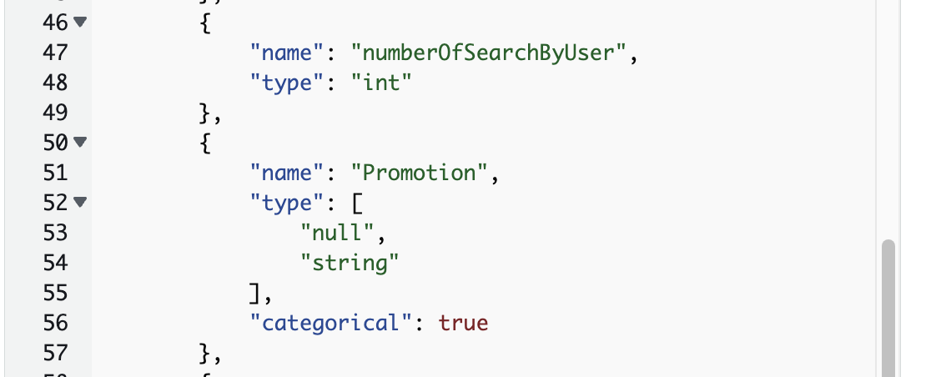 The 'promotion' field was missing in the data set. | Added promotion field.
4 | Instructions to edit the segment data file and add emails and SMS should come before the instruction to upload the user segment file. |  | The first five rows have been hard-coded to have the highest conversion probabibility based on User.UserAttributes.Probability column. Communications will be sent to the highest probability first. Replace verified email addresses and phone numbers in the Address column for these 5 rows to your own values to test receiving the email/SMS on your own devices. Upload sample Pinpoint user segment file (assets/demo-data/df_segment_data.csv) to Amazon Pinpoint by following the instructions here.
5 | Does not seem to retrieve the data records from the segment data file ordered by probability consistently. |  | When this happens I reload the segment and it seems to fix things.
6 | SMS send was not working |  | because the country code (in this case US - +1) was not added to the phone number. I modified the pinpoin_message code to add the '+1'. Added the following code to the pinpoint_message.py Lambda: # FAS # Need to preface the SMS address with +1 or pinpoint SMS # will not work. if channel == "SMS": address = '+1' + address
7 | Sending mail was failing |  | Sending mail was failing because the pinpoint_message Lambda function did not have permission to send mail. Since Pinpoint utilizes SES's functionality to send mail the Lamda must be granted SES permissions. This had not been done in the CDK that defines the Lambda. I added the permissions to the Lambda manually, but this should done in the CDK code: self.lambda_pinpoint_message_role = iam.Role( self, f"{stack_name}-pinpoint-message-role", role_name=f"{stack_name}-pinpoint-message-role", assumed_by=iam.CompositePrincipal( iam.ServicePrincipal("lambda.amazonaws.com"), ), ) ### Allow sending message through Pinpoint pinpoint_send_message_policy_statement = iam.PolicyStatement( actions=["mobiletargeting:SendMessages", "mobiletargeting:SendUsersMessages"], resources=[ f"arn:aws:mobiletargeting:{Aws.REGION}:{Aws.ACCOUNT_ID}:apps/{self.pinpoint_project_id}/messages" ], effect=iam.Effect.ALLOW, ) pinpoint_send_sms_voice_policy_statement = iam.PolicyStatement( actions=["sms-voice:SendTextMessage", "sms-voice:SendVoiceMessage"], resources=[f"arn:aws:sms-voice:{Aws.REGION}:{Aws.ACCOUNT_ID}:phone-number/{self.sms_identity}"], effect=iam.Effect.ALLOW, ) pinpoint_send_message_policy = iam.Policy( self, id=f"{stack_name}-pinpoint-send-message-policy", policy_name=f"{stack_name}-pinpoint-send-message-policy", statements=[pinpoint_send_message_policy_statement, pinpoint_send_sms_voice_policy_statement], ) pinpoint_send_message_policy.attach_to_role(self.lambda_pinpoint_message_role) because these permissions will be lost whenever the CDK is run. Also, the pinpoint_message() Lambda code should be checking the status code returned in the response
8 | "The value of 'access_logs.s3.prefix' cannot start or end with '/' (Service: ElasticLoadBal ancingV2, Status Code: 400, Request ID: b8f2d799-448f-4bdd-af15-8eb84720f270)" (RequestToken: 134b7d42-8463-cc26-ea8e-567eb72e 58ad, HandlerErrorCode: InvalidRequest) This is during the execiution of the cloud formation stack. | 11:40:09 PM | CREATE_FAILED | AWS::ElasticLoadBalancingV2::LoadBalancer | genai-marketer-STR...genai-marketer-alb Resource handler returned message: "The value of 'access_logs.s3.prefix' cannot start or end with '/' (Service: ElasticLoadBal ancingV2, Status Code: 400, Request ID: b8f2d799-448f-4bdd-af15-8eb84720f270)" (RequestToken: 134b7d42-8463-cc26-ea8e-567eb72e 58ad, HandlerErrorCode: InvalidRequest) 11:40:10 PM | CREATE_FAILED | AWS::CloudFormation::Stack | genai-marketer-gen...esou-16BIYATUQVIW3 The following resource(s) failed to create: [genaimarketeralb3F639E9D]. 11:40:32 PM | CREATE_FAILED | AWS::CloudFormation::Stack | genai-marketer-STR...estedStackResource Embedded stack arn:aws:cloudformation:us-east-1:562860900886:stack/genai-marketer-genaimarketerSTREAMLITNestedStackgenaimarket erSTREAMLITNestedStackResou-16BIYATUQVIW3/077b6b90-286d-11ef-9b89-1231f9da76dd was not successfully created: The following res ource(s) failed to create: [genaimarketeralb3F639E9D]. 11:40:32 PM | ROLLBACK_IN_PROGRESS | AWS::CloudFormation::Stack | genai-marketer The following resource(s) failed to create: [genaimarketerSTREAMLITNestedStackgenaimarketerSTREAMLITNestedStackResource9C7587A B]. Rollback requested by user. 11:40:32 PM | ROLLBACK_IN_PROGRESS | AWS::CloudFormation::Stack | genai-marketer The following resource(s) failed to create: [genaimarketerSTREAMLITNestedStackgenaimarketerSTREAMLITNestedStackResource9C7587A B]. Rollback requested by user. | Modified streamlit.py as shown below: ## FAS: Trying to fix access logs prefix problem. # alb.log_access_logs(log_bucket, "") # alb.log_access_logs(bucket=log_bucket, prefix="alb-logs/") alb.log_access_logs(bucket=log_bucket, prefix="alb-logs")
9 | ModuleNotFoundError: No module named 'components.genai_api' | 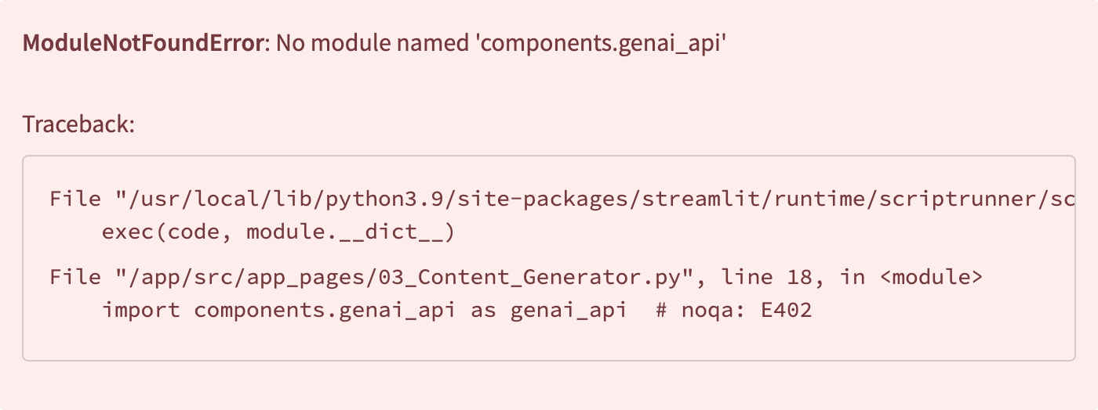 | Needed to add Langchain-Community module to the Lambda layers. Missing the langchain community module in the Lambda layers. Added it to the requirements file but it made now difference so I just copied it over into the layers directory
10 | The message "internal server error" was being displayed on the 3rd scrren. | 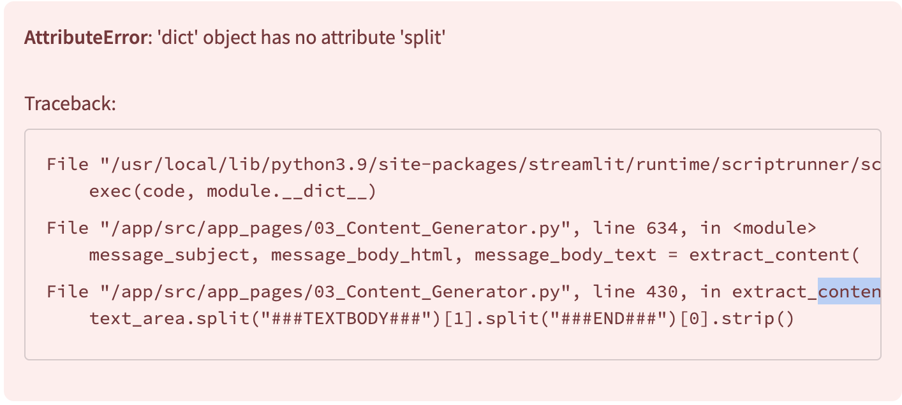 From CloudFront: Assistant: SMS message: model_id: Bedrock: Claude Instant response.text: {"message":"Internal Server Error"} response: {'message': 'Internal Server Error'} content: {'message': 'Internal Server Error'} content: {'message': 'Internal Server Error'} text_area type: <class 'dict'> text_area content: {'message': 'Internal Server Error'} 2024-06-08 10:11:09.599 Uncaught app exception Traceback (most recent call last): File "/Users/frankserrao/Library/Python/3.9/lib/python/site-packages/streamlit/runtime/scriptrunner/script_runner.py", line 600, in _run_script exec(code, module.__dict__) File "/Users/frankserrao/MyStuff/TestAndPlay/Click2Mail/generative-ai-marketing-portal/assets/streamlit/src/app_pages/03_Content_Generator.py", line 670, in <module> message_subject, message_body_html, message_body_text = extract_content( File "/Users/frankserrao/MyStuff/TestAndPlay/Click2Mail/generative-ai-marketing-portal/assets/streamlit/src/app_pages/03_Content_Generator.py", line 464, in extract_content text_area.split("###TEXTBODY###")[1].split("###END###")[0].strip() AttributeError: 'dict' object has no attribute 'split' | This error also seems to be related to the missing langchain community module - but I am. Not positive about it. In any case, I am not seeing it anymore.
11 |  | 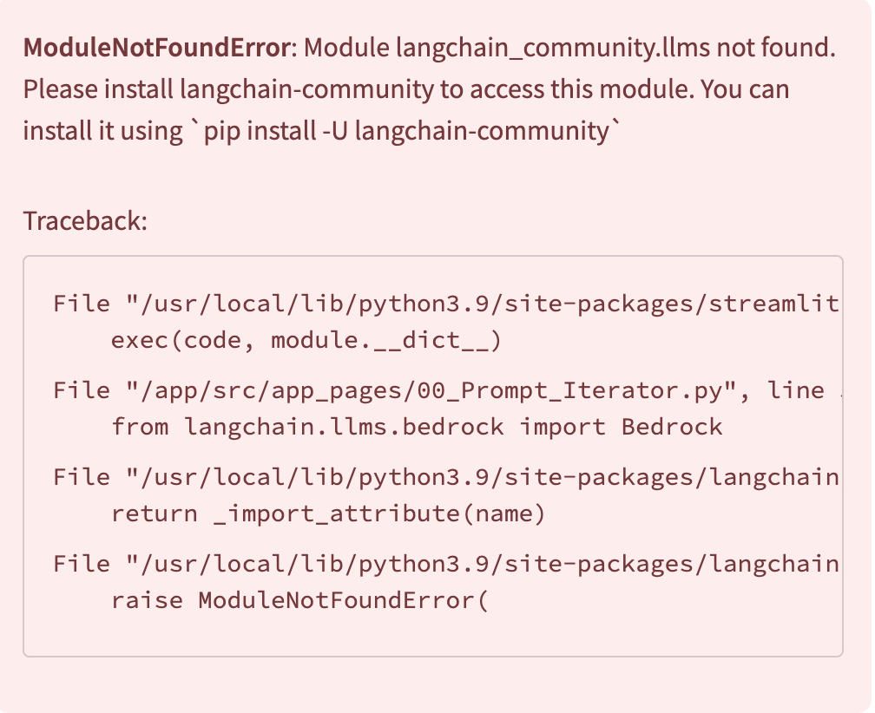 | Needed to add langchain-community to the pyproject.toml file.
 | When installing langchain community | Using cached packaging-23.2-py3-none-any.whl (53 kB) Installing collected packages: packaging, orjson, langsmith, langchain-core, langchain-text-splitters, langchain, langchain-community Attempting uninstall: packaging Found existing installation: packaging 21.3 Uninstalling packaging-21.3: Successfully uninstalled packaging-21.3 Attempting uninstall: langsmith Found existing installation: langsmith 0.0.92 Uninstalling langsmith-0.0.92: Successfully uninstalled langsmith-0.0.92 Attempting uninstall: langchain-core Found existing installation: langchain-core 0.0.11 Uninstalling langchain-core-0.0.11: Successfully uninstalled langchain-core-0.0.11 Attempting uninstall: langchain Found existing installation: langchain 0.0.347 Uninstalling langchain-0.0.347: Successfully uninstalled langchain-0.0.347 ERROR: pip's dependency resolver does not currently take into account all the packages that are installed. This behaviour is the source of the following dependency conflicts. safety 2.3.5 requires packaging<22.0,>=21.0, but you have packaging 23.2 which is incompatible. Successfully installed langchain-0.2.3 langchain-community-0.2.4 langchain-core-0.2.5 langchain-text-splitters-0.2.1 langsmith-0.1.77 orjson-3.10.4 packaging-23.2
Issues identified but not fixed in the pull version
 | If the Dockerfile doesn’t specify an exact version (like 3.9.19), Docker will pull the latest version of the 3.9-slim image, which could be the reason for the unexpected change to Python 3.9.20. | #15 [11/12] RUN poetry install --only main #15 2.487 The currently activated Python version 3.9.20 is not supported by the project (3.9.19). #15 2.487 Trying to find and use a compatible version. #15 3.188 #15 3.188 Poetry was unable to find a compatible version. If you have one, you can explicitly use it via the "env use" command. #15 ERROR: process "/bin/sh -c poetry install --only main" did not complete successfully: exit code: 1 | Find and Pin a Specific Version of the Docker Image To ensure stability, you should pin the Docker image to a specific version. Here's how: Check Docker Hub: You can go to the official Python Docker Hub page and search for the specific version tags. For example, if you want Python 3.9.19, look for a tag like python:3.9.19-slim. Pin the Version in the Dockerfile: Once you've identified the version that worked for you (e.g., 3.9.19), modify your Dockerfile to pin that specific version. For example, if 3.9.19-slim was working for you: Dockerfile Copy code FROM python:3.9.19-slim | # Copyright 2023 Amazon.com, Inc. or its affiliates. All Rights Reserved. # # This is AWS Content subject to the terms of the Customer Agreement # ---------------------------------------------------------------------- # File content: # Docker image of the streamlit container FROM --platform=linux/amd64 python:3.9.19-slim WORKDIR /app RUN apt-get update -y && apt-get install -y --no-install-recommends\ build-essential \ curl \ software-properties-common \ git \ && rm -rf /var/lib/apt/lists/* COPY streamlit/pyproject.toml /app COPY streamlit/.streamlit/ /app/.streamlit/ COPY shared_module/python /app/shared_module RUN python --version RUN pip3 --no-cache-dir install -U pip RUN pip3 --no-cache-dir install poetry RUN poetry config virtualenvs.create false RUN poetry install --only main COPY streamlit/src/ /app/src EXPOSE 8501 HEALTHCHECK CMD curl --fail http://localhost:8501/_stcore/health ENTRYPOINT ["streamlit", "run", "src/Home.py", "--server.port=8501", "--server.address=0.0.0.0"]

