Commercial1
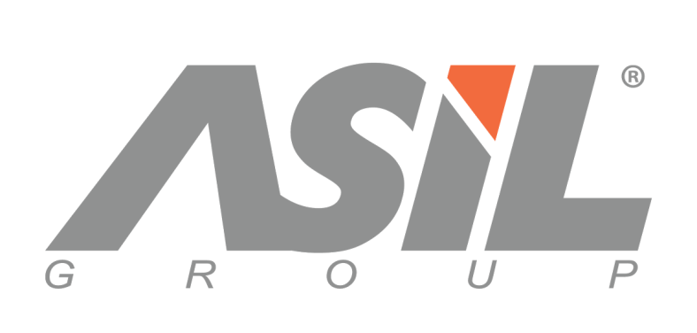

 | COMMERCIAL INVOICE

 | Applicant |  |  |  | Invoice Number |  | 5fea4bbdf97dc244b80e10a81609282164549
 | Company : sametokuv
 | Address : |  |  |  | Date |  | 11 / 3 / 2020
 | Country : USA |  |  |  | Delivery Terms |  | EXV istanbul
 | Phone : |  |  |  | Payment |  | undefined
 | Fax :
 | Tax Id : |  |  |  | Documentary
 |  |  |  |  | Credit Number
 | Bank Account Details
 | Seller : ASİL GROUP İÇ ve DIŞ TİC. SAN. LTD. ŞTİ.
 | Bank Details : VAKiF BANK Branch : S00716 - SOGANLI ISTANBUL SUBESI Account No :00158048017881404
 | USD IBAN CODE :TR55 0001 5001 5804 8017 8814 04
 | Swift CODE : TVBATR2A
No | Description of goods | VOLUME | Pcs in box | Pallets | Boxes | Pcs | Unit Price EURO | Total Price EURO
 | Nishman Aqua Hair Styling Wax 01 GumGum | 150 ML | 48 |  | 14 | 672 | 1 USD | 672 USD
 | Nishman Aqua Hair Styling Wax 02 Sport | 150 ML | 48 |  | 20 | 960 | 1 USD | 960 USD
 | Nishman Aqua Hair Styling Wax 02 Sport | 100 ML | 60 |  | 10 | 600 | 0.8 USD | 480 USD
 | Nishman Aqua Hair Styling Wax 04 Rugby | 150 ML | 48 |  | 9 | 432 | 1 USD | 432 USD
 | NISHMAN DEPILATIORY HARD MOLD WAX (AZULEN ) | 500 ML | 24 |  | 3 | 72 | 2 USD | 144 USD
 | NISHMAN MIDI PROFESSIONAL SHAVING BRUSH CODE : 1056 | N.1056 | 6 |  | 3 | 18 | 4.3 USD | 77.4 USD
 | FREE OF CHARGE ONLY FOR CUSTOM PURPOSES
 | NISHMAN SHAVER CLEANER 3in1 | 300 ML | 72 |  | 3 | 72 | 1.7 USD | 122.4 USD
 |  |  |  | kap | 62 | 2826 |  | 2887.8 USD
 |  |  |  | Deposit 1
 |  |  |  | Deposit 2
 |  |  |  | Sub Total EURO |  |  |  | 2887.8 USD
 |  |  |  | Inspection & Insurance Cost
 |  |  |  | Freight Cost
 |  |  |  | TOTAL BALANCE EURO

 | Total Gross weight |  | 597.31
 | Total Net weight |  | 569.41
 | Total boxes |  | 62
 | Total Pallets |  | kap
 | Total m3 |  | 1.73

