Commercial1
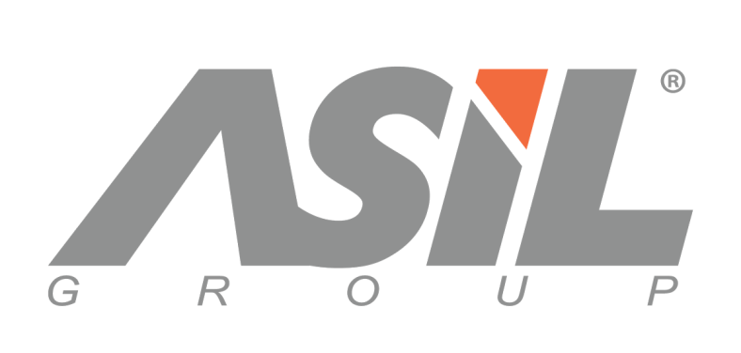

 | COMMERCIAL INVOICE

 | Applicant |  |  |  | Invoice Number |  | 5f99b76f3ea4314e689b4de81609878127754
 | Company : Nishman
 | Address : Vancouver |  |  |  | Date |  | 1 / 5 / 2021
 | Country : Canada |  |  |  | Delivery Terms |  | EXV istanbul
 | Phone : 17785221734 |  |  |  | Payment |  | 35% CASH IN ADVANCE
 | Fax : 12345
 | Tax Id : 12354 |  |  |  | Documentary |  | creditnumber
 |  |  |  |  | Credit Number
 | Bank Account Details
 | Seller : ASİL GROUP İÇ ve DIŞ TİC. SAN. LTD. ŞTİ.
 | Bank Details : VAKiF BANK Branch : S00716 - SOGANLI ISTANBUL SUBESI Account No :00158048017881404
 | USD IBAN CODE :TR55 0001 5001 5804 8017 8814 04
 | Swift CODE : TVBATR2A
No | Description of goods | VOLUME | Pcs in box | Pallets | Boxes | Pcs | Unit Price EURO | Total Price EURO
 | Nishman Aqua Hair Styling Wax 01 GumGum | 150 ML | 48 |  | 10 | 480 | 1 USD | 480 USD
 | Nishman Aqua Hair Styling Wax 02 Sport | 150 ML | 48 |  | 10 | 480 | 1 USD | 480 USD
 | NISHMAN HAIR DEFINING MATTE PASTE ARGAN M1 | 100 ML | 36 |  | 10 | 360 | 1.6 USD | 576 USD
 | NISHMAN HAIR STYLING SPRAY ULTRA HOLD (05) | 400 ML | 24 |  | 10 | 240 | 1.4 USD | 336 USD
 | Nishman Aqua Hair Styling Wax 04 Rugby | 100 ML | 60 |  | 10 | 600 | 0.8 USD | 480 USD
 | FREE OF CHARGE ONLY FOR CUSTOM PURPOSES
 | Nishman Aqua Hair Styling Wax 01 GumGum | 100 ML | 120 |  | 2 | 120 | 0.8 USD | 96 USD
 |  |  |  | 45 kap | 52 | 2280 |  | 2448 USD
 |  |  |  | Deposit 1
 |  |  |  | Deposit 2
 |  |  |  | Sub Total EURO |  |  |  | 2448 USD
 |  |  |  | Inspection & Insurance Cost
 |  |  |  | Freight Cost
 |  |  |  | TOTAL BALANCE EURO

 | Total Gross weight |  | 456.40
 | Total Net weight |  | 433.00
 | Total boxes |  | 52
 | Total Pallets |  | 45 kap
 | Total m3 |  | 1.22

