Sheet2
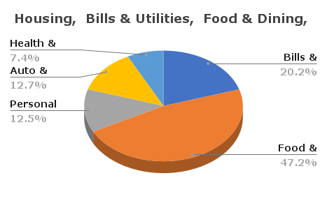
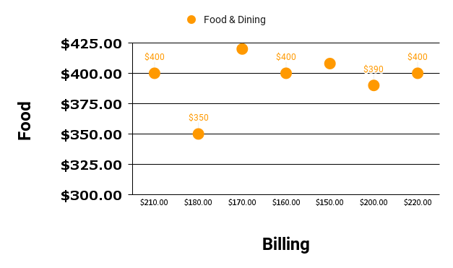
 | Housing | Bills & Utilities | Food & Dining | Personal | Auto & Transport | Health & Fitness
Total | £9,600.00 | £2,060.00 | £4,820.00 | £1,280.00 | £1,300.00 | £760.00

Bills & Utilities
Food and Drinks

