$_BOM_CYCLE
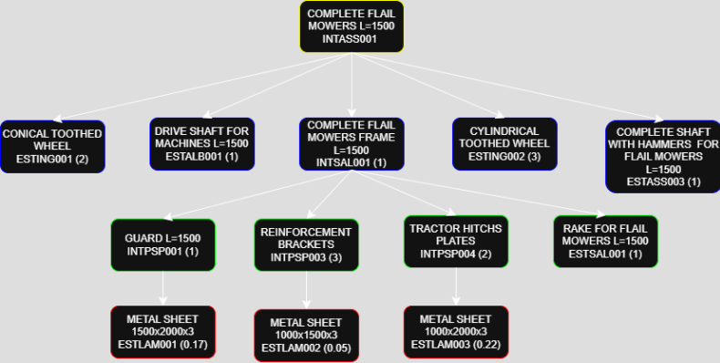
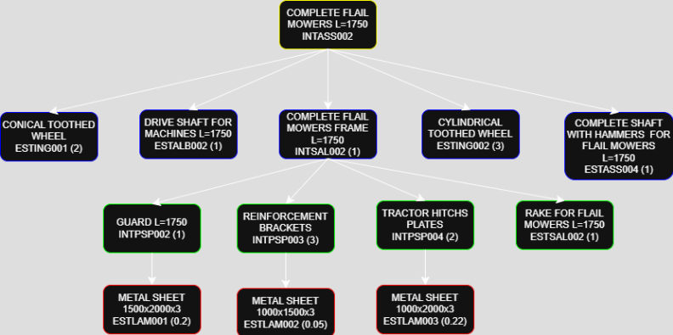
 |  |  |  | CODE | TYPE | DESCRIPTION | USAGE RATE | Q.TY | Q.TY WITH SCRAPS
 |  |  |  |  |  |  |  | (pcs/month) | (pcs/month)
BILL OF MATERIAL LEVELS |  |  |  | CODE | TYPE | DESCRIPTION | USAGE RATE | Q.TY | Q.TY WITH SCRAPS
1 |  |  |  | INTASS001 | PART | COMPLETE FLAIL MOWERS L=1500 |  | 9,389
 |  |  |  | INTASS001-10 | OP | COMPLETE FLAIL MOWERS ASSEMBLY L=1500 |  |  | 9,389
 | 2 |  |  | INTSAL001 | PART | COMPLETE FLAIL MOWERS FRAME L=1500 | 1 | 9,389 |  | 3,286
 |  |  |  | INTSAL001-10 | OP | WELDING FRAME WITH TRACTOR HITCHS L=1500 |  |  | 9,679
 |  | 3 |  | INTPSP001 | PART | GUARD L=1500 | 1 | 9,679
 |  |  |  | INTPSP001-20 | OP | GUARD BENDING L=1500 |  |  | 9,877
 |  |  |  | INTPSP001-10 | OP | GUARD STAMPING L=1500
 |  |  | 4 | ESTLAM001 | PART | METAL SHEET 1500x2000x3 | 0.17 | 1,955
 |  | 3 |  | INTPSP003 | PART | REINFORCEMENT BRACKETS | 3 | 29,038
 |  |  |  | INTPSP003-20 | OP | REINFORCEMENT BRACKETS BENDING |  |  | 29,631
 |  |  |  | INTPSP003-10 | OP | REINFORCEMENT BRACKETS STAMPING |  |  | 29,930
 |  |  | 4 | ESTLAM002 | PART | METAL SHEET 1000x1500x3 | 0.05 | 1,497
 |  | 3 |  | INTPSP004 | PART | TRACTOR HITCHS PLATES | 2 | 19,359
 |  |  |  | INTPSP004-20 | OP | TRACTOR HITCH BRACKETS BENDING |  |  | 19,754
 |  |  |  | INTPSP004-10 | OP | TRACTOR HITCHS BRACKETS STAMPING |  |  | 19,953
 |  |  | 4 | ESTLAM003 | PART | METAL SHEET 1000x2000x3 | 0.22 | 4,988
 |  | 3 |  | ESTSAL001 | PART | RAKE FOR FLAIL MOWERS L=1500 | 1 | 9,679
 | 2 |  |  | ESTALB001 | PART | DRIVE SHAFT FOR MACHINES L=1500 | 1 | 9,679
 | 2 |  |  | ESTING001 | PART | CONICAL TOOTHED WHEEL | 2 | 19,359
 | 2 |  |  | ESTING002 | PART | CYLINDRICAL TOOTHED WHEEL | 3 | 29,038
 | 2 |  |  | ESTASS003 | PART | COMPLETE SHAFT WITH HAMMERS FOR FLAIL MOWERS L=1500 | 1 | 9,679
1 |  |  |  | INTASS002 | PART | COMPLETE FLAIL MOWERS L=1750 |  | 6,260
 |  |  |  | INTASS002-10 | OP | COMPLETE FLAIL MOWERS ASSEMBLY L=1750 |  |  | 6,260
 | 2 |  |  | INTSAL002 | PART | COMPLETE FLAIL MOWERS FRAME L=1750 | 1 | 6,260
 |  |  |  | INTSAL002-10 | OP | WELDING FRAME. WITH TRACTOR HITCHS L=1750 |  |  | 6,454
 |  | 3 |  | INTPSP002 | PART | GUARD L=1750 | 1 | 6,454
 |  |  |  | INTPSP002-20 | OP | GUARD BENDING L=1750 |  |  | 6,585
 |  |  |  | INTPSP002-10 | OP | GUARD STAMPING L=1750 |  |  | 6,652
 |  |  | 4 | ESTLAM001 | PART | METAL SHEET 1500x2000x3 | 0.20 | 1,330
 |  | 3 |  | INTPSP003 | PART | REINFORCEMENT BRACKETS | 5 | 32,268
 |  |  |  | INTPSP003-20 | OP | REINFORCEMENT BRACKETS BENDING |  |  | 32,927
 |  |  |  | INTPSP003-10 | OP | REINFORCEMENT BRACKETS STAMPING |  |  | 33,259
 |  |  | 4 | ESTLAM002 | PART | METAL SHEET 1000x1500x3 | 0.05 | 1,663
 |  | 3 |  | INTPSP004 | PART | TRACTOR HITCHS PLATES | 2 | 12,907
 |  |  |  | INTPSP004-20 | OP | TRACTOR HITCH BRACKETS BENDING |  |  | 13,171
 |  |  |  | INTPSP004-10 | OP | TRACTOR HITCHS BRACKETS STAMPING |  |  | 13,304
 |  |  | 4 | ESTLAM003 | PART | METAL SHEET 1000x2000x3 | 0.22 | 3,326
 |  | 3 |  | ESTSAL002 | PART | RAKE FOR FLAIL MOWERS L=1750 | 1 | 6,454
 | 2 |  |  | ESTALB002 | PART | DRIVE SHAFT FOR MACHINE L=1750 | 1 | 6,260
 | 2 |  |  | ESTING001 | PART | CONICAL TOOTHED WHEEL | 2 | 12,520
 | 2 |  |  | ESTING002 | PART | CYLINDRICAL TOOTHED WHEEL | 3 | 18,780
 | 2 |  |  | ESTASS004 | PART | COMPLETE SHAFT WITH HAMMERS FOR FLAIL MOWERS L=1750 | 1 | 6,260

ABC ANALYSIS
PLANT ABC ANALYSIS
Components | Turnover Index | Cummilative Turnover Index | Cummilative Turnover Index (%)
METAL SHEET 1500x2000x3 | 2.75 | 2.75 | 0.64
METAL SHEET 1000x2000x3 | 2.75 | 5.50 | 1.28
DRIVE SHAFT L=1500 | 2.75 | 8.25 | 1.93
ABC ANALYSIS
RAKE FOR FLAIL MOWERS L=1500 | 2.75 | 11.00 | 2.57
METAL SHEET 1000x1500x3 | 2.75 | 13.75 | 3.21
DRIVE SHAFT L=1750 | 2.75 | 16.50 | 3.85
RAKE FOR FLAIL MOWERS L=1750 | 2.75 | 19.25 | 4.49
COMPLETE SHAFT WITH HAMMERS FOR FLAIL MOWERS L=1500 | 4.00 | 23.25 | 5.43
COMPLETE SHAFT WITH HAMMERS FOR FLAIL MOWERS L=1750 | 4.00 | 27.25 | 6.36
TRACTOR HITCHS PLATES | 23.28 | 50.53 | 11.79
STAMPED TRACTOR HITCHS BRACKETS | 24.24 | 74.77 | 17.45
COMPLETE FLAIL MOWERS L=1500 | 26.83 | 101.60 | 23.71
COMPLETE FLAIL MOWERS FRAME L=1500 | 27.66 | 129.25 | 30.16
GUARD L=1500 | 27.93 | 157.19 | 36.68
STAMPED GUARD L=1500 | 28.50 | 185.69 | 43.33
REINFORCEMENT BRACKETS | 29.49 | 215.18 | 50.21
STAMPED REINFORCEMENT BRACKETS | 30.70 | 245.88 | 57.38
COMPLETE FLAIL MOWERS L=1750 | 41.59 | 287.48 | 67.08
COMPLETE FLAIL MOWERS FRAME L=1750 | 42.88 | 330.36 | 77.09
GUARD L=1750 | 43.31 | 373.67 | 87.19
STAMPED GUARD L=1750 | 45.10 | 418.77 | 97.72
CONICAL TOOTHED WHEEL | 4.89 | 423.66 | 98.86
CYLINDRICAL TOOTHED WHEEL | 4.89 | 428.55 | 100.00

ABC ANALYSIS
RAW MATERIAL WAREHOUSE ABC ANALYSIS
Components | Turnover Index | Cummilative Turnover Index | Cummilative Turnover Index (%)
METAL SHEET 1500x2000x3 | 2.75 | 2.75 | 7.43
METAL SHEET 1000x1500x3 | 2.75 | 5.50 | 14.85
METAL SHEET 1000x2000x3 | 2.75 | 8.25 | 22.28
CONICAL TOOTHED WHEEL | 4.89 | 13.14 | 35.48
CYLINDRICAL TOOTHED WHEEL | 4.89 | 18.03 | 48.69
DRIVE SHAFT L=1500 | 2.75 | 20.78 | 56.11
DRIVE SHAFT L=1750 | 2.75 | 23.53 | 63.54
COMPLETE SHAFT WITH HAMMERS FOR FLAIL MOWERS L=1500 | 4 | 27.53 | 74.34
COMPLETE SHAFT WITH HAMMERS FOR FLAIL MOWERS L=1750 | 4 | 31.53 | 85.15
RAKE FOR FLAIL MOWERS L=1500 | 2.75 | 34.28 | 92.57
RAKE FOR FLAIL MOWERS L=1750 | 2.75 | 37.03 | 100.00

ABC ANALYSIS

STAMPING BUFFER WAREHOUSE ABC ANALYSIS
Components | Turnover Index | Cummilative Turnover Index | Cummilative Turnover Index (%)
STAMPED GUARD L=1500 | 28.50 | 28.50 | 22.174272057
STAMPED GUARD L=1750 | 45.10 | 73.61 | 57.258331202
STAMPED REINFORCEMENT BRACKETS | 30.70 | 104.31 | 81.143523173
STAMPED TRACTOR HITCHS BRACKETS | 24.24 | 128.55 | 100

ABC ANALYSIS
BENDING BUFFER WAREHOUSE ABC ANALYSIS
Components | Turnover Index | Cummilative Turnover Index | Cummilative Turnover Index (%)
GUARD L=1500 | 27.93472278 | 27.93472278 | 22.524875016
GUARD L=1750 | 43.314260528 | 71.248983308 | 57.450881352
REINFORCEMENT BRACKETS | 29.488304746 | 100.73728805 | 81.22847113
TRACTOR HITCHS PLATES | 23.279927404 | 124.01721546 | 100

ABC ANALYSIS

WELDING BUFFER WAREHOUSE ABC ANALYSIS
Components | Turnover Index | Cummilative Turnover Index | Cummilative Turnover Index (%)
COMPLETE FLAIL MOWERS FRAME L=1500 | 27.655375552 | 27.655375552 | 39.207187925
COMPLETE FLAIL MOWERS FRAME L=1750 | 42.881117923 | 70.536493475 | 100

Recieving
 |  | Receiving area calculation |  |  |  |  |  |  | Step 1 |  |  |  |  |  |  |  |  |  | Step 2
 | Lorry volume | FEU | 63.4 | m3 |  |  |  |  |  |  |  |  |  |  |  |  |  |  |  | monday
 |  |  |  |  |  |  |  |  |  | Receiving timetable |  |  |  |  |  |  |  |  |  | Lu | 795 | 123
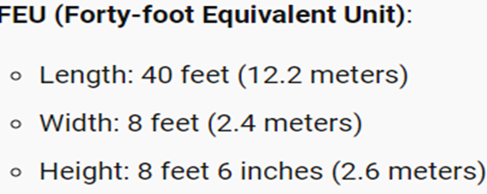
 | Finding worst case scenario |  |  |  |  |  |  |  |  |  |  |  |  |  |  |  |  |  |  | size | 1*2*1 | 0.8x1x0.8
 |  |  | LU received | Interval |  | Total volume |  |  | Monday | Volume | Tuesday | Volume | Wednesday | Volume | Thursday | Volume | Friday | Volume |  | Lu/LENGTH | 12.2 | 15.25
FM | METAL SHEETS |  | 339 | 10 |  | 215.85 | m3 |  | 795 | 1590 | 333 | 208.5 | 339 | 215.85 | 189 | 94.316 | 363 | 726 |  | Lu/width | 1.2 | 2.4
 | GEARS |  | 73 | 3 |  | 46.72 |  |  |  |  | 73 | 46.72 |  |  | 285 | 570 | 73 | 46.72 |  | Lu/height | 2.6 | 3.25
 | DRIVE SHAFTS |  | 189 | 10 |  | 94.316 |  |  |  |  | 50 | 32 |  |  | 128 | 54.696 | 50 | 32 |  | Lu/truck | 24 | 90
RAKE FOR FLAIL MOWERS |  |  | 795 | 10 |  | 1590
 | COMPLETE SHAFTS WITH HAMMERS |  | 363 | 5 |  | 726 |  |  |  |  |  |  |  |  |  |  |  |  |  | Truck/day | 33.125 | 1.3666666667
RT | METAL SHEETS |  | 333 | 10 |  | 208.5 |  | Sum(total load units received daily) | 795 | 1590 | 456 | 287.22 | 339 | 215.85 | 474 | 719.012 | 486 | 804.72 |  |  | 34 | 2
 | GEARS |  | 50 | 3 |  | 32 |  |  |  |  |  |  |  |  |  |  |  |  |  | total/day | 36
 | DRIVE SHAFTS |  | 128 | 10 |  | 54.696 |  |  | Monday | Volume | Tuesday | Volume | Wednesday | Volume | Thursday | Volume | Friday | Volume |  | truck/hour | 2.4 | take 3
 | COMPLETE SHAFTS WITH HOES |  | 285 | 5 |  | 570 |  |  |  |  |  |  | 73 | 46.72 | 285 | 570 | 363 | 726 |  | Docks | 3
 |  |  |  |  |  |  |  |  |  |  |  |  | 50 | 32

Step 3
 | Calculating with worst case scenario(Greatest LU number)
 |  |  |  |  |  |  |  |  |  |  |  |  | 123 | 78.72 | 285 | 570 | 363 | 726
 | Q | 918 | Lu/day
 | Lu/hour | 61.2 | Lu/hour |  |  |  |  |  | Monday | Volume | Tuesday | Volume | Wednesday | Volume | Thursday | Volume | Friday | Volume
 | ts | 45 | min | 0.75 | hr | loading/unloading time |  |  | 795 | 1590 | 333 | 208.5 | 339 | 215.85 | 189 | 94.316 | 363 | 726
 | tm | 45 | min | 0.75 | hr | handling time inside warehouse |  |  | 73 | 46.72 |  |  |  |  | 285 | 570
 | Truck volume | 63.4 | m3 |  |  |  |  |  | 50 | 32 |  |  |  |  | 128 | 54.696
 | N.o trucks/day | 27 | trucks/day |  |  |  |  |  |  |  |  |  |  |  | 73 | 46.72
 | Max size Lu | 1x2x1 |  | Oversizing with the max LU dimension |  |  |  |  |  |  |  |  |  |  | 50 | 32
 | M | 3 | trucks/hour | (Taken from Wednesday calculation) |  |  |  |  | 918 | 1668.72 | 333 | 208.5 | 339 | 215.85 | 725 | 797.732 | 363 | 726
 | Q | 62 | LU/hour
 | N.o docks | 3 | docks |  |  |  |  |  | Monday | Volume | Tuesday | Volume | Wednesday | Volume | Thursday | Volume | Friday | Volume
 | Area | 93 | m2 |  |  |  |  |  |  |  | 73 | 46.72 |  |  | 285 | 570 | 363 | 726
 | Buffer area per each dock | 31 | m2 |  |  |  |  |  |  |  | 50 | 32 |  |  |  |  | 73 | 46.72
 |  |  |  |  |  |  |  |  |  |  |  |  |  |  |  |  | 50 | 32

 |  | We choose the 90 degree parking |  |  |  |  |  |  |  |  | 123 | 78.72 |  |  | 285 | 570 | 486 | 804.72
 | N.O docks | 3
 | Width of truck | 2.4 | m
 | Clearance | 0.5 | m | (clearance on each side)
 | Width of dock | 3.4 | m

OP_ASSEMBLING
 | FLAIL MOWER
 | COD | DESCRIPTION | PREC. | MIN. | Task | Task Time | RPW | Set of Successors
 | A | Take frame assembly from load unit and place on equipment | - | 0.40 | A | 0.40 | 6.30 | B,C,D,E,F,G,H,I,L,M,N,O
 | B | Take drive shaft supports and secure on chassis | A | 0.30 | I | 0.60 | 2.30 | L,M,O
 | C | Take gear box and fasten on chassis | A | 0.30 | C | 0.30 | 2.20 | D,E,F,O
 | D | Take scrapers and fasten on gear box | C | 0.50 | D | 0.50 | 1.90 | E, F, O
 | E | Take bevel gear pair and assemble within box | D | 0.50 | G | 0.40 | 1.90 | H,N,O
 | F | Take drive shaft and assemble | E,B | 0.50 | L | 0.80 | 1.70 | M,O
 | G | Take frame side closure and assemble | A | 0.40 | H | 0.70 | 1.50 | N,O
 | H | Take out gears and mount on frame side closure | G | 0.70 | E | 0.50 | 1.40 | F, O
 | I | Take shaft with hammers and assemble on frame | A | 0.60 | B | 0.30 | 1.20 | F, O
 | L | Remove hammers cover and assemble on frame | I | 0.80 | F | 0.50 | 0.90 | O
 | M | Pick up register hammer cover and assemble on frame | L | 0.50 | M | 0.50 | 0.90 | O
 | N | Remove side gear cover and assemble on frame | H | 0.40 | N | 0.40 | 0.80 | O
 | O | Take complete flail mower and lay down in load unit | F,N,M | 0.40 | O | 0.40 | 0.40 | NONE
 |  |  |  | 6.30 |  | 6.30

AN ASSEMBLING DIAGRAM MUST BE DRAWN, ACCORDING TO PRECEEDINGS AND FOLLOWINGS
 |  |  |  |  |  | OP_10 |  | OP_20 |  | OP_30 |  | OP_40
 |  |  |  |  |  | A | 0.40 | G | 0.40 | E | 0.50 | N | 0.40
 |  |  |  |  |  | I | 0.60 | L | 0.80 | B | 0.30 | O | 0.40
G
H
N
 |  |  |  |  |  | C | 0.30 | H | 0.70 | F | 0.50
 |  |  |  |  |  | D | 0.50 |  |  | M | 0.50

 |  |  |  |  |  | Total | 1.80 | Total | 1.90 | Total | 1.80 | Total | 0.80

B
F

A
O

C
D
E

I
L
M

