גיליון1
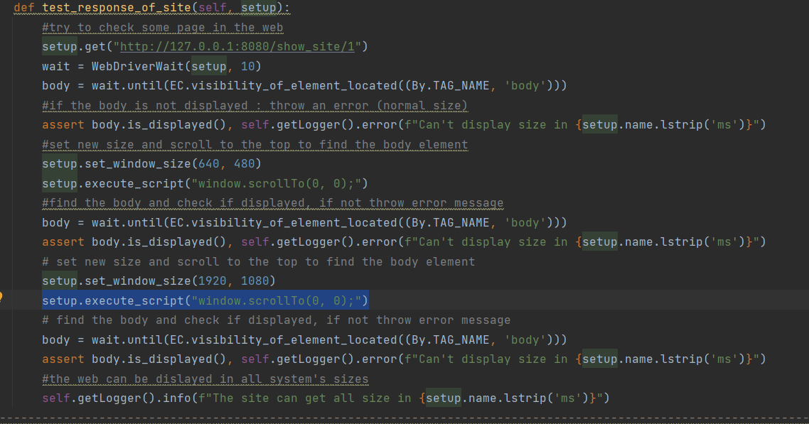
 |  |  |  |  |  |  |  |  | Fatmeh Foqara |  | Test Descovered by: |  | OurAntiquityLand |  | Project Name:
 |  |  |  |  |  |  |  |  | 2023-11-03 |  | Test Descover date:
 |  |  |  |  |  |  |  |  | Fatmeh Foqara |  | Test Fixed by: |  | 1 |  | Release Version:
 |  |  |  |  |  |  |  |  | 13/3/2023 |  | Test Fixing date:
Bug status | OS/Browser/Device | Testing environment |  | Reproducibility | Software version |  | Priority | Severity |  | Reporter |  | Steps |  | Defect title |  | #

Fixed/closed (it still have old files, but cant add illegal files anymore) | Chrome/Edge/Firefox | PyCharm |  | Always | Windows 10 pro |  | High |  |  | Fatmeh Foqara |  | 1.connect to the database 2. check wether it has a file that is not a type of ['jpg', 'jpeg', 'png', 'gif'] |  | Illegal files in the Database. |  | 1

Attachments

The content of the DB. It includes files of type jfif, which is not defined as allowed: |  |  |  |  |  |  |  | The code that shows allowed file types ['jpg','jpeg','png','gif']:

 |  |  |  |  |  |  |  |  | Fatmeh Foqara |  | Test Descovered by: |  | OurAntiquityLand |  | Project Name:
 |  |  |  |  |  |  |  |  | 2023-11-03 |  | Test Descover date:
 |  |  |  |  |  |  |  |  | Fatmeh Foqara |  | Test Fixed by: |  | 1 |  | Release Version:
 |  |  |  |  |  |  |  |  | 13/3/2023 |  | Test Fixing date:
Bug status | OS/Browser/Device | Testing environment |  | Reproducibility | Software version |  | Priority | Severity |  | Reporter |  | Steps |  | Defect title |  | #

Fixed (by adding this type of pictue jfif to the allowed extension of pictures) | Chrome/Edge/Firefox | PyCharm |  | Intermittent | Windows 10 pro |  | High |  |  | Fatmeh Foqara |  | 1.Chose some picture that has an illegal type in the web. 2.check if it is diplayed. |  | Some picture are not displayed in the web. |  | 2

Attachments

The picture after fixing the bug: |  |  | The picture before (not displayed): |  |  |  | The code to check the picture:

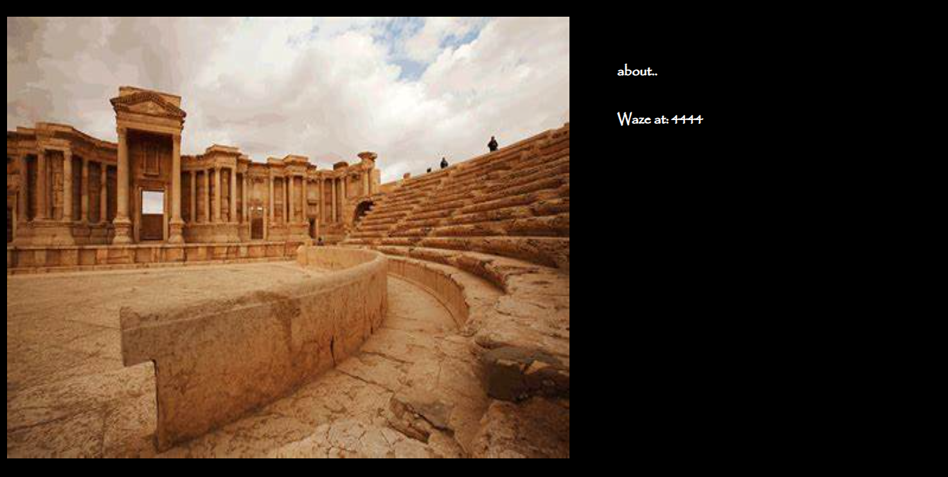 |  |  | 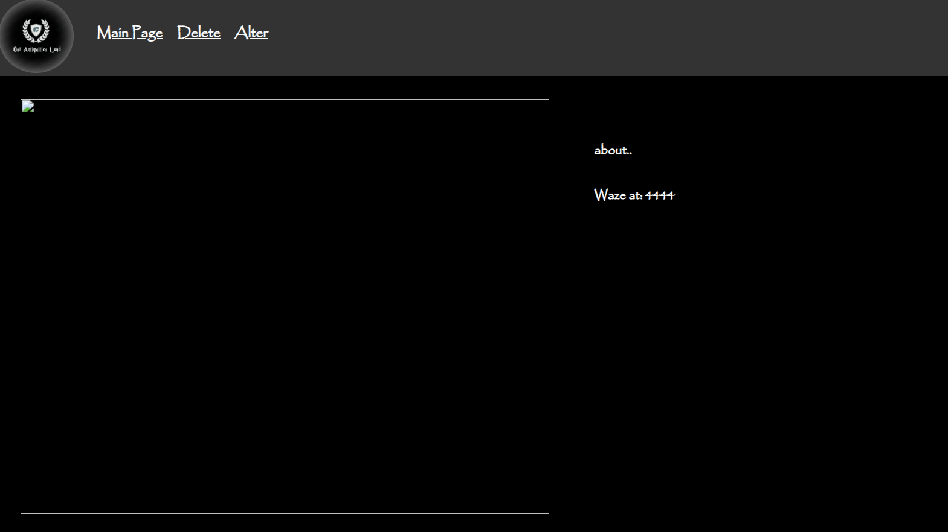 |  |  |  | 

 |  |  |  |  |  |  |  |  | Fatmeh Foqara |  | Test Descovered by: |  | OurAntiquityLand |  | Project Name:
 |  |  |  |  |  |  |  |  | 2023-11-03 |  | Test Descover date:
 |  |  |  |  |  |  |  |  | Fatmeh Foqara |  | Test Fixed by: |  | 1 |  | Release Version:
 |  |  |  |  |  |  |  |  | 13/3/2023 |  | Test Fixing date:
Bug status | OS/Browser/Device | Testing environment |  | Reproducibility | Software version |  | Priority | Severity |  | Reporter |  | Steps |  | Defect title |  | #

Fixed (this bug is connected to bug 1, they are because of the same reason, fixed the same way). | Chrome/Edge/Firefox | PyCharm |  | Intermittent | Windows 10 pro |  | High |  |  | Fatmeh Foqara |  | 1.connect to the database. 2. check if you can add xlsx file. |  | Database can save non-picture files. |  | 3

Attachments

The code we tried to enter xlsx file, it weorked before and throws assersion, after fixing it cant add the file, and the test passed.

 |  |  |  |  |  |  |  |  | Fatmeh Foqara |  | Test Descovered by: |  | OurAntiquityLand |  | Project Name:
 |  |  |  |  |  |  |  |  | 14/3/2023 |  | Test Descover date:
 |  |  |  |  |  |  |  |  | Fatmeh Foqara |  | Test Fixed by: |  | 1 |  | Release Version:
 |  |  |  |  |  |  |  |  |  |  | Test Fixing date:
Bug status | OS/Browser/Device | Testing environment |  | Reproducibility | Software version |  | Priority | Severity |  | Reporter |  | Steps |  | Defect title |  | #

Open | Chrome/Edge/Firefox | PyCharm |  | Intermittent | Windows 10 pro |  | Medium |  |  | Fatmeh Foqara |  | 1.Go to some page of the web. 2. Try to set different sizes for this page. |  | Web can not response to all sizes (sometimes) |  | 4

Attachments

 | The code : |  |  |  |  | The tesing result (this happens sometimes, another times the test passed)

