Access
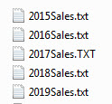
Example #2: Import Snow Flake Data Model from Access into Excel Power Pivot Data Model
Extract & Import
1) Connent to an Access Database and import Tables & Relationships
Transform Data
2) Convert Snow Flake to Star Schema
3) Load to Excel Data Model

Example #3: Import Multiple Text Files and Append into Single Table in Power BI Desktop
Extract & Import
1) Connect to Folder that Contains Tab Delimited Text Table Files
Transform Data
2) Append Tables
3) Load to Power BI Data Model

 | Access Database | Into ==>> | Power Pivot Data Model in Star Schema
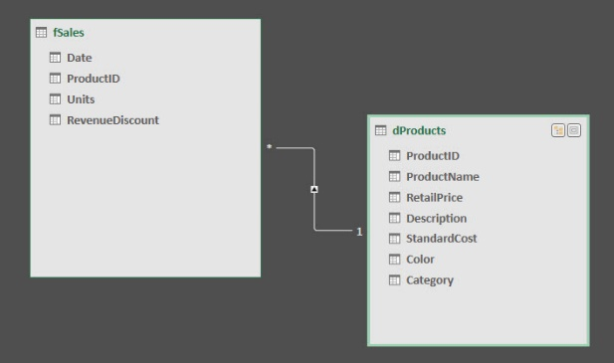

 | Multiple Text Files with 900,000 Rows of Data | Into ==>> | Power BI Data Model as One Table

