Sheet1
Drivers comments

Event: |  |  | Session |  |  | Date
Weather: | T Air |  | T Track | Wet X | Dry
Rate the equipment (1:bad...5:good) |  |  |  |  | 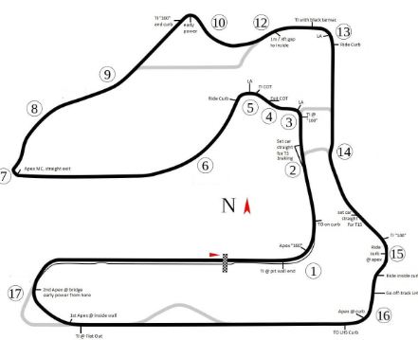

Radio: |  | Comments:
Seat:
Belts:
St.Wheel:
Pedals:
Dashboard:
Engine:
Gearbox:
Turn by turn analisys

Braking,Traction (1:bad...5:good); Turn-in, Mid Corner, Exit balance(-3:max understeer...0: neutral...+3: max oversteer)
Turn | Braking | Turn in | Mid Corner | Exit | Traction | Comments

1

2

3

4

5

6

7

8

9

10

11

12

13

14

15

16

17

To go faster

