Seguidos
PM10 vs Meses
Mes | No.Meses | PM10 | PM2.5 | O3 | NO2 | CO | SO2 | Tempetura | Presion Atmosferica
Jan-11 | 1 | 151 | 0 | 61 | 37 | 26 | 13 | 9 | 1013.5
Feb-11 | 2 | 133 | 0 | 62 | 38 | 20 | 14 | 11 | 1011.6
Mar-11 | 3 | 135 | 0 | 68 | 36 | 19 | 13 | 13 | 1009.9
Apr-11 | 4 | 105 | 0 | 79 | 34 | 18 | 8 | 15 | 1007.8
May-11 | 5 | 101 | 0 | 85 | 31 | 19 | 11 | 16 | 1006.4
Jun-11 | 6 | 67 | 0 | 68 | 25 | 17 | 11 | 16 | 1006.9
Jul-11 | 7 | 39 | 0 | 55 | 24 | 16 | 10 | 14 | 1008.8
Aug-11 | 8 | 43 | 0 | 64 | 24 | 14 | 7 | 15 | 1008.6
Sep-11 | 9 | 56 | 0 | 61 | 27 | 19 | 8 | 14 | 1009.7
Oct-11 | 10 | 72 | 0 | 61 | 32 | 21 | 10 | 12 | 1011.1
Nov-11 | 11 | 89 | 0 | 62 | 34 | 21 | 12 | 11 | 1012.9
Dec-11 | 12 | 133 | 0 | 72 | 37 | 25 | 12 | 10 | 1014.6
Jan-12 | 13 | 121 | 0 | 58 | 34 | 23 | 14 | 9 | 1015.4
Feb-12 | 14 | 68 | 0 | 46 | 29 | 20 | 12 | 11 | 1012.9
O3 vs Meses
Mar-12 | 15 | 97 | 0 | 74 | 34 | 18 | 13 | 12 | 1010.3
Apr-12 | 16 | 101 | 0 | 71 | 35 | 20 | 11 | 14 | 1009.3
May-12 | 17 | 80 | 0 | 81 | 36 | 21 | 14 | 15 | 1007.7
Jun-12 | 18 | 49 | 0 | 64 | 29 | 18 | 12 | 15 | 1007.8
Jul-12 | 19 | 41 | 0 | 58 | 25 | 16 | 13 | 14 | 1010.7
Aug-12 | 20 | 44 | 0 | 60 | 27 | 20 | 11 | 14 | 1008.9
Sep-12 | 21 | 44 | 0 | 61 | 27 | 20 | 11 | 14 | 1010.2
Oct-12 | 22 | 59 | 0 | 63 | 32 | 24 | 12 | 13 | 1010.5
Nov-12 | 23 | 67 | 0 | 59 | 34 | 23 | 12 | 11 | 1014
Dec-12 | 24 | 91 | 0 | 63 | 39 | 27 | 12 | 10 | 1013.6
Jan-13 | 25 | 94 | 0 | 56 | 33 | 26 | 10 | 10 | 1013.9
Feb-13 | 26 | 122 | 0 | 59 | 35 | 26 | 7 | 12 | 1011.1
Mar-13 | 27 | 95 | 0 | 63 | 30 | 25 | 11 | 12 | 1011.1
Apr-13 | 28 | 102 | 0 | 78 | 43 | 29 | 14 | 15 | 1007.8
May-13 | 29 | 90 | 0 | 80 | 44 | 22 | 14 | 15 | 1008.9
Jun-13 | 30 | 54 | 0 | 59 | 34 | 19 | 11 | 15 | 1008.2
NO2 vs Meses
Jul-13 | 31 | 45 | 0 | 57 | 37 | 17 | 10 | 14 | 1010.6
Aug-13 | 32 | 46 | 0 | 57 | 34 | 19 | 10 | 14 | 1010.1
Sep-13 | 33 | 38 | 0 | 48 | 29 | 19 | 9 | 14 | 1007
Oct-13 | 34 | 54 | 0 | 54 | 32 | 20 | 10 | 12 | 1016
Nov-13 | 35 | 52 | 0 | 52 | 29 | 21 | 9 | 11 | 1028.6
Dec-13 | 36 | 76 | 0 | 53 | 35 | 23 | 11 | 10 | 1028.8
Jan-14 | 37 | 97 | 0 | 61 | 41 | 26 | 12 | 9 | 1028.4
Feb-14 | 38 | 110 | 0 | 80 | 38 | 25 | 13 | 12 | 1027.2
Mar-14 | 39 | 103 | 0 | 63 | 31 | 20 | 14 | 14 | 1027.4
Apr-14 | 40 | 81 | 0 | 74 | 30 | 21 | 14 | 15 | 1027.5
May-14 | 41 | 62 | 0 | 69 | 31 | 19 | 9 | 15 | 1027.9
Jun-14 | 42 | 46 | 0 | 60 | 22 | 17 | 10 | 15 | 1027.2
Jul-14 | 43 | 46 | 0 | 59 | 27 | 17 | 10 | 14 | 1030.2
Aug-14 | 44 | 48 | 0 | 57 | 27 | 16 | 11 | 14 | 1029.3
Sep-14 | 45 | 44 | 0 | 46 | 24 | 19 | 11 | 15 | 1027.3
Oct-14 | 46 | 71 | 0 | 49 | 27 | 22 | 10 | 13 | 1027.5
CO vs Meses
Nov-14 | 47 | 95 | 0 | 36 | 29 | 22 | 8 | 12 | 1028.7
Dec-14 | 48 | 109 | 0 | 44 | 38 | 24 | 8 | 10 | 1028.5
Jan-15 | 49 | 111 | 0 | 46 | 36 | 26 | 9 | 10 | 1029.3
Feb-15 | 50 | 102 | 0 | 49 | 35 | 23 | 10 | 11 | 1027.7
Mar-15 | 51 | 87 | 0 | 51 | 28 | 24 | 8 | 13 | 1028
Apr-15 | 52 | 105 | 0 | 74 | 34 | 29 | 7 | 15 | 1027.3
May-15 | 53 | 83 | 0 | 49 | 40 | 26 | 7 | 15 | 1028.9
Jun-15 | 54 | 79 | 0 | 52 | 31 | 23 | 8 | 15 | 1028.1
Jul-15 | 55 | 79 | 0 | 57 | 32 | 20 | 9 | 14 | 1029.7
Aug-15 | 56 | 74 | 84 | 49 | 32 | 17 | 10 | 14 | 1029.2
Sep-15 | 57 | 84 | 83 | 45 | 28 | 15 | 12 | 14 | 1027.7
Oct-15 | 58 | 78 | 86 | 43 | 38 | 16 | 14 | 14 | 1028.5
Nov-15 | 59 | 94 | 99 | 44 | 38 | 17 | 12 | 13 | 1028.2
Dec-15 | 60 | 110 | 123 | 38 | 41 | 22 | 12 | 12 | 1027.7
Jan-16 | 61 | 119 | 132 | 42 | 41 | 24 | 11 | 10 | 1027.6
Feb-16 | 62 | 118 | 123 | 67 | 44 | 23 | 15 | 13 | 1028.1
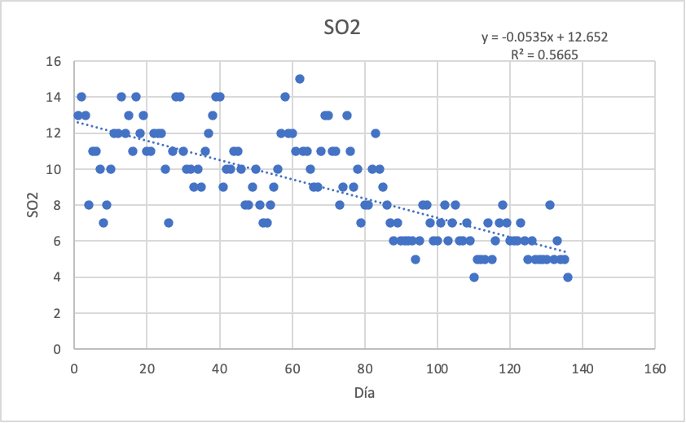
Mar-16 | 63 | 102 | 98 | 52 | 38 | 21 | 11 | 14 | 1027.2
Apr-16 | 64 | 111 | 109 | 69 | 44 | 21 | 11 | 17 | 1028.6
May-16 | 65 | 100 | 115 | 88 | 37 | 19 | 10 | 17 | 1029.6
Jun-16 | 66 | 70 | 92 | 54 | 27 | 13 | 9 | 15 | 1028.3
Jul-16 | 67 | 77 | 85 | 50 | 21 | 13 | 9 | 14 | 0
Aug-16 | 68 | 67 | 88 | 57 | 24 | 15 | 11 | 14 | 0
Sep-16 | 69 | 69 | 87 | 53 | 20 | 12 | 13 | 13 | 0
Oct-16 | 70 | 77 | 90 | 49 | 22 | 15 | 13 | 13 | 1029.1
Nov-16 | 71 | 97 | 107 | 47 | 26 | 17 | 11 | 11 | 1029.5
Dec-16 | 72 | 116 | 117 | 45 | 28 | 20 | 11 | 11 | 1030
Jan-17 | 73 | 123 | 122 | 57 | 33 | 22 | 8 | 10 | 1028.8
Feb-17 | 74 | 121 | 118 | 64 | 31 | 21 | 9 | 11 | 1028.1
Mar-17 | 75 | 107 | 106 | 61 | 30 | 14 | 13 | 12 | 1029.3
Apr-17 | 76 | 109 | 109 | 77 | 32 | 14 | 11 | 14 | 1027.4
May-17 | 77 | 103 | 117 | 85 | 27 | 14 | 9 | 16 | 1027.4
Jun-17 | 78 | 83 | 93 | 66 | 21 | 11 | 10 | 16 | 1026.6
Jul-17 | 79 | 67 | 87 | 50 | 25 | 13 | 7 | 14 | 1029.8
Aug-17 | 80 | 68 | 85 | 57 | 25 | 12 | 8 | 15 | 1028.3
Sep-17 | 81 | 67 | 79 | 44 | 29 | 13 | 8 | 15 | 1026.9
Oct-17 | 82 | 84 | 90 | 50 | 26 | 13 | 10 | 13 | 1027.6
Meses vs Temperatura
Nov-17 | 83 | 111 | 110 | 65 | 43 | 16 | 12 | 12 | 1029.1
Dec-17 | 84 | 132 | 139 | 78 | 36 | 20 | 10 | 9 | 1029
Jan-18 | 85 | 126 | 129 | 62 | 34 | 18 | 9 | 9 | 1028.7
Feb-18 | 86 | 114 | 110 | 76 | 28 | 17 | 8 | 12 | 1028.9
Mar-18 | 87 | 114 | 111 | 83 | 31 | 14 | 7 | 14 | 1027.5
Apr-18 | 88 | 109 | 110 | 64 | 28 | 14 | 6 | 14 | 1028.1
May-18 | 89 | 98 | 99 | 59 | 39 | 12 | 7 | 16 | 1027.8
Jun-18 | 90 | 70 | 83 | 51 | 18 | 11 | 6 | 15 | 1027.4
Jul-18 | 91 | 88 | 90 | 54 | 20 | 11 | 6 | 14 | 1030.4
Aug-18 | 92 | 55 | 72 | 46 | 21 | 13 | 6 | 14 | 1029.4
Sep-18 | 93 | 68 | 76 | 47 | 21 | 13 | 6 | 14 | 1027.4
Oct-18 | 94 | 85 | 75 | 41 | 17 | 13 | 5 | 14 | 1027.3
Nov-18 | 95 | 116 | 95 | 45 | 24 | 17 | 6 | 11 | 1028.2
Dec-18 | 96 | 129 | 116 | 58 | 26 | 19 | 8 | 10 | 1028.1
Jan-19 | 97 | 128 | 115 | 58 | 26 | 19 | 8 | 10 | 1028.4
Feb-19 | 98 | 120 | 99 | 68 | 25 | 15 | 7 | 12 | 1027.8
Mar-19 | 99 | 118 | 94 | 85 | 25 | 13 | 6 | 14 | 1028.2
Apr-19 | 100 | 126 | 110 | 92 | 26 | 14 | 6 | 15 | 1027.5
May-19 | 101 | 120 | 114 | 100 | 27 | 15 | 7 | 16 | 1026.5
Jun-19 | 102 | 72 | 82 | 66 | 21 | 12 | 8 | 16 | 1028.6
Jul-19 | 103 | 65 | 84 | 66 | 20 | 10 | 6 | 14 | 1029.6
Aug-19 | 104 | 70 | 91 | 69 | 18 | 12 | 7 | 15 | 1029.1
Sep-19 | 105 | 76 | 85 | 68 | 18 | 13 | 8 | 14 | 1028.2
Oct-19 | 106 | 71 | 80 | 51 | 17 | 12 | 6 | 14 | 1026.7
Nov-19 | 107 | 87 | 96 | 46 | 21 | 14 | 6 | 13 | 1028.9
Dec-19 | 108 | 112 | 112 | 44 | 23 | 19 | 7 | 10 | 1028.3
Jan-20 | 109 | 111 | 105 | 44 | 23 | 18 | 6 | 10 | 1028.7
Feb-20 | 110 | 109 | 99 | 50 | 23 | 16 | 4 | 13 | 1028.2
Mar-20 | 111 | 110 | 105 | 70 | 24 | 15 | 5 | 15 | 1029.1
Apr-20 | 112 | 99 | 102 | 73 | 19 | 10 | 5 | 16 | 1028.5
May-20 | 113 | 96 | 99 | 81 | 21 | 11 | 5 | 15 | 1028.1
Jun-20 | 114 | 73 | 79 | 56 | 15 | 9 | 7 | 16 | 1028
Jul-20 | 115 | 64 | 78 | 59 | 18 | 8 | 5 | 15 | 1028.6
Aug-20 | 116 | 61 | 81 | 46 | 17 | 8 | 6 | 15 | 1028.1
Sep-20 | 117 | 73 | 91 | 46 | 18 | 8 | 7 | 14 | 1027.8
Oct-20 | 118 | 103 | 95 | 62 | 23 | 10 | 8 | 13 | 1028
Nov-20 | 119 | 105 | 98 | 60 | 25 | 12 | 7 | 12 | 1029.5
Dec-20 | 120 | 112 | 115 | 51 | 23 | 15 | 6 | 10 | 1028.2
Jan-21 | 121 | 115 | 109 | 50 | 24 | 16 | 6 | 11 | 1028
Feb-21 | 122 | 117 | 110 | 73 | 26 | 18 | 6 | 11 | 1026.5
Mar-21 | 123 | 115 | 103 | 83 | 25 | 15 | 7 | 15 | 1027.7
Apr-21 | 124 | 113 | 107 | 88 | 27 | 14 | 6 | 16 | 1026.9
May-21 | 125 | 97 | 94 | 76 | 22 | 13 | 5 | 16 | 1027.5
Jun-21 | 126 | 66 | 73 | 49 | 17 | 13 | 6 | 15 | 1029.7
Jul-21 | 127 | 81 | 80 | 53 | 19 | 10 | 5 | 15 | 1028.5
Aug-21 | 128 | 69 | 76 | 48 | 16 | 10 | 5 | 15 | 1028
Sep-21 | 129 | 72 | 76 | 44 | 16 | 10 | 5 | 15 | 1028.4
Oct-21 | 130 | 95 | 80 | 56 | 19 | 11 | 5 | 14 | 1028
Nov-21 | 131 | 108 | 101 | 67 | 24 | 14 | 8 | 12 | 1029.5
Dec-21 | 132 | 121 | 123 | 67 | 30 | 18 | 5 | 11 | 1029
Jan-22 | 133 | 104 | 56 | 66 | 51 | 19 | 6 | 10 | 1028.8
Feb-22 | 134 | 103 | 42 | 70 | 48 | 15 | 5 | 12 | 1028
Mar-22 | 135 | 112 | 42 | 80 | 51 | 15 | 5 | 14 | 1027.4
Apr-22 | 136 | 99 | 52 | 84 | 50 | 15 | 4 | 15 | 1027.2

Predicción
Meses | No.Meses | PM10 | O3 | NO2 | CO | SO2 | Tempetura
May-22 | 137 | 94 | 69 | 25 | 11 | 5 | 16
Jun-22 | 138 | 80 | 64 | 22 | 9 | 5 | 16
Jul-22 | 139 | 73 | 58 | 19 | 8 | 5 | 16
Aug-22 | 140 | 72 | 53 | 18 | 8 | 6 | 15
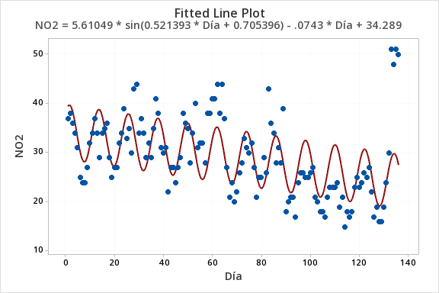
Sep-22 | 141 | 80 | 50 | 19 | 9 | 6 | 14
Oct-22 | 142 | 93 | 50 | 20 | 10 | 6 | 13
Nov-22 | 143 | 108 | 53 | 23 | 12 | 6 | 12
Dec-22 | 144 | 122 | 59 | 26 | 14 | 6 | 11
Jan-23 | 145 | 130 | 65 | 28 | 15 | 6 | 11
Feb-23 | 146 | 130 | 70 | 29 | 15 | 6 | 12
Mar-23 | 147 | 123 | 72 | 29 | 14 | 5 | 14
Apr-23 | 148 | 110 | 72 | 27 | 12 | 5 | 15
May-23 | 149 | 95 | 69 | 24 | 10 | 5 | 16
Jun-23 | 150 | 82 | 63 | 21 | 9 | 4 | 16
Jul-23 | 151 | 74 | 57 | 19 | 7 | 4 | 16
Aug-23 | 152 | 74 | 53 | 17 | 7 | 4 | 15
Sep-23 | 153 | 82 | 50 | 18 | 8 | 4 | 14
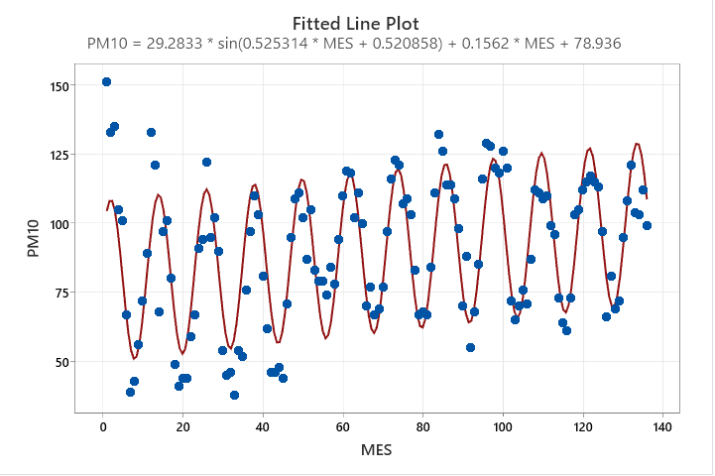
Oct-23 | 154 | 95 | 51 | 19 | 9 | 3 | 13
Nov-23 | 155 | 111 | 54 | 22 | 11 | 3 | 12
Dec-23 | 156 | 124 | 59 | 25 | 13 | 4 | 11
Jan-24 | 157 | 132 | 65 | 27 | 14 | 4 | 12
Feb-24 | 158 | 132 | 70 | 28 | 14 | 4 | 12
Mar-24 | 159 | 124 | 72 | 28 | 13 | 4 | 14
Apr-24 | 160 | 111 | 72 | 26 | 11 | 4 | 15
May-24 | 161 | 96 | 68 | 23 | 9 | 5 | 16
Jun-24 | 162 | 83 | 63 | 20 | 8 | 5 | 16
Jul-24 | 163 | 76 | 57 | 18 | 7 | 5 | 16
Aug-24 | 164 | 76 | 52 | 17 | 6 | 5 | 15
Sep-24 | 165 | 84 | 50 | 17 | 7 | 5 | 14
Oct-24 | 166 | 98 | 51 | 18 | 8 | 5 | 13
Nov-24 | 167 | 113 | 55 | 21 | 10 | 4 | 12
Dec-24 | 168 | 126 | 60 | 24 | 12 | 4 | 11
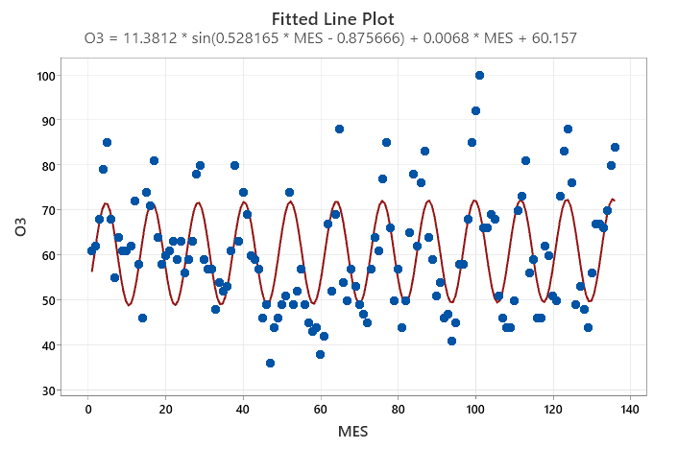
Jan-25 | 169 | 134 | 66 | 26 | 13 | 4 | 12
Feb-25 | 170 | 134 | 71 | 27 | 13 | 3 | 12
Mar-25 | 171 | 126 | 73 | 27 | 12 | 3 | 14
Apr-25 | 172 | 113 | 72 | 25 | 10 | 3 | 15 | 3 años
May-25 | 173 | 97 | 68 | 23 | 9 | 3 | 16
Jun-25 | 174 | 85 | 62 | 20 | 7 | 2 | 16
Jul-25 | 175 | 78 | 56 | 17 | 6 | 2 | 16
Aug-25 | 176 | 78 | 52 | 16 | 5 | 2 | 15
Sep-25 | 177 | 87 | 50 | 16 | 6 | 2 | 14
Oct-25 | 178 | 100 | 51 | 17 | 7 | 3 | 13
Nov-25 | 179 | 116 | 55 | 20 | 9 | 3 | 12
Dec-25 | 180 | 129 | 61 | 23 | 11 | 3 | 11
Jan-26 | 181 | 136 | 67 | 25 | 12 | 3 | 12
Feb-26 | 182 | 135 | 71 | 26 | 12 | 4 | 13
Mar-26 | 183 | 127 | 73 | 26 | 11 | 4 | 14
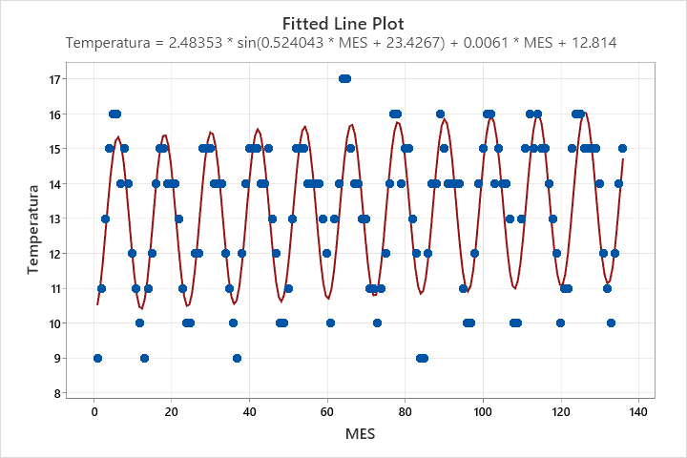
Apr-26 | 184 | 114 | 71 | 24 | 10 | 4 | 15
May-26 | 185 | 99 | 67 | 22 | 8 | 4 | 16
Jun-26 | 186 | 86 | 62 | 19 | 6 | 4 | 16
Jul-26 | 187 | 79 | 56 | 16 | 5 | 3 | 16
Aug-26 | 188 | 81 | 52 | 15 | 4 | 3 | 15
Sep-26 | 189 | 89 | 50 | 15 | 5 | 3 | 14
Oct-26 | 190 | 103 | 52 | 16 | 6 | 3 | 13
Nov-26 | 191 | 118 | 56 | 19 | 8 | 2 | 12
Dec-26 | 192 | 131 | 61 | 22 | 9 | 2 | 12
Jan-27 | 193 | 138 | 67 | 24 | 11 | 2 | 12
Feb-27 | 194 | 137 | 71 | 25 | 11 | 1 | 13
Mar-27 | 195 | 129 | 73 | 25 | 10 | 1 | 14
Apr-27 | 196 | 115 | 71 | 24 | 9 | 1 | 15 | 5 años
May-27 | 197 | 100 | 67 | 21 | 7 | 1 | 16
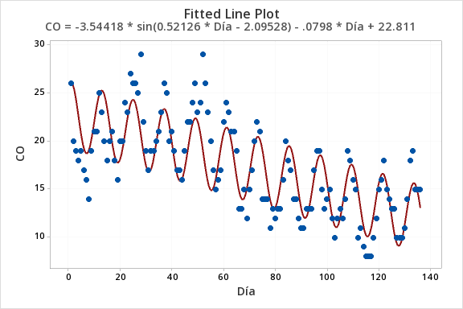
Jun-27 | 198 | 88 | 61 | 18 | 5 | 1 | 17
Jul-27 | 199 | 81 | 55 | 16 | 4 | 2 | 16
Aug-27 | 200 | 83 | 51 | 14 | 3 | 2 | 15
Sep-27 | 201 | 91 | 50 | 14 | 4 | 2 | 14
Oct-27 | 202 | 105 | 52 | 15 | 5 | 2 | 13
Nov-27 | 203 | 121 | 56 | 18 | 7 | 2 | 12
Dec-27 | 204 | 133 | 62 | 21 | 8 | 3 | 12
Jan-28 | 205 | 140 | 68 | 23 | 10 | 3 | 12
Feb-28 | 206 | 139 | 72 | 24 | 10 | 3 | 13
Mar-28 | 207 | 130 | 73 | 24 | 9 | 2 | 14
Apr-28 | 208 | 116 | 71 | 23 | 8 | 2 | 15
May-28 | 209 | 101 | 66 | 20 | 6 | 2 | 16
Jun-28 | 210 | 89 | 61 | 17 | 4 | 2 | 17
Jul-28 | 211 | 83 | 55 | 15 | 3 | 1 | 16
Aug-28 | 212 | 85 | 51 | 13 | 2 | 1 | 15
Sep-28 | 213 | 94 | 50 | 13 | 3 | 1 | 14
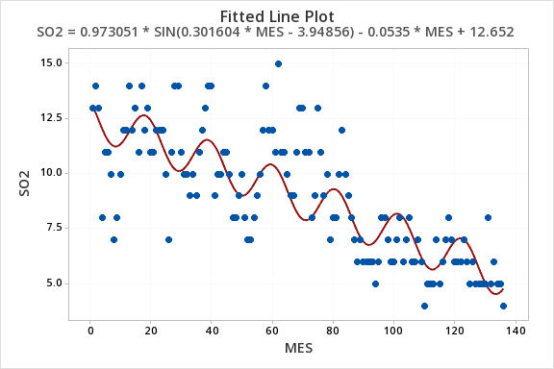
Oct-28 | 214 | 108 | 52 | 14 | 4 | 0 | 13
Nov-28 | 215 | 123 | 57 | 17 | 6 | 0 | 12
Dec-28 | 216 | 135 | 63 | 20 | 7 | 0 | 12
Jan-29 | 217 | 142 | 68 | 22 | 9 | 0 | 12
Feb-29 | 218 | 140 | 72 | 23 | 9 | 0 | 13
Mar-29 | 219 | 131 | 73 | 23 | 8 | 0 | 14
Apr-29 | 220 | 118 | 71 | 22 | 7 | 0 | 15
May-29 | 221 | 103 | 66 | 20 | 5 | 1 | 16
Jun-29 | 222 | 91 | 60 | 17 | 3 | 1 | 17
Jul-29 | 223 | 85 | 55 | 14 | 2 | 1 | 16
Aug-29 | 224 | 87 | 51 | 12 | 1 | 1 | 15
Sep-29 | 225 | 96 | 50 | 12 | 2 | 1 | 14
Oct-29 | 226 | 110 | 53 | 13 | 3 | 2 | 13
Nov-29 | 227 | 125 | 58 | 16 | 5 | 1 | 12
Dec-29 | 228 | 138 | 64 | 18 | 6 | 1 | 12
Jan-30 | 229 | 144 | 69 | 21 | 8 | 1 | 12
Feb-30 | 230 | 142 | 72 | 23 | 8 | 1 | 13
Mar-30 | 231 | 133 | 73 | 23 | 7 | 1 | 14
Apr-30 | 232 | 119 | 70 | 21 | 6 | 0 | 15
May-30 | 233 | 104 | 65 | 19 | 4 | 0 | 16
Jun-30 | 234 | 92 | 60 | 16 | 2 | 0 | 17
Jul-30 | 235 | 87 | 54 | 13 | 1 | -1 | 16
Aug-30 | 236 | 89 | 51 | 11 | 0 | -1 | 16
Sep-30 | 237 | 98 | 51 | 11 | 1 | -1 | 14
Oct-30 | 238 | 113 | 53 | 12 | 2 | -1 | 13
Nov-30 | 239 | 128 | 58 | 15 | 4 | -1 | 12
Dec-30 | 240 | 140 | 64 | 17 | 5 | -1 | 12
Jan-31 | 241 | 146 | 70 | 20 | 7 | -1 | 12
Feb-31 | 242 | 144 | 73 | 22 | 7 | 0 | 13
Mar-31 | 243 | 134 | 73 | 22 | 7 | 0 | 14
Apr-31 | 244 | 120 | 70 | 20 | 5 | 0 | 15
May-31 | 245 | 105 | 65 | 18 | 3 | 0 | 16
Jun-31 | 246 | 94 | 59 | 15 | 2 | 0 | 17
Jul-31 | 247 | 88 | 54 | 12 | 0 | 0 | 17
Aug-31 | 248 | 91 | 51 | 11 | -1 | 0 | 16
Sep-31 | 249 | 101 | 51 | 10 | 0 | 0 | 14
Oct-31 | 250 | 115 | 54 | 11 | 1 | 0 | 13
Nov-31 | 251 | 130 | 59 | 14 | 3 | 0 | 12
Dec-31 | 252 | 142 | 65 | 16 | 4 | -1 | 12
Jan-32 | 253 | 148 | 70 | 19 | 6 | -1 | 12
Feb-32 | 254 | 145 | 73 | 21 | 6 | -1 | 13
Mar-32 | 255 | 136 | 73 | 21 | 6 | -2 | 14
Apr-32 | 256 | 121 | 70 | 20 | 4 | -2 | 16 | 10 Años

Temperatura
Temperatura vs PM10
Mes | No.Meses | PM10 | PM2.5 | O3 | NO2 | CO | SO2 | Tempetura | Presion Atmosferica
Jan-11 | 1 | 151 | 0 | 61 | 37 | 26 | 13 | 9 | 1013.5
Feb-11 | 2 | 133 | 0 | 62 | 38 | 20 | 14 | 11 | 1011.6
Mar-11 | 3 | 135 | 0 | 68 | 36 | 19 | 13 | 13 | 1009.9
Apr-11 | 4 | 105 | 0 | 79 | 34 | 18 | 8 | 15 | 1007.8
May-11 | 5 | 101 | 0 | 85 | 31 | 19 | 11 | 16 | 1006.4
Jun-11 | 6 | 67 | 0 | 68 | 25 | 17 | 11 | 16 | 1006.9
Jul-11 | 7 | 39 | 0 | 55 | 24 | 16 | 10 | 14 | 1008.8
Aug-11 | 8 | 43 | 0 | 64 | 24 | 14 | 7 | 15 | 1008.6
Sep-11 | 9 | 56 | 0 | 61 | 27 | 19 | 8 | 14 | 1009.7
Oct-11 | 10 | 72 | 0 | 61 | 32 | 21 | 10 | 12 | 1011.1
Nov-11 | 11 | 89 | 0 | 62 | 34 | 21 | 12 | 11 | 1012.9
Dec-11 | 12 | 133 | 0 | 72 | 37 | 25 | 12 | 10 | 1014.6
Jan-12 | 13 | 121 | 0 | 58 | 34 | 23 | 14 | 9 | 1015.4
Feb-12 | 14 | 68 | 0 | 46 | 29 | 20 | 12 | 11 | 1012.9
O3 vs Temperatura
Mar-12 | 15 | 97 | 0 | 74 | 34 | 18 | 13 | 12 | 1010.3
Apr-12 | 16 | 101 | 0 | 71 | 35 | 20 | 11 | 14 | 1009.3
May-12 | 17 | 80 | 0 | 81 | 36 | 21 | 14 | 15 | 1007.7
Jun-12 | 18 | 49 | 0 | 64 | 29 | 18 | 12 | 15 | 1007.8
Jul-12 | 19 | 41 | 0 | 58 | 25 | 16 | 13 | 14 | 1010.7
Aug-12 | 20 | 44 | 0 | 60 | 27 | 20 | 11 | 14 | 1008.9
Sep-12 | 21 | 44 | 0 | 61 | 27 | 20 | 11 | 14 | 1010.2
Oct-12 | 22 | 59 | 0 | 63 | 32 | 24 | 12 | 13 | 1010.5
Nov-12 | 23 | 67 | 0 | 59 | 34 | 23 | 12 | 11 | 1014
Dec-12 | 24 | 91 | 0 | 63 | 39 | 27 | 12 | 10 | 1013.6
Jan-13 | 25 | 94 | 0 | 56 | 33 | 26 | 10 | 10 | 1013.9
Feb-13 | 26 | 122 | 0 | 59 | 35 | 26 | 7 | 12 | 1011.1
Mar-13 | 27 | 95 | 0 | 63 | 30 | 25 | 11 | 12 | 1011.1
Apr-13 | 28 | 102 | 0 | 78 | 43 | 29 | 14 | 15 | 1007.8
May-13 | 29 | 90 | 0 | 80 | 44 | 22 | 14 | 15 | 1008.9
SO2 vs Temperatura
Jun-13 | 30 | 54 | 0 | 59 | 34 | 19 | 11 | 15 | 1008.2
Jul-13 | 31 | 45 | 0 | 57 | 37 | 17 | 10 | 14 | 1010.6
Aug-13 | 32 | 46 | 0 | 57 | 34 | 19 | 10 | 14 | 1010.1
Sep-13 | 33 | 38 | 0 | 48 | 29 | 19 | 9 | 14 | 1007
Oct-13 | 34 | 54 | 0 | 54 | 32 | 20 | 10 | 12 | 1016
Nov-13 | 35 | 52 | 0 | 52 | 29 | 21 | 9 | 11 | 1028.6
Dec-13 | 36 | 76 | 0 | 53 | 35 | 23 | 11 | 10 | 1028.8
Jan-14 | 37 | 97 | 0 | 61 | 41 | 26 | 12 | 9 | 1028.4
Feb-14 | 38 | 110 | 0 | 80 | 38 | 25 | 13 | 12 | 1027.2
Mar-14 | 39 | 103 | 0 | 63 | 31 | 20 | 14 | 14 | 1027.4
Apr-14 | 40 | 81 | 0 | 74 | 30 | 21 | 14 | 15 | 1027.5
May-14 | 41 | 62 | 0 | 69 | 31 | 19 | 9 | 15 | 1027.9
Jun-14 | 42 | 46 | 0 | 60 | 22 | 17 | 10 | 15 | 1027.2
Jul-14 | 43 | 46 | 0 | 59 | 27 | 17 | 10 | 14 | 1030.2
Aug-14 | 44 | 48 | 0 | 57 | 27 | 16 | 11 | 14 | 1029.3
CO vs Temperatura
Sep-14 | 45 | 44 | 0 | 46 | 24 | 19 | 11 | 15 | 1027.3
Oct-14 | 46 | 71 | 0 | 49 | 27 | 22 | 10 | 13 | 1027.5
Nov-14 | 47 | 95 | 0 | 36 | 29 | 22 | 8 | 12 | 1028.7
Dec-14 | 48 | 109 | 0 | 44 | 38 | 24 | 8 | 10 | 1028.5
Jan-15 | 49 | 111 | 0 | 46 | 36 | 26 | 9 | 10 | 1029.3
Feb-15 | 50 | 102 | 0 | 49 | 35 | 23 | 10 | 11 | 1027.7
Mar-15 | 51 | 87 | 0 | 51 | 28 | 24 | 8 | 13 | 1028
Apr-15 | 52 | 105 | 0 | 74 | 34 | 29 | 7 | 15 | 1027.3
May-15 | 53 | 83 | 0 | 49 | 40 | 26 | 7 | 15 | 1028.9
Jun-15 | 54 | 79 | 0 | 52 | 31 | 23 | 8 | 15 | 1028.1
Jul-15 | 55 | 79 | 0 | 57 | 32 | 20 | 9 | 14 | 1029.7
Aug-15 | 56 | 74 | 84 | 49 | 32 | 17 | 10 | 14 | 1029.2
Sep-15 | 57 | 84 | 83 | 45 | 28 | 15 | 12 | 14 | 1027.7
Oct-15 | 58 | 78 | 86 | 43 | 38 | 16 | 14 | 14 | 1028.5
Nov-15 | 59 | 94 | 99 | 44 | 38 | 17 | 12 | 13 | 1028.2
SO2 vs Temperatura
Dec-15 | 60 | 110 | 123 | 38 | 41 | 22 | 12 | 12 | 1027.7
Jan-16 | 61 | 119 | 132 | 42 | 41 | 24 | 11 | 10 | 1027.6
Feb-16 | 62 | 118 | 123 | 67 | 44 | 23 | 15 | 13 | 1028.1
Mar-16 | 63 | 102 | 98 | 52 | 38 | 21 | 11 | 14 | 1027.2
Apr-16 | 64 | 111 | 109 | 69 | 44 | 21 | 11 | 17 | 1028.6
May-16 | 65 | 100 | 115 | 88 | 37 | 19 | 10 | 17 | 1029.6
Jun-16 | 66 | 70 | 92 | 54 | 27 | 13 | 9 | 15 | 1028.3
Jul-16 | 67 | 77 | 85 | 50 | 21 | 13 | 9 | 14 | 0
Aug-16 | 68 | 67 | 88 | 57 | 24 | 15 | 11 | 14 | 0
Sep-16 | 69 | 69 | 87 | 53 | 20 | 12 | 13 | 13 | 0
Oct-16 | 70 | 77 | 90 | 49 | 22 | 15 | 13 | 13 | 1029.1
Nov-16 | 71 | 97 | 107 | 47 | 26 | 17 | 11 | 11 | 1029.5
Dec-16 | 72 | 116 | 117 | 45 | 28 | 20 | 11 | 11 | 1030
Jan-17 | 73 | 123 | 122 | 57 | 33 | 22 | 8 | 10 | 1028.8
Feb-17 | 74 | 121 | 118 | 64 | 31 | 21 | 9 | 11 | 1028.1
Mar-17 | 75 | 107 | 106 | 61 | 30 | 14 | 13 | 12 | 1029.3
Apr-17 | 76 | 109 | 109 | 77 | 32 | 14 | 11 | 14 | 1027.4
May-17 | 77 | 103 | 117 | 85 | 27 | 14 | 9 | 16 | 1027.4
Jun-17 | 78 | 83 | 93 | 66 | 21 | 11 | 10 | 16 | 1026.6
Jul-17 | 79 | 67 | 87 | 50 | 25 | 13 | 7 | 14 | 1029.8
Aug-17 | 80 | 68 | 85 | 57 | 25 | 12 | 8 | 15 | 1028.3
Sep-17 | 81 | 67 | 79 | 44 | 29 | 13 | 8 | 15 | 1026.9
Oct-17 | 82 | 84 | 90 | 50 | 26 | 13 | 10 | 13 | 1027.6
Nov-17 | 83 | 111 | 110 | 65 | 43 | 16 | 12 | 12 | 1029.1
Dec-17 | 84 | 132 | 139 | 78 | 36 | 20 | 10 | 9 | 1029
Jan-18 | 85 | 126 | 129 | 62 | 34 | 18 | 9 | 9 | 1028.7
Feb-18 | 86 | 114 | 110 | 76 | 28 | 17 | 8 | 12 | 1028.9
Mar-18 | 87 | 114 | 111 | 83 | 31 | 14 | 7 | 14 | 1027.5
Apr-18 | 88 | 109 | 110 | 64 | 28 | 14 | 6 | 14 | 1028.1
May-18 | 89 | 98 | 99 | 59 | 39 | 12 | 7 | 16 | 1027.8
Jun-18 | 90 | 70 | 83 | 51 | 18 | 11 | 6 | 15 | 1027.4
Jul-18 | 91 | 88 | 90 | 54 | 20 | 11 | 6 | 14 | 1030.4
Aug-18 | 92 | 55 | 72 | 46 | 21 | 13 | 6 | 14 | 1029.4
Sep-18 | 93 | 68 | 76 | 47 | 21 | 13 | 6 | 14 | 1027.4
Oct-18 | 94 | 85 | 75 | 41 | 17 | 13 | 5 | 14 | 1027.3
Nov-18 | 95 | 116 | 95 | 45 | 24 | 17 | 6 | 11 | 1028.2
Dec-18 | 96 | 129 | 116 | 58 | 26 | 19 | 8 | 10 | 1028.1
Jan-19 | 97 | 128 | 115 | 58 | 26 | 19 | 8 | 10 | 1028.4
Feb-19 | 98 | 120 | 99 | 68 | 25 | 15 | 7 | 12 | 1027.8
Mar-19 | 99 | 118 | 94 | 85 | 25 | 13 | 6 | 14 | 1028.2
Apr-19 | 100 | 126 | 110 | 92 | 26 | 14 | 6 | 15 | 1027.5
May-19 | 101 | 120 | 114 | 100 | 27 | 15 | 7 | 16 | 1026.5
Jun-19 | 102 | 72 | 82 | 66 | 21 | 12 | 8 | 16 | 1028.6
Jul-19 | 103 | 65 | 84 | 66 | 20 | 10 | 6 | 14 | 1029.6
Aug-19 | 104 | 70 | 91 | 69 | 18 | 12 | 7 | 15 | 1029.1
Sep-19 | 105 | 76 | 85 | 68 | 18 | 13 | 8 | 14 | 1028.2
Oct-19 | 106 | 71 | 80 | 51 | 17 | 12 | 6 | 14 | 1026.7
Nov-19 | 107 | 87 | 96 | 46 | 21 | 14 | 6 | 13 | 1028.9
Dec-19 | 108 | 112 | 112 | 44 | 23 | 19 | 7 | 10 | 1028.3
Jan-20 | 109 | 111 | 105 | 44 | 23 | 18 | 6 | 10 | 1028.7
Feb-20 | 110 | 109 | 99 | 50 | 23 | 16 | 4 | 13 | 1028.2
Mar-20 | 111 | 110 | 105 | 70 | 24 | 15 | 5 | 15 | 1029.1
Apr-20 | 112 | 99 | 102 | 73 | 19 | 10 | 5 | 16 | 1028.5
May-20 | 113 | 96 | 99 | 81 | 21 | 11 | 5 | 15 | 1028.1
Jun-20 | 114 | 73 | 79 | 56 | 15 | 9 | 7 | 16 | 1028
Jul-20 | 115 | 64 | 78 | 59 | 18 | 8 | 5 | 15 | 1028.6
Aug-20 | 116 | 61 | 81 | 46 | 17 | 8 | 6 | 15 | 1028.1
Sep-20 | 117 | 73 | 91 | 46 | 18 | 8 | 7 | 14 | 1027.8
Oct-20 | 118 | 103 | 95 | 62 | 23 | 10 | 8 | 13 | 1028
Nov-20 | 119 | 105 | 98 | 60 | 25 | 12 | 7 | 12 | 1029.5
Dec-20 | 120 | 112 | 115 | 51 | 23 | 15 | 6 | 10 | 1028.2
Jan-21 | 121 | 115 | 109 | 50 | 24 | 16 | 6 | 11 | 1028
Feb-21 | 122 | 117 | 110 | 73 | 26 | 18 | 6 | 11 | 1026.5
Mar-21 | 123 | 115 | 103 | 83 | 25 | 15 | 7 | 15 | 1027.7
Apr-21 | 124 | 113 | 107 | 88 | 27 | 14 | 6 | 16 | 1026.9
May-21 | 125 | 97 | 94 | 76 | 22 | 13 | 5 | 16 | 1027.5
Jun-21 | 126 | 66 | 73 | 49 | 17 | 13 | 6 | 15 | 1029.7
Jul-21 | 127 | 81 | 80 | 53 | 19 | 10 | 5 | 15 | 1028.5
Aug-21 | 128 | 69 | 76 | 48 | 16 | 10 | 5 | 15 | 1028
Sep-21 | 129 | 72 | 76 | 44 | 16 | 10 | 5 | 15 | 1028.4
Oct-21 | 130 | 95 | 80 | 56 | 19 | 11 | 5 | 14 | 1028
Nov-21 | 131 | 108 | 101 | 67 | 24 | 14 | 8 | 12 | 1029.5
Dec-21 | 132 | 121 | 123 | 67 | 30 | 18 | 5 | 11 | 1029
Jan-22 | 133 | 104 | 56 | 66 | 51 | 19 | 6 | 10 | 1028.8
Feb-22 | 134 | 103 | 42 | 70 | 48 | 15 | 5 | 12 | 1028
Mar-22 | 135 | 112 | 42 | 80 | 51 | 15 | 5 | 14 | 1027.4
Apr-22 | 136 | 99 | 52 | 84 | 50 | 15 | 4 | 15 | 1027.2

