Лист1
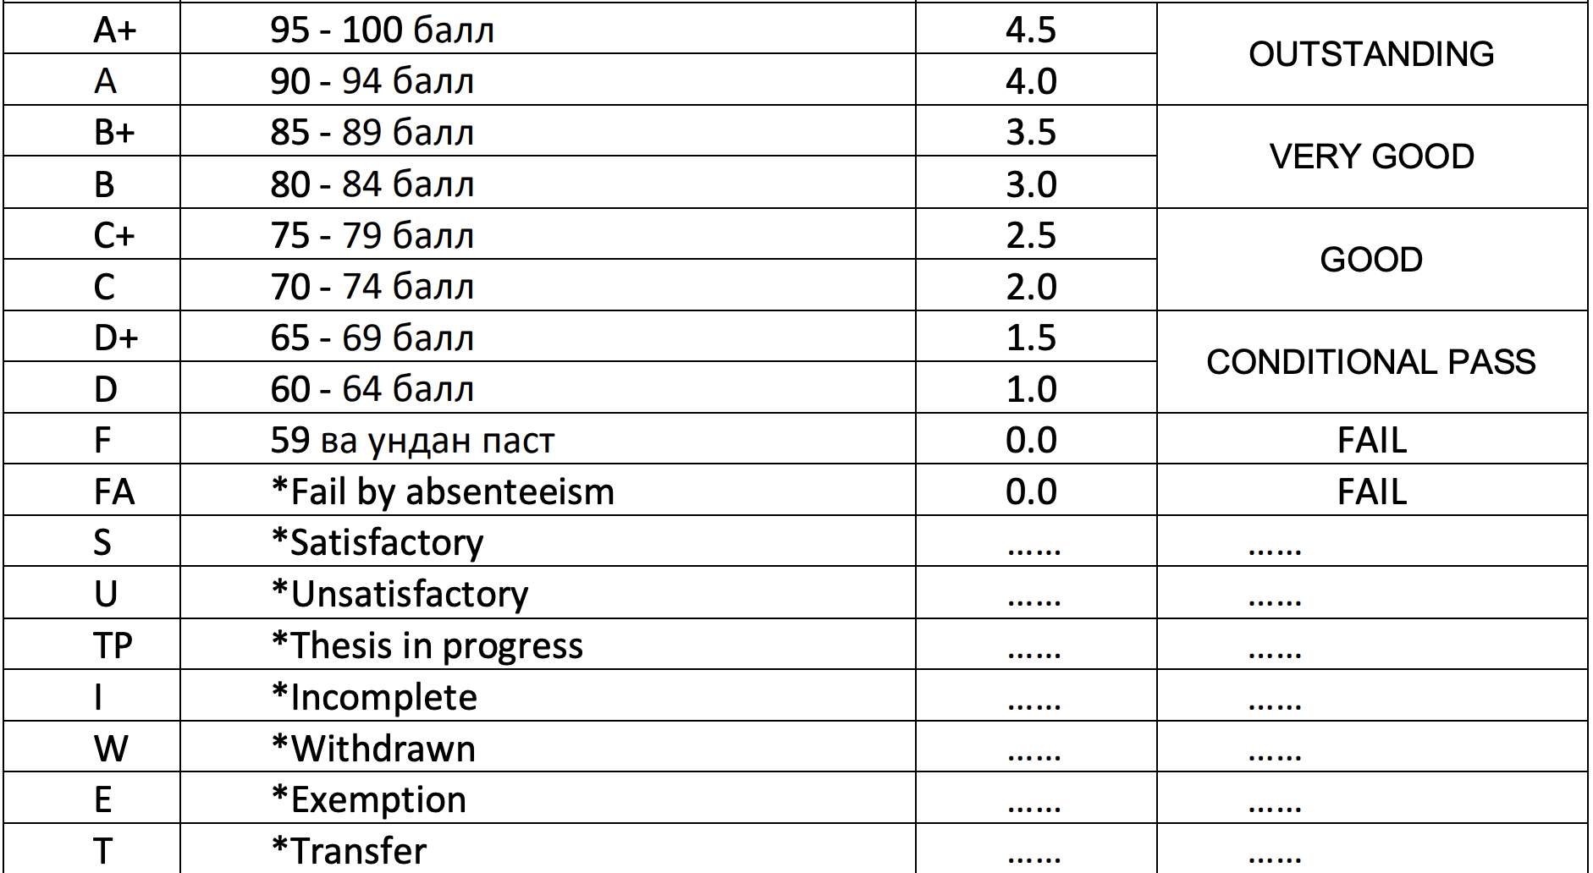
 |  |  | K |  |  | U
YEAR | SEMESTER | SUBJECT | CREDIT | SCORE | GRADE
2021-2022 | 1 | COMPUTER 1 | 2 | 92 | A
2021-2022 | 1 | ELEMENTARY MATHEMATICS COURSE 1 | 2 | 90 | A
2021-2022 | 1 | ENGLISH LANGUAGE 1 | 4 | 94 | A
2021-2022 | 1 | HISTORY OF UZBEKISTAN & DEVELOPING STRATEGY | 2 | 82 | B
2021-2022 | 1 | INTRODUCTION TO THE THEORY OF PRIMARY EDUCATION | 3 | 100 | A+
2021-2022 | 1 | KOREAN LANGUAGE 1 | 4 | 84 | B
2021-2022 | 2 | COMPUTER 2 | 2 | 86 | B+
2021-2022 | 2 | ELEMENTARY MATHEMATICS COURSE 2 | 2 | 60 | D
2021-2022 | 2 | ENGLISH LANGUAGE 2 | 4 | 60 | D
2021-2022 | 2 | RUSSIAN LANGUAGE 2 | 2 | 69 | D+
2021-2022 | 2 | THE THEORY OF GENERAL PEDAGOGY | 3 | 71 | C
2021-2022 | 2 | WORLD HISTORY & GEOGRAPHY | 2 | 74 | C
2022-2023 | 3 | AGE PHYSIOLOGY AND HYGIENE | 3 | 79 | C+
2022-2023 | 3 | GENERAL PSYCHOLOGY, DEVELOPMENTAL PSYCHOLOGY | 4 | 61 | D
2022-2023 | 3 | LANGUAGE AND LITERACY. THE INITIAL START TIME | 3 | 74 | C
2022-2023 | 3 | MANAGEMENT OF PRIMARY EDUCATION | 3 | 80 | B
2022-2023 | 3 | THE HISTORY OF GENERAL PEDAGOGY | 3 | 76 | C+
2022-2023 | 4 | BASIC THEORY OF PRIMARY ENGLISH | 3 | 66 | D+
2022-2023 | 4 | ELEMENTARY ENGLISH TEACHING METHODS | 3 | 60 | D
2022-2023 | 4 | INFORMATION TECHNOLOGY IN ELEMENTARY GRADES 1 | 2 | 80 | B
2022-2023 | 4 | METHODS OF TEACHING ELEMENTARY MATHEMATICS 1 | 3 | 76 | C+
2022-2023 | 4 | MOTHER TONGUE AND CHILDREN'S LITERATURE | 3 | 63 | D
2022-2023 | 4 | PRIMARY EDUCATION PEDAGOGY 1 | 3 | 80 | B

 | GPA:

