Sheet1
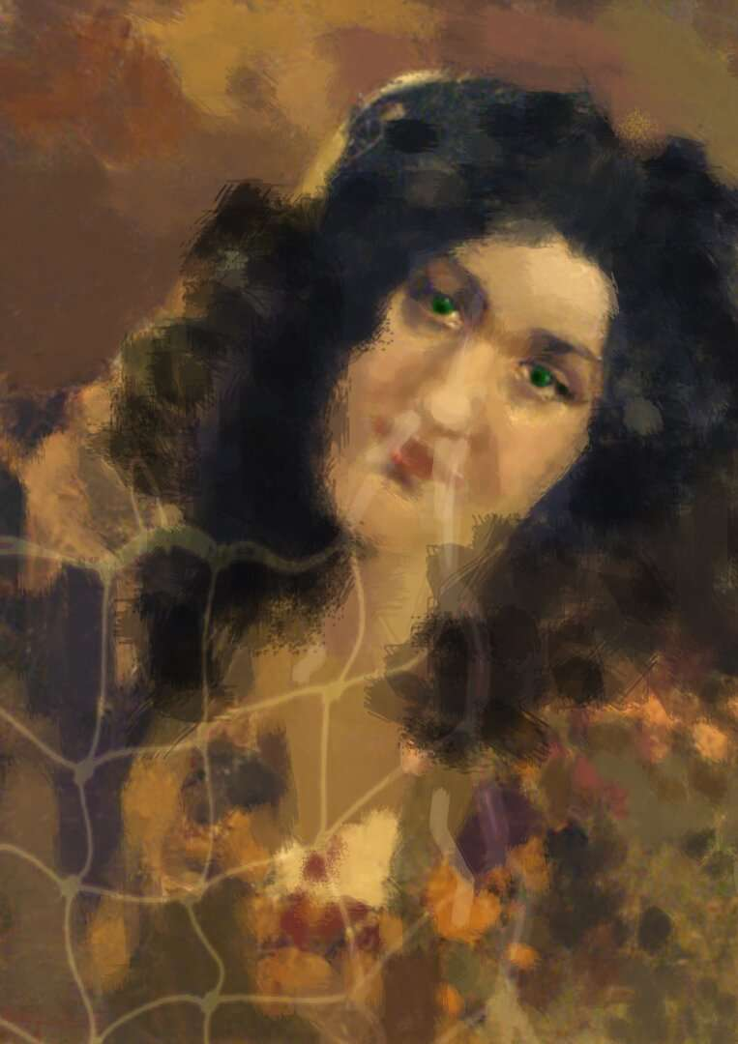
a painting | 0.48830083
a piece of art | 0.19180764
a girl | 0.06202687
person | 0.06014798
ornaments | 0.052529383
a woman | 0.043568913
women | 0.033821143
men | 0.022306621
an instrument | 0.01246921
people | 0.010272379
machine | 0.007135147
girls | 0.0055863266
a horse | 0.004796181
a box | 0.0019416763
a diagram | 0.0016660164
a boy | 0.0007847656
a man | 0.0004590472
boys | 0.00026393664
a signboard | 0.00011597922
 |  | 5_Painting

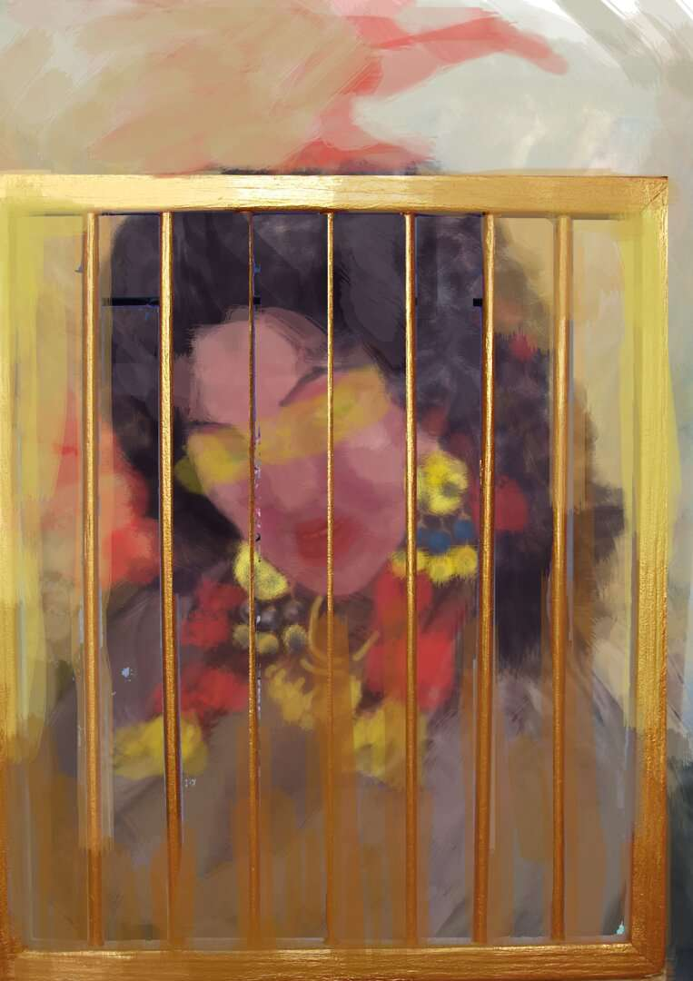
a painting | 0.87449414
a piece of art | 0.031781714
an instrument | 0.023453549
person | 0.019041942
a box | 0.009494363
men | 0.007323882
women | 0.006818229
a girl | 0.005670922
machine | 0.004297989
ornaments | 0.0040055932
a woman | 0.0030402003
girls | 0.0025341236
people | 0.0024009356
a signboard | 0.0018313391
a boy | 0.0011410106
a diagram | 0.0009147317
a horse | 0.00076291786
a man | 0.00056199555
boys | 0.0004304074

 |  | 6_Painting

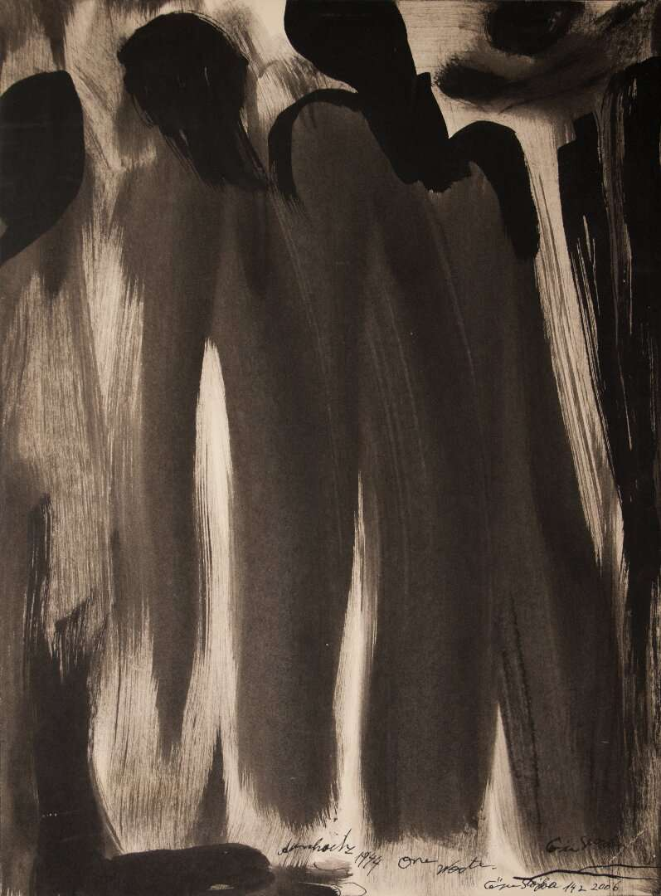
a painting | 0.61908346
men | 0.11849109
person | 0.09787013
people | 0.037514288
women | 0.028329477
a girl | 0.02003286
girls | 0.015057673
a piece of art | 0.014839869
an instrument | 0.0113174105
a horse | 0.009714531
machine | 0.00879213
a woman | 0.0051776944
a boy | 0.0040599206
boys | 0.002732583
ornaments | 0.0026320983
a box | 0.0018194562
a man | 0.0016345626
a diagram | 0.00058892026
a signboard | 0.00031186716
 |  |  | 8_Painting
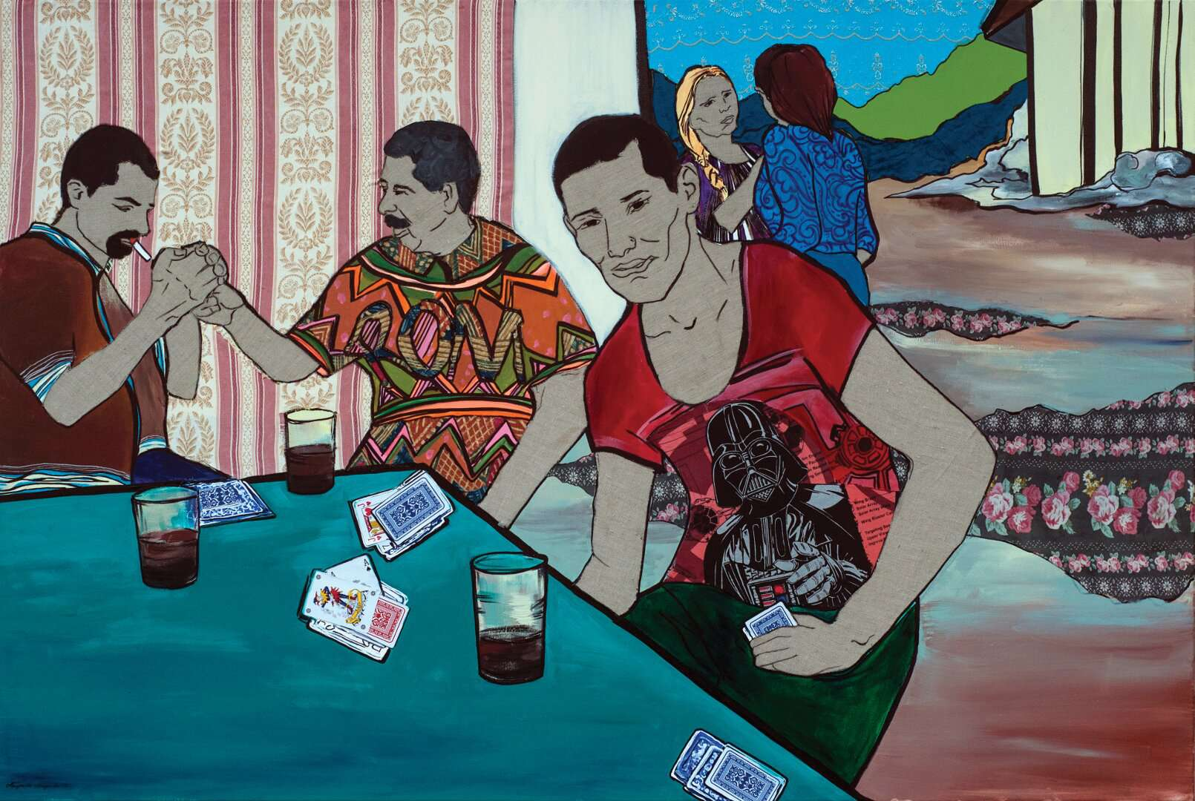
a painting | 0.81684995
a piece of art | 0.06724759
men | 0.028917093
people | 0.016650759
a man | 0.012206889
boys | 0.010832127
person | 0.010511461
women | 0.0072221686
girls | 0.0071877446
a girl | 0.004721604
a boy | 0.0039075436
a woman | 0.0033464008
a diagram | 0.0024682342
ornaments | 0.0016819156
a box | 0.00166444
an instrument | 0.0015154985
machine | 0.001190148
a signboard | 0.001059301
a horse | 0.00081909535

 |  |  | 14_Painting

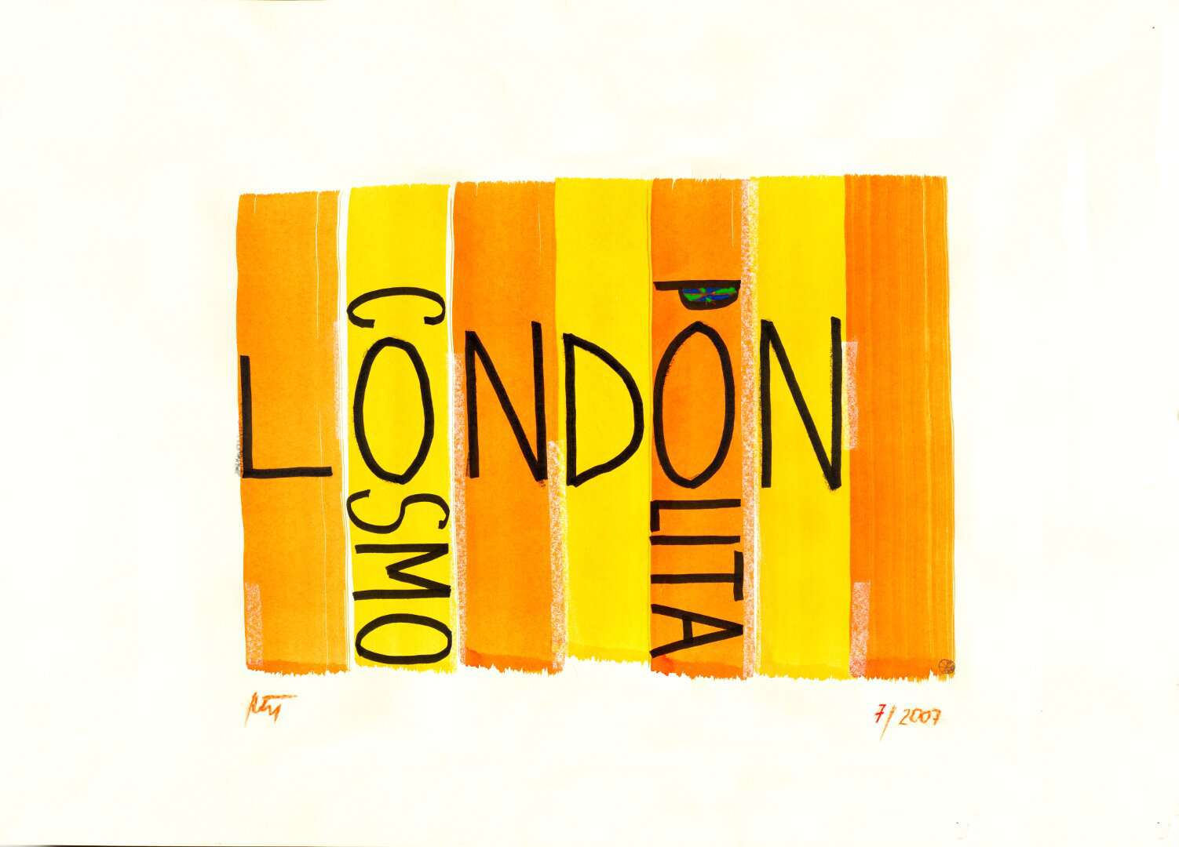
a painting | 0.6391454
a signboard | 0.21772636
a box | 0.050787184
a piece of art | 0.02238929
people | 0.013673411
person | 0.012785826
a diagram | 0.008816841
an instrument | 0.0080401
a girl | 0.0062837214
men | 0.0034866277
a horse | 0.0033819478
girls | 0.0033724979
boys | 0.0030300035
a boy | 0.0017932361
women | 0.0015144548
machine | 0.0012852767
a woman | 0.0010935644
ornaments | 0.0007436539
a man | 0.0006505469

 |  |  | 3_Painting

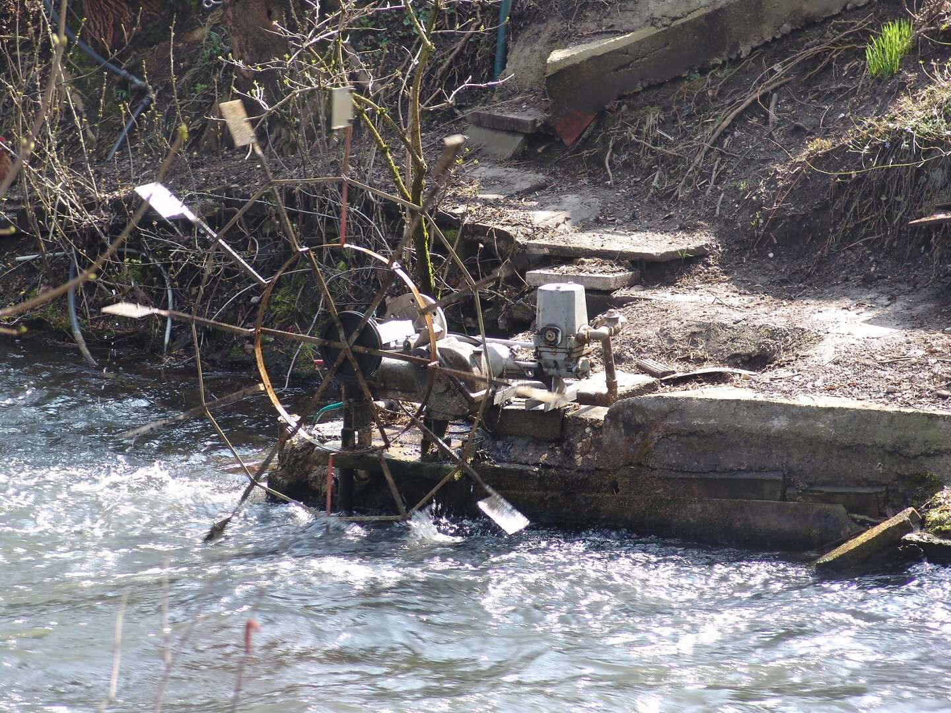
machine | 0.46348798
an instrument | 0.25368482
men | 0.0509132
a horse | 0.045013
a diagram | 0.042357646
a signboard | 0.033939123
a painting | 0.02281409
people | 0.018534498
person | 0.0148167
a piece of art | 0.013062255
ornaments | 0.009229389
women | 0.006926219
boys | 0.00637544
a man | 0.004548793
a box | 0.0045302813
a boy | 0.004193575
a woman | 0.002042577
a girl | 0.001948509
girls | 0.0015818954
 |  |  | 1_Painting (Image)

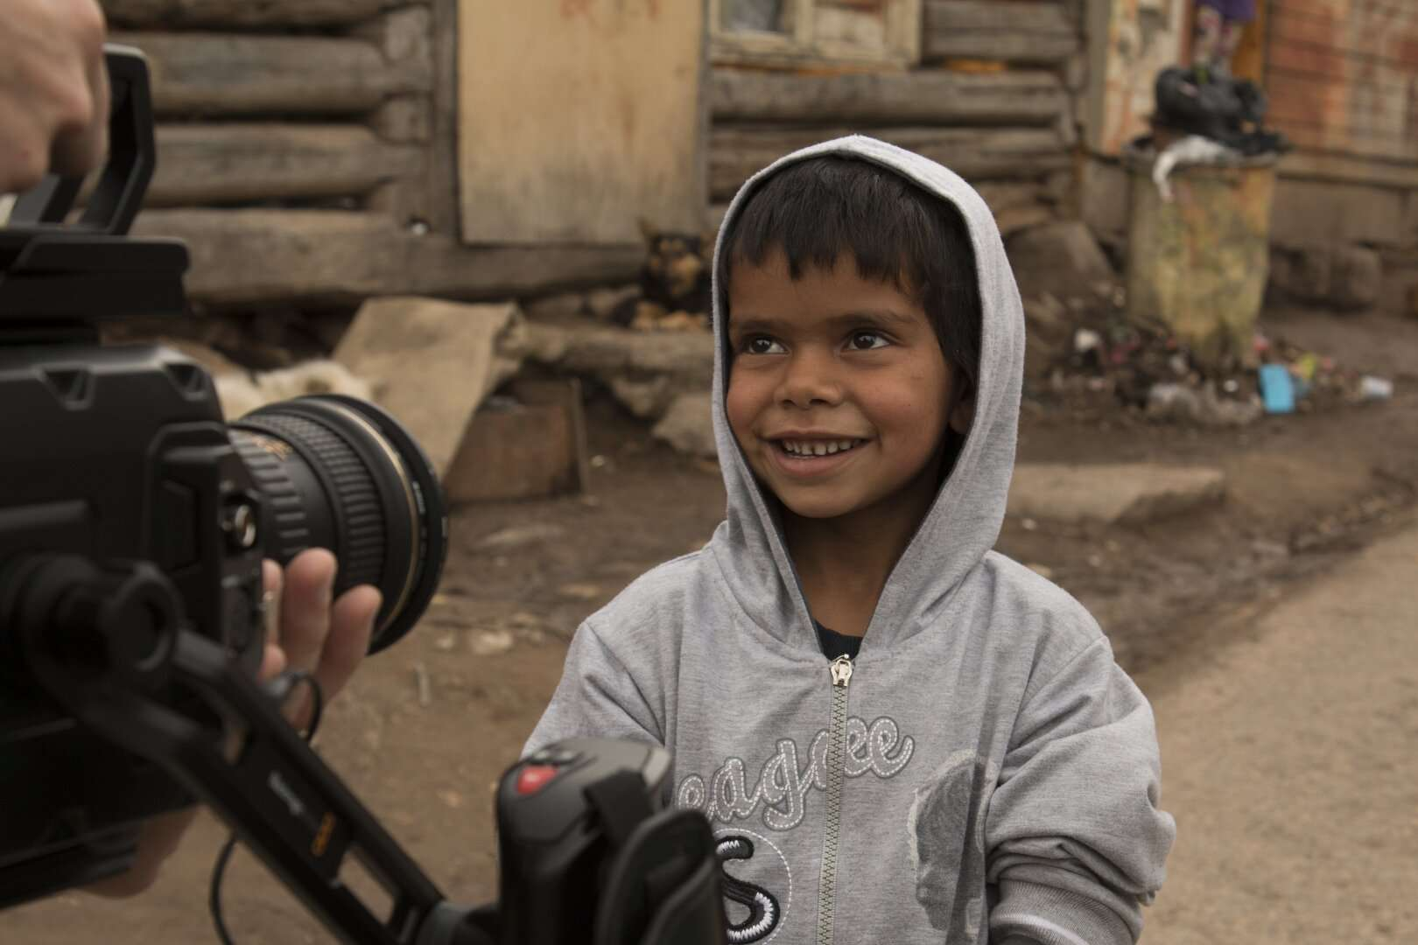
a boy | 0.3322207
person | 0.17769237
an instrument | 0.17360757
people | 0.0884353
men | 0.07760421
a man | 0.025908472
machine | 0.025099574
a girl | 0.023420867
boys | 0.02017396
a horse | 0.011258051
a painting | 0.01006305
a piece of art | 0.009668445
women | 0.006356087
a box | 0.005821559
a woman | 0.004502398
girls | 0.0042570317
a signboard | 0.0018847458
ornaments | 0.0015808792
a diagram | 0.00044473953

 |  |  | 4_Painting (Image)

