Strategy Worksheet
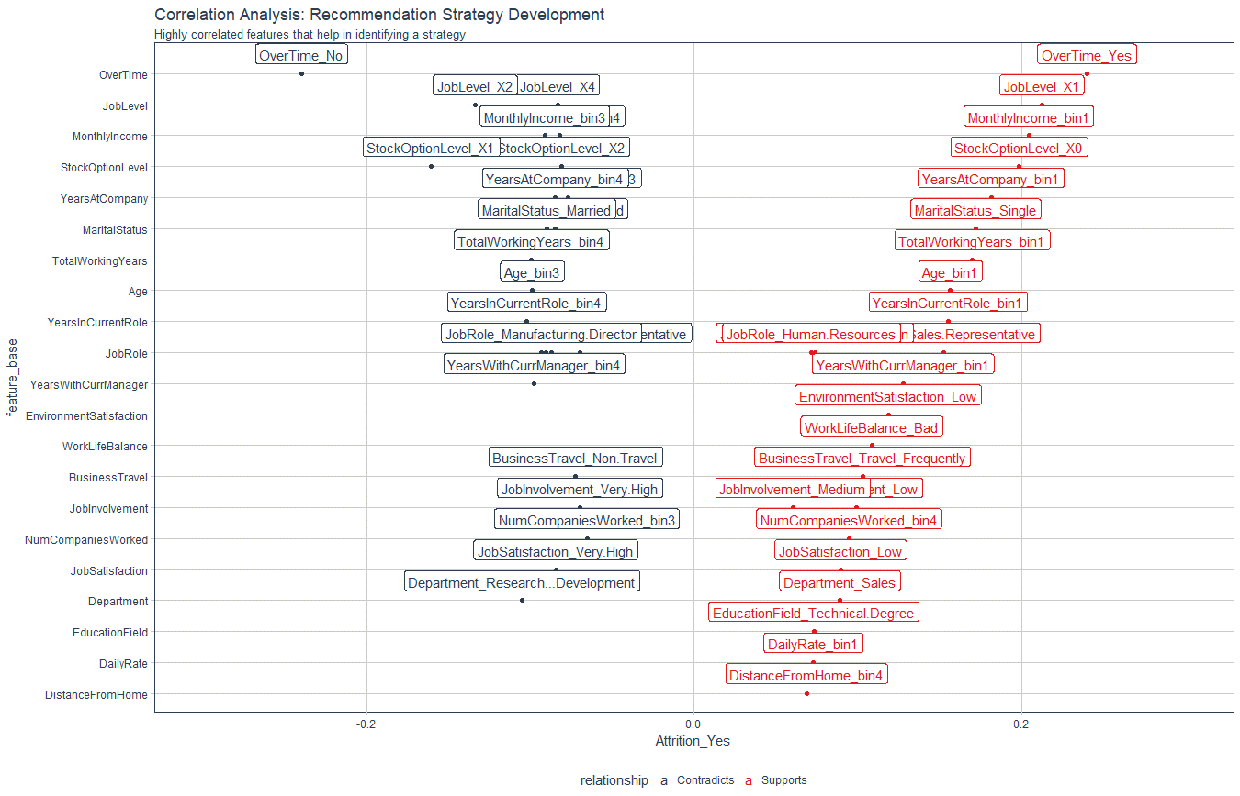
Recommendation Algorithm Strategy

Purpose: | To enable immediate manager to reduce attrition using an automated recommendation system
Strategy Logic: | Uses Correlation Analysis to determine logical strategies that can be adjusted via stakeholder feedback

Feature | Discussion (Hypothesis) | Potential Strategy | Strategy Group
OverTime | Employees with high OT are leaving | Reduce Overtime | Work Life
JobLevel | Employees with Job Level 1 are leaving / Job Level 2 staying | Promote faster for high performers | Professional Development
MonthlyIncome | Low income - Bin1 is more likely to leave | Skip - Include in Executive Report
StockOptionLevel | Zero Stock Option - More likely to leave | Skip - Include in Executive Report
YearsAtCompany | YAC - High - Likely to stay / YAC - LOW - Likely to leave | Tie promotion if low to advance faster / Mentor if YAC low | Professional Development / Personal Development
MaritalStatus | Single - More likely to leave | Skip - Include in Executive Report
TotalWorkingYears | TWY - High - More likely to stay / TWY - LOW - More likely to leave | Tie Low TWY to training & formation/mentorship | Personal Development
Age | See TWY | Skip - Covered by TWY
YearsInCurrentRole | More time in current role related to lower attrition | Incentivize specialize or promote | Professional Development / Personal Development
JobRole | Certain job roles have higher attrition - need to be monitored more closely | Skip - Include in Executive Report
YearsWithCurrManager | See YiCR | Skip - Covered by YiCR
EnvironmentSatisfaction | Employees with low environment satisfaction are more likely to leave | Improve the workplace environment | Work Life
WorkLifeBalance | Bad worklife balance - more likely to leave | Improve the worklife balance | Work Life
BusinessTravel | More business travel - more likely to leave / Less BT - more likely to stay | Reduce Business Travel where possible | Work Life
JobInvolvement | High JI - Likely to stay / Low JI - Likely to leave | Create personal development plan | Personal Development
NumCompaniesWorked | Bin 4 (High) More likely to leave | Skip - Include in Executive Report
JobSatisfaction | Low JS - More likely to leave / High JS - More likely to stay | Low: Create personal development plan / High: Mentorship roles | Personal Development
Department | Sales - More likely to leave / R&D more likely to stay | Skip - Include in Executive Report
EducationField | Technical Degree - More education | Skip - Executive Policy
DailyRate | Bin1 more likely to leave | Skip - Executive Report
DistanceFromHome | High distance from Home - more likely to leave | Monitor worklife balance | Work Life

Correlation Analysis: | Used to investigate the relationship between values within features and the target (Attrition = Yes)

