OperationOverview
 |  |  |  | Flow

ABC Processing:
Who:
What:
Output:

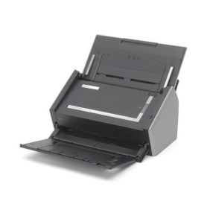
ABC Inquiry:
Who:
When:
What:
Output:

AAA Maintenance:
Who:
When:
What:
Output:

Server

BBB Maintenance:
Who:
What:
Output:

Program Specification | System : | Level No. : | Program Name : |  | Designed by :
 | ABC System | 0 | Operation Overview |  | Printed :
REPI |  |  |  |  | Page :

Operation Flow
 |  |  |  | Flow

Check xxxxxxxxx.
Start

Prepare xxxxxxx

Scan xxxxxx

Y
Is there another xxxxx?
Input xxxxxx
Save xxxxxxxx

Is there another xxxxxx?
N

Y

N
End

Program Specification | System : | Level No. : | Program Name : |  | Designed by :
 | ABC System | 0 | Operation Flow |  | Printed :
REPI |  |  |  |  | Page :

System Flow
 |  |  |  | Flow

Add/Update/Delete AAAAAAA
Add/Update/Delete BBBBBBBB
Document CCCCC
Data Inquiry

AAAAAA
BBBBBBB
CCCCCC

Data Search Result

Image File Storage
Document BBBBBBBB
Document CCCCCC

Output Image

Program Specification | System : | Level No. : | Program Name : |  | Designed by :
 | ABC System | 0 | System Flow |  | Printed :
REPI |  |  |  |  | Page :

Data Code Specification
 |  |  |  |  |  |  |  |  |  | Detail

AAA Code Specification
 | - 2 characters code

 | Format: |  |  | Sample: |  |  |  |  |  | Size:
 |  | XX |  |  | AA | AB |  |  |  |  | Class Code = 2 chars

Class Code
Class Code
Class Code

BBB Specification
 | - 5 characters code

 | Format: |  |  | Sample: |  |  |  |  |  |  | Size:
 |  | XX000 |  |  | AA001 |  | AB001 |  |  |  |  | Class Code = 2 chars
 |  |  |  |  |  |  |  |  |  |  |  | SeqNo = 3 chars
Seq No / Class
Seq No / Class
Seq No / Class
Class Code
Class Code
Class Code

CCC RecNo Specification
 | - 19 characters code

 | Format: |  |  |  |  |  |  | Sample: |  |  |  |  | Size:
 |  | XX000YYYYMMDD000000 |  |  |  |  |  |  | AA00120140725000001 |  |  |  |  | Type Code = 5 chars
 |  |  |  |  |  |  |  |  |  |  |  |  |  | Year = 4 chars
 |  |  |  |  |  |  |  |  |  |  |  |  |  | Month = 2 chars
Type Code
Year
Month
Day
Day Seq No
Type Code
Year
Month
Day
Day Seq No
 |  |  |  |  |  |  |  |  |  |  |  |  |  | Day = 2 chars
 |  |  |  |  |  |  |  |  |  |  |  |  |  | Day SeqNo = 6 chars

Note: Document Scan RecNo is also used as the IMAGE Filename

Program Specification |  |  | System : |  |  | Level No. : |  |  | Program Name : |  |  |  |  |  | Designed by :
 |  |  | ABC System |  |  | 0 |  |  | Data Code Specification |  |  |  |  |  | Printed :
REPI |  |  |  |  |  |  |  |  |  |  |  |  |  |  | Page :

1.0 Login Module
 |  | Chart |  |  |  |  | Detail

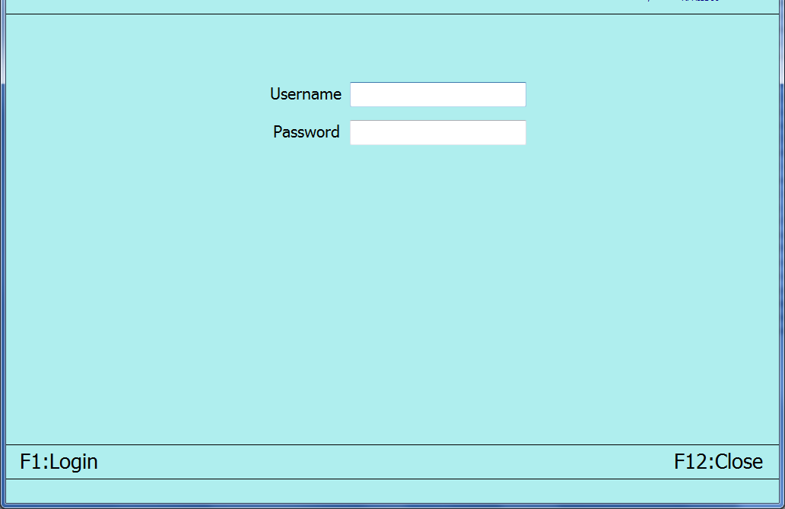
 |  |  |  |  | LOGIN
 |  |  |  |  |  | (1) Input User Name and Password
 |  |  |  |  |  | (2) Click F1:Login or push F1 function key to verify login and proceed to main menu
 |  |  |  |  |  | (3) Click F12:Close or push F12 function key to close the system

Program Specification | System : |  | Level No. : | Program Name : |  |  |  | Designed by :
 | ABC |  | 1 | Login Module |  |  |  | Printed :
REPI |  |  |  |  |  |  |  | Page :

