counting
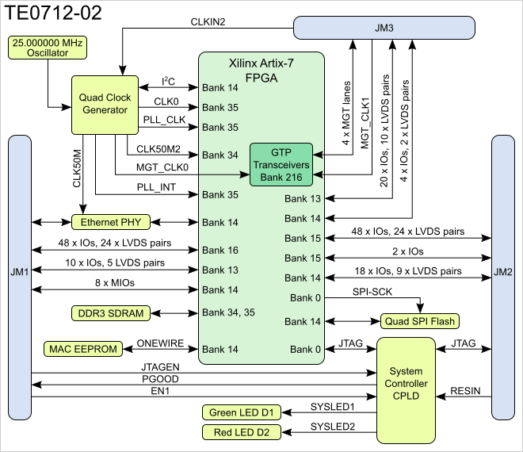
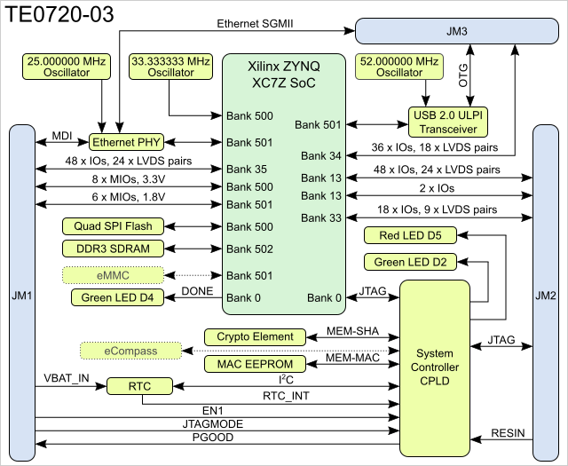
TE0720 |  |  |  |  |  | TE0712
Bank | Type | Voltage | B2B | I/O Count | Notes | Bank | B2B | I/O count | voltage | notes
13 | HR GPIO | VCCIO13 | JM2 | 48 | 24 LVDS pairs | 13 | JM1 | 10 | VCCIO13 | Supplied by the baseboard. Not available on XC7A35T assembly variant.*
13 | HR GPIO | VCCIO13 | JM2 | 2 | B13_IO0 and B13_IO25 | 13 | JM3 | 20 | VCCIO13 | Supplied by the baseboard. Not available on XC7A35T assembly variant.*
33 | HR GPIO | VCCIO33 | JM2 | 18 | 9 LVDS pairs | 14 | JM1 | 8 | 3.3V
34 | HR GPIO | VCCIO34 | JM3 | 36 | 18 LVDS pairs | 14 | JM2 | 18 | 3.3V
35 | HR GPIO | VCCIO35 | JM1 | 48 | 24 LVDS pairs | 14 | JM3 | 4 | 3.3V
 |  |  |  | 152 | total | 15 | JM2 | 48 | VCCIO15 | Supplied by the baseboard.
8_channels |  |  |  |  |  | 15 | JM2 | 2 | VCCIO15 | Supplied by the baseboard.
component | I/O count | LVDS count | op Voltage | logic_voltage | note | 16 | JM1 | 48 | VCCIO16 | Supplied by the baseboard.
ADC_data | 22 | 11 | 1.8 | 2.5 | board unique
ADC_control | 8 |  | 1.8 | 2.5 | board unique
DRS_control | 15+2 | 1 | 2.5 | 2.5 | board unique | Compatibility | TE0720 | TE0712 | pins
buff_gain | 2 |  | 5 | 2.5 | shared | JM1 | bank 35 | bank 16 | 48 | full match
DAC_control | 5 |  | 3.3 | 2.5 | we may change DAC | JM2 | bank 13 | bank 15 | 48 | full match
mux_control | 2 |  |  |  | shared | JM2 | bank 33 | bank 14 | 18 | full match
test_signal | 2 |  |  |  | shared | JM3 | USB + 34 | MGT + 13 |  | no full, require mapping
 | 41 | total

JTAG | 5 |  | JM2 |  | dedicated
Ethernet
USB |  |  |  |  |  | ethernet | yes | up to 100Mbit/sec |  | with limitation
regulators w/EN | 4 |  |  |  |  | USB | yes | no
FEAST enable | 2 |  |  |  |  | SFP | no | yes |  | TE0712 has routed GBT
SFTP

