Pivot Table 1
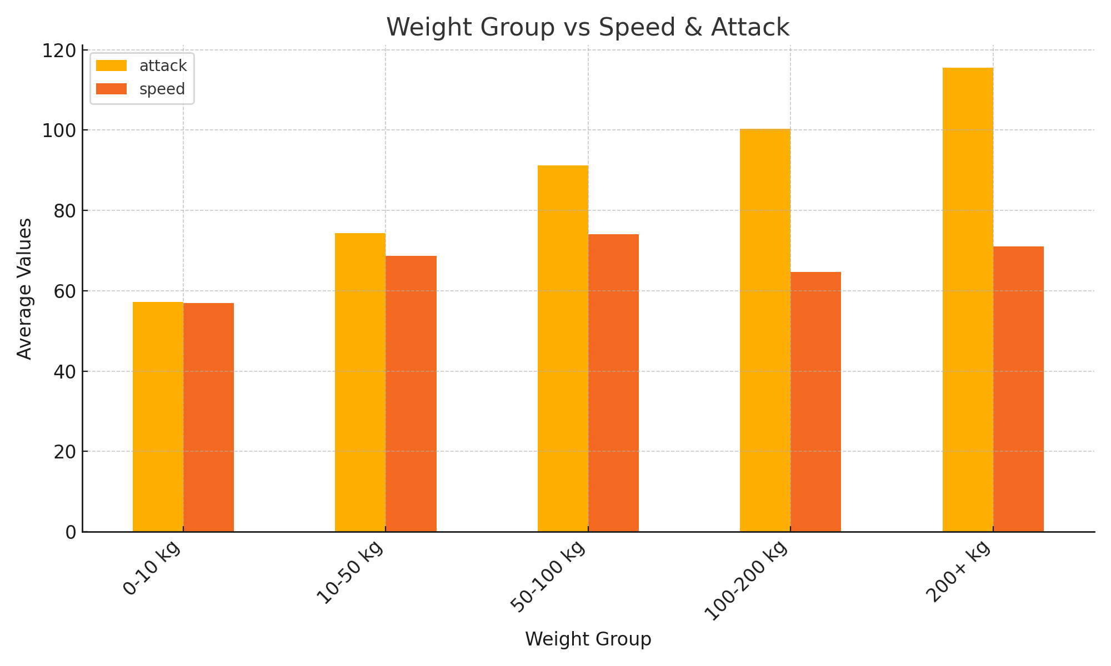
 | attack | speed
weight_group
0-10 kg | 57.14354067 | 56.942583732
10-50 kg | 74.347003155 | 68.72555205
50-100 kg | 91.218045113 | 74.090225564
100-200 kg | 100.38095238 | 64.73015873
200+ kg | 115.47368421 | 71

Pivot Table 2
 | attack | speed
type1
bug | 70.125 | 63.569444444
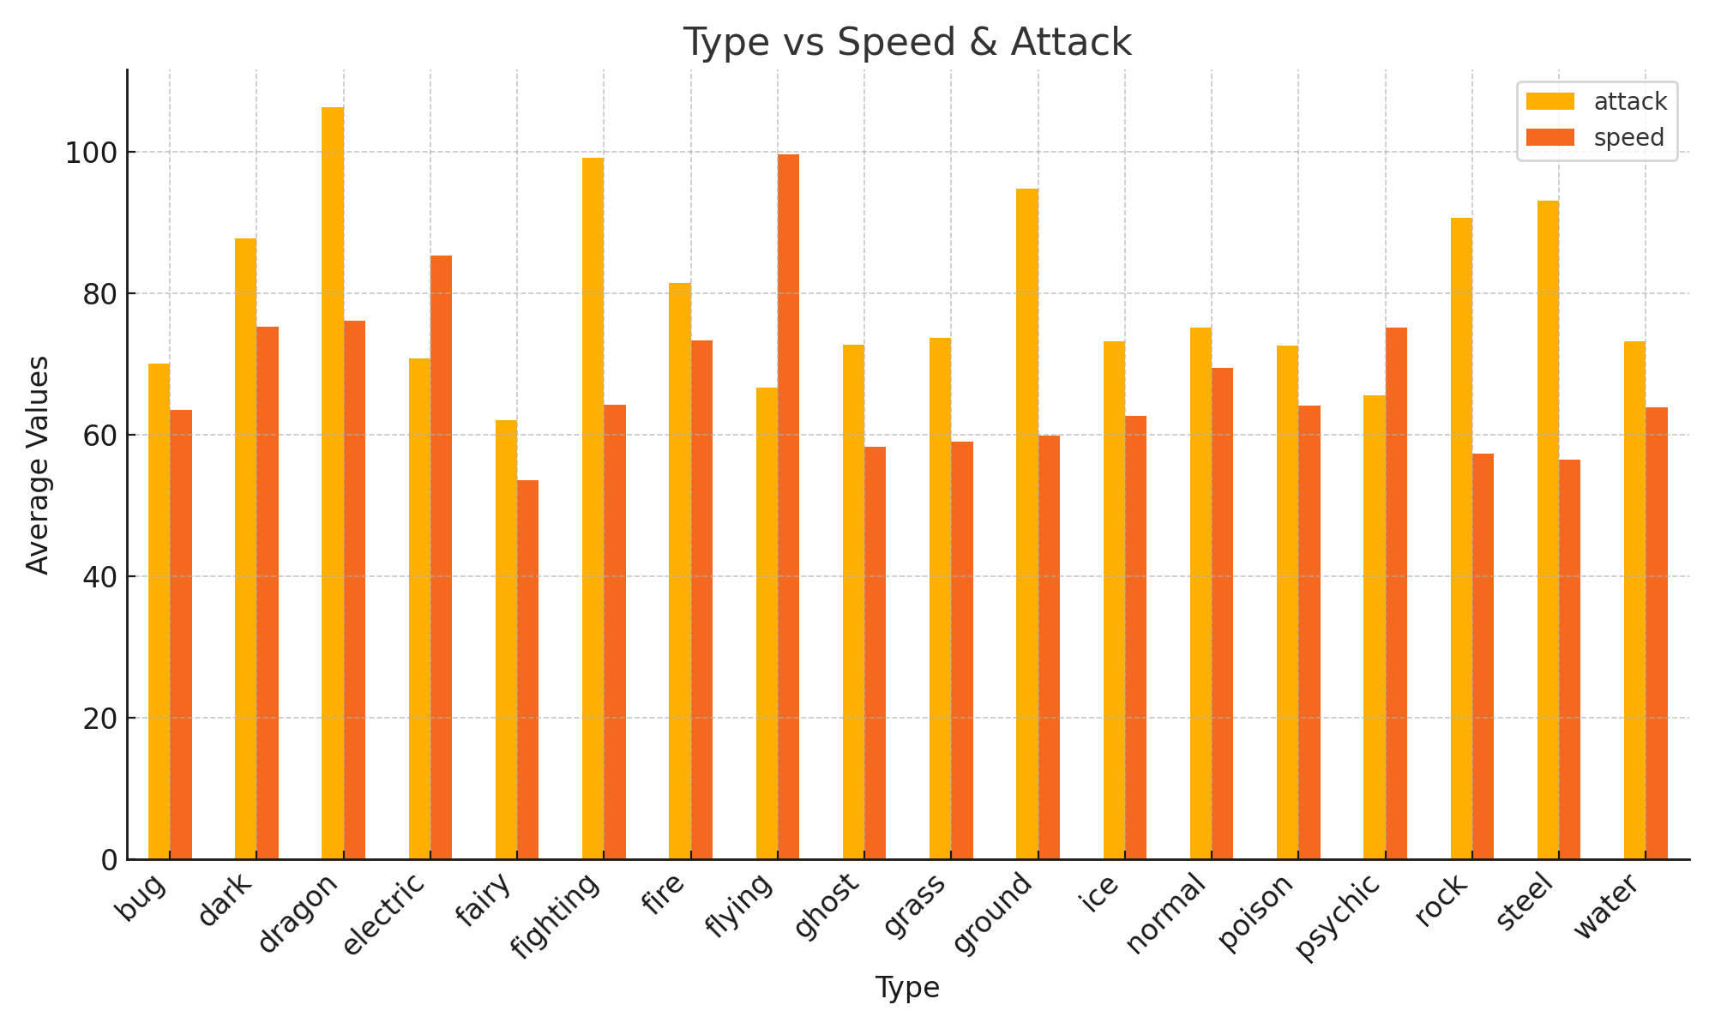
dark | 87.793103448 | 75.310344828
dragon | 106.40740741 | 76.111111111
electric | 70.820512821 | 85.41025641
fairy | 62.111111111 | 53.666666667
fighting | 99.178571429 | 64.285714286
fire | 81.5 | 73.346153846
flying | 66.666666667 | 99.666666667
ghost | 72.740740741 | 58.333333333
grass | 73.769230769 | 59.025641026
ground | 94.8125 | 59.96875
ice | 73.304347826 | 62.739130435
normal | 75.161904762 | 69.533333333
poison | 72.65625 | 64.1875
psychic | 65.566037736 | 75.150943396
rock | 90.666666667 | 57.422222222
steel | 93.083333333 | 56.583333333
water | 73.307017544 | 63.921052632

Pivot Table 3
 | attack | speed
generation
1 | 74.529801325 | 70.152317881
2 | 69.96 | 61.61
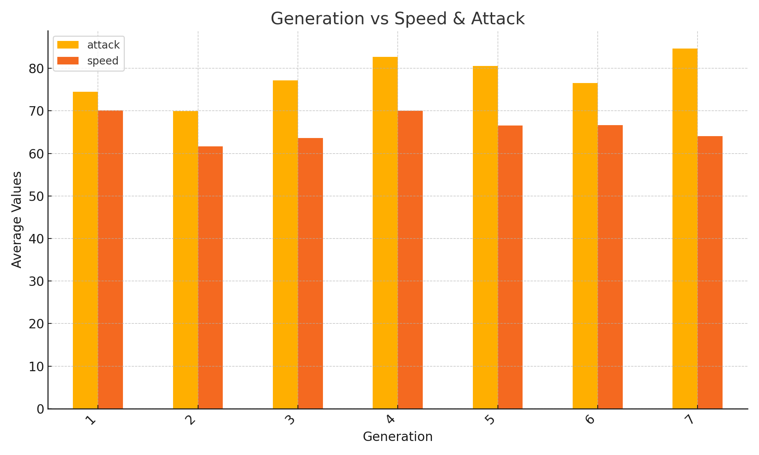
3 | 77.185185185 | 63.577777778
4 | 82.672897196 | 70.074766355
5 | 80.557692308 | 66.519230769
6 | 76.527777778 | 66.652777778
7 | 84.6375 | 64.0375

Pivot Table 4
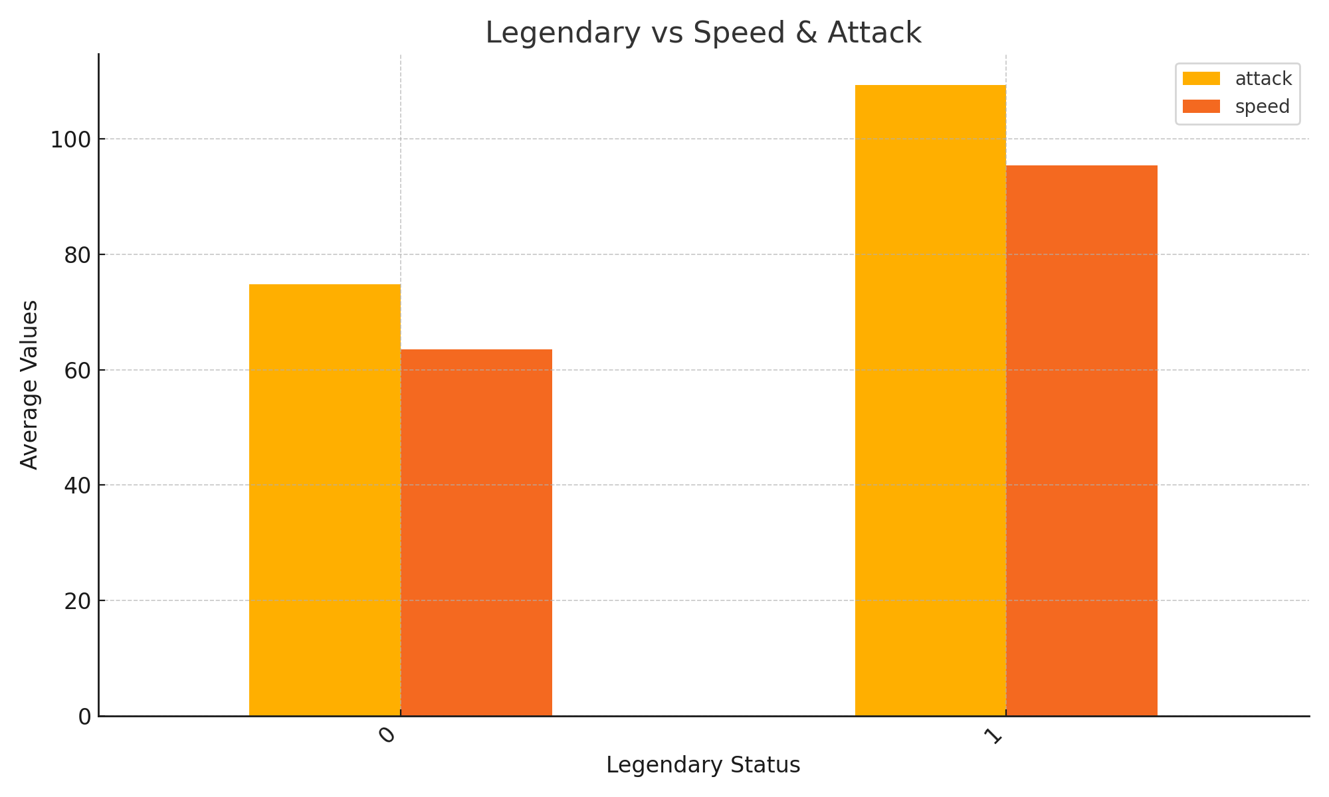
 | attack | speed
is_legendary
0 | 74.841313269 | 63.548563611
1 | 109.35714286 | 95.428571429

Pivot Table 5
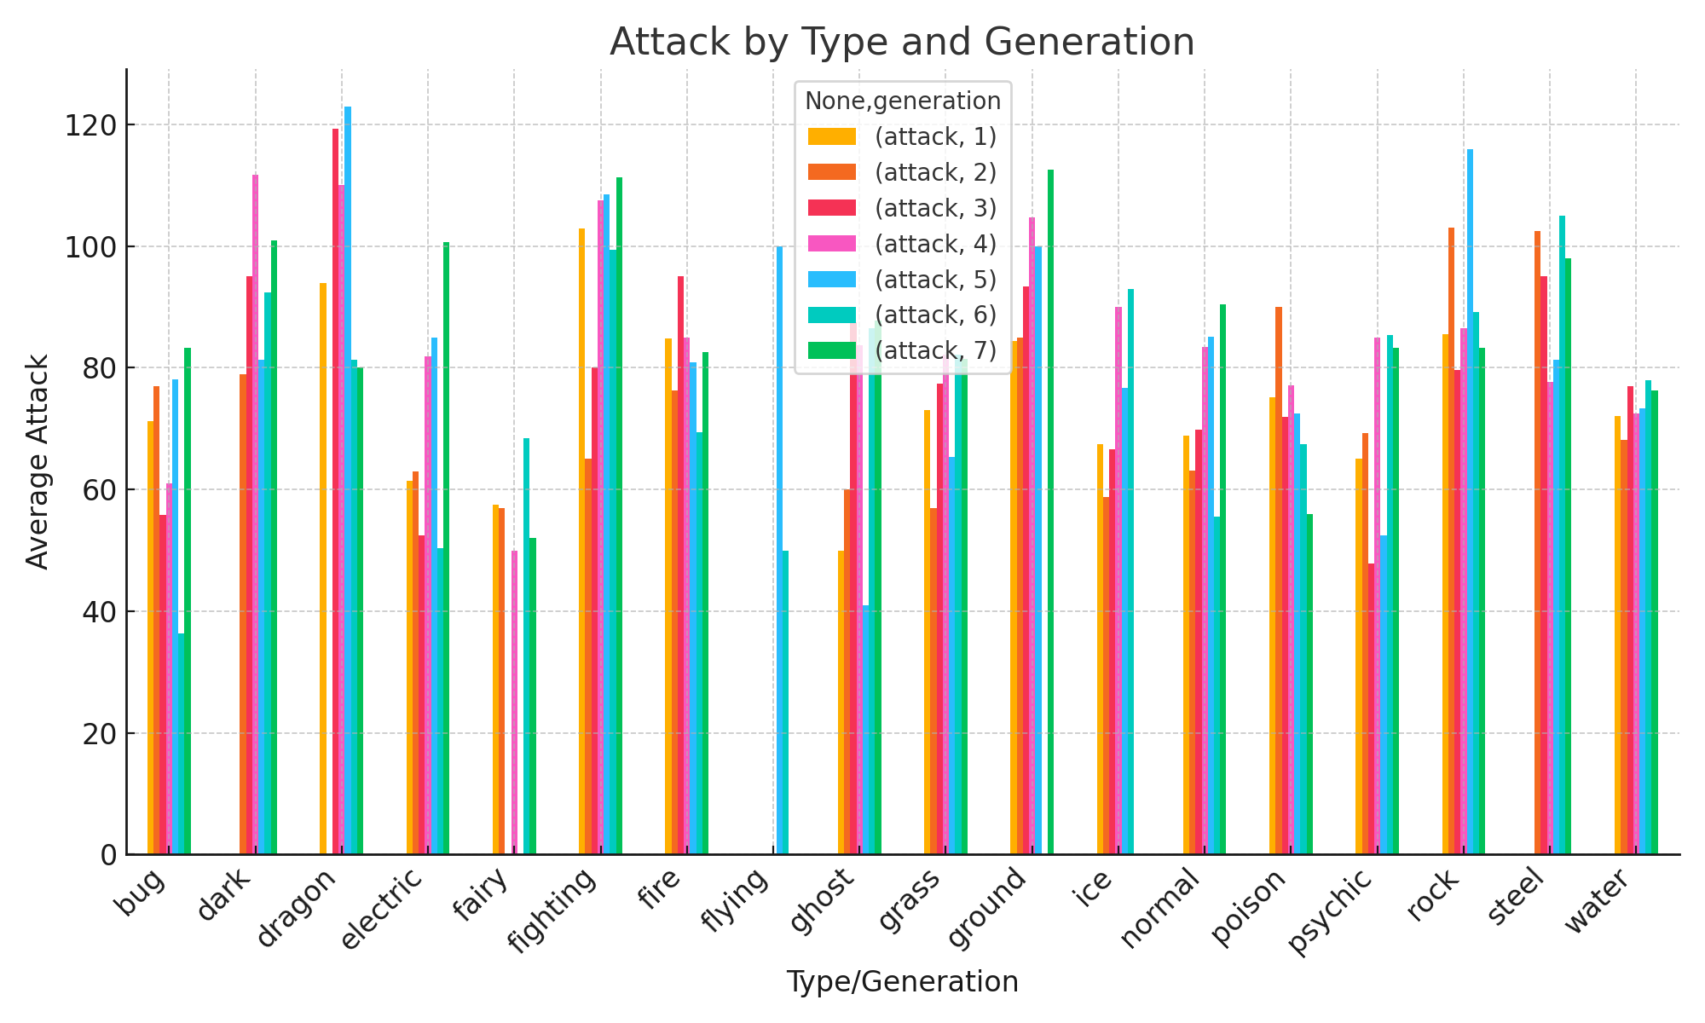
 | attack
 | 1 | 2 | 3 | 4 | 5 | 6 | 7
type1
bug | 71.25 | 77 | 55.833333333 | 61 | 78.166666667 | 36.333333333 | 83.333333333
dark |  | 79 | 95 | 111.66666667 | 81.384615385 | 92.333333333 | 101
dragon | 94 |  | 119.28571429 | 110 | 123 | 81.25 | 80
electric | 61.444444444 | 63 | 52.5 | 81.857142857 | 85 | 50.333333333 | 100.66666667
fairy | 57.5 | 57 |  | 50 |  | 68.444444444 | 52
fighting | 102.85714286 | 65 | 80 | 107.5 | 108.57142857 | 99.333333333 | 111.33333333
fire | 84.833333333 | 76.25 | 95 | 85 | 80.875 | 69.375 | 82.6
flying |  |  |  |  | 100 | 50
ghost | 50 | 60 | 87.5 | 83.666666667 | 41 | 86.5 | 87.75
grass | 73 | 57 | 77.333333333 | 82.153846154 | 65.333333333 | 82.2 | 81.5
ground | 84.375 | 85 | 93.333333333 | 104.75 | 100 |  | 112.5
ice | 67.5 | 58.75 | 66.666666667 | 90 | 76.666666667 | 93
normal | 68.863636364 | 63.133333333 | 69.888888889 | 83.470588235 | 85.058823529 | 55.5 | 90.416666667
poison | 75.142857143 | 90 | 72 | 77.166666667 | 72.5 | 67.5 | 56
psychic | 65.125 | 69.285714286 | 47.875 | 85 | 52.5 | 85.333333333 | 83.333333333
rock | 85.555555556 | 103 | 79.625 | 86.5 | 116 | 89.125 | 83.25
steel |  | 102.5 | 95 | 77.666666667 | 81.25 | 105 | 98
water | 72.035714286 | 68.111111111 | 77 | 72.461538462 | 73.352941176 | 78 | 76.333333333

