SH 48 Map
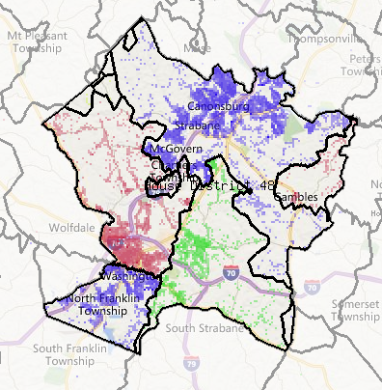
PA-SH-48 Cable Systems

