Plan1
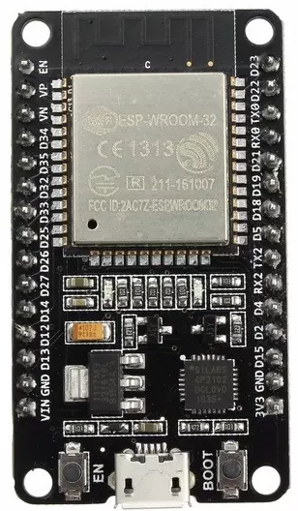

 | Ena | 23 | Reset WIFI
 | VP 36 | 22 | S C L
 | VN 39 | TX0 1
MQ2 | 34 | RX0 3
 | 35 | 21 | S D A
RL1 | 32 | 19 | DHT11
IN1 | 33 | 18 | RL5
IN2 | 25 | 5 | BUZZ
RL2 | 26 | TX2 17 | S. Alarme
IN3 | 27 | RX2 16 | IN5
RL3 | 14 | 4 | LED_RED
RL4 | 12 | 2 | LED_BLUE
IN4 | 13 | 15 | LED_GREEN
 | GND | GND
 | VIN | 3V3

Plan2
