July - Innsight - Email
July Garden Innsight - Great Getaways |  |  | URL
Header
1 | Text | View online
2 | Text | How to add us to your address book
3 | Text | Forward to a Friend
MENU BAR
4 | Text | Find A Hotel | http://hiltongardeninn3.hilton.com/en/index.html
5 | Text | Offers | http://hiltongardeninn3.hilton.com/en/offers/index.htm
6 | Text | About Hilton Garden Inn | http://hiltongardeninn3.hilton.com/en/about/index.html

7 | Image | Hilton Garden Inn Logo / Bar | http://hiltongardeninn3.hilton.com/en/index.html
8 | Image HTML copy & button | Triple Your Trip | http://www.HHonors.com/Triple
9 | Image HTML copy & button | Bed N Breakfast | http://hiltongardeninn3.hilton.com/en/offers/100027636.htm
10 | Image, copy | Copy Bar | http://hiltongardeninn3.hilton.com/en/index.html
11 | Image HTML copy & button | Best Rates Guarantee | http://hiltongardeninn3.hilton.com/en/index.html
Social Icons
12 | Image | Facebook button | https://www.facebook.com/HiltonGardenInn
13 | Image | Twitter button | https://twitter.com/HiltonGardenInn
14 | Image | App store button | https://itunes.apple.com/us/app/hilton-garden-inn/id342058332?mt=8
15 | Logo | HHonors | http://hhonors3.hilton.com/en/index.html
Disclaimer
16 | text | Daily Grand T&C | https://www.hiltonhhonors.com/HH22013?cid=OM,HW,HNGCII,Featured
17 | text | HHonors Terms & Conditions | http://hhonors3.hilton.com/en/terms/index.html
18 | text | View our privacy policy | http://www1.hilton.com/en_US/hi/customersupport/privacy-policy.do
19 | text | Send us a message | http://hhonors3.hilton.com/en/support/index.html
20 | text | Unsubscribe (header) | https://secure.hilton.com/en/hhonors/optout/unsubscribe.jhtml?listid=17&email=%25%25EMAIL%25%25
21 | text | Logging into your profile | https://secure3.hilton.com/en/hh/customer/login/index.htm

4
5
6
2
1
3
8

7

9
8

11
9

10
15

12
13
14

16 ???

11
17
18
19
20
21

Details
July 2013 Hilton Garden Inn - Garden Innsight
Deploy Date | Wednesday, July 24, 2013 | 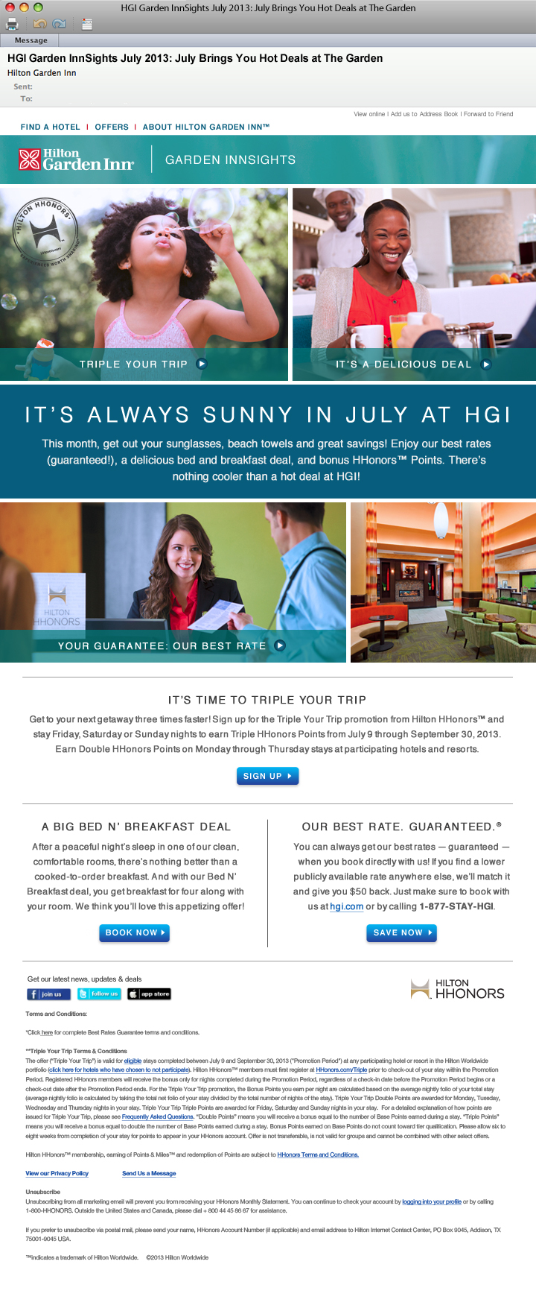
Subject | -- HGI Garden InnSights June 2013: July Brings You Hot Deals at The Garden (71 char.) -- HGI Garden InnSights June 2013: It’s A Hot One This July at The Garden (70 char.) -- HGI Garden InnSights June 2013: Have a July Jubilee at The Garden (65 char.)
Body Copy | HEADER FOR “Triple Your Trip": TRIPLE YOUR TRIP > HEADER FOR "Bed N Breakfast": IT'S A DELICIOUS DEAL > INTRO IT’S ALWAYS SUNNY IN JULY AT HGI This month, get out your sunglasses, beach towels and great savings! Enjoy our best rates (guaranteed!), a delicious bed and breakfast deal, and bonus HHonors™ Points offers. There’s nothing cooler than a hot deal at HGI! HEADER FOR "Best Rates Guarantee": YOUR GUARANTEE: OUR BEST RATE > ------------------------------------------- HEADER #1: IT’S TIME TO TRIPLE YOUR TRIP COPY: Get to your next getaway three times faster! Sign up for the Triple Your Trip promotion from Hilton HHonors™ and stay Friday, Saturday or Sunday nights to earn Triple HHonors Points from July 9 through September 30, 2013.** Earn Double HHonors Points on Monday through Thursday stays at participating hotels and resorts. (SIGN UP button) HEADER #2: A BIG BED N’ BREAKFAST DEAL COPY: After a peaceful night’s sleep in one of our clean, comfortable rooms, there’s nothing better than a cooked-to-order breakfast. And with our Bed N’ Breakfast deal, you get breakfast for four along with your room. We think you’ll love this appetizing offer! (BOOK NOW button) HEADER #3: OUR BEST RATE. GUARANTEED. COPY: You can always get our best rate — guaranteed — when you book directly with us! If you find a lower publicly available rate anywhere else, we’ll match it and give you $50 back*. Just make sure to book with us at hgi.com or by calling 1-877-STAY-HGI. (SAVE NOW button)

Link | See other tab
Disclaimer | *Click here for complete Best Rates Guarantee terms and conditions. **Triple Your Trip Terms & Conditions The offer (“Triple Your Trip”) is valid for eligible stays completed between July 9 and September 30, 2013 ("Promotion Period") at any participating hotel or resort in the Hilton Worldwide portfolio (click here for hotels who have chosen to not participate). Hilton HHonors™ members must first register at HHonors.com/Triple prior to check-out of your stay within the Promotion Period. Registered HHonors members will receive the bonus only for nights completed during the Promotion Period, regardless of a check-in date before the Promotion Period begins or a check-out date after the Promotion Period ends. For the Triple Your Trip promotion, the Bonus Points you earn per night are calculated based on the average nightly folio of your total stay (average nightly folio is calculated by taking the total net folio of your stay divided by the total number of nights of the stay). Triple Your Trip Double Points are awarded for Monday, Tuesday, Wednesday and Thursday nights in your stay. Triple Your Trip Triple Points are awarded for Friday, Saturday and Sunday nights in your stay. For a detailed explanation of how points are issued for Triple Your Trip, please see Frequently Asked Questions. “Double Points” means you will receive a bonus equal to the number of Base Points earned during a stay. “Triple Points” means you will receive a bonus equal to double the number of Base Points earned during a stay. Bonus Points earned on Base Points do not count toward tier qualification. Please allow six to eight weeks from completion of your stay for points to appear in your HHonors account. Offer is not transferable, is not valid for groups and cannot be combined with other select offers. Hilton HHonors™ membership, earning of Points & Miles™ and redemption of points are subject to HHonors Terms and Conditions. View our Privacy Policy | Send Us a Message

Unsubscribe | Unsubscribe Unsubscribing from all marketing email will prevent you from receiving your HHonors Monthly Statement. You can continue to check your account by logging into your profile or by calling 1-800-HHONORS. Outside the United States and Canada, please dial + 800 44 45 86 67 for assistance. If you prefer to unsubscribe via postal mail, please send your name, HHonors Account Number (if applicable) and email address to Hilton Internet Contact Center, PO Box 9045, Addison, TX 75001-9045 USA. ™ indicates a trademark of Hilton Worldwide. ©2013 Hilton Worldwide

