June - Innsight - Email
June Garden Innsight - Great Getaways |  |  | URL
Header
1 | Text | View online
2 | Text | How to add us to your address book
3 | Text | Forward to a Friend
MENU BAR
4 | Text | Find A Hotel | http://hiltongardeninn3.hilton.com/en/index.html
5 | Text | Offers | http://hiltongardeninn3.hilton.com/en/offers/index.htm
6 | Text | About Hilton Garden Inn | http://hiltongardeninn3.hilton.com/en/about/index.html

7 | Image | Hilton Garden Inn Logo / Bar | http://hiltongardeninn3.hilton.com/en/index.html
8 | Image HTML copy & button | Great Getaways | http://hiltongardeninn3.hilton.com/en/index.html
9 | Image, copy | Copy Bar | http://hiltongardeninn3.hilton.com/en/index.html
10 | Image HTML copy & button | HHonors Daily Grand | https://www.hiltonhhonors.com/HH22013?cid=OM,GI,HNGCII,Featured
11 | Image HTML copy & button | Seniors | http://hiltongardeninn3.hilton.com/en/offers/100035552.htm
Social Icons
12 | Image | Facebook button | https://www.facebook.com/HiltonGardenInn
13 | Image | Twitter button | https://twitter.com/HiltonGardenInn
14 | Image | App store button | https://itunes.apple.com/us/app/hilton-garden-inn/id342058332?mt=8
15 | Logo | HHonors | http://hhonors3.hilton.com/en/index.html
Disclaimer
16 | text | Daily Grand T&C | https://www.hiltonhhonors.com/HH22013?cid=OM,HW,HNGCII,Featured
17 | text | HHonors Terms & Conditions | http://hhonors3.hilton.com/en/terms/index.html
18 | text | View our privacy policy | http://www1.hilton.com/en_US/hi/customersupport/privacy-policy.do
19 | text | Send us a message | http://hhonors3.hilton.com/en/support/index.html
20 | text | Unsubscribe (header) | https://secure.hilton.com/en/hhonors/optout/unsubscribe.jhtml?listid=17&email=%25%25EMAIL%25%25
21 | text | Logging into your profile | https://secure3.hilton.com/en/hh/customer/login/index.htm
4
5
6
2
1
3

7
10

8

8
11

9
9
12
13
14
15

16

16
16

11
10
10
11
17
18
19

20
21

Details
June 2013 Hilton Garden Inn - Garden Innsight
Deploy Date | Wednesday, June 19, 2013 | 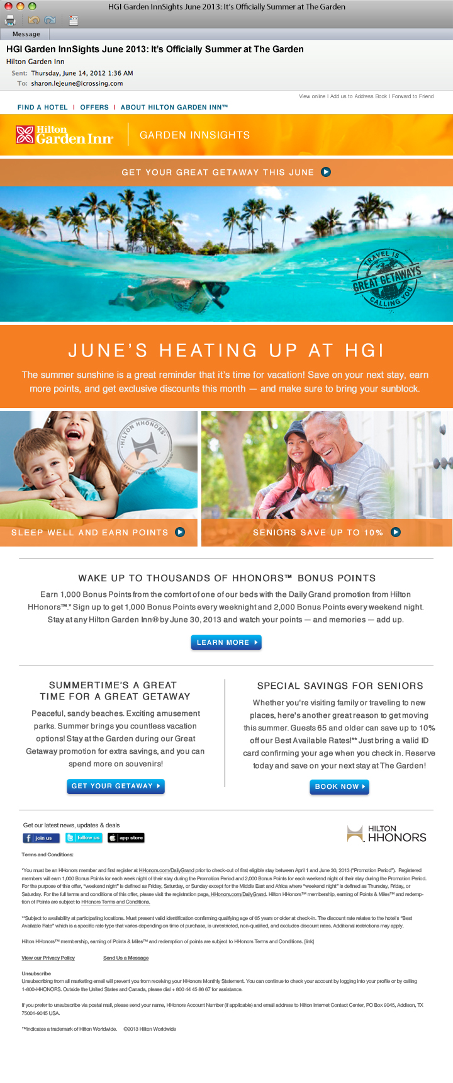
Subject | --HGI Garden InnSights June 2013: It’s Officially Summer at The Garden (68 char.) --HGI Garden InnSights June 2013: Jump for Joy — It’s June at The Garden (70 char.) --HGI Garden InnSights June 2013: You’ll Swoon for June at The Garden (67 char.)
Body Copy | HEADERS FOR “GREAT GETAWAY” GET YOUR GREAT GETAWAY THIS JUNE INTRO JUNE’S HEATING UP AT HGI The summer sunshine is a great reminder that it’s time for vacation! Save on your next stay, earn more points, and get exclusive discounts this month — and make sure to bring your sunblock. HEADERS FOR “DAILY GRAND” SLEEP WELL AND EARN POINTS HEADERS FOR “AARP” SENIORS SAVE UP TO 10% ------------------------------------------- HEADER #1: WAKE UP TO THOUSANDS OF HHONORS™ BONUS POINTS COPY: Earn 1,000 Bonus Points from the comfort of one of our beds with the Daily Grand promotion from Hilton HHonors™.* Sign up to get 1,000 Bonus Points every weeknight and 2,000 Bonus Points every weekend night. Stay at any Hilton Garden Inn® by June 30, 2013 and watch your points — and memories — add up. (LEARN MORE button) HEADER #2: SUMMERTIME’S A GREAT TIME FOR A GREAT GETAWAY COPY: Peaceful, sandy beaches. Exciting amusement parks. Summer brings you countless vacation options! Stay at the Garden during our Great Getaway promotion for extra savings, and you can spend more on souvenirs! (GET YOUR GETAWAY button) HEADER #3: SPECIAL SAVINGS FOR SENIORS COPY: Whether you're visiting family or traveling to new places, here's another great reason to get moving this summer. Guests 65 and older can save up to 10% off our Best Available Rates!** Just bring a valid ID card confirming your age when you check in. Reserve today and save on your next stay at The Garden! (BOOK NOW button)

Link | See other tab
Disclaimer | *You must be an HHonors member and first register at HHonors.com/DailyGrand prior to check-out of first eligible stay between April 1 and June 30, 2013 (“Promotion Period”). Registered members will earn 1,000 Bonus Points for each week night of their stay during the Promotion Period and 2,000 Bonus Points for each weekend night of their stay during the Promotion Period. For the purpose of this offer, “weekend night” is defined as Friday, Saturday, or Sunday except for the Middle East and Africa where “weekend night” is defined as Thursday, Friday, or Saturday. For the full terms and conditions of this offer, please visit the registration page, HHonors.com/DailyGrand. Hilton HHonors™ membership, earning of Points & Miles™ and redemption of Points are subject to HHonors Terms and Conditions. **Subject to availability at participating locations. Must present valid identification confirming qualifying age of 65 years or older at check-in. The discount rate relates to the hotel's “Best Available Rate” which is a specific rate type that varies depending on time of purchase, is unrestricted, non-qualified, and excludes discount rates. Additional restrictions may apply. Hilton HHonors™ membership, earning of Points & Miles™ and redemption of points are subject to HHonors Terms and Conditions. View our Privacy Policy | Send Us a Message
Unsubscribe | Unsubscribe Unsubscribing from all marketing email will prevent you from receiving your HHonors Monthly Statement. You can continue to check your account by logging into your profile or by calling 1-800-HHONORS. Outside the United States and Canada, please dial + 800 44 45 86 67 for assistance. If you prefer to unsubscribe via postal mail, please send your name, HHonors Account Number (if applicable) and email address to Hilton Internet Contact Center, PO Box 9045, Addison, TX 75001-9045 USA. ™ indicates a trademark of Hilton Worldwide. ©2013 Hilton Worldwide

