May - Innsight - Email
May Garden Innsight - Double Your HHonors |  |  | URL
Header
1 | Text | View online
2 | Text | How to add us to your address book
3 | Text | Forward to a Friend
MENU BAR
4 | Text | Find A Hotel | http://hiltongardeninn3.hilton.com/en/index.html
5 | Text | Offers | http://hiltongardeninn3.hilton.com/en/offers/index.htm
6 | Text | About Hilton Garden Inn | http://hiltongardeninn3.hilton.com/en/about/index.html

7 | Image | Hilton Garden Inn Logo / Bar | http://hiltongardeninn3.hilton.com/en/index.html
8 | Image HTML copy & button | Great Getaways | http://hiltongardeninn3.hilton.com/en/index.html
9 | Image HTML copy & button | AARP | http://hiltongardeninn3.hilton.com/en/offers/100033385.htm
10 | Image, copy | Copy Bar | http://hiltongardeninn3.hilton.com/en/index.html
11 | Image HTML copy & button | HHonors Daily Grand | https://www.hiltonhhonors.com/HH22013?cid=OM,GI,HNGCII,Featured
Social Icons
12 | Image | Facebook button | https://www.facebook.com/HiltonGardenInn
13 | Image | Twitter button | https://twitter.com/HiltonGardenInn
14 | Image | App store button | https://itunes.apple.com/us/app/hilton-garden-inn/id342058332?mt=8
15 | Logo | HHonors | http://hhonors3.hilton.com/en/index.html
Disclaimer
16 | text | Daily Grand T&C | https://www.hiltonhhonors.com/HH22013?cid=OM,HW,HNGCII,Featured
17 | text | AARP Member Disclosure link | http://www.aarp.org/content/aarp/en/home/benefits-discounts/Hilton.html
18 | text | HHonors Terms & Conditions | http://hhonors3.hilton.com/en/terms/index.html
19 | text | View our privacy policy | http://www1.hilton.com/en_US/hi/customersupport/privacy-policy.do
20 | text | Send us a message | http://hhonors3.hilton.com/en/support/index.html
21 | text | Unsubscribe (header) | https://secure.hilton.com/en/hhonors/optout/unsubscribe.jhtml?listid=17&email=%25%25EMAIL%25%25
 | text | Logging into your profile | https://secure3.hilton.com/en/hh/customer/login/index.htm
4
5
6
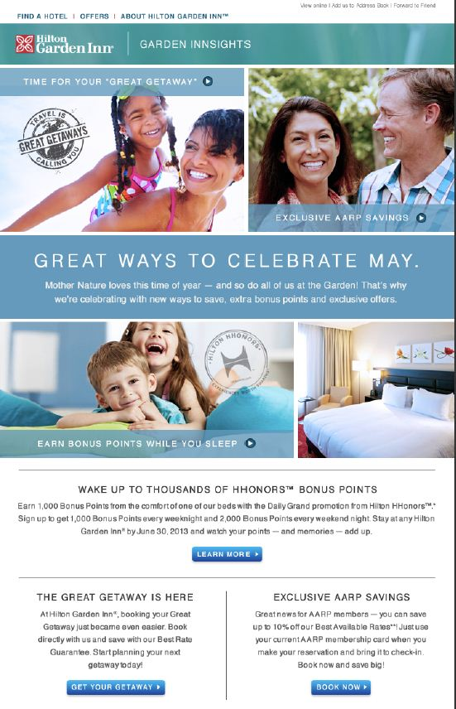
2
1
3
11
7

9
8
9
8

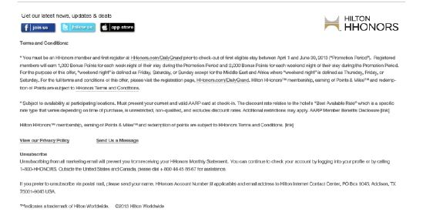
12
13
14
15
10

11
11
16

17

18
11
19
20

21

21

