opensees
node | 1 | -5000 | 0 |  |  |  |  |  |  |  |  |  |  |  |  |  |  |  |  |  |  |  |  | No DMG | 0.82021405624 | 0.81823485715 | 0.67558837169
node | 2 | -5000 | 4000 |  |  |  |  |  |  |  |  |  |  |  |  |  |  |  |  |  |  |  |  | Elemento 13 | High DMG (0.49)
node | 3 | -5000 | 7000 |  |  |  |  |  |  |  |  |  |  |  |  |  |  |  |  |  |  |  |  | Mode 1 | 0.82007693491 | 0.82007650339 | 0.82007613303 | 0.82007569825 | 0.82007604766 | 0.82007825191 | 0.8200858849 | 0.82011968936 | 0.82133559359 | 0.82589609139 | 0.82769587998 | 0.82763069137 | 0.82717453371
node | 4 | 0 | 0 |  |  |  | Jtc | Jtv |  |  |  |  |  |  |  |  |  |  |  |  |  |  |  |  | 0.99983282251 | 0.9998322964 | 0.99983184486 | 0.99983131478 | 0.99983174078 | 0.99983442818 | 0.99984373428 | 0.99988494847 | 1.0013673715 | 1.0069275028 | 1.0091217941 | 1.0090423165 | 1.0084861719
node | 5 | 0 | 4000 |  |  |  | 0.141 | 0.229 |  |  |  |  |  |  |  |  |  |  |  |  |  |  |  | Mode 2 | 0.67638666657 | 0.67660833591 | 0.67709163493 | 6.95E-01 | 0.74768244595 | 0.77930145562 | 0.79932520235 | 0.81245753538 | 0.81970494393 | 0.81997263414 | 0.81998036738 | 0.81997171583 | 0.81995871024
node | 6 | 0 | 7000 |  |  |  |  |  |  |  |  |  | mm2 | mm | mm3 |  |  |  |  |  |  |  |  |  | 0.82664122735 | 0.82691213898 | 0.82750279949 | 0.84934244638 | 0.91377486478 | 0.95241781599 | 0.97688969782 | 0.99293928666 | 1.0017966563 | 1.002123812 | 1.0021332631 | 1.0021226897 | 1.002106795
node | 7 | 5000 | 0 | b | h | Elemento | Área (mm2) | Iy (mm4) | Iz (mm4) | J (mm4) |  | gmasa | área | Longitud | volumen | masatotal | masanudo |  |  |  |  |  |  | Mode 3 | 0.47910537441 | 0.43096288819 | 0.56459097175 | 0.67105588534 | 0.67486708124 | 0.67528126453 | 0.67543295322 | 0.6755082902 | 0.67554991408 | 0.67557259392 | 0.67558270262 | 0.675584138 | 0.6755838289
node | 8 | 5000 | 4000 | 1000 | 1000 | columnas | 1000000 | 83333333333 | 83333333333 | 1.41E+11 |  | 2.40E-09 | 360269 | 4000 | 1441076000 | 3.46E+00 | 1.73E+00 | columna |  |  |  |  |  |  | 0.7091675856 | 0.63790749849 | 0.83570261924 | 0.99329105334 | 0.99893235218 | 0.99954542266 | 0.99976995094 | 0.99988146408 | 0.99994307538 | 0.99997664589 | 0.9999916087 | 0.99999373333 | 0.9999932758
node | 9 | 5000 | 7000 | 600 | 1200 | vigas | 720000 | 86400000000 | 21600000000 | 5.94E+10 |  | 2.40E-09 | 360269 | 6000 | 2161614000 | 5.19E+00 | 2.59E+00 | vigax
 |  |  |  |  |  |  |  |  |  |  |  | 2.40E-09 | 185328.26 | 5000 | 926641300 | 2.22E+00 | 1.11E+00 | vigay |  |  |  |  |  | Elemento 1 | High DMG (0.49)
 |  |  |  |  |  |  |  |  |  |  |  | nudo |  |  |  |  |  |  |  |  |  |  |  | Mode 1 | 1.9965024789 | 1.8579877547 | 0.82213211824 | 0.82218647062 | 0.82227454767 | 0.82242835129 | 0.8227289534 | 0.82342721062 | 0.82529670159 | 0.82846048467 | 0.8303487198 | 0.83036110244 | 0.82991084067
 |  |  |  |  |  |  |  |  |  |  |  | 1.00E+00 | 1.73E+00 |  |  |  |  |  |  |  |  |  |  |  | 2.4341237068 | 2.2652473956 | 1.0023384895 | 1.0024047556 | 1.0025121386 | 1.0026996551 | 1.0030661474 | 1.0039174583 | 1.0061967304 | 1.0100539955 | 1.0123561203 | 1.0123712171 | 1.0118222607
 | element elasticBeamColumn 1 3 1 $Ac $Ec $Ic 1 |  |  |  |  |  |  |  |  |  |  | 2.00E+00 | 5.44E+00 |  |  |  |  |  |  |  |  |  |  | Mode 2 | 0.82209675865 | 0.82211263618 | 0.73242136891 | 6.88E-01 | 0.71761380952 | 0.76188211792 | 0.78951789457 | 0.80632293942 | 0.8155510109 | 0.81892666849 | 0.81987260873 | 0.82004278437 | 0.82009602279
 |  |  |  |  |  |  |  |  |  |  |  | 3.00E+00 | 1.73E+00 |  |  |  |  |  |  |  |  |  |  |  | 1.0047197959 | 1.0047392005 | 0.89512364636 | 0.84066899175 | 0.87702669136 | 0.93112889443 | 0.96490376531 | 0.98544193318 | 0.99671995611 | 1.0008454924 | 1.0020015666 | 1.0022095456 | 1.0022746105
...
 |  |  |  |  |  |  |  |  |  | 63 |  |  |  |  |  |  |  |  | POINT | 8 | 7800 | 7800 | 5000
 |  |  |  |  |  |  |  |  |  | 64 |  |  |  |  |  |  |  |  | POINT | 1 | 0 | 0 | 0
 |  |  |  |  |  |  |  |  |  | 65 |  |  |  |  |  |  |  |  | POINT | 9 | 400 | 400 | 10000
 |  |  |  |  |  |  |  |  |  | 66 |  |  |  |  |  |  |  |  | POINT | 5 | 200 | 200 | 5000
 |  |  |  |  |  |  |  |  |  | 67 |  |  |  |  |  |  |  |  | POINT | 11 | 400 | 7600 | 10000
 |  |  |  |  |  |  |  |  |  | 68 |  |  |  |  |  |  |  |  | POINT | 3 | 0 | 8000 | 0
 |  |  |  |  |  |  |  |  |  | 69 |  |  |  |  |  |  |  |  | POINT | 7 | 200 | 7800 | 5000
 |  |  |  |  |  |  |  |  |  | 70 |  |  |  |  |  |  |  |  | Type | Name | XI | YI | ZI
 |  |  |  |  |  |  |  |  |  |  |  |  |  |  |  |  |  |  | LINE | 1 | 0 | 0 | 0
 |  |  |  |  |  |  |  |  |  |  |  |  |  |  |  |  |  |  | LINE | 2 | 7800 | 200 | 5000
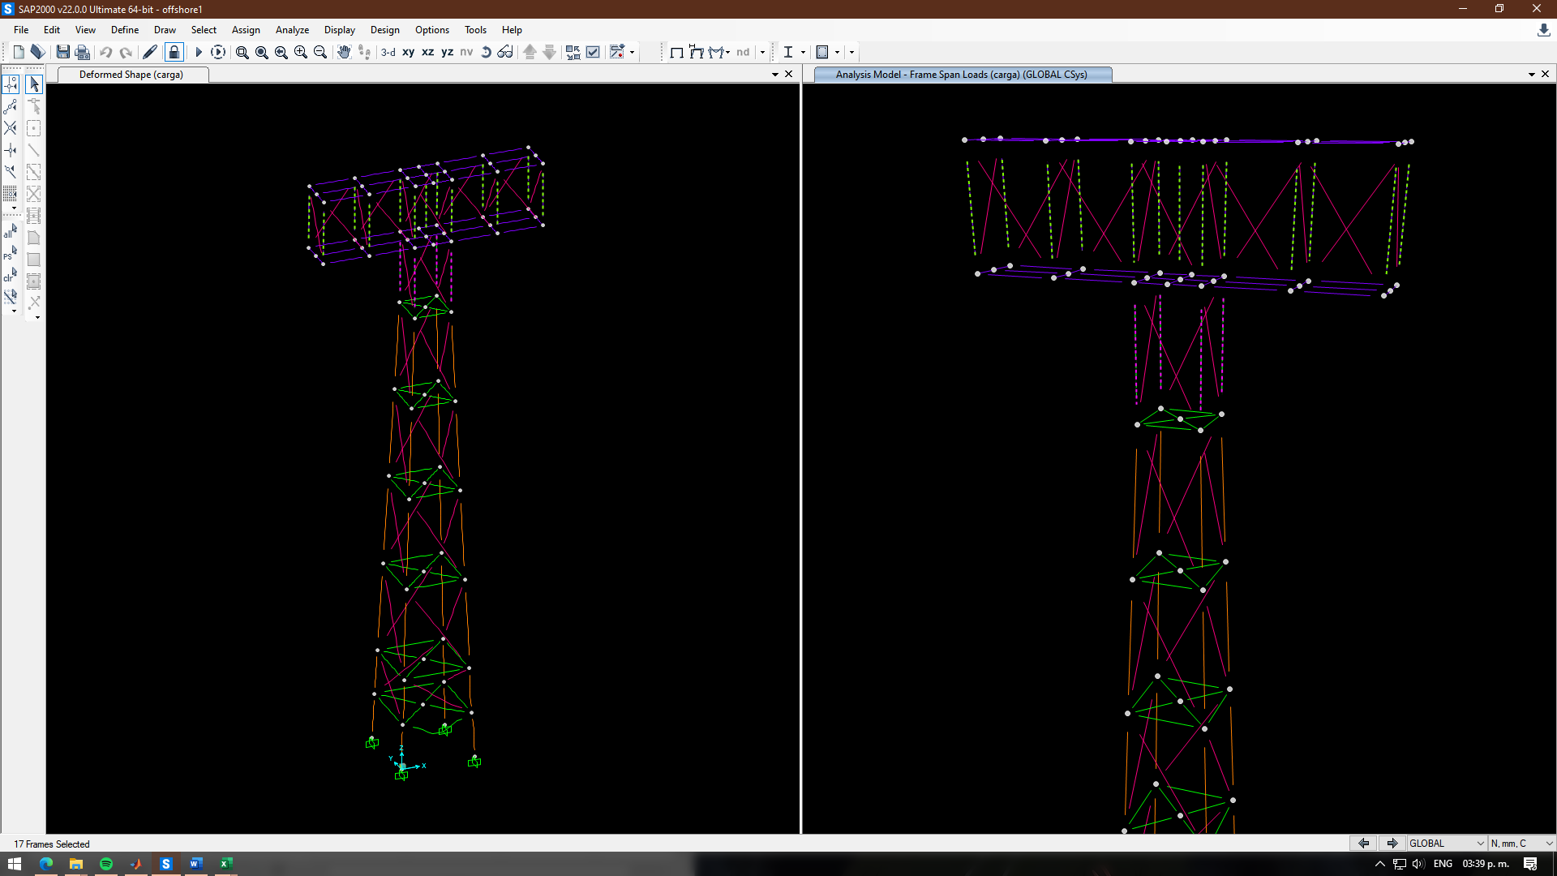
 |  |  |  |  |  |  |  |  |  |  |  |  |  |  |  |  |  |  | LINE | 3 | 8000 | 0 | 0
 |  |  |  |  |  |  |  |  |  |  |  |  |  |  |  |  |  |  | LINE | 4 | 200 | 7800 | 5000
 |  |  |  |  |  |  |  |  |  |  |  |  |  |  |  |  |  |  | LINE | 5 | 200 | 200 | 5000
 |  |  |  |  |  |  |  |  |  |  |  |  |  |  |  |  |  |  | LINE | 6 | 200 | 7800 | 5000
 |  |  |  |  |  |  |  |  |  |  |  |  |  |  |  |  |  |  | LINE | 7 | 7800 | 200 | 5000
 |  |  |  |  |  |  |  |  |  |  |  |  |  |  |  |  |  |  | LINE | 8 | 400 | 7600 | 10000
 |  |  |  |  |  |  |  |  |  |  |  |  |  |  |  |  |  |  | LINE | 9 | 7800 | 7800 | 5000
 |  |  |  |  |  |  |  |  |  |  |  |  |  |  |  |  |  |  | LINE | 10 | 8000 | 8000 | 0
 |  |  |  |  |  |  |  |  |  |  |  |  |  |  |  |  |  |  | LINE | 11 | 7800 | 200 | 5000
 |  |  |  |  |  |  |  |  |  |  |  |  |  |  |  |  |  |  | LINE | 12 | 200 | 200 | 5000
 |  |  |  |  |  |  |  |  |  |  |  |  |  |  |  |  |  |  | LINE | 13 | 7800 | 7800 | 5000
 |  |  |  |  |  |  |  |  |  |  |  |  |  |  |  |  |  |  | LINE | 14 | 200 | 7800 | 5000
 |  |  |  |  |  |  |  |  |  |  |  |  |  |  |  |  |  |  | LINE | 15 | 400 | 400 | 10000
 |  |  |  |  |  |  |  |  |  |  |  |  |  |  |  |  |  |  | LINE | 16 | 400 | 7600 | 10000
 |  |  |  |  |  |  |  |  |  |  |  |  |  |  |  |  |  |  | LINE | 17 | 400 | 400 | 10000
 |  |  |  |  |  |  |  |  |  |  |  |  |  |  |  |  |  |  | LINE | 18 | 400 | 7600 | 10000
 |  |  |  |  |  |  |  |  |  |  |  |  |  |  |  |  |  |  | LINE | 19 | 7600 | 400 | 10000
 |  |  |  |  |  |  |  |  |  |  |  |  |  |  |  |  |  |  | LINE | 20 | 7600 | 7600 | 10000
 |  |  |  |  |  |  |  |  |  |  |  |  |  |  |  |  |  |  | LINE | 21 | 400 | 400 | 10000
 |  |  |  |  |  |  |  |  |  |  |  |  |  |  |  |  |  |  | LINE | 22 | 7600 | 400 | 10000
 |  |  |  |  |  |  |  |  |  |  |  |  |  |  |  |  |  |  | LINE | 23 | 7600 | 400 | 10000
 |  |  |  |  |  |  |  |  |  |  |  |  |  |  |  |  |  |  | LINE | 24 | 400 | 400 | 10000
 |  |  |  |  |  |  |  |  |  |  |  |  |  |  |  |  |  |  | LINE | 25 | 7600 | 7600 | 10000
 |  |  |  |  |  |  |  |  |  |  |  |  |  |  |  |  |  |  | LINE | 26 | 800 | 7200 | 20000
 |  |  |  |  |  |  |  |  |  |  |  |  |  |  |  |  |  |  | LINE | 27 | 400 | 7600 | 10000
 |  |  |  |  |  |  |  |  |  |  |  |  |  |  |  |  |  |  | LINE | 28 | 7600 | 7600 | 10000
 |  |  |  |  |  |  |  |  |  |  |  |  |  |  |  |  |  |  | LINE | 29 | 800 | 800 | 20000
 |  |  |  |  |  |  |  |  |  |  |  |  |  |  |  |  |  |  | LINE | 30 | 800 | 7200 | 20000
 |  |  |  |  |  |  |  |  |  |  |  |  |  |  |  |  |  |  | LINE | 31 | 800 | 7200 | 20000
 |  |  |  |  |  |  |  |  |  |  |  |  |  |  |  |  |  |  | LINE | 32 | 7200 | 7200 | 20000
 |  |  |  |  |  |  |  |  |  |  |  |  |  |  |  |  |  |  | LINE | 33 | 7200 | 800 | 20000
 |  |  |  |  |  |  |  |  |  |  |  |  |  |  |  |  |  |  | LINE | 34 | 7200 | 7200 | 20000
 |  |  |  |  |  |  |  |  |  |  |  |  |  |  |  |  |  |  | LINE | 35 | 800 | 800 | 20000
 |  |  |  |  |  |  |  |  |  |  |  |  |  |  |  |  |  |  | LINE | 36 | 7200 | 800 | 20000
 |  |  |  |  |  |  |  |  |  |  |  |  |  |  |  |  |  |  | LINE | 37 | 7200 | 800 | 20000
 |  |  |  |  |  |  |  |  |  |  |  |  |  |  |  |  |  |  | LINE | 38 | 800 | 800 | 20000
 |  |  |  |  |  |  |  |  |  |  |  |  |  |  |  |  |  |  | LINE | 39 | 7200 | 7200 | 20000
 |  |  |  |  |  |  |  |  |  |  |  |  |  |  |  |  |  |  | LINE | 40 | 800 | 7200 | 20000
 |  |  |  |  |  |  |  |  |  |  |  |  |  |  |  |  |  |  | LINE | 41 | 800 | 7200 | 20000
 |  |  |  |  |  |  |  |  |  |  |  |  |  |  |  |  |  |  | LINE | 42 | 7200 | 7200 | 20000
 |  |  |  |  |  |  |  |  |  |  |  |  |  |  |  |  |  |  | LINE | 43 | 1200 | 1200 | 30000
 |  |  |  |  |  |  |  |  |  |  |  |  |  |  |  |  |  |  | LINE | 44 | 1200 | 6800 | 30000
 |  |  |  |  |  |  |  |  |  |  |  |  |  |  |  |  |  |  | LINE | 45 | 6800 | 6800 | 30000
 |  |  |  |  |  |  |  |  |  |  |  |  |  |  |  |  |  |  | LINE | 46 | 1200 | 6800 | 30000
 |  |  |  |  |  |  |  |  |  |  |  |  |  |  |  |  |  |  | LINE | 47 | 6800 | 1200 | 30000
 |  |  |  |  |  |  |  |  |  |  |  |  |  |  |  |  |  |  | LINE | 48 | 6800 | 6800 | 30000
 |  |  |  |  |  |  |  |  |  |  |  |  |  |  |  |  |  |  | LINE | 49 | 1200 | 1200 | 30000
 |  |  |  |  |  |  |  |  |  |  |  |  |  |  |  |  |  |  | LINE | 50 | 6800 | 1200 | 30000
 |  |  |  |  |  |  |  |  |  |  |  |  |  |  |  |  |  |  | LINE | 51 | 6800 | 1200 | 30000
 |  |  |  |  |  |  |  |  |  |  |  |  |  |  |  |  |  |  | LINE | 52 | 1200 | 1200 | 30000
 |  |  |  |  |  |  |  |  |  |  |  |  |  |  |  |  |  |  | LINE | 53 | 6800 | 6800 | 30000
 |  |  |  |  |  |  |  |  |  |  |  |  |  |  |  |  |  |  | LINE | 54 | 1200 | 6800 | 30000
 |  |  |  |  |  |  |  |  |  |  |  |  |  |  |  |  |  |  | LINE | 55 | 1200 | 6800 | 30000
 |  |  |  |  |  |  |  |  |  |  |  |  |  |  |  |  |  |  | LINE | 56 | 6800 | 6800 | 30000
 |  |  |  |  |  |  |  |  |  |  |  |  |  |  |  |  |  |  | LINE | 57 | 1600 | 1600 | 40000
 |  |  |  |  |  |  |  |  |  |  |  |  |  |  |  |  |  |  | LINE | 58 | 1600 | 6400 | 40000
 |  |  |  |  |  |  |  |  |  |  |  |  |  |  |  |  |  |  | LINE | 59 | 1600 | 1600 | 40000
 |  |  |  |  |  |  |  |  |  |  |  |  |  |  |  |  |  |  | LINE | 60 | 1600 | 6400 | 40000
 |  |  |  |  |  |  |  |  |  |  |  |  |  |  |  |  |  |  | LINE | 61 | 6400 | 1600 | 40000
 |  |  |  |  |  |  |  |  |  |  |  |  |  |  |  |  |  |  | LINE | 62 | 6400 | 6400 | 40000
 |  |  |  | Type | Name | XI | YI | ZI | XJ | YJ | ZJ |  |  |  |  |  |  |  | LINE | 63 | 1600 | 1600 | 40000
 |  |  |  | LINE | 93 | 2000 | 2000 | 58000 | 2000 | 2000 | 50000 |  |  |  |  |  |  |  | LINE | 64 | 6400 | 1600 | 40000
 |  |  |  | LINE | 95 | 6000 | 2000 | 50000 | 6000 | 2000 | 58000 |  |  |  |  |  |  |  | LINE | 65 | 6400 | 1600 | 40000
 |  |  |  | LINE | 98 | 2000 | 6000 | 58000 | 2000 | 6000 | 50000 |  |  |  |  |  |  |  | LINE | 66 | 1600 | 1600 | 40000
...

