Sheet1
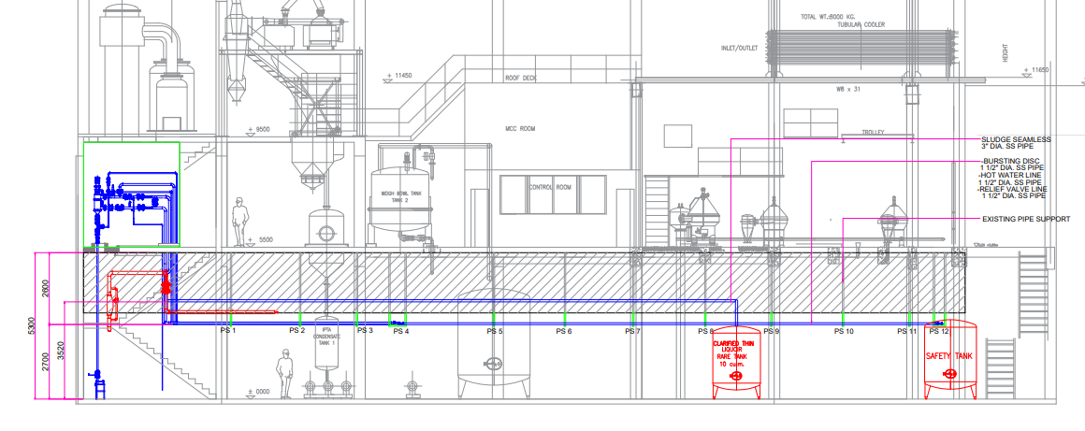

2nd Floor Piping (January to February 2024 CIP)

1st Floor Piping (December 2023 SD)

