Sheet1
 | Coefficients Soltoke paint coating |  |  | Coefficients PTR70
 | fit 1 | fit 2 |  |  | fit NREL
u0 | 0.1799002357 | 0.9264758 |  | u0 | 0.141 | 0.1289282933
u1 | 0.006182389 | 5.37063485E-08 |  | u1 | 6.48E-09 | 1.0543304E-08

DT | Heat loss fit 1 | Heat loss fit2 |  | Tabs | Heat loss
(°C) | (W/m) | (W/m) |  | (°C) | (W/m)
60 | 33.1 | 56.3 |  | 60 | 8.5 | 7.9
80 | 54.0 | 76.3 |  | 80 | 11.5 | 10.7
100 | 79.8 | 98.0 |  | 100 | 14.7 | 13.9
120 | 110.6 | 122.3 |  | 120 | 18.3 | 17.7
140 | 146.4 | 150.3 |  | 140 | 22.2 | 22.1
160 | 187.1 | 183.4 |  | 160 | 26.8 | 27.5
180 | 232.7 | 223.1 |  | 180 | 32.2 | 34.3
200 | 283.3 | 271.2 |  | 200 | 38.6 | 42.7
220 | 338.8 | 329.6 |  | 220 | 46.2 | 53.1
240 | 399.3 | 400.5 |  | 240 | 55.3 | 65.9
260 | 464.7 | 486.3 |  | 260 | 66.3 | 81.7

Eq 1 | uo*DT + u1*DT^2
Eq2 | uo*DT + u1*DT^4
DT | Tabs - Tamb
Tabs | Absorber temperature

Relevant info
Tamb | Ambient temperature () | 30 | °C
Dabs | Absorber diameter | 70 | mm

fit 1 and fit 2 calculated by fcuevas
fit NREL from Report "Heat loss Testing of Schott's 2008 PTR70 Parabolic Trough Receiver2

Emittance Soltoke
Info from Aldo (mail 24.02.2015)
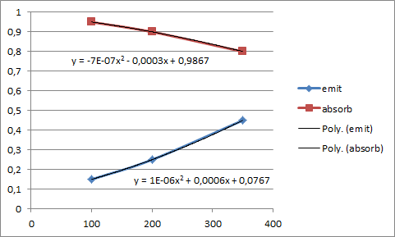

 | 100 | 0.1467
 | 150 | 0.1892
 | 200 | 0.2367
 | 250 | 0.2892
 | 300 | 0.3467
 | 350 | 0.4092
 | 400 | 0.4767
 | 450 | 0.5492

