List1
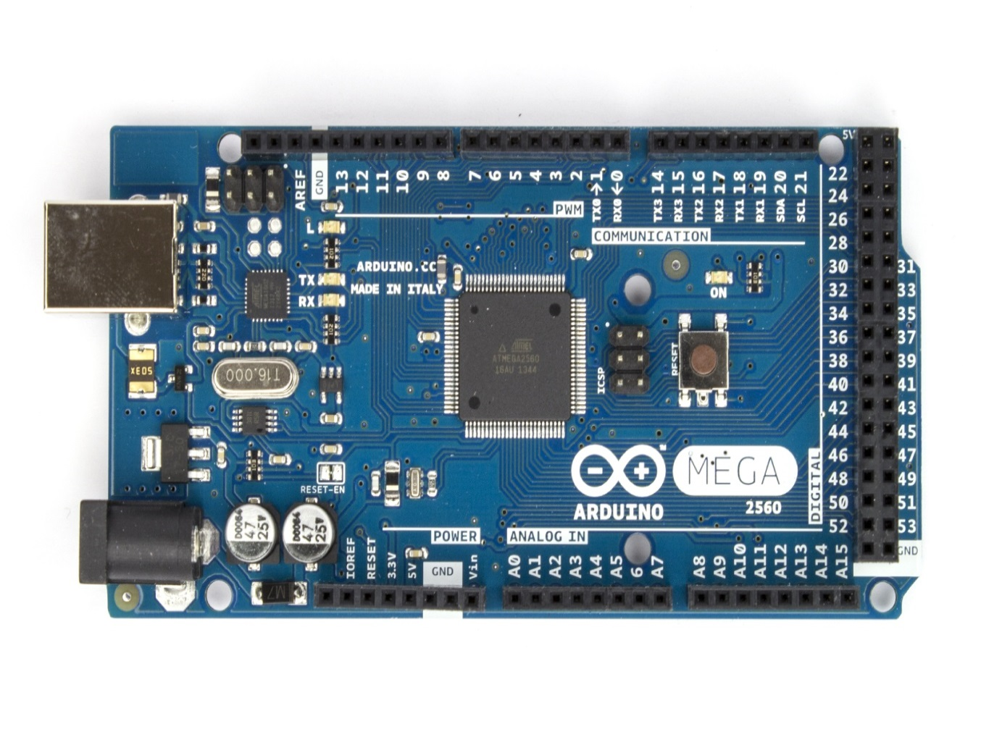
 | LADA v1 |  | LADA v2 |  | LADA vEthernet |  |  | LADA v1 |  | LADA v2
ARD_PIN | CONNECTOR+PIN | FUNCTION | PIN | FUNCTION | PIN | FUNCTION | ARD_PIN | CONNECTOR+PIN | FUNCTION | PIN | FUNCTION
0 | serial communication |  | WWI1 | indicators | WWI1 | indicators | 40 | 12 to 5 V (PIN7) | ligths | ---- | ----
1 |  |  | WWI2 | indicators | WWI2 | indicators | 41 | 12 to 5 V (PIN8) | ligths_switch | ---- | ----
2 | 5V pulldown (PIN7) | wipers | WWI3 | wipers | WWI3 | wipers | 42 | 12 to 5 V (PIN6) | ligths | ---- | ----
3 | 5V pulldown (PIN6) | wipers | WWI4 | wipers | WWI4 | wipers | 43 | 12 to 5 V (PIN1) | ---- | ---- | ----
4 | 5V pulldown (PIN4) | indicators | WWI5 | washers | 12TO5A | lights | 44 | 12 to 5 V (PIN2) | ---- | ---- | ----
5 | 5V pulldown (PIN3) | wipers | WWI6 | washers | 12TO5B | lights | 45 | 12 to 5 V (PIN3) | ---- | ---- | ----
6 | 5V pulldown (PIN2) | wipers | WWI7 | washers | 12TO5C | lights | 46 | 5 to 12 V (PIN1) | hazard_switch | ---- | ----
7 | 5V pulldown (PIN5) | indicators | WWI8 | washers | 12TO5D | lights | 47 | 5 to 12 V (PIN6) | ---- | ---- | ----
8 | ---- | ---- | WWI9 | ---- | 12TO5E | ignition | 48 | 5 to 12 V (PIN5) | ---- | ---- | ----
9 | trans_sw(PIN8) | ---- | WWI10 | ---- | 12TO5F | ignition | 49 | 5 to 12 V (PIN3) | ---- | ---- | ----
10 | trans_sw(PIN9) | ---- | 12TO5A | lights | ethernet |  | 50 | 5 to 12 V (PIN2) | relay | ---- | ----
11 | 5V pulldown (PIN1) | ---- | 12TO5B | lights |  |  | 51 | 5 to 12 V (PIN4) | ---- | ---- | ----
12 | 5V pulldown (PIN9) | wipers | 12TO5C | lights |  |  | 52 | 5 to 12 V (PIN8) | ---- | ---- | ----
13 | 5V pulldown (PIN8) | wipers | 12TO5D | lights |  |  | 53 | 5 to 12 V (PIN9) | ---- | ---- | ----
14 | ---- | ---- | 12TO5E | ignition | 5TO12A | relay | 54 | 5 to 12 V (PIN7) | ---- | ---- | ----
15 | ---- | ---- | 12TO5F | ignition | 5TO12B | hazard_switch | 55 | trans_sw(PIN7) | ---- | ---- | ----
16 | ---- | ---- | serial communication |  | pull up | hand brake | 56 | trans_sw(PIN6) | ---- | ---- | ----
17 | ---- | ---- |  |  |  |  | 57 | trans_sw(PIN1) | ---- | ---- | ----
18 | ---- | ---- | 5TO12A | relay |  |  | 58 | trans_sw(PIN2) | ---- | ---- | ----
19 | ---- | ---- | 5TO12B | hazard_switch |  |  | 59 | trans_sw(PIN3) | ---- | ---- | ----
20 | ---- | ---- | 5TO12C | ---- |  |  | 60 | trans_sw(PIN4) | ---- | ---- | ----
21 | ---- | ---- | 5TO12D | ---- |  |  | 61 | trans_sw(PIN5) | ---- | ---- | ----
22 | To dashboard(PIN1) | stepper1a | TS2 | ---- |  |  | A8 | Analog(PIN7) | ---- | ---- | ----
23 | To dashboard(PIN2) | stepper1c | TS1 | ---- |  |  | A9 | Analog(PIN8) | ---- | ---- | ----
24 | To dashboard(PIN3) | stepper1d | LED1 | MAX7219(p13) |  |  | A10 | Analog(PIN9) | ---- | ---- | ----
25 | To dashboard(PIN4) | stepper1b | TS3 | ---- |  |  | A11 | Analog(PIN5) | accelerator | ---- | ----
26 | To dashboard(PIN5) | stepper2a | LED3 | MAX7219(p1) |  |  | A12 | Analog(PIN4) | ---- | ---- | ----
27 | To dashboard(PIN6) | stepper2c | LED2 | MAX7219(p12) |  |  | A13 | Analog(PIN3) | ---- | ---- | ----
28 | To dashboard(PIN7) | stepper2d | STEP1B | stepper1b |  |  | A14 | Analog(PIN2) | ---- | ---- | ----
29 | To dashboard(PIN8) | stepper2b | STEP1A | stepper1a |  |  | A15 | Analog(PIN1) | ---- | ---- | ----
30 | To dashboard(PIN9) | ---- | STEP1D | stepper1d
31 | To dashboard(PIN10) | ---- | STEP1C | stepper1c
32 | To dashboard(PIN12) | ---- | STEP2B | stepper2b
33 | To dashboard(PIN11) | ---- | STEP2A | stepper2a
34 | To dashboard(PIN14) | MAX7219(p13) | STEP2D | stepper2d
35 | To dashboard(PIN13) | MAX7219(p12) | STEP2C | stepper2c
36 | 12 to 5 V (PIN4) | ignition | ---- | ----
37 | To dashboard(PIN15) | MAX7219(p1) | ---- | ----
38 | 12 to 5 V (PIN9) | ligths_switch | ---- | ----
39 | 12 to 5 V (PIN5) | ignition | ---- | ----

