Sheet1
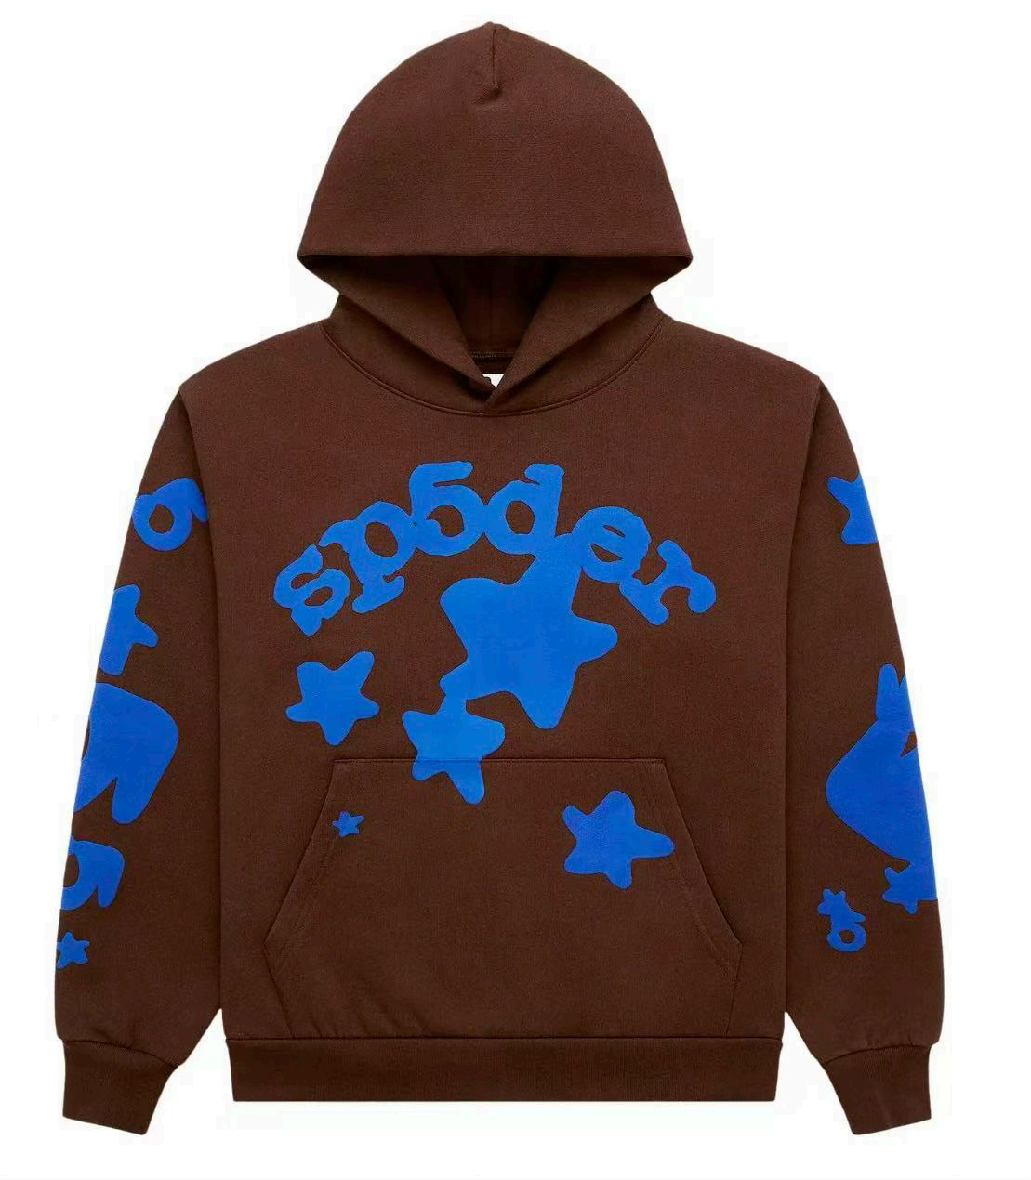
蜘蛛09款咖啡色(Brown BBV2)上衣 蓝花 | XS | 45

 | S | 60

 | M | 45

 | L | 40

 | XL | 60

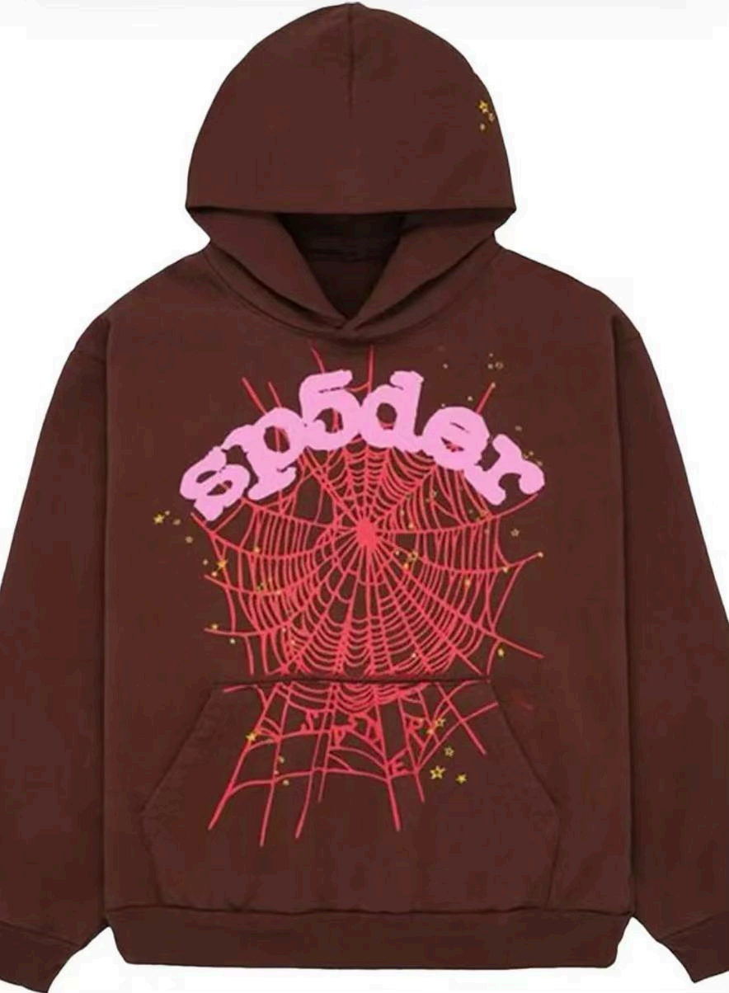
蜘蛛咖啡色(BROWN)上衣 粉花 | XS | 35

 | S | 36

 | M | 66

 | L | 72

 | XL | 87

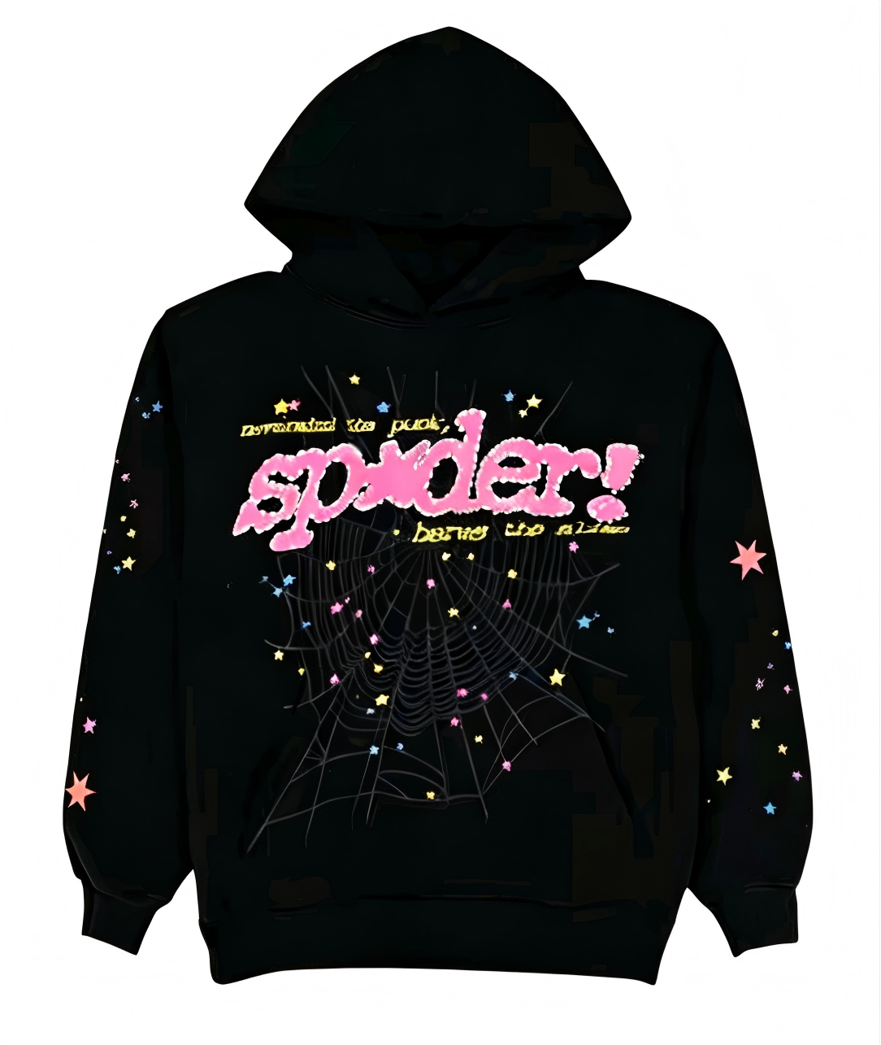
蜘蛛黑色(BLACK)上衣 粉字母 | XS | 0

 | S | 0

 | M | 0

 | L | 26

 | XL | 31

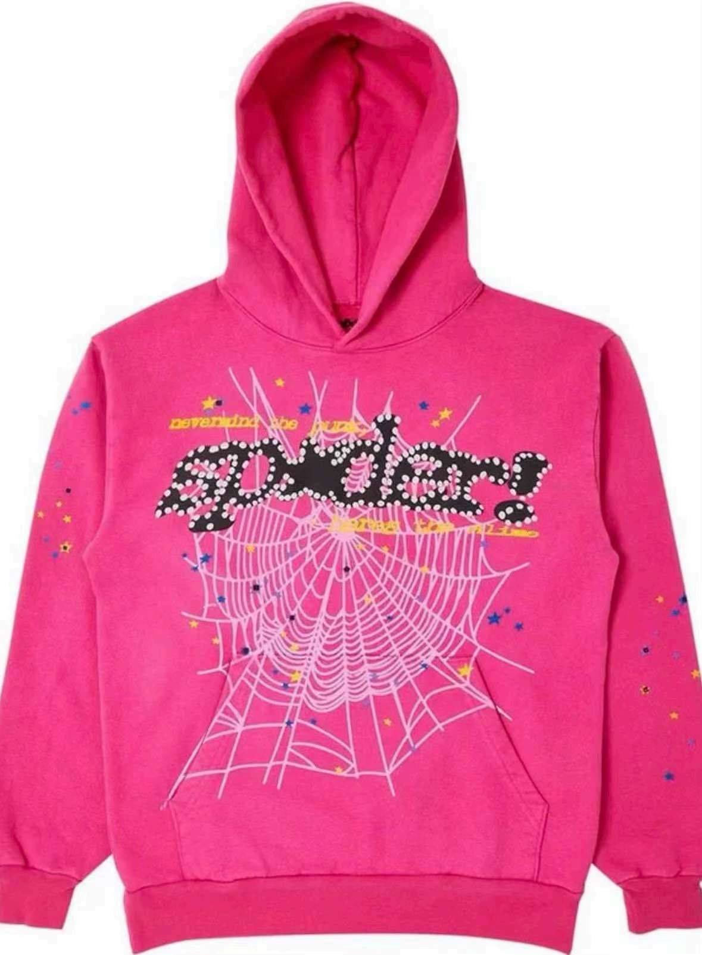
蜘蛛玫红色(ROSE RED)上衣 | XS | 83

 | S | 56

 | M | 55

 | L | 82

 | XL | 64

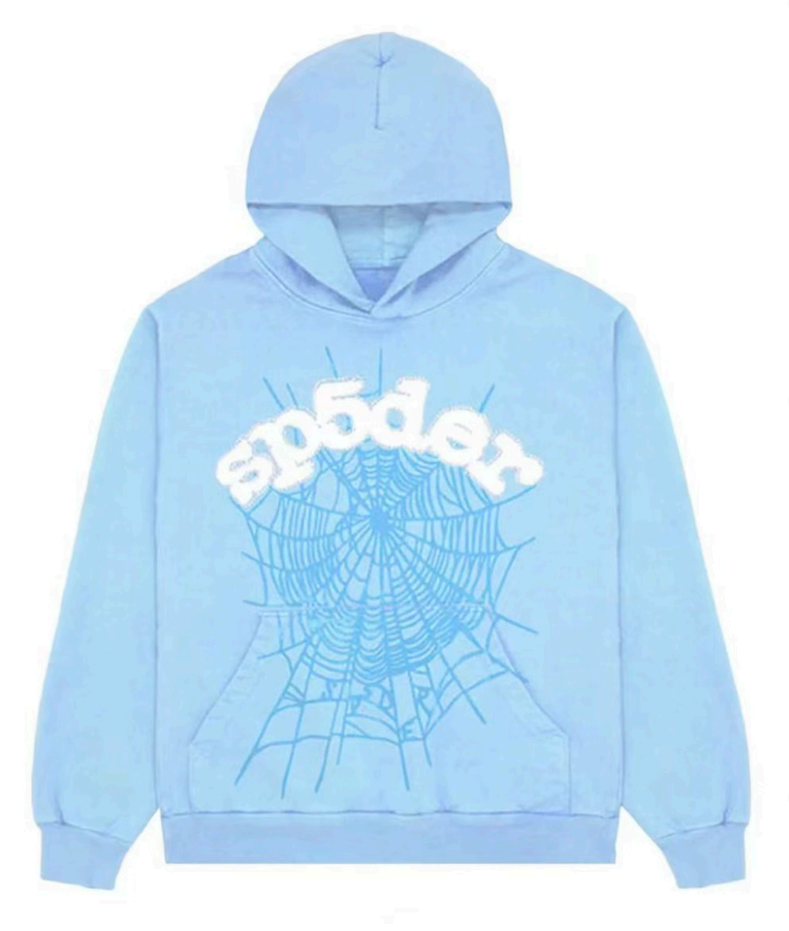
蜘蛛浅蓝色(SKY BLUE)上衣 | XS | 52

 | S | 52

 | M | 39

 | L | 68

 | XL | 84

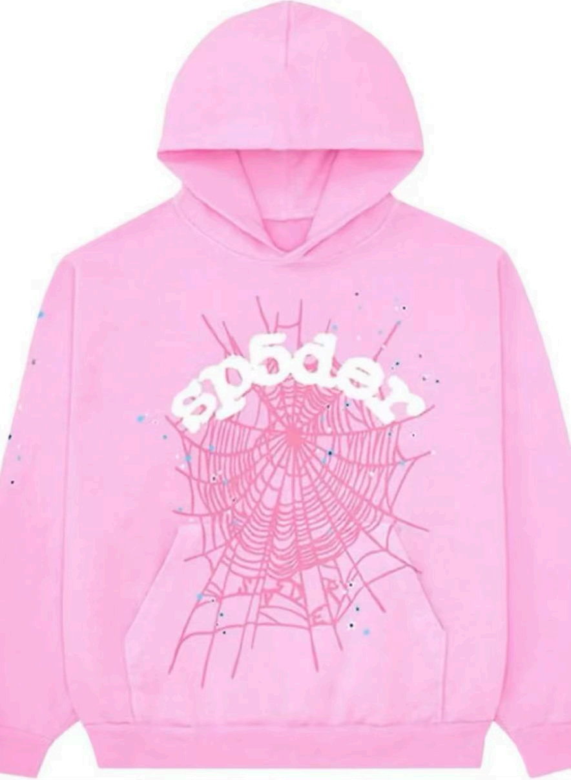
蜘蛛粉色(PINK)上衣 | XS | 34

 | S | 0

 | M | 18

 | L | 18

 | XL | 28

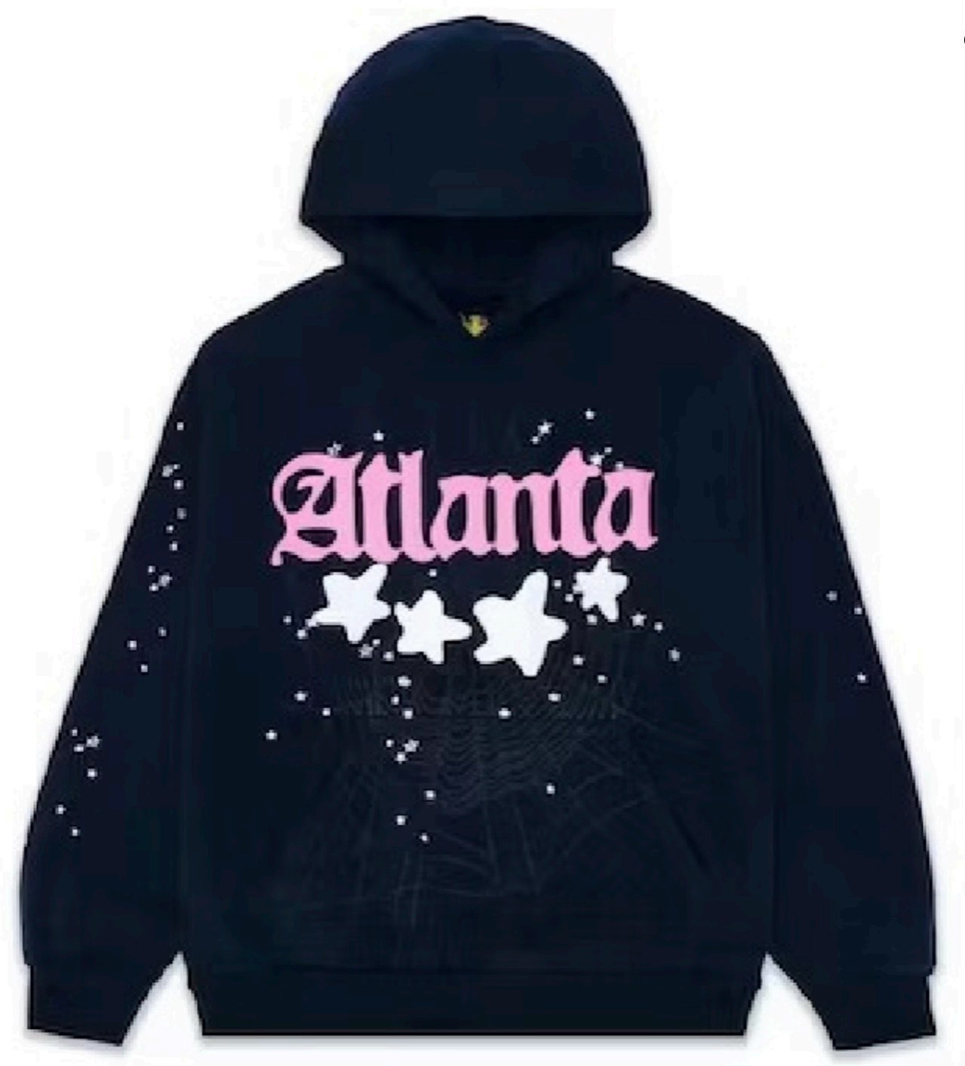
蜘蛛上青色(NAVY)上衣 | XS | 91

 | S | 52

 | M | 38

 | L | 54

 | XL | 72

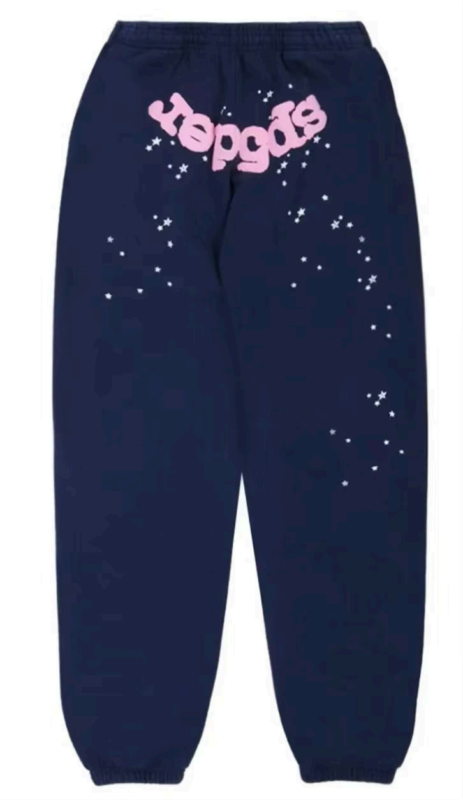
蜘蛛上青色(NAVY)裤子 | XS | 0

 | S | 14

 | M | 9

 | L | 35

 | XL | 20

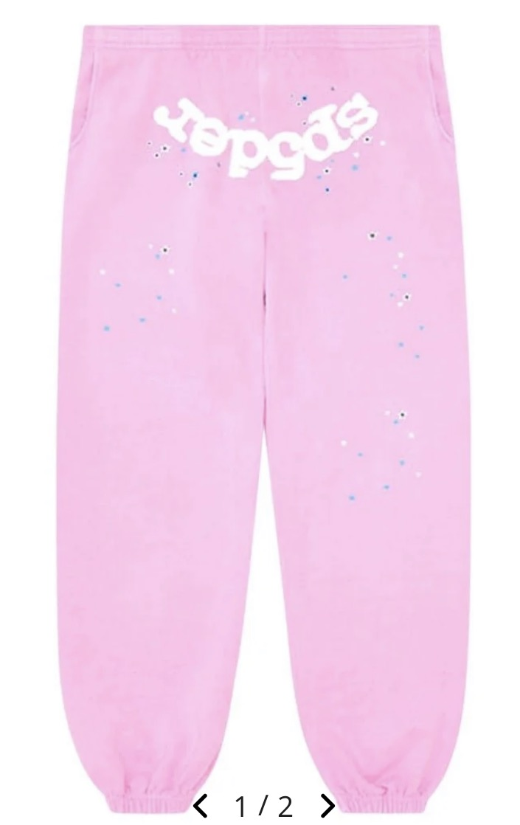
蜘蛛粉色(PINK)裤子 | XS | 10

 | S | 28

 | M | 20

 | L | 9

 | XL | 28

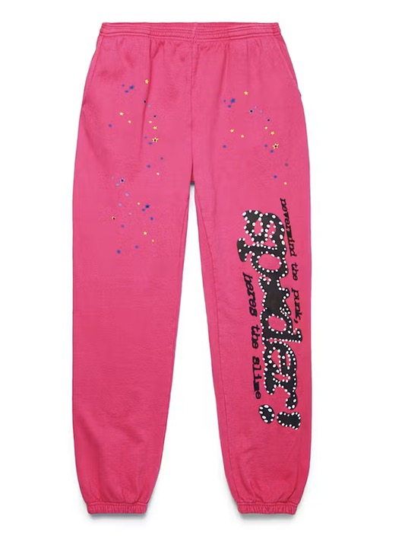
蜘蛛玫红色(ROSE RED)裤子 | XS | 22

 | S | 4

 | M | 14

 | L | 22

 | XL | 27

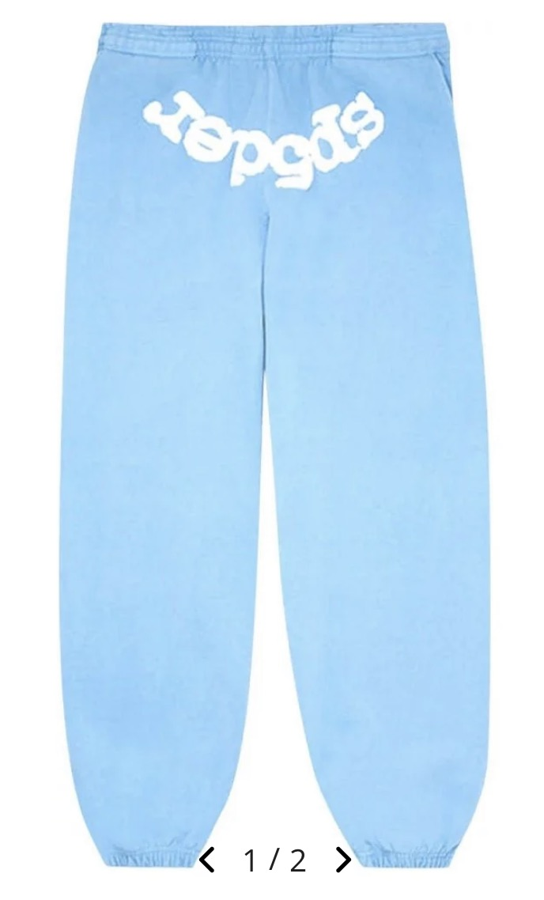
蜘蛛浅蓝色(SKY BLUE)裤子 | XS | 0

 | S | 6

 | M | 6

 | L | 18

 | XL | 27

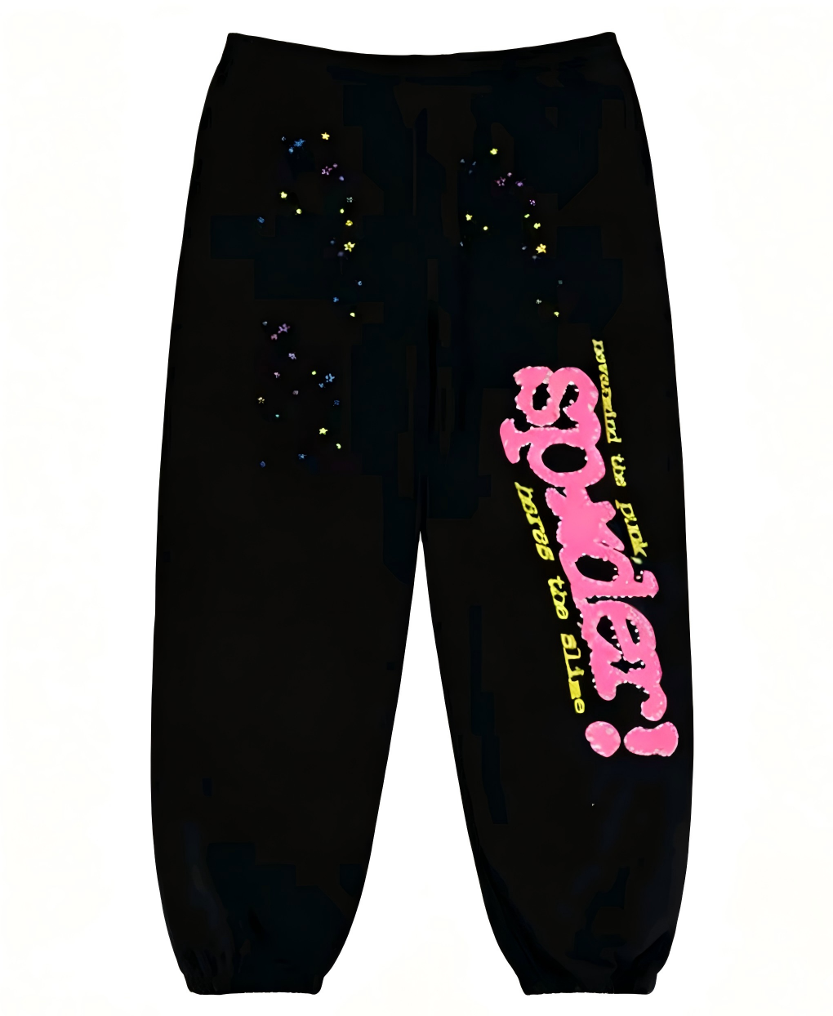
蜘蛛黑色(BLACK)裤子 | XS | 1

 | S | 0

 | M | 0

 | L | 0

 | XL | 8

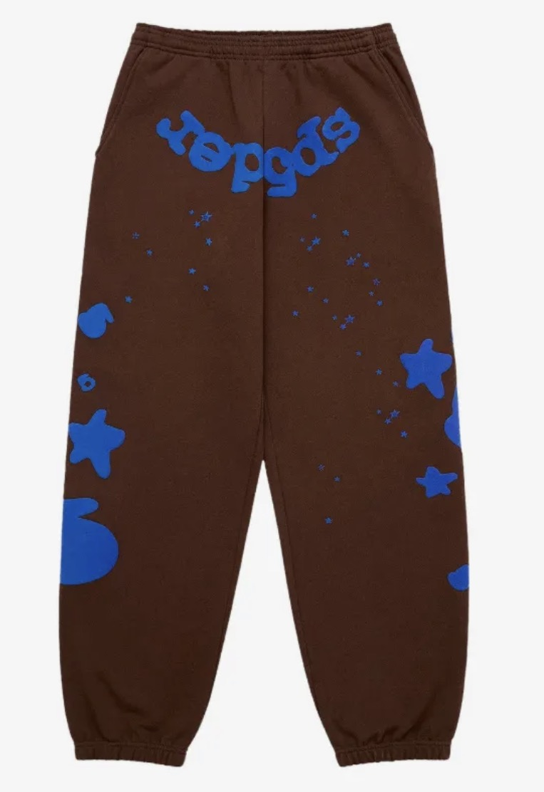
蜘蛛09款咖啡色(Brown BBV2)裤子 蓝花 | XS | 20

 | S | 20

 | M | 20

 | L | 20

 | XL | 19

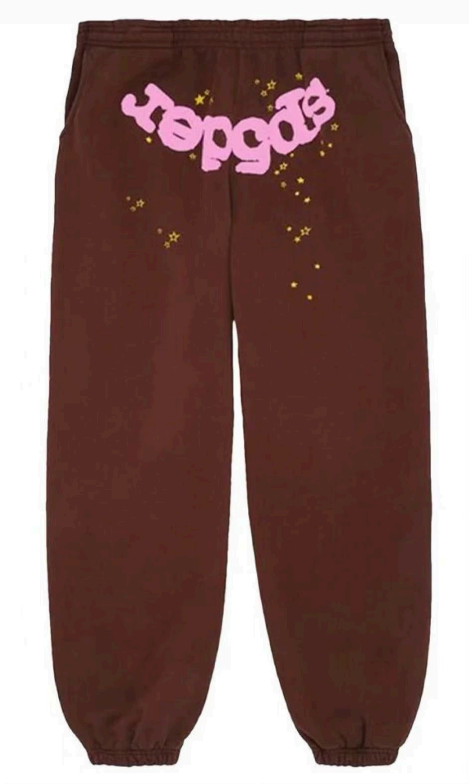
蜘蛛咖啡色(BROWN)裤子 粉花 | XS | 15

 | S | 20

 | M | 15

 | L | 20

 | XL | 20

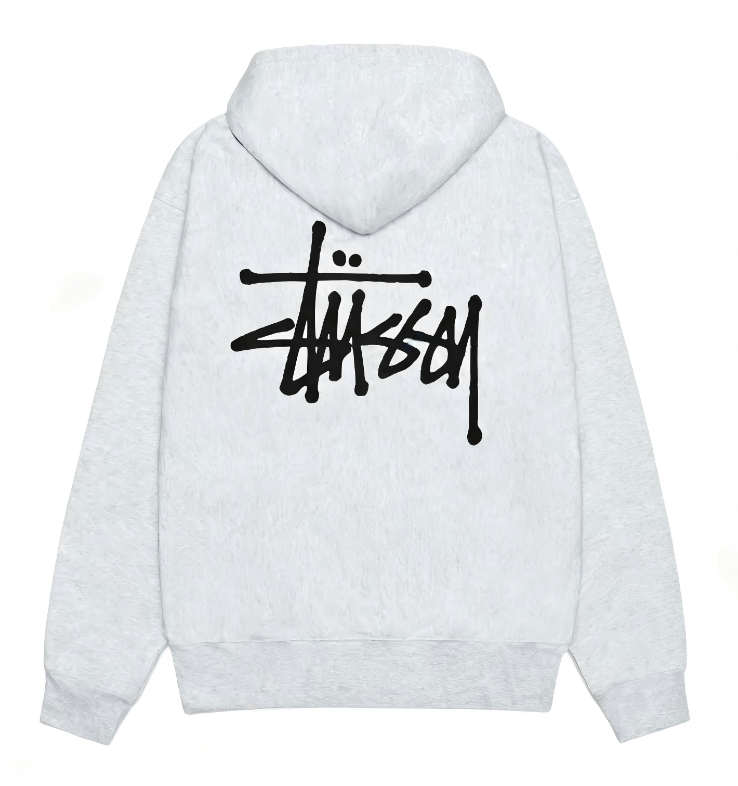
BASIC STUSSY ZIP HOODIE(石灰白) | S | 99

 | M | 80

 | L | 180

 | XXL | 176

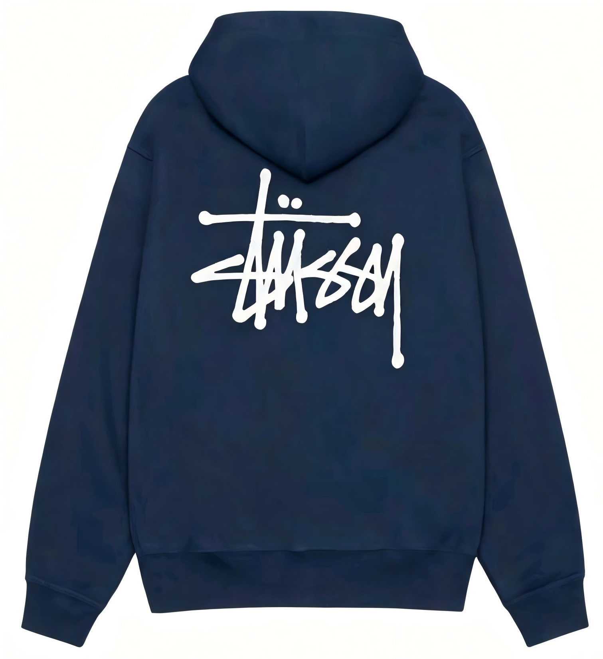
BASIC STUSSY ZIP HOODIE(海军蓝) | S | 80

 | XL | 216

 | XXL | 160

BASIC STUSSY ZIP HOODIE(黑色) | S | 20
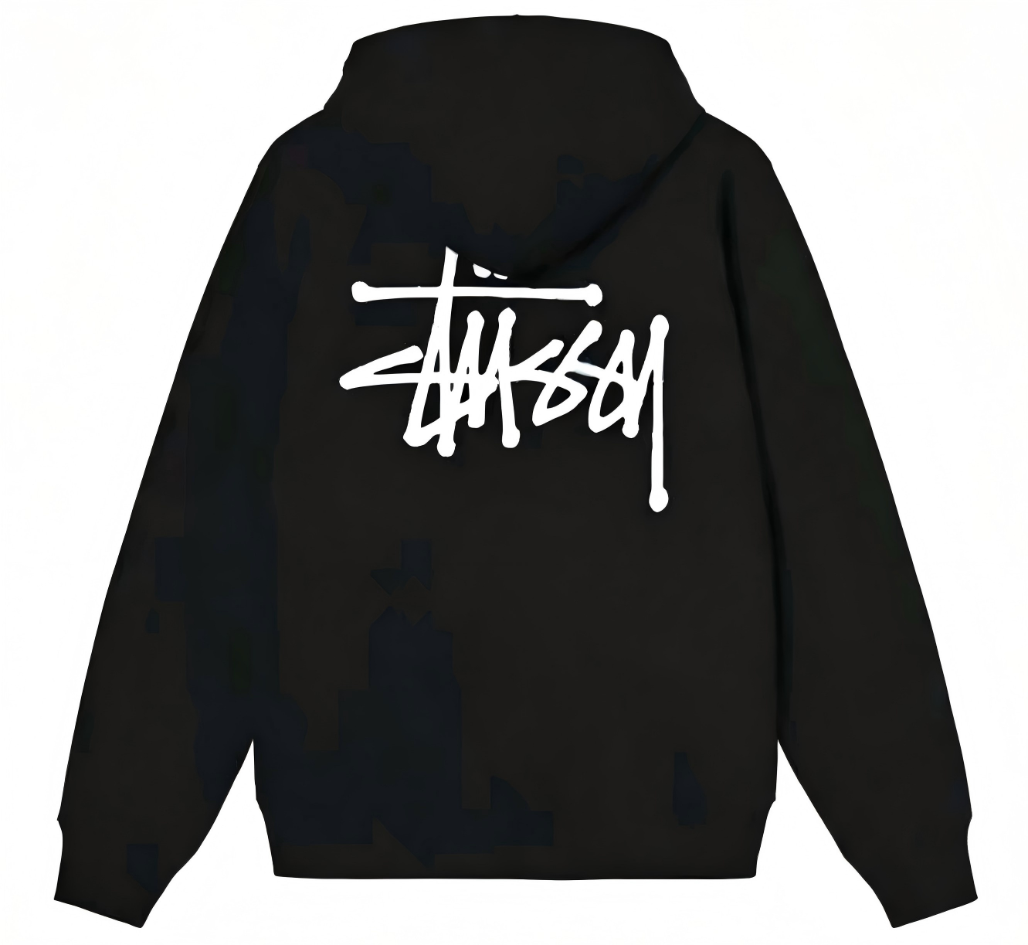

 | M | 19

 | L | 22

 | XXL | 64

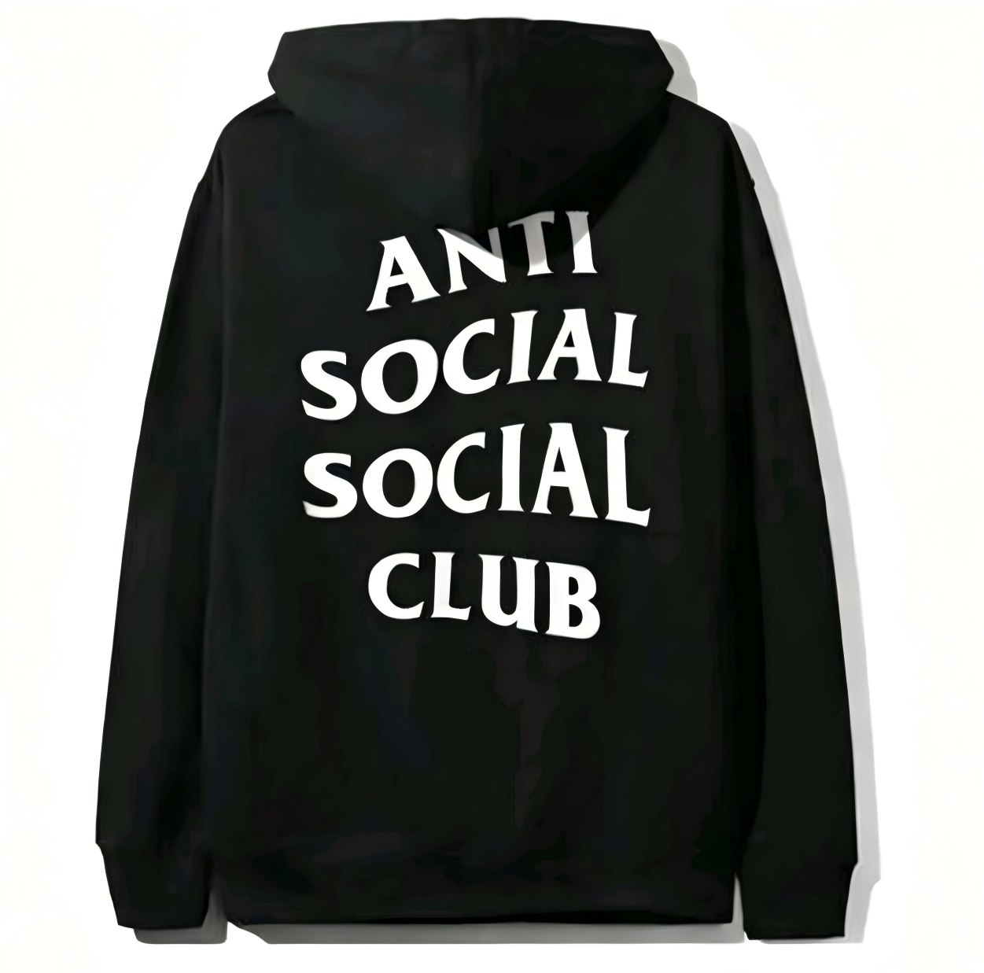
ASSC BLACK(黑色小字母) HOODIE | M | 60

 | L | 110

 | XXL | 16

