Sheet1
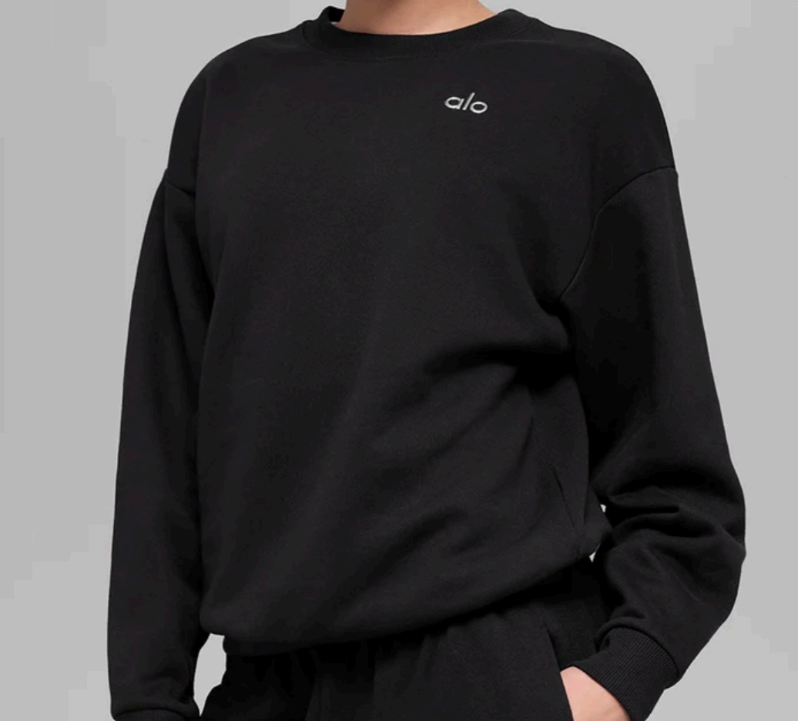
ALO 3031黑色圆领 | XS | 92
 | S | 135
 | M | 56
 | L | 107
 | XL | 101
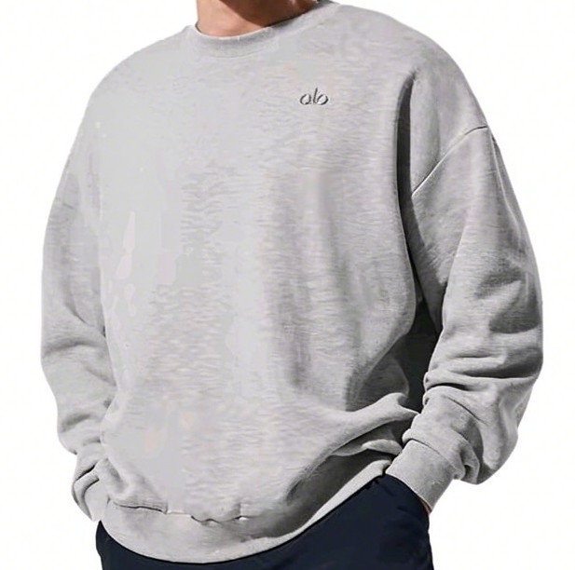
ALO 3031灰色圆领 | XS | 20
 | S | 24
 | M | 18
 | L | 25
 | XL | 0

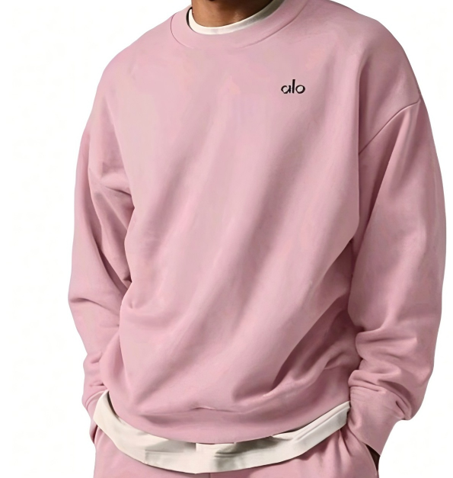
ALO 3031粉色圆领 | XS | 26
 | S | 27
 | M | 27
 | L | 30
 | XL | 30
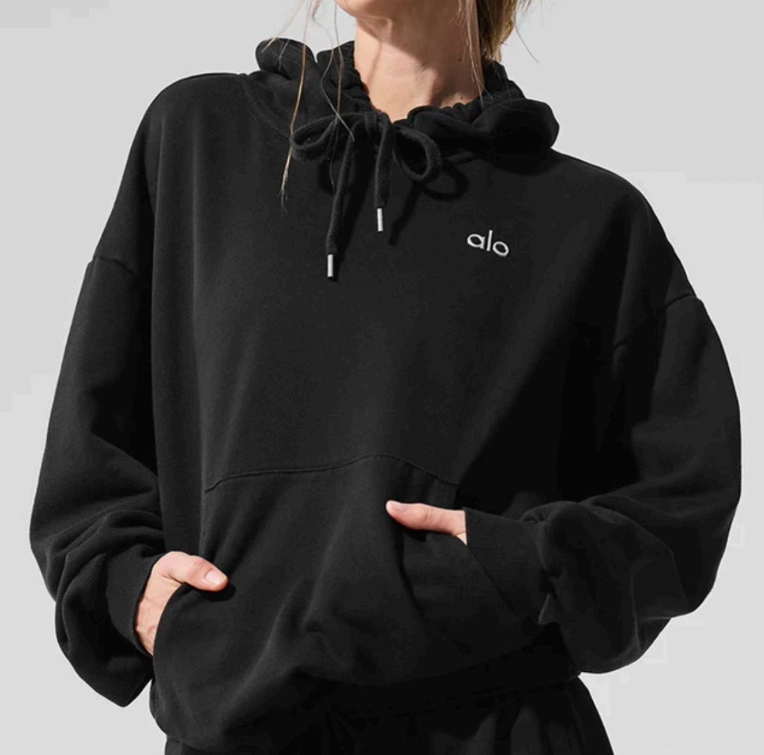
ALO 3032黑色帽衫 | XS | 154
 | S | 216
 | M | 172
 | L | 205
 | XL | 152
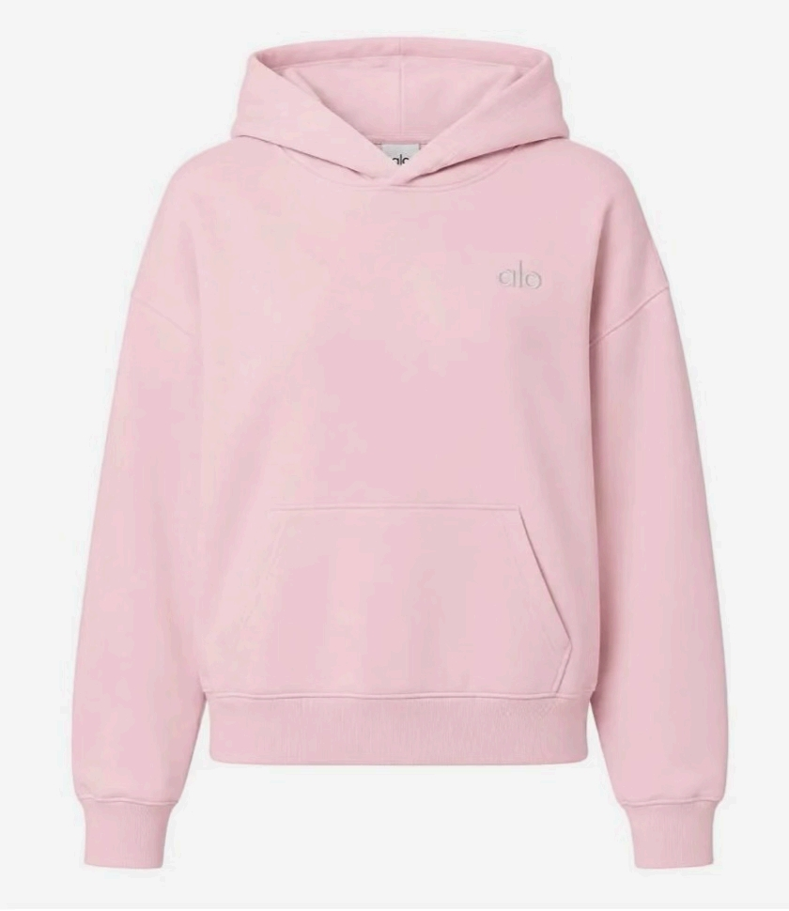
ALO 3032粉色帽衫 | XS | 32
 | S | 71
 | M | 99
 | L | 75
 | XL | 48
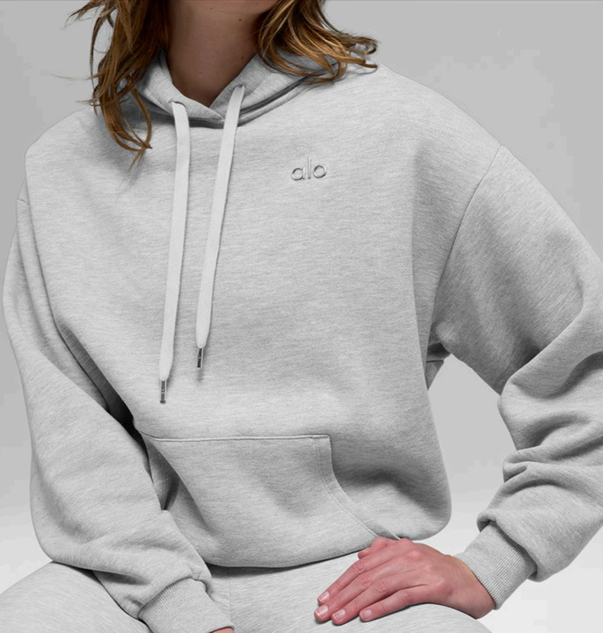
ALO 3032浅灰帽衫 | XS | 136
 | S | 162
 | M | 158
 | L | 63
 | XL | 73
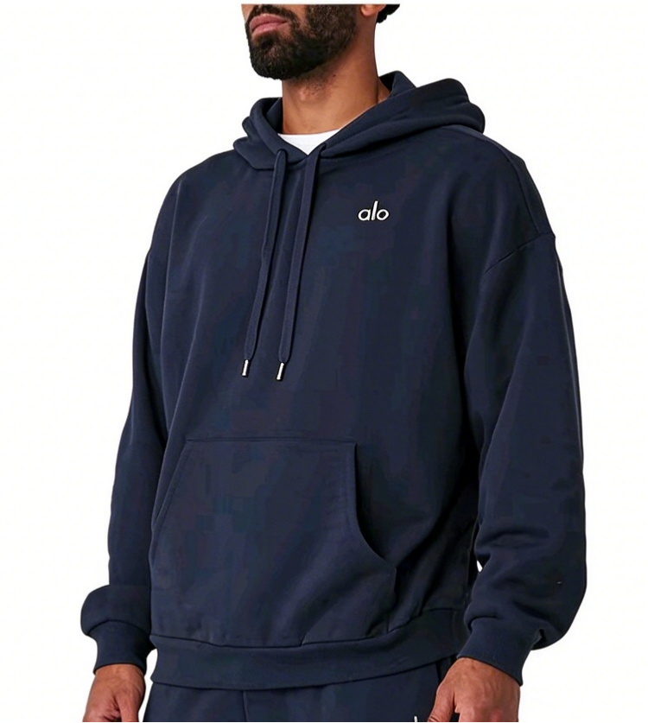
ALO 3032蓝色帽衫 | XS | 41
 | S | 28
 | M | 40
 | L | 57
 | XL | 74
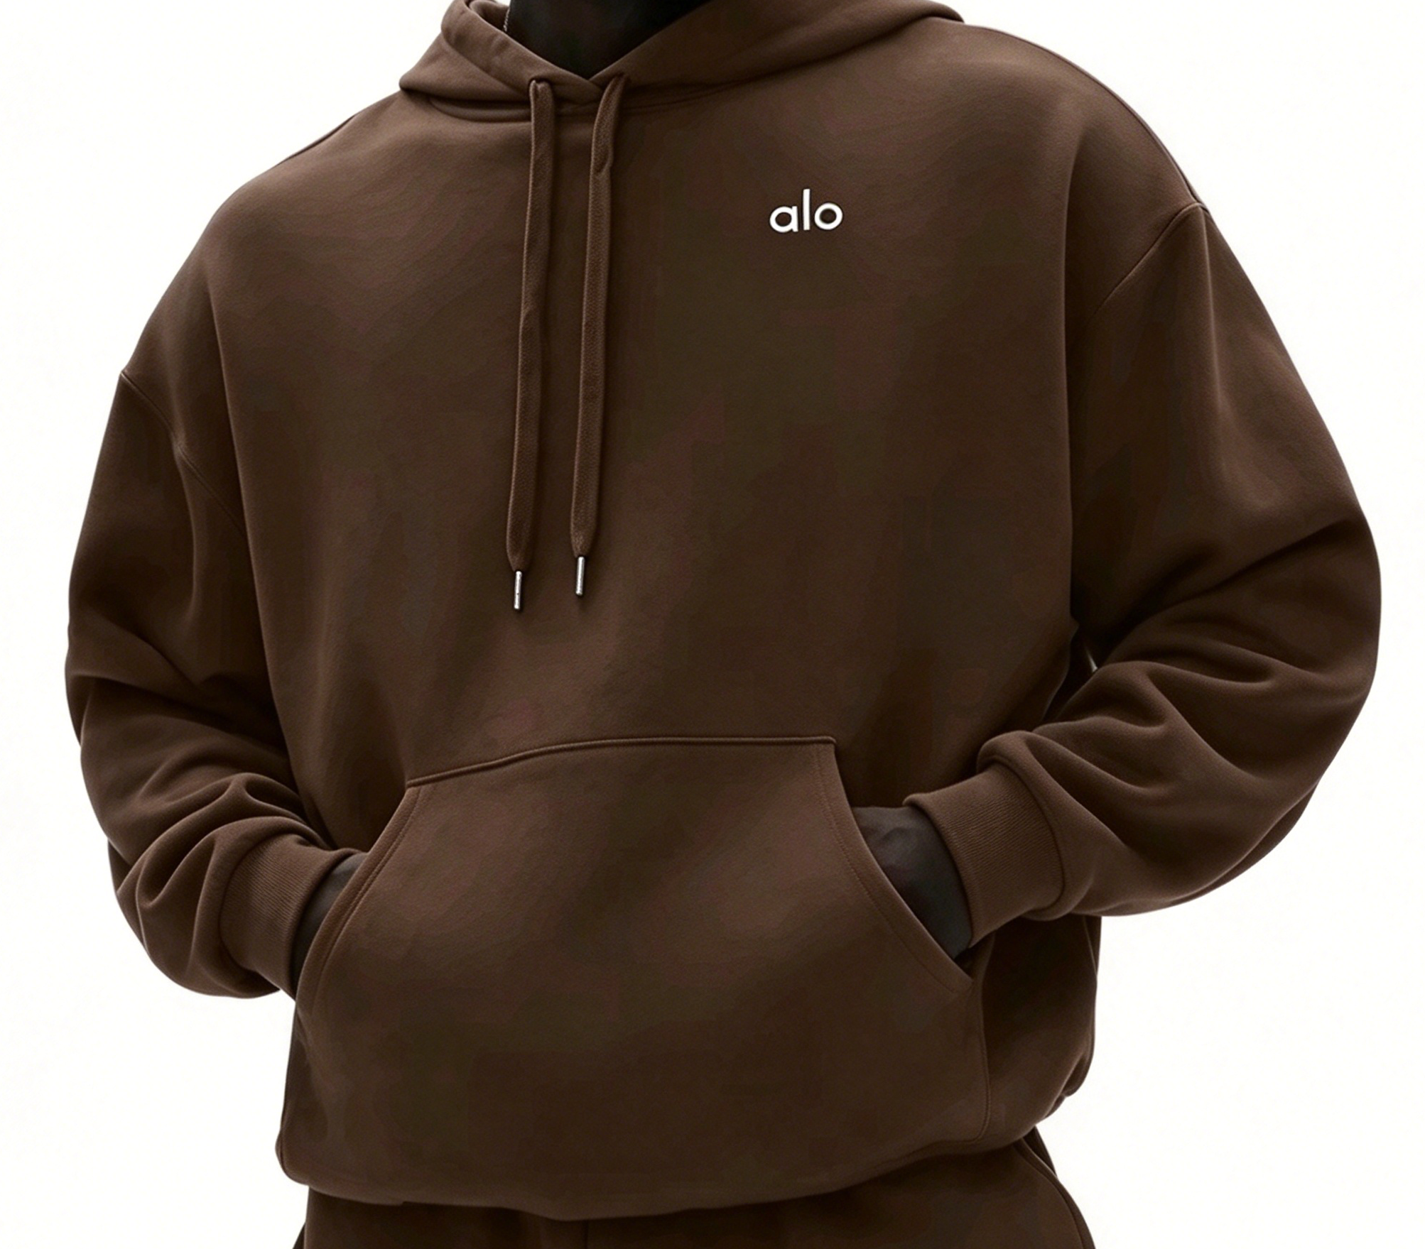
ALO 3032咖色帽衫 | S | 16
 | M | 41
 | L | 30

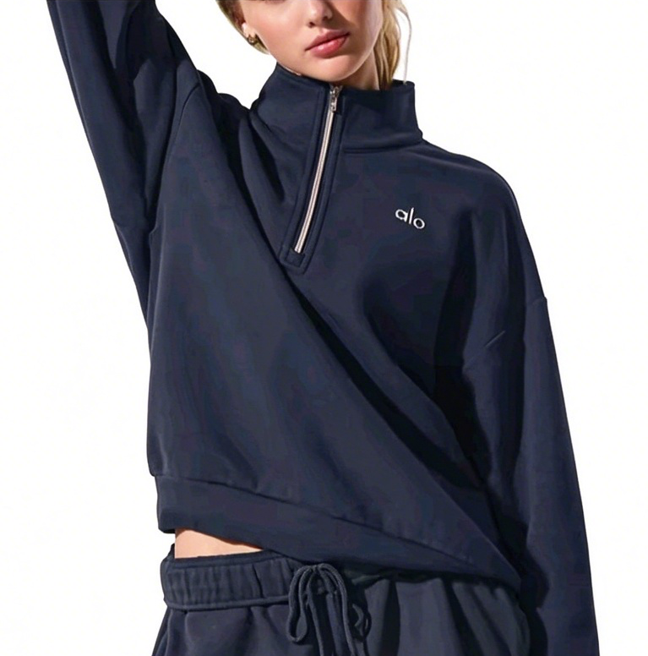
ALO 3040半拉链蓝色 | XS | 6
 | S | 3
 | M | 0
 | L | 3
 | XL | 0
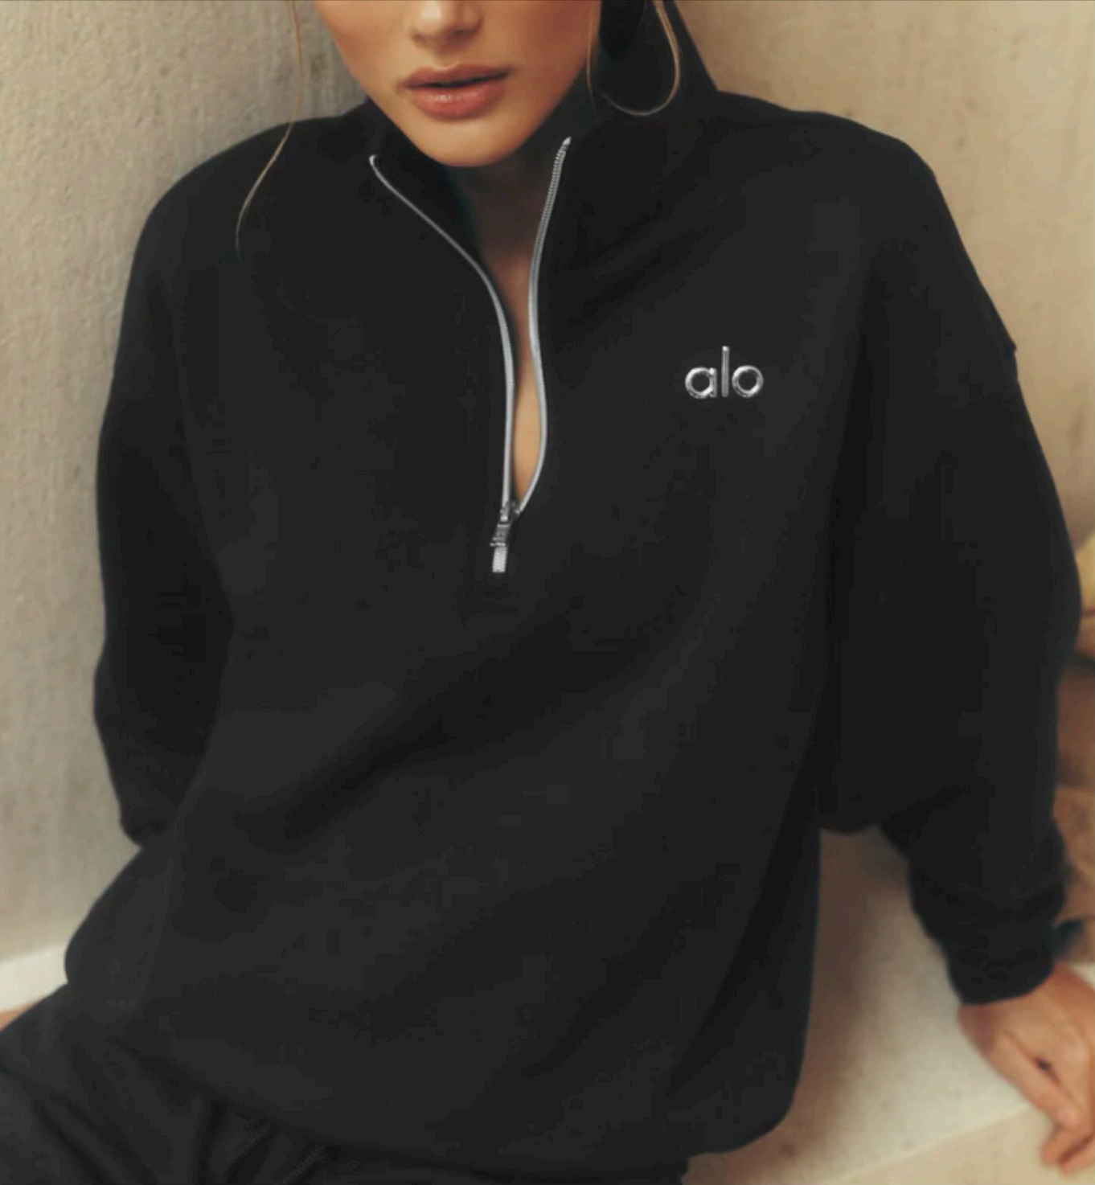
ALO 3040半拉链黑色 | XS | 236
 | S | 195
 | M | 305
 | L | 232
 | XL | 163
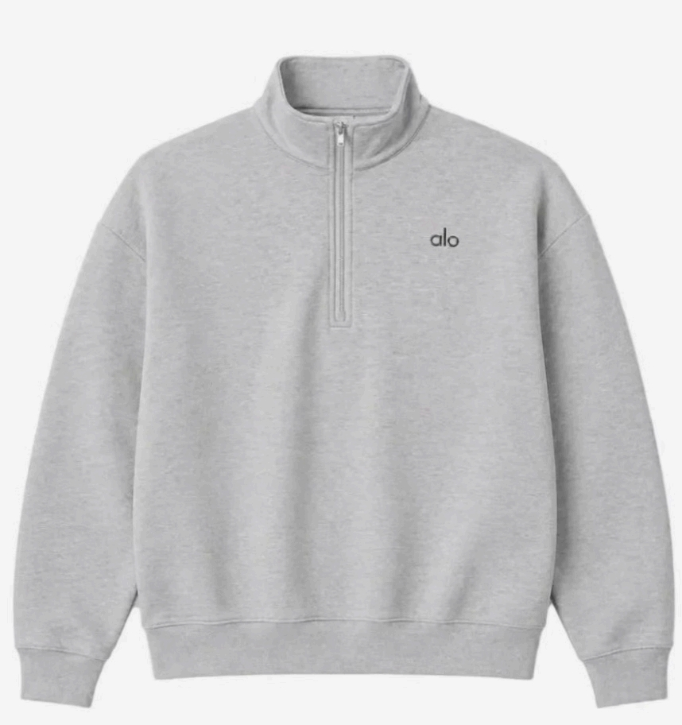
ALO 3040半拉链浅灰色 | XS | 345
 | S | 279
 | M | 404
 | L | 179
 | XL | 181
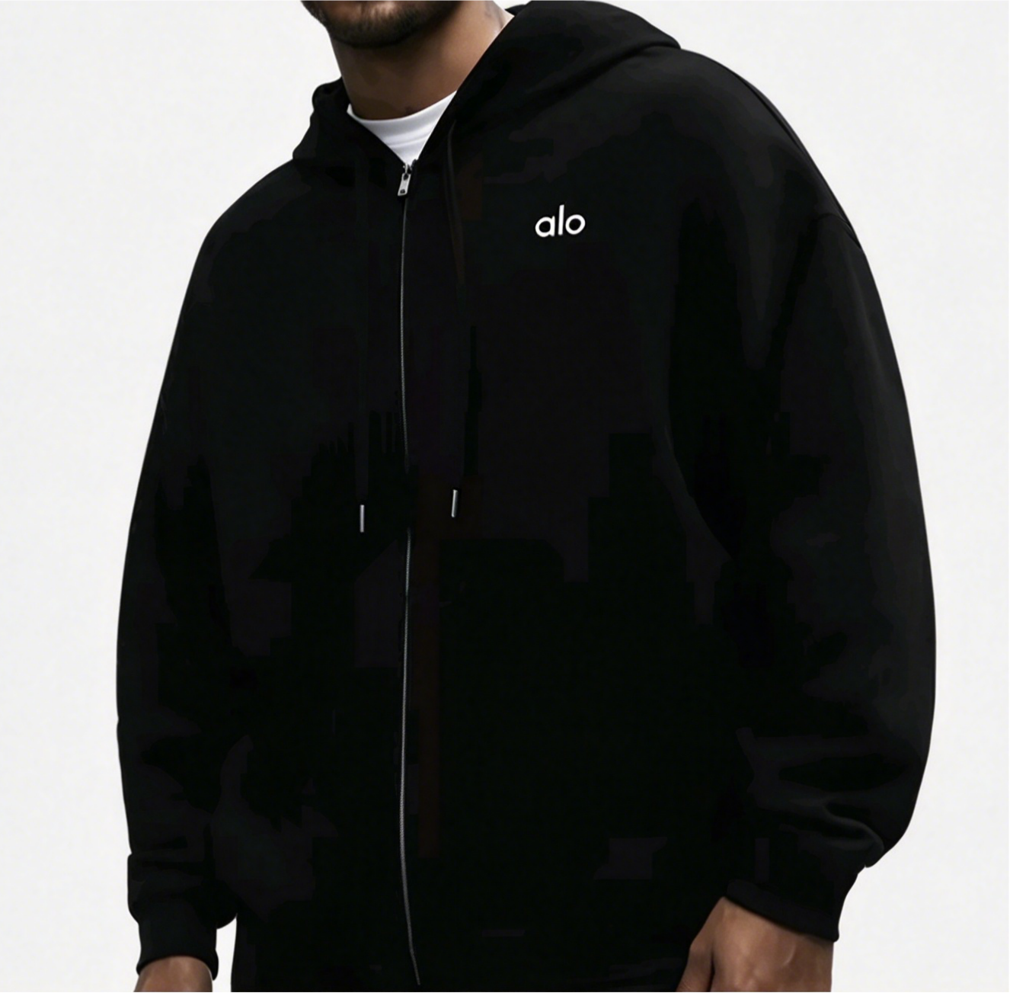
ALO 3041全拉链黑色 | XS | 62
 | S | 10
 | M | 22
 | L | 12
 | XL | 63
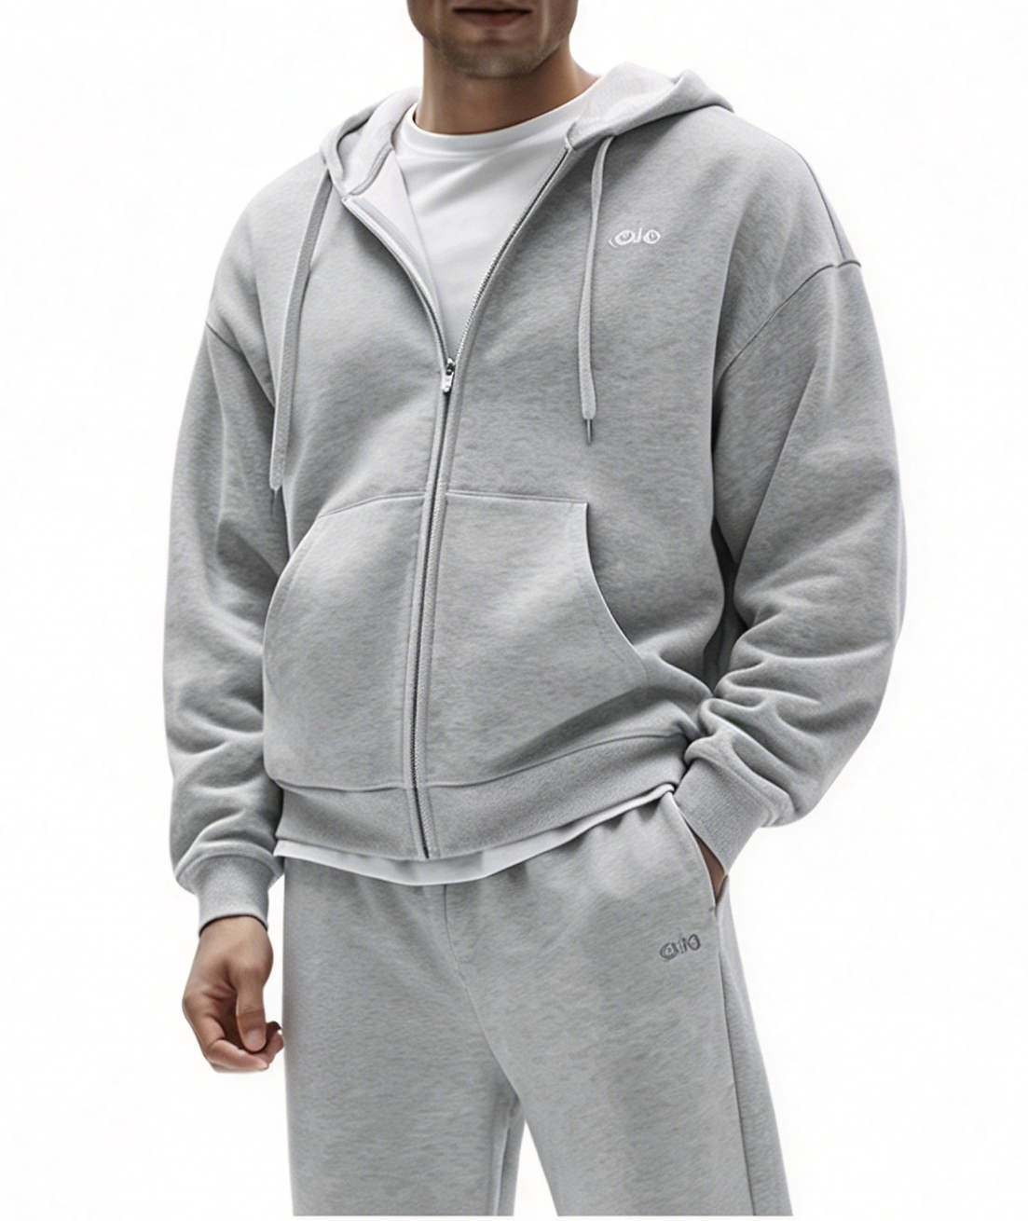
ALO 3041全拉链浅灰色 | XS | 69
 | S | 72
 | M | 86
 | L | 33
 | XL | 91
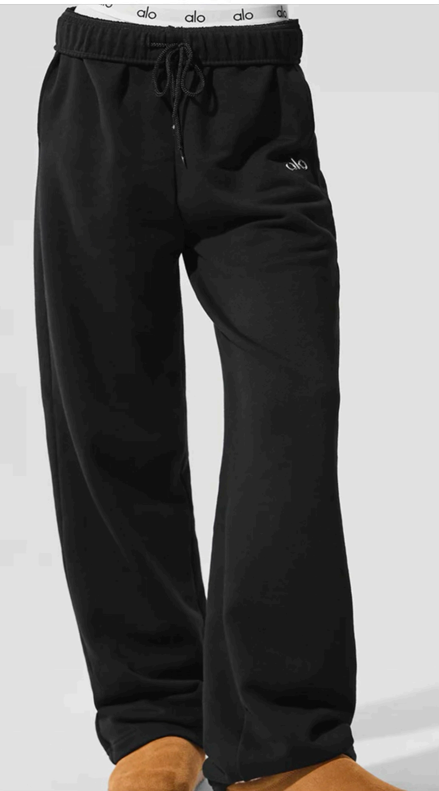
ALO 5012黑色平角裤 | XS | 134
 | S | 171
 | M | 188
 | L | 200
 | XL | 160
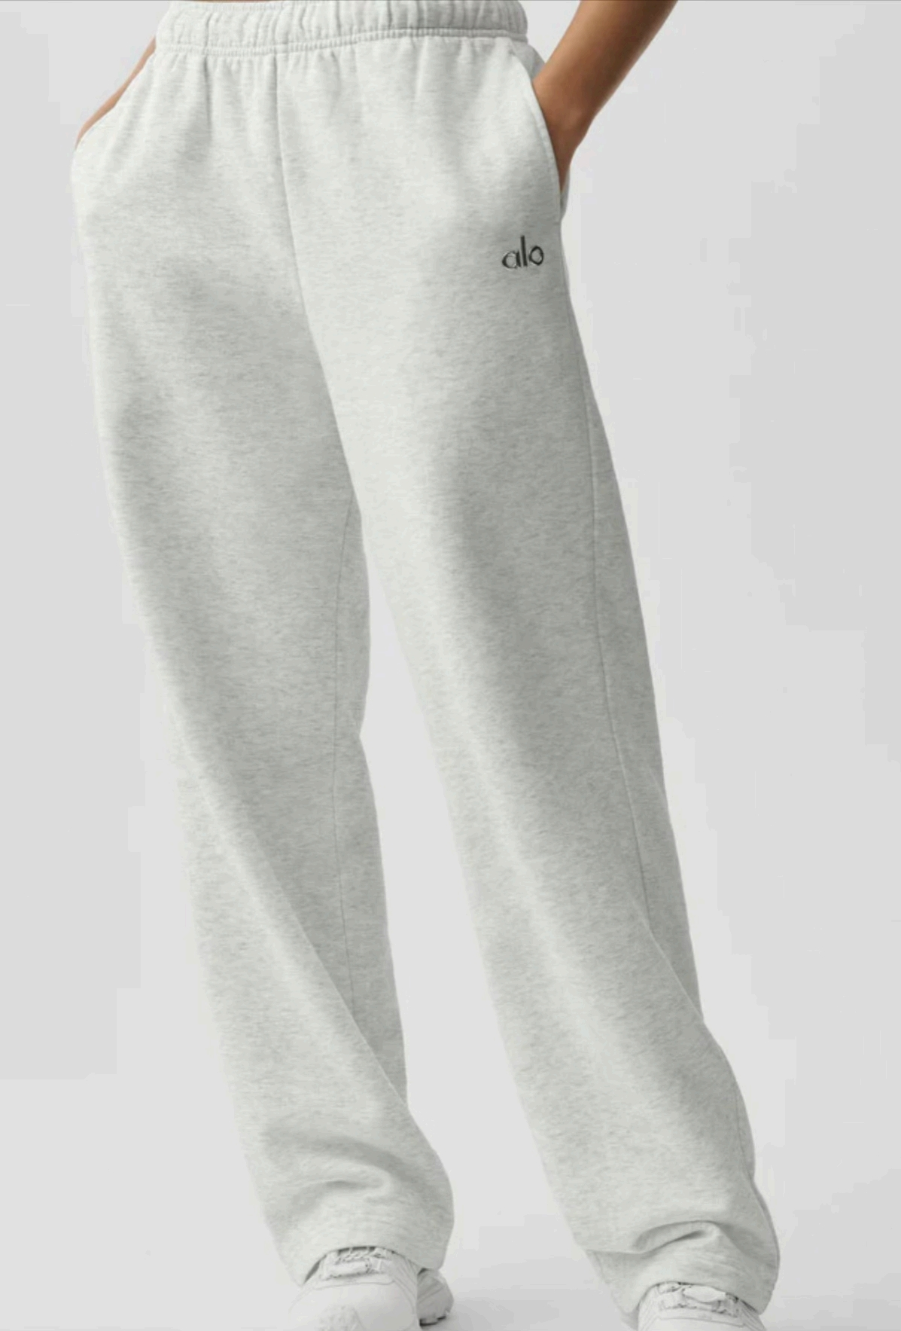
ALO 5012浅灰色平角裤 | XS | 181
 | S | 180
 | M | 272
 | L | 108
 | XL | 177

 |  | 7683

