Test Report Summary
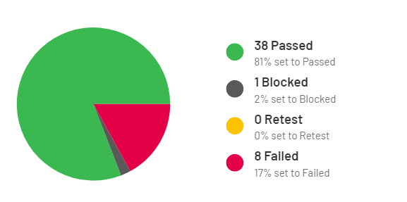
TEST EXECUTION REPORT

 | Pass | Fail | Blocked | Retest
Percent | 81% | 17% | 2% | 0
Number | 38 | 8 | 1 | 0%

TEST ENVIRONMENT

System | Windows 11
Browser | Chrome v122
URL | https://skleptest.pl/
Server | Development

PROJECT INFO

Project name | Generic Shop Manual tests
Executed by | Paweł Jarmakowicz
Written by | Paweł Jarmakowicz

